Notes
Source | Notes

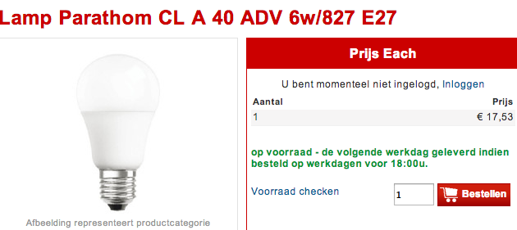
nl.rs
 | Osmar

 | 17.53

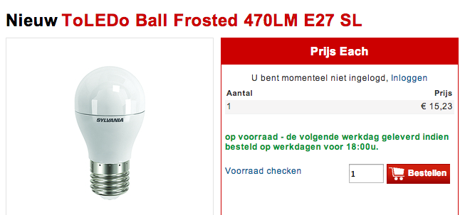
 | Sylvania

 | 15.23

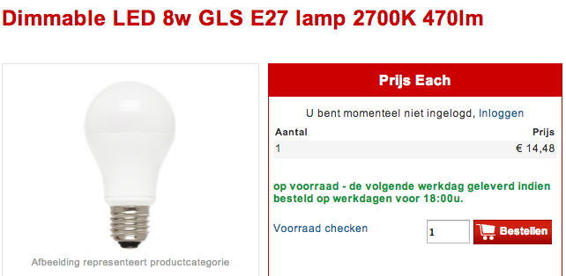
 | GE

 | 14.48

Philips

 | 11.99

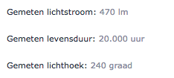

 | 20000 | h

Sylvania

 | 25000 | h

GE

 | 25000 | h

Osmar
p.3

 | 20000 | h

