Notes
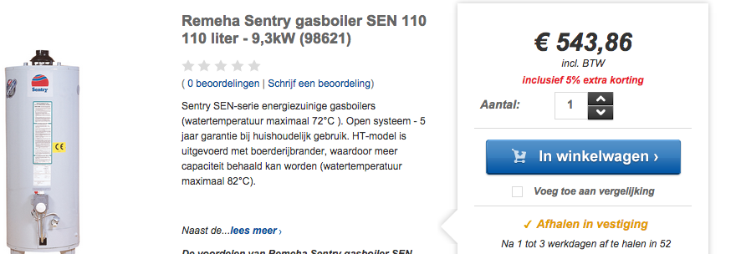
Source | Link | Notes

warmteservice | http://www.warmteservice.nl/Boiler/Gasboiler/c/29

