Notes
Sourcse | Link | Notes
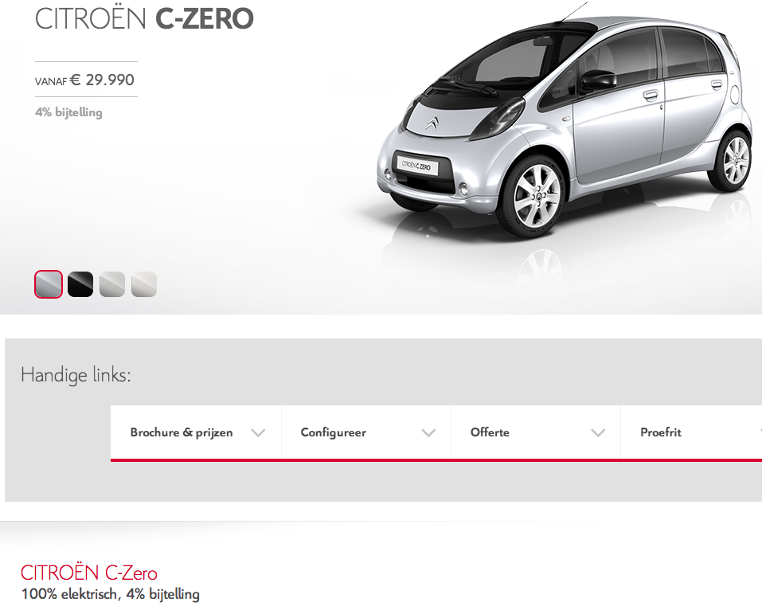

Citroen | http://www.citroen.nl/auto/personenauto/c-zero.html

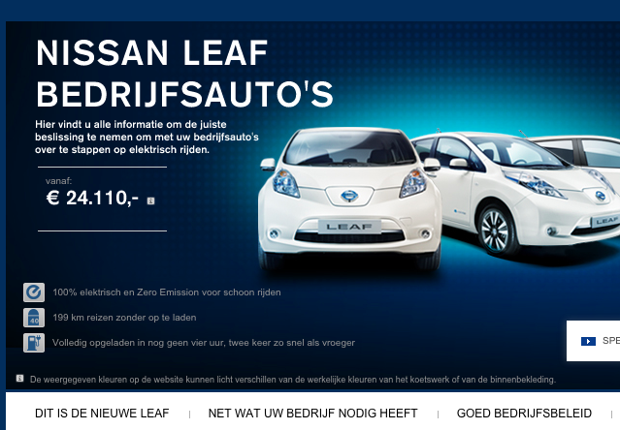
Nissan | http://www.nissan.nl/NL/nl/vehicle/electric-vehicles/leaf/corporate_sales/nissan-leaf-fleet.html

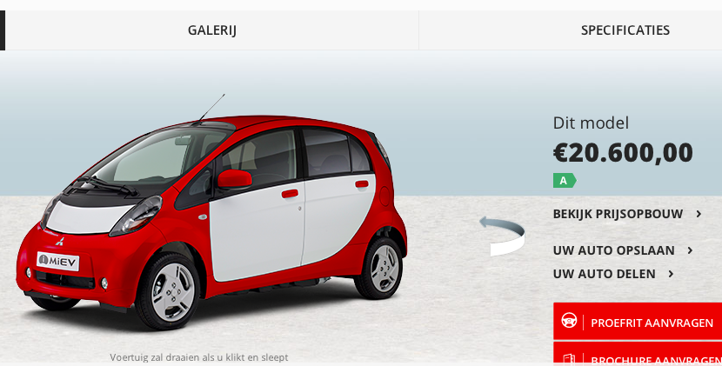
Mitsubishi | http://www.mitsubishi-motors.nl/i-miev/#!

