Notes
Sourcse | Link | Notes

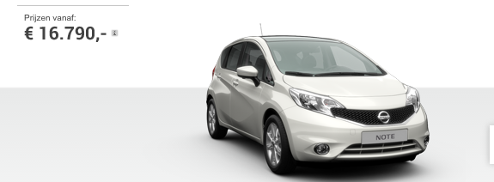
Nissan | http://www.nissan.nl/NL/nl/vehicle/city-cars/note.html

