Notes
Sourcse | Notes

cedeltf-ecn-tno

p.64 | 0.7 | MJ/km
 | 1.4285714286 | km/MJ

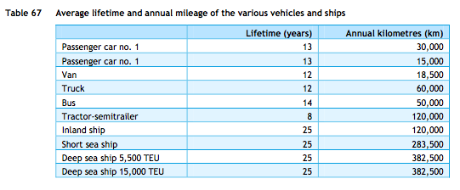

p.84
 | 13 | yrs

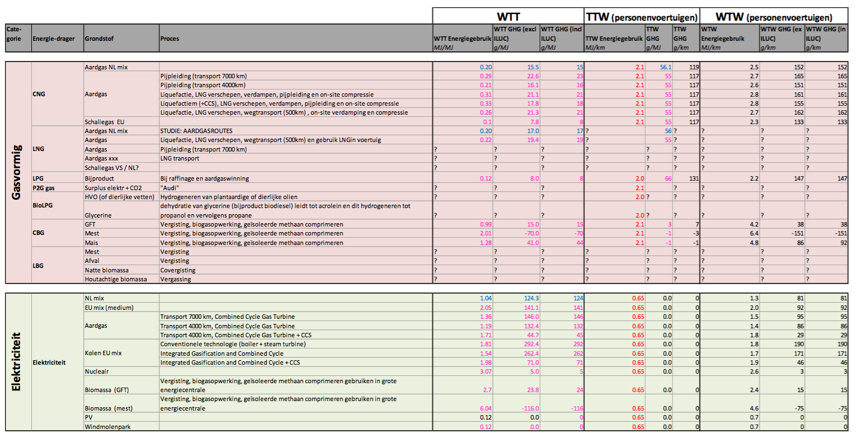

cedelft-ecn-tno2

p.183

 | 0.65 | MJ/km
 | 1.5384615385 | km/MJ

Green car repots | 3.6 | kWh
 | 81 | hours

 |  |  | Downloaded from: | http://www.greencarreports.com/news/1088929_life-with-tesla-model-s-electric-draw-vampire-slain-at-last

