Notes
Source | Page | Notes

This Local Electrolysis is based on the electrolysis system incorporated in the Hamburg Vattenfall Hafencity hydrogen refuelling station (HRS). This 2012 HRS is one of the largest in Europe and produces half of its hydrogen locally through alkaline electrolyzers from Hydrogenics (Hy-Stat-60).
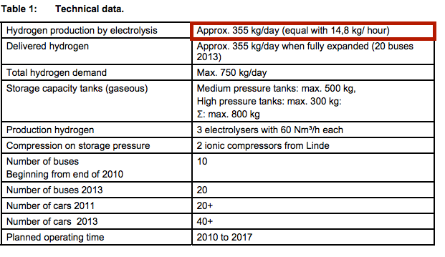

Vattenfall
 |  | 355 | kg/day | hydrogen production capacity

 |  | 355 | kg/day
 |  | 14.791666667 | kg/hr
 |  | 1776.4791667 | MJ/hr
 |  | 0.49346643519 | MW
 |  | 493.46643519 | kW

 |  | 13383283.45 | MJ/yr | yearly production
 |  | 3717578.7361 | kWh/yr | yearly production

 |  | 4.4 | kWh/m3
 |  | 2.9984966667 | MJ/m3
 |  | 0.68147651515

Hydrogenics |  | 0.000007102 | km2 | land_use per electrolyser
 |  | 0.000021306 | km2 | land_use (3 electrolysers)

Alkaline electrolysis as of now has larger capacities, higher efficiencies and is cheaper than PEM electrolysis. In the future, however, since it is easier to upscale and more progress is to be made, PEM electrolysis will probably be the preferred option. We model an alkaline electrolyzer.
Alkaline Electrolysis

 |  | 120.1 | MJ/kg | Energetic mass density H2
 |  | 33.361111111 | kWh/kg | Energetic mass density H2

Fuel cells and hydrogen joint undertaking

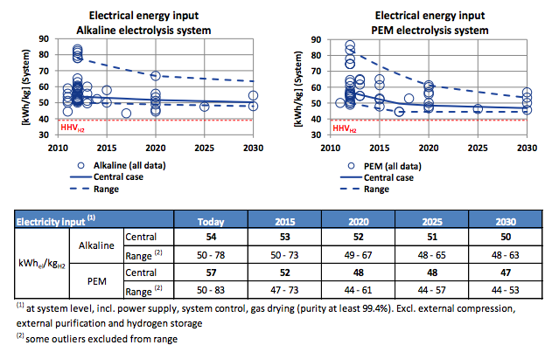

 |  | 54 | kWh_el/kg | Electricity input | mean
 |  | 0.61779835391 |  | output.hydrogen

 |  | 50 | kWh_el/kg | Electricity input | state-of-the-art
 |  | 0.66722222222 |  | output.hydrogen

 |  |  | Note: findings not coupled to capacity

year: 2013 |  | 25 | yrs | lifetime
year: 2015 |  | 26 | yrs | lifetime

 |  | 8585 | hrs/yr
 |  | 0.98002283105 |  | availability

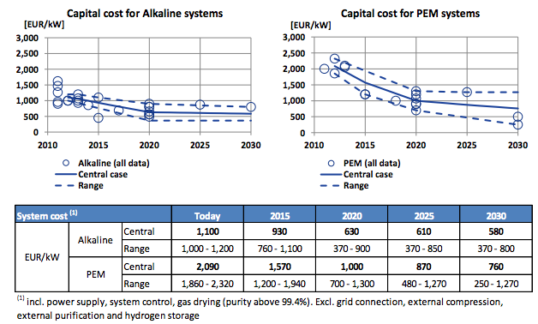

 |  | 1100 | euro/kW
year:2013 |  | 493.46643519 | kW | hydrogen_output_capacity
 |  | 542813.0787 | euro | initial_investment

 |  | 930 | euro/kW
year: 2015 |  | 493.46643519 | kW | hydrogen_output_capacity
 |  | 458923.78472 | euro | initial_investment

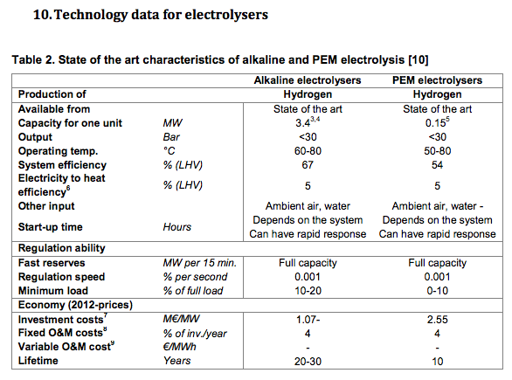

Aalborg University

initial_investment
state of the art

 |  | 67 | % | efficiency
 |  | 0.67 |  | output.hydrogen

 |  | 1.07 | Meuro/MW | initial_investment
 |  | 1070 | euro/kW | initial_investment
 |  | 493.4664352 | kW | hydrogen_output_capacity
 |  | 528009.0856 | euro | initial_investment

 |  | 4 | %ii/yr | fixed O&M costs in percentage of initial investment/year
 |  | 509915.3164 | euro | initial investment average
 |  | 20396.61265 | euro/yr | fixed O&M

 |  | 0 | euro/MWh | variable O&M costs (calculated by ETM)

 |  | 25 | yrs | technical lifetime average

 |  | 0.98 |  | availability

DOE Assumptions

These are from PEM electrolysis but should be approximately the same for alkaline electrolysis

 |  | 1 | yr | construction time |  | Assumed in: | Department of Energy
 |  |  |  |  |  |  | Hydrogen and Fuel Cells Program
 |  |  |  |  |  |  | 01D_Current_Forecourt_Hydrogen_Production_from_PEM_Electrolysis_version_3.1
 |  |  |  |  |  |  | input_Sheet_template

 |  | 0.86 |  | operating capacity factor |  | Assumed in: | Department of Energy
 |  | 7533.6 |  | FLH |  |  | Hydrogen and Fuel Cells Program
 |  |  |  |  |  |  | 01D_Current_Forecourt_Hydrogen_Production_from_PEM_Electrolysis_version_3.1
 |  |  |  |  |  |  | input_Sheet_template

 |  | 10 | % | of initial investment is decommissioning costs |  | Assumed in: | Department of Energy
 |  | 0.1 |  | decommissioning cost factor |  |  | Hydrogen and Fuel Cells Program
 |  |  |  |  |  |  | 01D_Current_Forecourt_Hydrogen_Production_from_PEM_Electrolysis_version_3.1
 |  |  |  |  |  |  | input_Sheet_template

For reference, the DOE model for PEM Electrolysis (note this is not alkaline electrolysis)

DOE
Hydrogen and fuel cells program
Production case studies
Current Forecourt hydrogen production via PEM electrolysis 3.1

User set parameters
All years 2012 value
355 kg/day production
No taxes

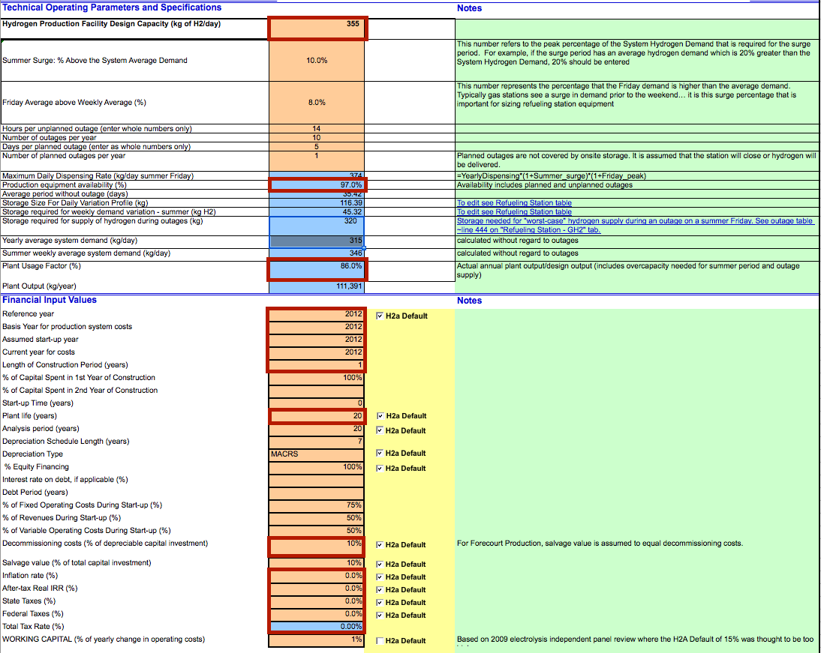

 |  | #REF! | USD/eur | USD-euro conversion ratio

 |  | 0.97 |  | Availability
 |  | 86 | % | Operating Capacity Factor
 |  | 0.86 |  | Operating Capacity Factor
 |  | 7533.6 | FLH | Full load hours

 |  | 1 | yr | construction time

 |  | 20 | yr | technical lifetime
 |  | 10 | % | of depreciable capital investment
 |  | 0.1 |  | decommissioning factor

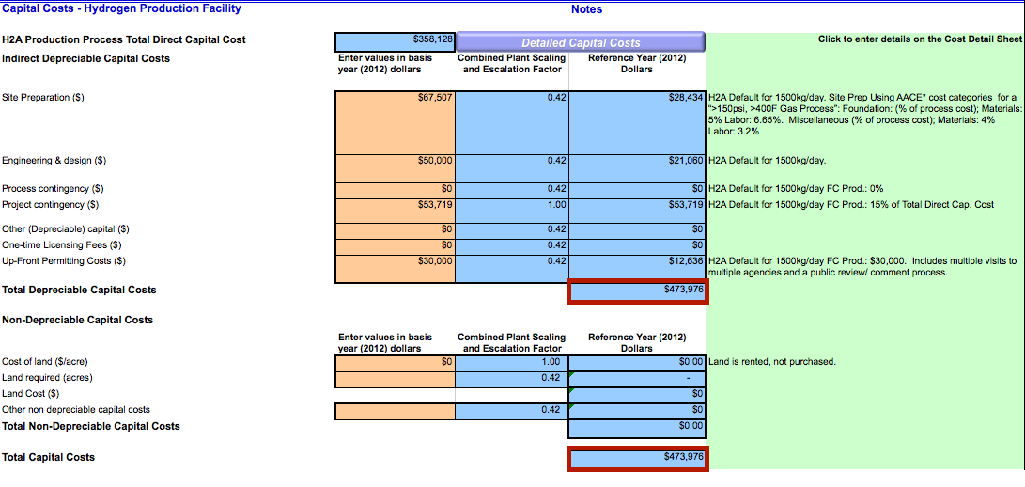

 |  | 473976 | USD | total depreciable capital costs
 |  | 431672.1311 | euro | total depreciable capital costs
 |  | 43167.21311 | euro | decommissioning costs

 |  | 0 | acres | land use per plant
 |  | 0 | km2 | land use per plant

 |  | 473976 | USD | initial investment
 |  | 431672.1311 | euro | initial investment

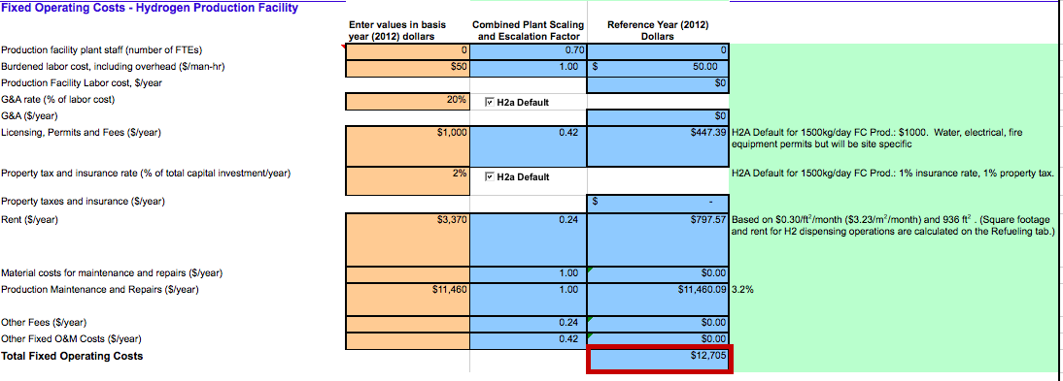

 |  | 12705 | USD/yr | fixed operating and maintenance costs per year
 |  | 11571.03825 | euro/yr | fixed operating and maintenance costs per year

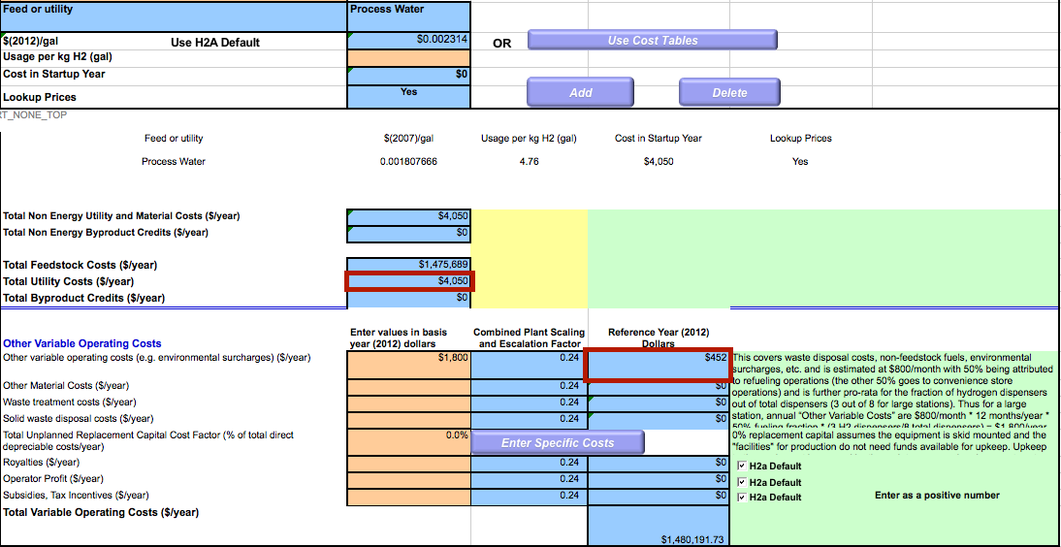

 |  | 4502 | USD/yr | variable operating and maintenance costs per year
 |  | 4100.182149 | euro/yr | variable operating and maintenance costs per year
 |  |  |  | does not include feedstock cost, as the ETM calculates that already

 |  | 0.000306366 | euro/MJ | variable operating and maintenance costs per MJ
 |  | 0.544252701 | euro/FLH | variable operating and maintenance costs per FLH

