Run 1 - 200CCU - 30M
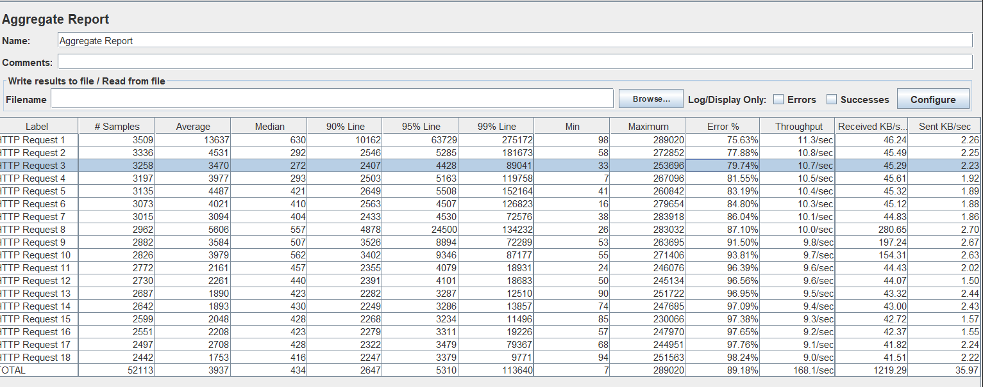
Test and Report informations
Start Time: | 9/1/2023 15:32:00 PM
End Time: | 9/1/2023 16:02:00 PM
Duration: | 30 minutes
No of CCU (concurrent users) | 200 Users
Functions | Status | Note
URL 1 | FAILED | Average Response Time is 13637 miliseconds exceeding the industry standard of 2 seconds (2000 miliseconds) and Average Throughput is 11.3/sec that lower than the industry standard of 30 hits/sec
URL 2 | FAILED | Average Response Time is 4531 miliseconds exceeding the industry standard of 2 seconds (2000 miliseconds) and Average Throughput is 10.8/sec that lower than the industry standard of 30 hits/sec
URL 3 | FAILED | Average Response Time is 3470 miliseconds exceeding the industry standard of 2 seconds (2000 miliseconds) and Average Throughput is 10.8/sec that lower than the industry standard of 30 hits/sec
URL 4 | FAILED | Average Response Time is 3977 miliseconds exceeding the industry standard of 2 seconds (2000 miliseconds) and Average Throughput is 10.8/sec that lower than the industry standard of 30 hits/sec
URL 5 | FAILED | Average Response Time is 4487 miliseconds exceeding the industry standard of 2 seconds (2000 miliseconds) and Average Throughput is 10.8/sec that lower than the industry standard of 30 hits/sec
URL 6 | FAILED | Average Response Time is 4021 miliseconds exceeding the industry standard of 2 seconds (2000 miliseconds) and Average Throughput is 10.8/sec that lower than the industry standard of 30 hits/sec
URL 7 | FAILED | Average Response Time is 3094 miliseconds exceeding the industry standard of 2 seconds (2000 miliseconds) and Average Throughput is 10.8/sec that lower than the industry standard of 30 hits/sec
URL 8 | FAILED | Average Response Time is 5606 miliseconds exceeding the industry standard of 2 seconds (2000 miliseconds) and Average Throughput is 10.7/sec that lower than the industry standard of 30 hits/sec
URL 9 | FAILED | Average Response Time exceeding the industry standard of 2 seconds (2000 miliseconds) and Average Throughput is 10.5/sec that lower than the industry standard of 30 hits/sec
URL 10 | FAILED | Average Response Time exceeding the industry standard of 2 seconds (2000 miliseconds) and Average Throughput is 10.4/sec that lower than the industry standard of 30 hits/sec
URL 11 | FAILED | Average Response Time exceeding the industry standard of 2 seconds (2000 miliseconds) and Average Throughput lower than the industry standard of 30 hits/sec
URL 12 | FAILED | Average Response Time exceeding the industry standard of 2 seconds (2000 miliseconds) and Average Throughput lower than the industry standard of 30 hits/sec
URL 13 | FAILED | Average Response Time exceeding the industry standard of 2 seconds (2000 miliseconds) and Average Throughput lower than the industry standard of 30 hits/sec
URL 14 | FAILED | Average Response Time exceeding the industry standard of 2 seconds (2000 miliseconds) and Average Throughput lower than the industry standard of 30 hits/sec
URL 15 | FAILED | Average Response Time exceeding the industry standard of 2 seconds (2000 miliseconds) and Average Throughput lower than the industry standard of 30 hits/sec
URL 16 | FAILED | Average Response Time exceeding the industry standard of 2 seconds (2000 miliseconds) and Average Throughput lower than the industry standard of 30 hits/sec
URL 17 | FAILED | Average Response Time exceeding the industry standard of 2 seconds (2000 miliseconds) and Average Throughput lower than the industry standard of 30 hits/sec
URL 18 | FAILED | Average Response Time exceeding the industry standard of 2 seconds (2000 miliseconds) and Average Throughput lower than the industry standard of 30 hits/sec

Report Deatail

