law_article
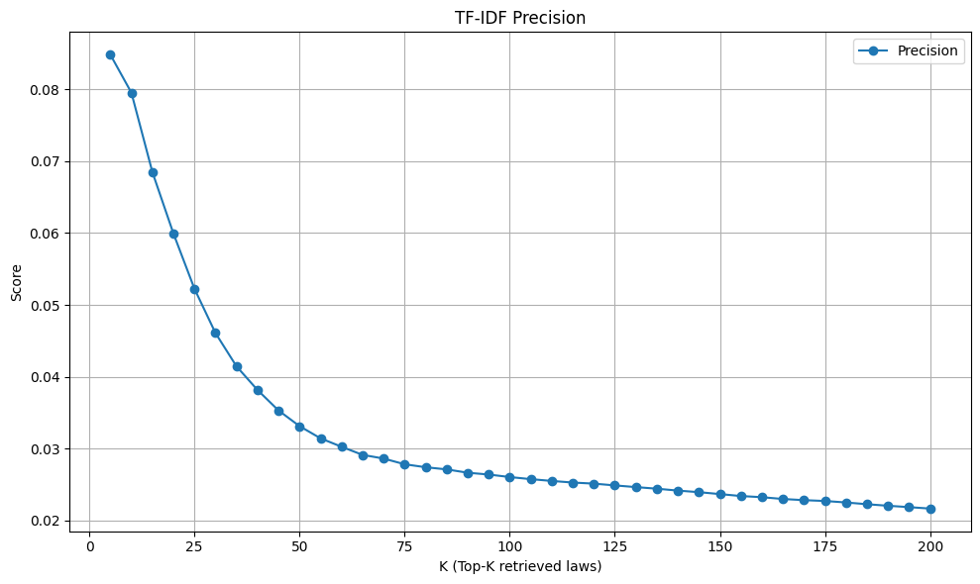
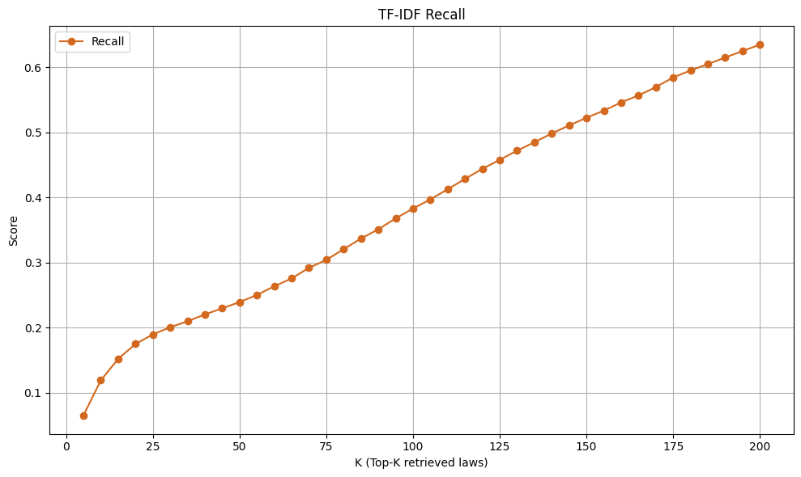
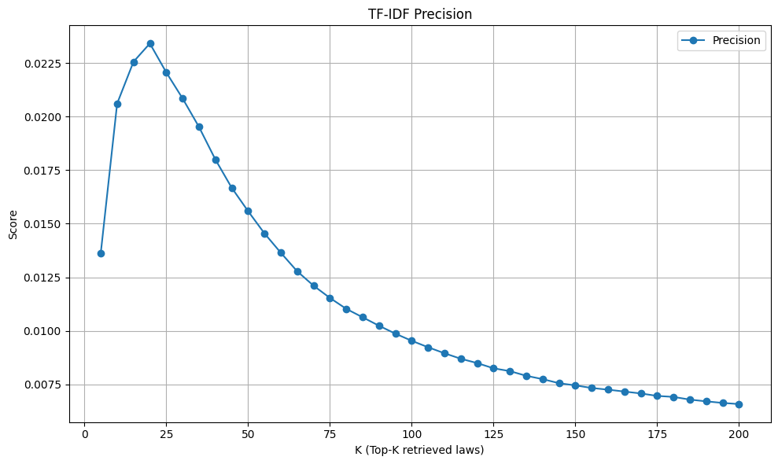
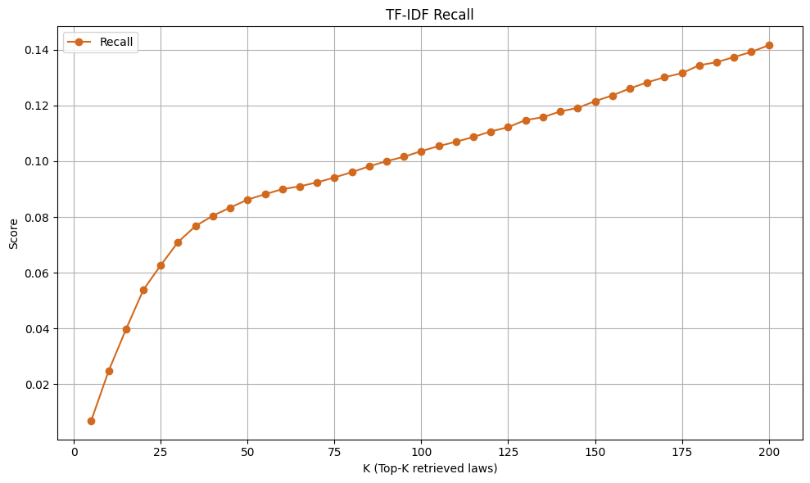
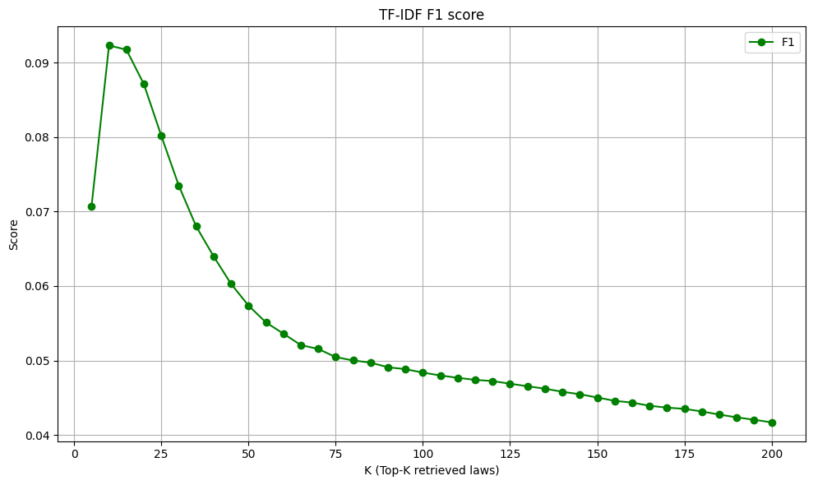
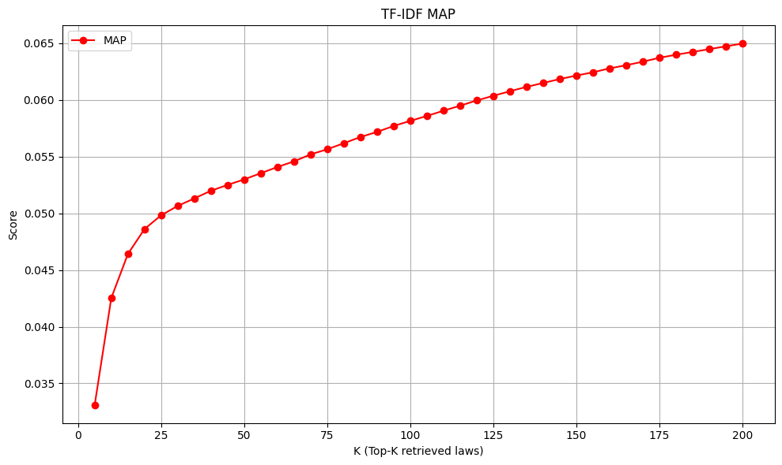
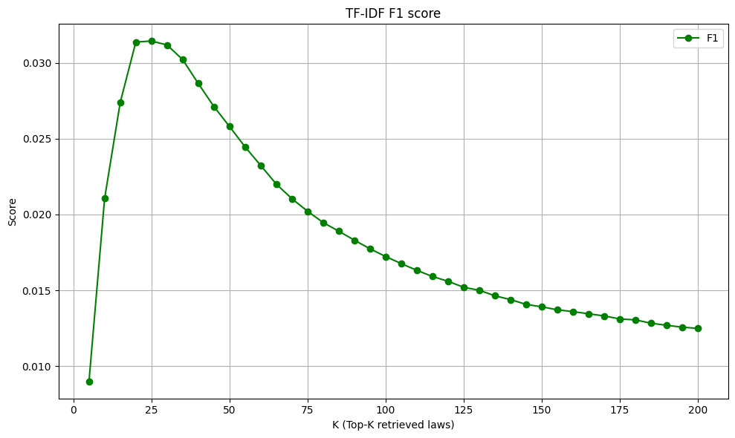
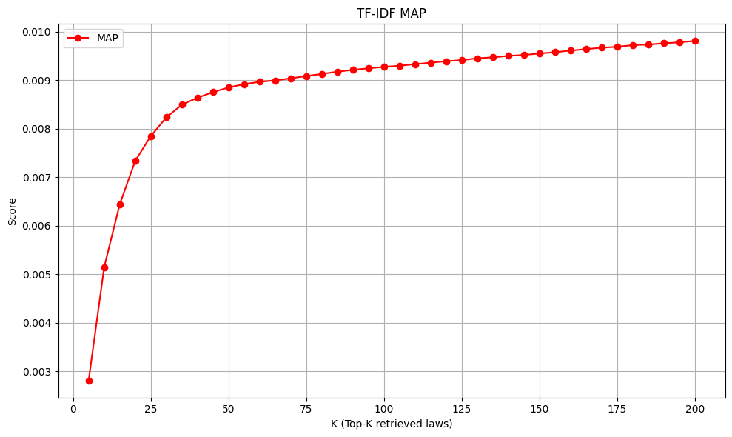
LAW_ARTICLE |  |  |  |  |  |  |  |  |  | LAW_ARTICLE_CLAUSE_POINT
Precision |  | Recall |  | F1 |  | MAP |  | Precision |  |  | Recall |  | F1 |  | MAP
topk | score | topk | score | topk | score | topk | score | topk | score |  | topk | score | topk | score | topk | score
5 | 0.084843624699 | 5 | 0.06493449636 | 5 | 0.070731606112 | 5 | 0.033102575125 | 5 | 0.013632718524 |  | 5 | 0.0069765205611 | 5 | 0.0089915812391 | 5 | 0.0028116814966
10 | 0.079550922213 | 10 | 0.11873774114 | 10 | 0.092303964347 | 10 | 0.042529226579 | 10 | 0.020609462711 |  | 10 | 0.024765279024 | 10 | 0.021049472412 | 10 | 0.0051476233193
15 | 0.06848436247 | 15 | 0.15175851614 | 15 | 0.091727975503 | 15 | 0.046415940349 | 15 | 0.022560812617 |  | 15 | 0.039722385114 | 15 | 0.027382664064 | 15 | 0.006442588941
20 | 0.059943865277 | 20 | 0.17463346263 | 20 | 0.087098047723 | 20 | 0.048613509934 | 20 | 0.023416198877 |  | 20 | 0.053864428569 | 20 | 0.031368129445 | 20 | 0.0073392025127
25 | 0.05225340818 | 25 | 0.18929399924 | 25 | 0.080160688034 | 25 | 0.049827266145 | 25 | 0.022068965517 |  | 25 | 0.062700247731 | 25 | 0.031433392441 | 25 | 0.0078499728931
30 | 0.046083934777 | 30 | 0.20034628229 | 30 | 0.073490786278 | 30 | 0.050652958025 | 30 | 0.020850040096 |  | 30 | 0.071043374576 | 30 | 0.031174197754 | 30 | 0.0082334995165
35 | 0.041448046741 | 35 | 0.20960643762 | 35 | 0.06799910432 | 35 | 0.051314316102 | 35 | 0.019521136442 |  | 35 | 0.076738746127 | 35 | 0.03020871762 | 35 | 0.0084959430206
40 | 0.038151563753 | 40 | 0.22008594965 | 40 | 0.063982120988 | 40 | 0.051990655041 | 40 | 0.018003207698 |  | 40 | 0.080454847797 | 40 | 0.028634048704 | 40 | 0.0086378589521
45 | 0.035302503787 | 45 | 0.22944461869 | 45 | 0.060279974539 | 45 | 0.052502297815 | 45 | 0.016680032077 |  | 45 | 0.08337740083 | 45 | 0.027114635986 | 45 | 0.0087533416756
50 | 0.033119486768 | 50 | 0.23900951695 | 50 | 0.057374429731 | 50 | 0.052990991117 | 50 | 0.015589414595 |  | 50 | 0.086225252025 | 50 | 0.025800863852 | 50 | 0.0088504908804
55 | 0.031420864621 | 55 | 0.24997197403 | 55 | 0.055111771201 | 55 | 0.053537053499 | 55 | 0.014551286725 |  | 55 | 0.088172417877 | 55 | 0.024450757471 | 55 | 0.0089167927051
60 | 0.03024592355 | 60 | 0.26321813155 | 60 | 0.053603257837 | 60 | 0.054082331841 | 60 | 0.013646083935 |  | 60 | 0.089977607579 | 60 | 0.023229657728 | 60 | 0.00896620486
65 | 0.029116032324 | 65 | 0.27530556297 | 65 | 0.052069123877 | 65 | 0.05458261981 | 65 | 0.012781444698 |  | 65 | 0.090992956276 | 65 | 0.021997553813 | 65 | 0.0089953601769
70 | 0.028605796769 | 70 | 0.2916160301 | 70 | 0.051549392707 | 70 | 0.055195184858 | 70 | 0.012109061748 |  | 70 | 0.092414007179 | 70 | 0.021035937335 | 70 | 0.0090381265955
75 | 0.02781074579 | 75 | 0.30383092805 | 75 | 0.050453006693 | 75 | 0.055647774438 | 75 | 0.011537022187 |  | 75 | 0.094174754146 | 75 | 0.020212009418 | 75 | 0.0090847736778
80 | 0.0273957498 | 80 | 0.32027112378 | 80 | 0.050002830686 | 80 | 0.056181631684 | 80 | 0.011026463512 |  | 80 | 0.096085695488 | 80 | 0.01946618434 | 80 | 0.0091287749741
85 | 0.027095617718 | 85 | 0.33659148813 | 85 | 0.049711805859 | 85 | 0.056725976859 | 85 | 0.010632577008 |  | 85 | 0.098178692437 | 85 | 0.018895926418 | 85 | 0.0091746006052
90 | 0.026632807627 | 90 | 0.35087028604 | 90 | 0.049090851771 | 90 | 0.057180622763 | 90 | 0.010237904304 |  | 90 | 0.10002365376 | 90 | 0.018302525982 | 90 | 0.0092118155341
95 | 0.026379099312 | 95 | 0.36752462654 | 95 | 0.048831549725 | 95 | 0.057698722275 | 95 | 0.0098678934706 |  | 95 | 0.10160235551 | 95 | 0.017737181344 | 95 | 0.0092442243259
100 | 0.026030473136 | 100 | 0.38271994757 | 100 | 0.048375162043 | 100 | 0.058151707066 | 100 | 0.0095348837209 |  | 100 | 0.10363751439 | 100 | 0.01722724871 | 100 | 0.0092735031544
105 | 0.025737961584 | 105 | 0.39677511854 | 105 | 0.047987949867 | 105 | 0.058586019013 | 105 | 0.0092335891855 |  | 105 | 0.10543005047 | 105 | 0.016759424859 | 105 | 0.0092975820766
110 | 0.025486622439 | 110 | 0.41235301943 | 110 | 0.047671447438 | 110 | 0.059047121362 | 110 | 0.0089523948385 |  | 110 | 0.10699692633 | 110 | 0.016317118479 | 110 | 0.009329174499
115 | 0.02526411213 | 115 | 0.42825545656 | 115 | 0.047395534732 | 115 | 0.059490731055 | 115 | 0.0086956521739 |  | 115 | 0.10870595451 | 115 | 0.015910034712 | 115 | 0.0093599564917
120 | 0.025113605988 | 120 | 0.44375797619 | 120 | 0.047232275649 | 120 | 0.059952272703 | 120 | 0.0084937182572 |  | 120 | 0.11067831458 | 120 | 0.01559408205 | 120 | 0.0093913650074
125 | 0.024866078589 | 125 | 0.4575847513 | 125 | 0.046878251922 | 125 | 0.060364321502 | 125 | 0.0082502004812 |  | 125 | 0.1122131181 | 125 | 0.015198317971 | 125 | 0.0094127942723
130 | 0.024631423108 | 130 | 0.47163631944 | 130 | 0.046540215281 | 130 | 0.06076403926 | 130 | 0.0081179446055 |  | 130 | 0.11477564656 | 130 | 0.014999904448 | 130 | 0.0094523299549
135 | 0.024408209332 | 135 | 0.48465535734 | 135 | 0.046211295978 | 135 | 0.061149973209 | 135 | 0.0079004425436 |  | 135 | 0.11577955515 | 135 | 0.014637409759 | 135 | 0.0094699314989
140 | 0.024143659067 | 140 | 0.49810970572 | 140 | 0.045800203067 | 140 | 0.061492872114 | 140 | 0.0077443006072 |  | 140 | 0.11786960178 | 140 | 0.014386978552 | 140 | 0.0095017037525
145 | 0.023925006222 | 145 | 0.51041223657 | 145 | 0.045464547702 | 145 | 0.06184016249 | 145 | 0.0075546829632 |  | 145 | 0.11912786225 | 145 | 0.014069651026 | 145 | 0.0095192496459
150 | 0.023656776263 | 150 | 0.52224435103 | 150 | 0.045030619762 | 150 | 0.062147207092 | 150 | 0.0074525527934 |  | 150 | 0.12153724038 | 150 | 0.013911518139 | 150 | 0.0095500997225
155 | 0.023385156634 | 155 | 0.53308923657 | 155 | 0.044582073183 | 155 | 0.062437222348 | 155 | 0.0073311431306 |  | 155 | 0.12360436446 | 155 | 0.013714707298 | 155 | 0.0095759492313
160 | 0.02322574178 | 160 | 0.54581896874 | 160 | 0.044340489109 | 160 | 0.062778908347 | 160 | 0.0072524057739 |  | 160 | 0.12610100604 | 160 | 0.013594614019 | 160 | 0.0096101103601
165 | 0.0229739253 | 165 | 0.55644552031 | 165 | 0.043919108821 | 165 | 0.063060161303 | 165 | 0.0071638599305 |  | 165 | 0.12828391806 | 165 | 0.01345331048 | 165 | 0.0096403588011
170 | 0.022812396811 | 170 | 0.56930727764 | 170 | 0.043667198721 | 170 | 0.063368788339 | 170 | 0.0070758054625 |  | 170 | 0.13011700133 | 170 | 0.013309262348 | 170 | 0.0096694407029
175 | 0.022696757933 | 175 | 0.58413219699 | 175 | 0.043501238961 | 175 | 0.063715359062 | 175 | 0.0069607056937 |  | 175 | 0.1315986599 | 175 | 0.013114096211 | 175 | 0.0096877686838
180 | 0.022489530429 | 180 | 0.59485255789 | 180 | 0.043153521754 | 180 | 0.063983095352 | 180 | 0.0069143722712 |  | 180 | 0.13442051426 | 180 | 0.01304790923 | 180 | 0.0097220681473
185 | 0.022245822406 | 185 | 0.60470123078 | 185 | 0.042733210853 | 185 | 0.064228890679 | 185 | 0.0067881835324 |  | 185 | 0.13552537705 | 185 | 0.012829001659 | 185 | 0.0097332420645
190 | 0.022031823745 | 190 | 0.61472739815 | 190 | 0.04236558972 | 190 | 0.064476205907 | 190 | 0.0067066222091 |  | 190 | 0.13735356862 | 190 | 0.012692557778 | 190 | 0.0097592059847
195 | 0.021841136677 | 195 | 0.62474445607 | 195 | 0.042038272581 | 195 | 0.064727905072 | 195 | 0.0066333559517 |  | 195 | 0.13921751253 | 195 | 0.012570234776 | 195 | 0.0097797695021
200 | 0.021639935846 | 200 | 0.63448200534 | 200 | 0.041689576304 | 200 | 0.064969576583 | 200 | 0.0065797914996 |  | 200 | 0.14160109782 | 200 | 0.012485118139 | 200 | 0.0098082761694

