law_article
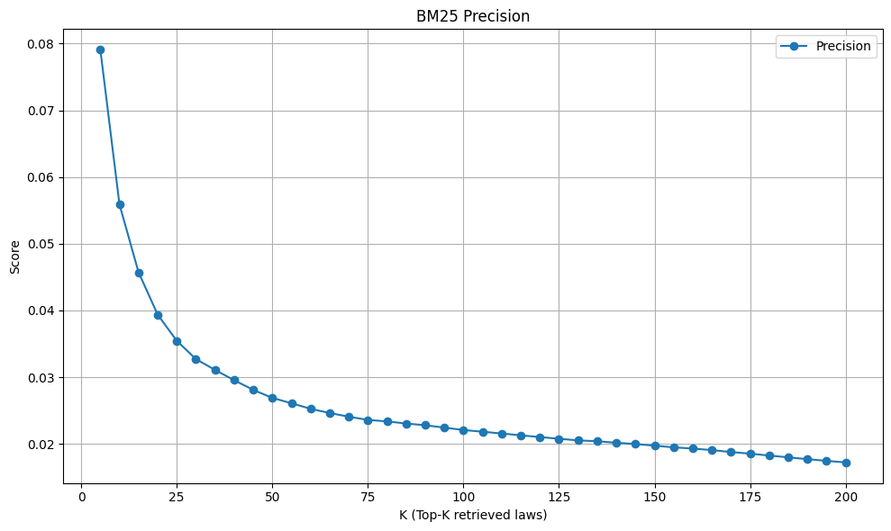
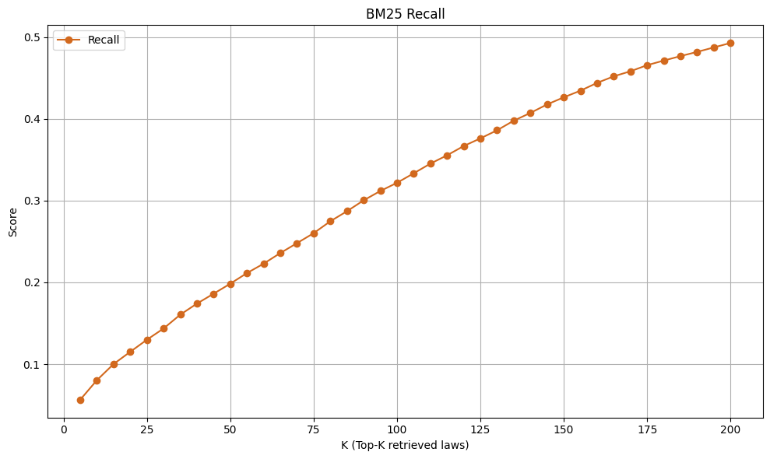
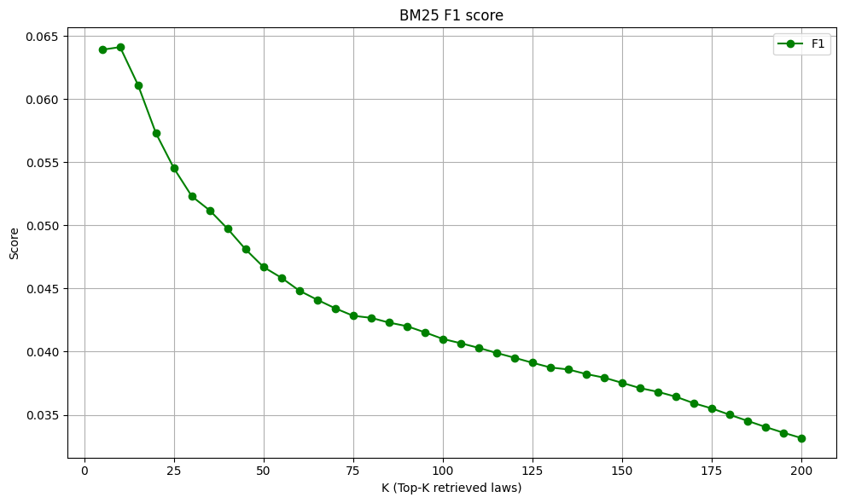
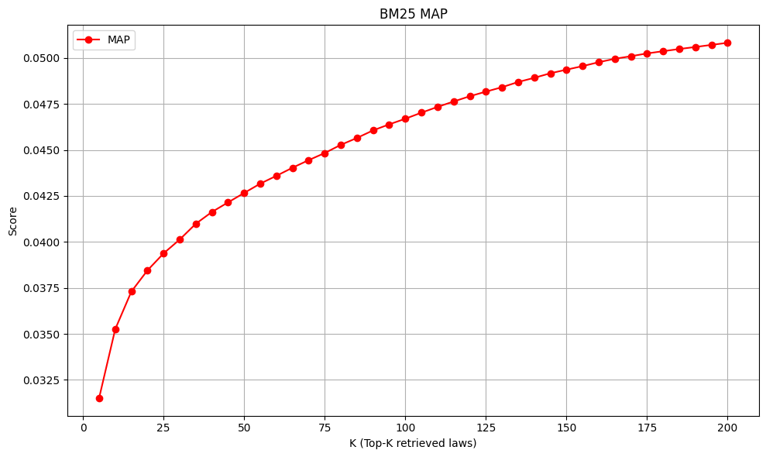
LAW_ARTICLE
Precision |  | Recall |  | F1 |  | MAP
topk | score | topk | score | topk | score | topk | score
5 | 0.079069767442 | 5 | 0.056535230563 | 5 | 0.063904666713 | 5 | 0.031516777907
10 | 0.05589414595 | 10 | 0.080404184384 | 10 | 0.064109256964 | 10 | 0.03525549157
15 | 0.045709703288 | 15 | 0.10014454827 | 15 | 0.061107478915 | 15 | 0.03729962198
20 | 0.039374498797 | 20 | 0.11509542649 | 20 | 0.05728611045 | 20 | 0.038453063839
25 | 0.035445068164 | 25 | 0.12989562563 | 25 | 0.054519736926 | 25 | 0.03937640189
30 | 0.032718524459 | 30 | 0.14363024261 | 30 | 0.052298221538 | 30 | 0.040129145915
35 | 0.031091763089 | 35 | 0.16053700376 | 35 | 0.051179250388 | 35 | 0.040985970302
40 | 0.029550922213 | 40 | 0.1740514186 | 40 | 0.049720739851 | 40 | 0.041627516806
45 | 0.028103002762 | 45 | 0.18616117243 | 45 | 0.048097229998 | 45 | 0.042148021729
50 | 0.026896551724 | 50 | 0.19839558552 | 50 | 0.046695608974 | 50 | 0.04266047188
55 | 0.026099001239 | 55 | 0.21139911167 | 55 | 0.045845856482 | 55 | 0.043167862027
60 | 0.025260625501 | 60 | 0.22288775557 | 60 | 0.04482327299 | 60 | 0.043591932499
65 | 0.024637591759 | 65 | 0.23586269384 | 65 | 0.044102437369 | 65 | 0.0440321878
70 | 0.024080650705 | 70 | 0.24797503352 | 70 | 0.043428884019 | 70 | 0.044443696093
75 | 0.023597968458 | 75 | 0.26015566675 | 75 | 0.042837208665 | 75 | 0.044831196979
80 | 0.023376102646 | 80 | 0.27474510921 | 80 | 0.042675293203 | 80 | 0.045277185728
85 | 0.023057691401 | 85 | 0.28702208978 | 85 | 0.042298524938 | 85 | 0.045651038196
90 | 0.022801390003 | 90 | 0.30035793196 | 90 | 0.042015772686 | 90 | 0.0460621056
95 | 0.022445448023 | 95 | 0.31175907315 | 95 | 0.041528352235 | 95 | 0.046389467136
100 | 0.02208500401 | 100 | 0.32177716029 | 100 | 0.041006147759 | 100 | 0.046694101129
105 | 0.021827624394 | 105 | 0.33336787845 | 105 | 0.040663057873 | 105 | 0.047025220843
110 | 0.02156448203 | 110 | 0.34518522443 | 110 | 0.040298911912 | 110 | 0.047337534795
115 | 0.021289355322 | 115 | 0.35537280037 | 115 | 0.039894919505 | 115 | 0.047633191723
120 | 0.021030473136 | 120 | 0.36672983859 | 120 | 0.039514574354 | 120 | 0.047917228295
125 | 0.020773055333 | 125 | 0.37608403581 | 125 | 0.039119105907 | 125 | 0.04816829397
130 | 0.020529270249 | 130 | 0.38597177793 | 130 | 0.038746377662 | 130 | 0.048408255014
135 | 0.020404526419 | 135 | 0.39772630137 | 135 | 0.038587868894 | 135 | 0.048691521817
140 | 0.020174132203 | 140 | 0.40720937265 | 140 | 0.038225495326 | 140 | 0.048918737242
145 | 0.019987279816 | 145 | 0.4175835347 | 145 | 0.037939834453 | 145 | 0.049165933412
150 | 0.019738037958 | 150 | 0.42629141553 | 150 | 0.037528009045 | 150 | 0.049362488539
155 | 0.019489355097 | 155 | 0.43441206281 | 155 | 0.037112482175 | 155 | 0.049554975708
160 | 0.019306335204 | 160 | 0.44393901118 | 160 | 0.036817304581 | 160 | 0.04976747794
165 | 0.019076085636 | 165 | 0.45196618182 | 165 | 0.036428204165 | 165 | 0.049954832019
170 | 0.018783904901 | 170 | 0.45815422549 | 170 | 0.035916254606 | 170 | 0.050093198059
175 | 0.01854507962 | 175 | 0.46559954013 | 175 | 0.035503686712 | 175 | 0.050244934203
180 | 0.018261605631 | 180 | 0.47122273276 | 180 | 0.035001618123 | 180 | 0.050366036725
185 | 0.017989119834 | 185 | 0.47666568039 | 185 | 0.034516888315 | 185 | 0.05048532089
190 | 0.017718313426 | 190 | 0.48184006139 | 190 | 0.034033229319 | 190 | 0.050594924909
195 | 0.01746550696 | 195 | 0.48729302752 | 195 | 0.033581152667 | 195 | 0.050709588199
200 | 0.017229350441 | 200 | 0.49272071486 | 200 | 0.03315878232 | 200 | 0.050822503034

