Regulator
Regulated voltage regulator
LP2951CD parameters
Reference Voltage | 1.235 | V
Min. output current | 1 | uA
Feedback Pin Bias Current max. | 40 | nA

Desired output voltages
V1 | 5 | V
V2 | 3.3 | V
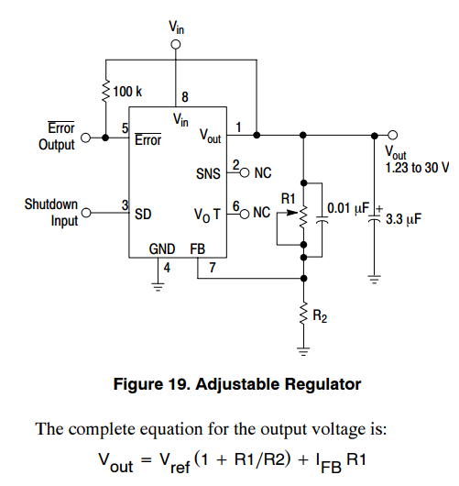
V3 | 2.7 | V
V4 | 1.8 | V

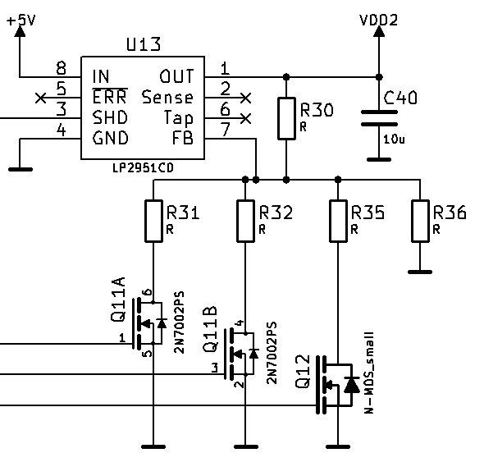
Regulator variant 1
R36 for minimum output current | 1.235 | MΩ
R36 selected | 10 | kΩ
R30 calculated | 4.5748987854 | kΩ
R30 selected | 4.7 | kΩ
Ifb error max | 0.188 | mV
R35 || R36 calculated | 1.5416998672 | kΩ
R35 calculated | 1.8227065048 | kΩ
R35 selected | 1.8 | kΩ
R32 || R36 calculated | 2.8108958838 | kΩ
R32 calculated | 3.9099390388 | kΩ
R32 selected | 3.9 | kΩ
R31 || R36 calculated | 3.962116041 | kΩ
R31 calculated | 6.56209372 | kΩ
R31 selected | 6.8 | kΩ
Output voltages
V1 | 5.0401722222 | V
V2 | 3.3037833333 | V
V3 | 2.6690529412 | V
V4 | 1.81545 | V

Regulator variant 2
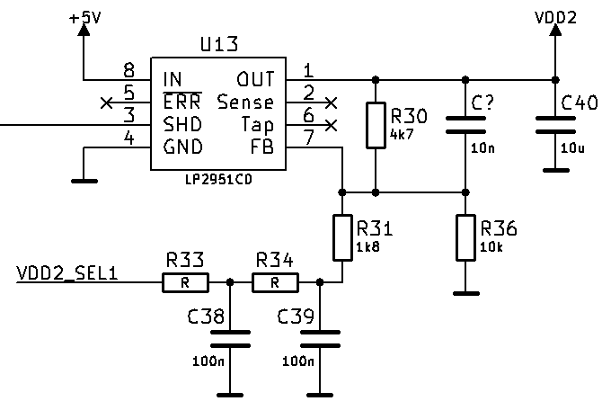
Vfb=(Vdd2/R30+Vdd2_sel/Rchain)*(R30||R36||Rchain)
Known points
Vdd2_sel | Vdd2
0 | 5 | V
3.3 | 1.8 | V
R30 selected | 100 | kΩ
Vfb | 1.235 | V
Vfb=5/R30*(R30||R36||Rchain)
Vfb=(1,8/R30+3,3/Rchain)*(R30||R36||Rchain)

(R30||R36||Rchain)=Vfb/5*R30= | 24.7 | kΩ

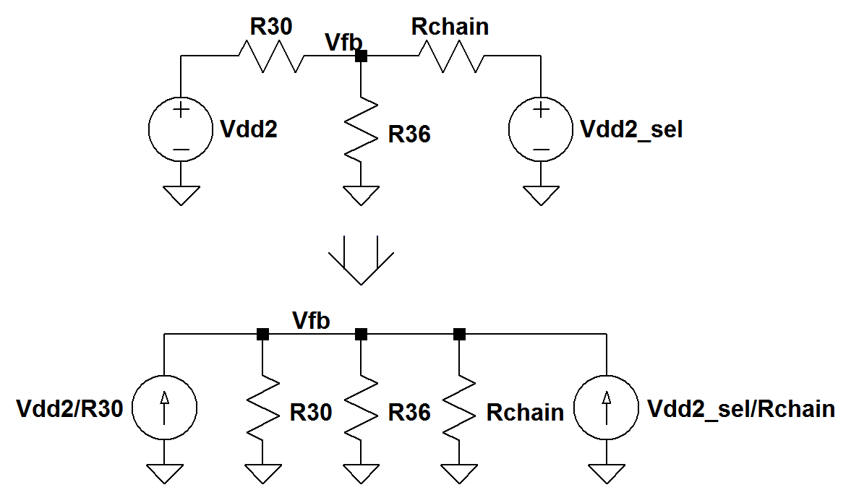
(1,8/R30+3,3/Rchain)=Vfb/(R30||R36||Rchain)
3,3/Rchain=Vfb/(R30||R36||Rchain)-1,8/R30
Rchain=3,3/(Vfb/(R30||R36||Rchain)-1,8/R30)
Rchain= | 103.125 | kΩ
R36= | 48.102685158 | kΩ
Ifb error max | 4 | mV
R36 selected | 47 | kΩ
R33 selected | 5.6 | kΩ
R34 selected | 47 | kΩ
R31 selected | 47 | kΩ
Rchain total | 99.6 | kΩ

Vdd2/R30+Vdd2_sel/Rchain=Vfb/(R30||R36||Rchain)
Vdd2=(Vfb/(R30||R36||Rchain)-Vdd2_sel/Rchain)*R30
Output voltages
V1 | 5.1026194138 | V
V4 | 1.7893664018 | V

