Other
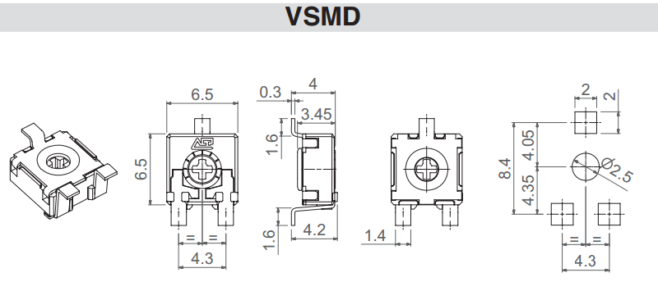
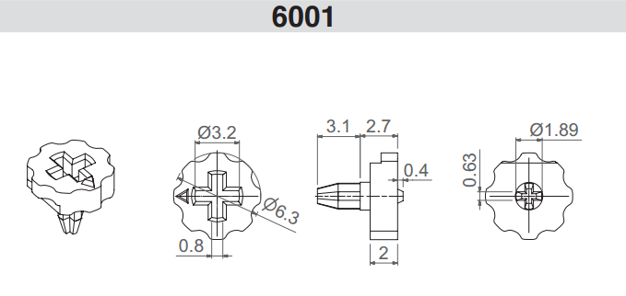
Potentiometer
Selected potentiometer is CA6XVSMD-10KA2525. It's basically a trimmer, but with longer mechanical life (1000 cycles) than standard trimmers (100 cycles). It has also a couple of safts and thumbweels available.

6001 type thumbwheel is selected to ensure that change of temperature setting is available but not too easy.

Notes
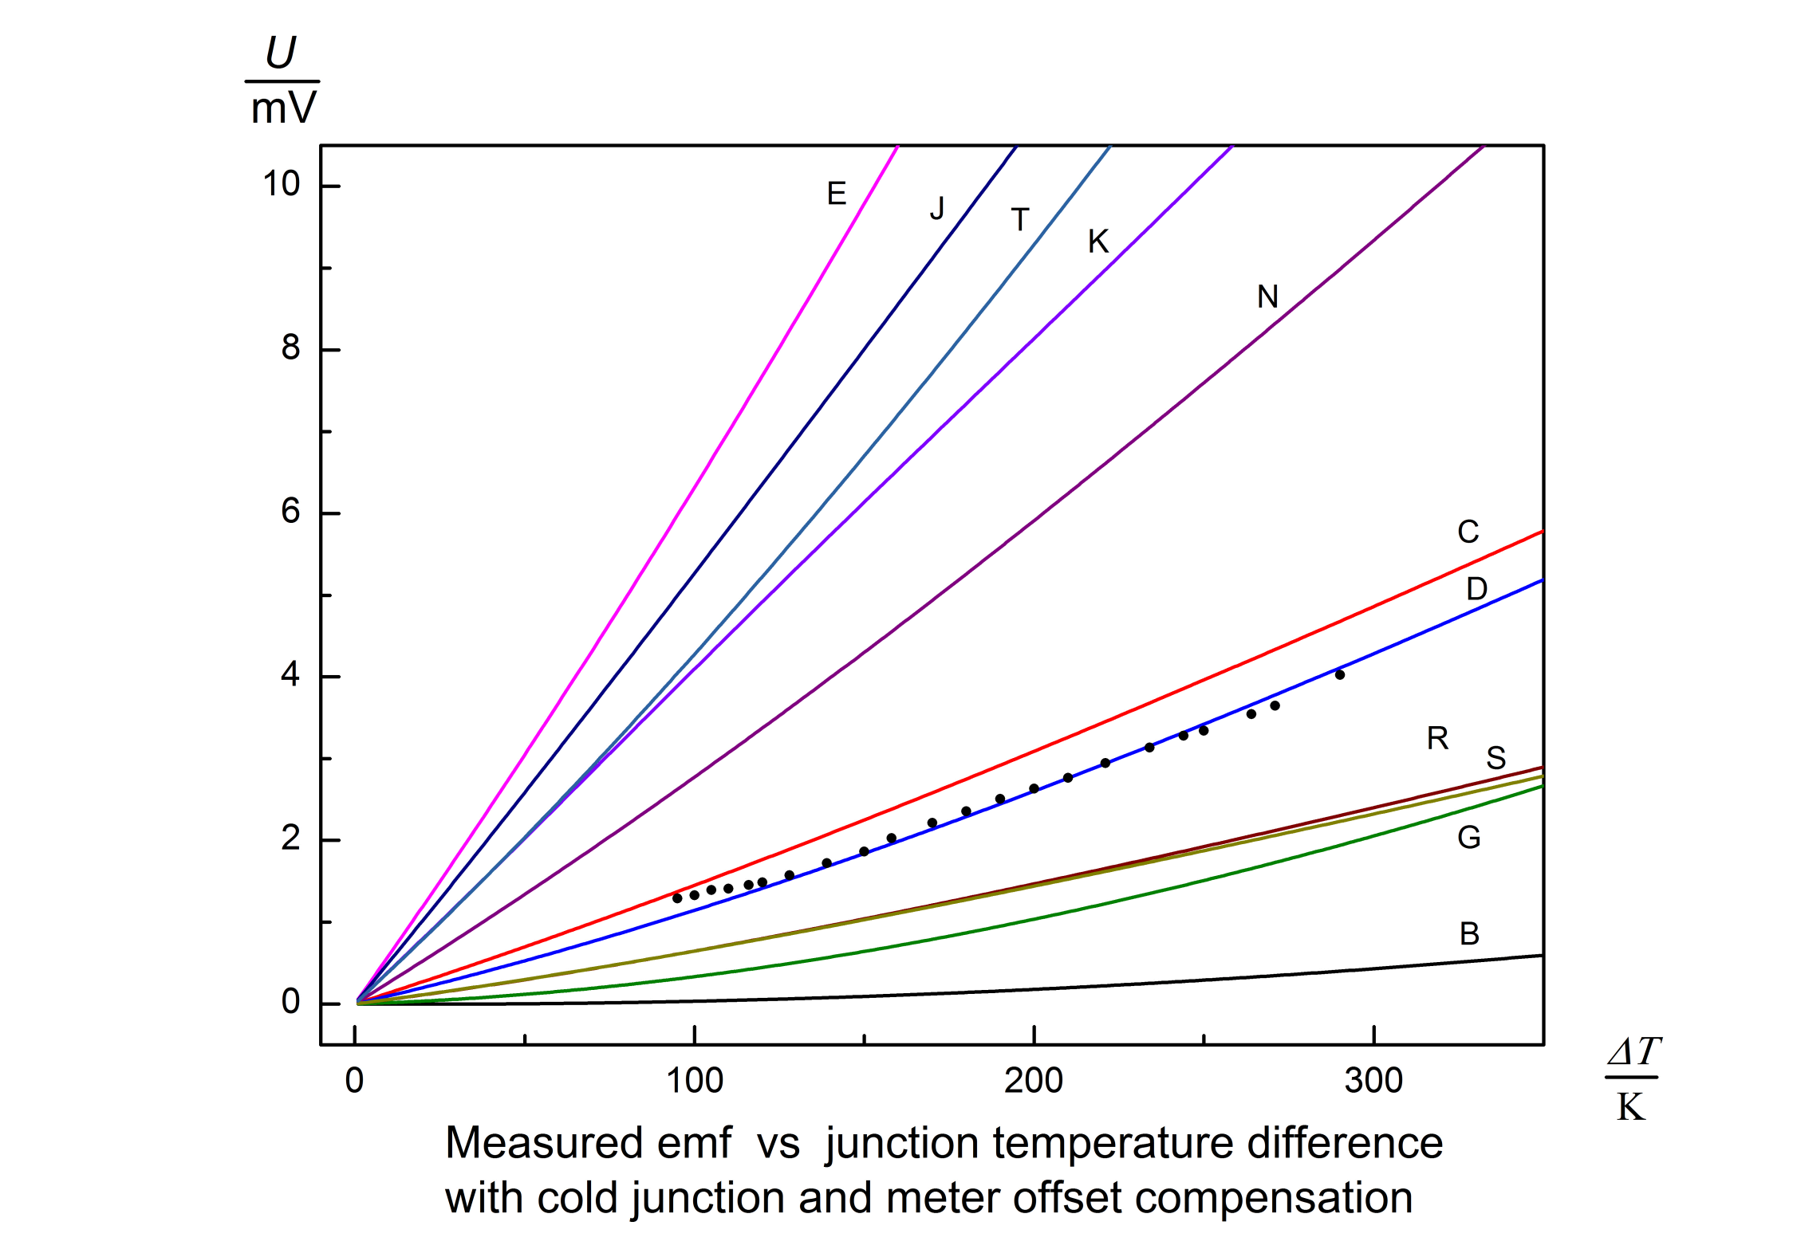
Read temperature when heater is off
Thermocouple is probably type D with cold junction compensation

