Sheet1
TUE, 24 JAN 17
 |  |  |  |  |  | FIRST 3 IMM FUTURES + ALL AVAILABLE SWAPs (AS IS) | FIRST 3 IMM FUTURES + ALL AVAILABLE SWAPs (AS IS) | FIRST 4 IMM FUTUREs + SWAP 2Y AND SWAP 3Y (TO BE 1) | FIRST 8 IMM FUTURES WITH NO SWAPs INCLUDED (TO BE 2)
 |  |  |  |  |  | WITHOUT INCLUDING REUTERS CONV.ADJ and FIRST FIXING in BASIS EXTRAP. | INCLUDING REUTERS CONV.ADJ and FIRST FIXING in BASIS EXTRAP. | INCLUDING REUTERS CONV.ADJ and FIRST FIXING in BASIS EXTRAP. | INCLUDING REUTERS CONV.ADJ and FIRST FIXING in BASIS EXTRAP.

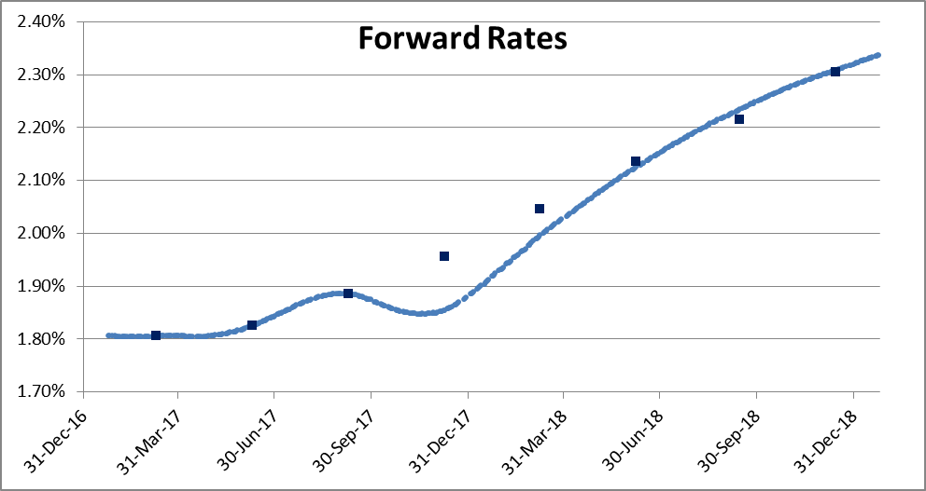
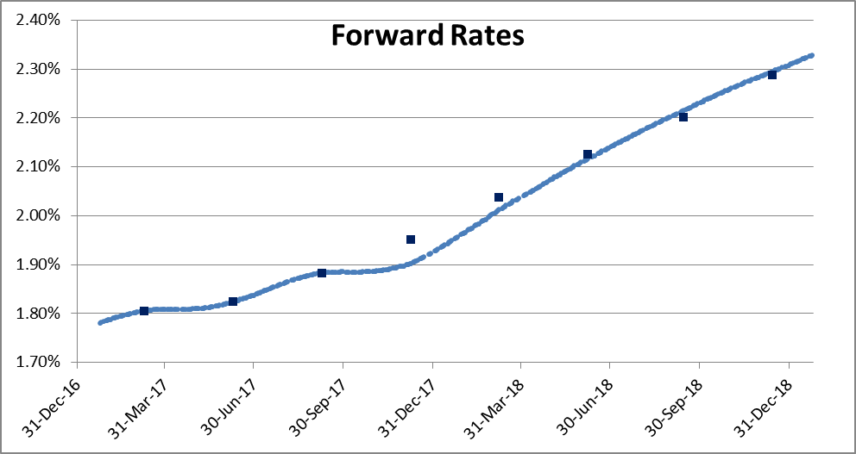
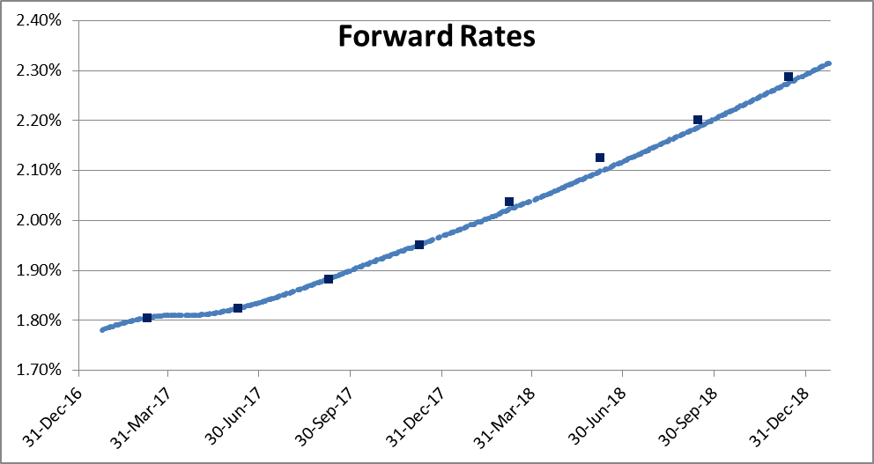
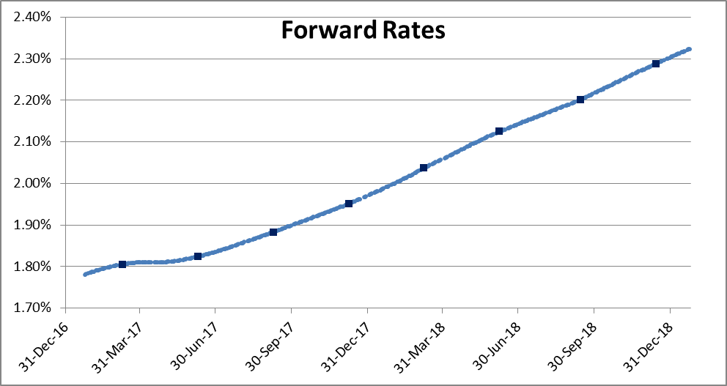
 |  | REPRICINGs (BPS)
 |  | 3 FUT + 3 SW | 3 FUT + 3 SW | 4 FUT + 2 SW | 8 FUT + 0 SW
INSTRUMUENTs |  | N0 CONV NO FIX | CONV AND FIX | CONV AND FIX | CONV AND FIX
FUT | H7 | 0.00 | 0.00 | 0.00 | 0.00
FUT | M7 | 0.00 | 0.00 | 0.00 | 0.00
FUT | U7 | 0.00 | 0.00 | 0.00 | 0.00
FUT | Z7 | -10.14 | -4.83 | 0.00 | 0.00
FUT | H8 | -4.81 | -2.47 | -1.48 | 0.00
FUT | M8 | -0.96 | -0.78 | -2.62 | 0.00
FUT | U8 | 1.82 | 1.33 | -1.52 | 0.00
FUT | Z8 | 0.28 | 0.69 | -1.30 | 0.00
SW | 1Y | 0.00 | 0.00 | 0.70 | 0.68
SW | 2Y | 0.00 | 0.00 | 0.00 | 0.80
SW | 3Y | 0.00 | 0.00 | 0.00 | 0.32

WED, 25 JAN 17
 |  |  |  |  |  | FIRST 3 IMM FUTURES + ALL AVAILABLE SWAPs (AS IS) | FIRST 3 IMM FUTURES + ALL AVAILABLE SWAPs (AS IS) | FIRST 4 IMM FUTUREs + SWAP 2Y AND SWAP 3Y (TO BE 1) | FIRST 8 IMM FUTURES WITH NO SWAPs INCLUDED (TO BE 2)
 |  |  |  |  |  | WITHOUT INCLUDING REUTERS CONV.ADJ and FIRST FIXING in BASIS EXTRAP. | INCLUDING REUTERS CONV.ADJ and FIRST FIXING in BASIS EXTRAP. | INCLUDING REUTERS CONV.ADJ and FIRST FIXING in BASIS EXTRAP. | INCLUDING REUTERS CONV.ADJ and FIRST FIXING in BASIS EXTRAP.

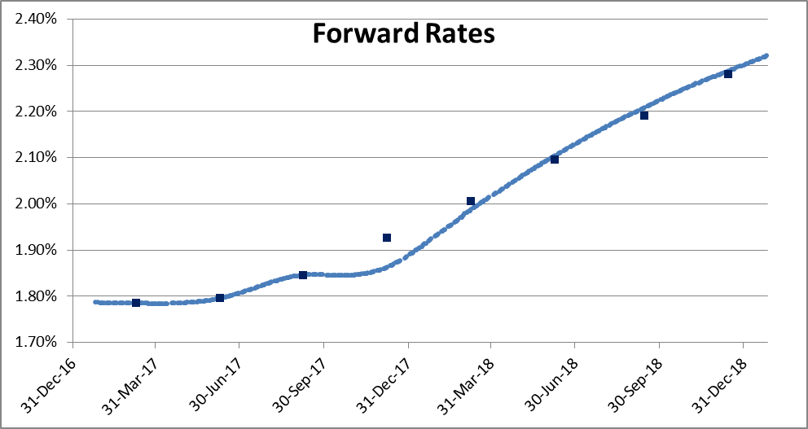
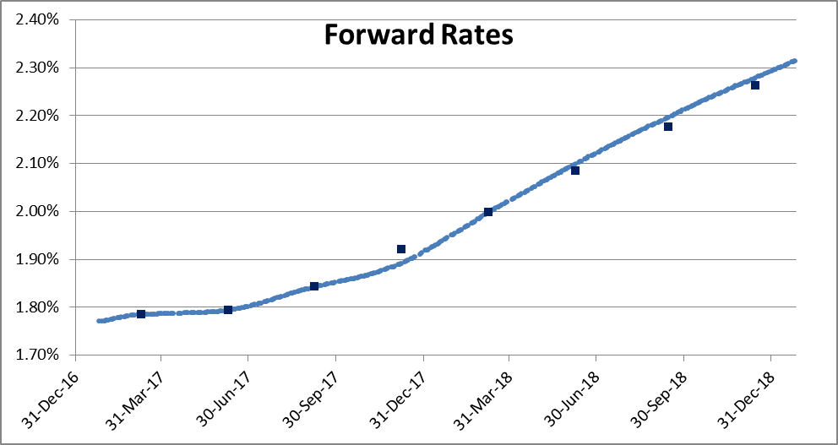
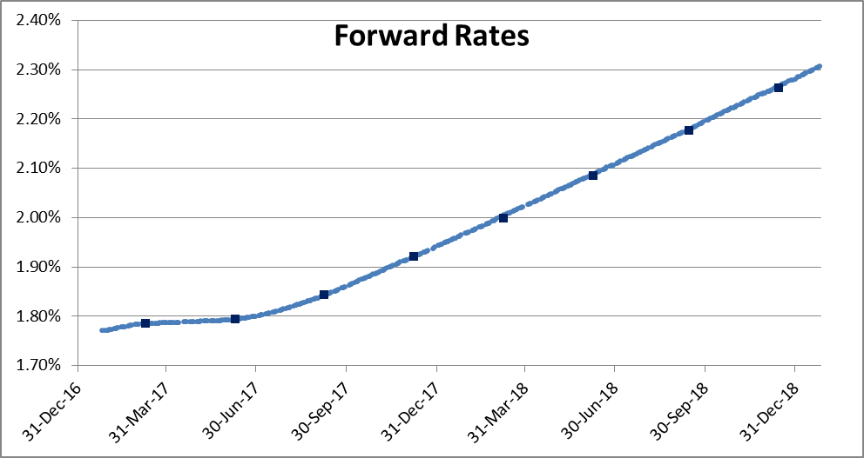

 |  | REPRICINGs (BPS)
 |  | 3 FUT + 3 SW | 3 FUT + 3 SW | 4 FUT + 2 SW | 8 FUT + 0 SW
INSTRUMUENTs |  | N0 CONV NO FIX | CONV AND FIX | CONV AND FIX | CONV AND FIX
FUT | H7 | 0.00 | 0.00 | 0.00 | 0.00
FUT | M7 | 0.00 | 0.00 | 0.00 | 0.00
FUT | U7 | 0.00 | 0.00 | 0.00 | 0.00
FUT | Z7 | -6.34 | -2.88 | 0.00 | 0.00
FUT | H8 | -1.70 | 0.11 | 0.75 | 0.00
FUT | M8 | 0.87 | 1.45 | 0.38 | 0.00
FUT | U8 | 1.74 | 2.00 | 0.29 | 0.00
FUT | Z8 | 0.65 | 1.59 | 0.37 | 0.00
SW | 1Y | 0.00 | 0.00 | 0.44 | 0.46
SW | 2Y | 0.00 | 0.00 | 0.00 | -0.20
SW | 3Y | 0.00 | 0.00 | 0.00 | -0.16

FRI, 27 JAN 17
 |  |  |  |  |  | FIRST 3 IMM FUTURES + ALL AVAILABLE SWAPs (AS IS) | FIRST 3 IMM FUTURES + ALL AVAILABLE SWAPs (AS IS) | FIRST 4 IMM FUTUREs + SWAP 2Y AND SWAP 3Y (TO BE 1) | FIRST 8 IMM FUTURES WITH NO SWAPs INCLUDED (TO BE 2)
 |  |  |  |  |  | WITHOUT INCLUDING REUTERS CONV.ADJ and FIRST FIXING in BASIS EXTRAP. | INCLUDING REUTERS CONV.ADJ and FIRST FIXING in BASIS EXTRAP. | INCLUDING REUTERS CONV.ADJ and FIRST FIXING in BASIS EXTRAP. | INCLUDING REUTERS CONV.ADJ and FIRST FIXING in BASIS EXTRAP.

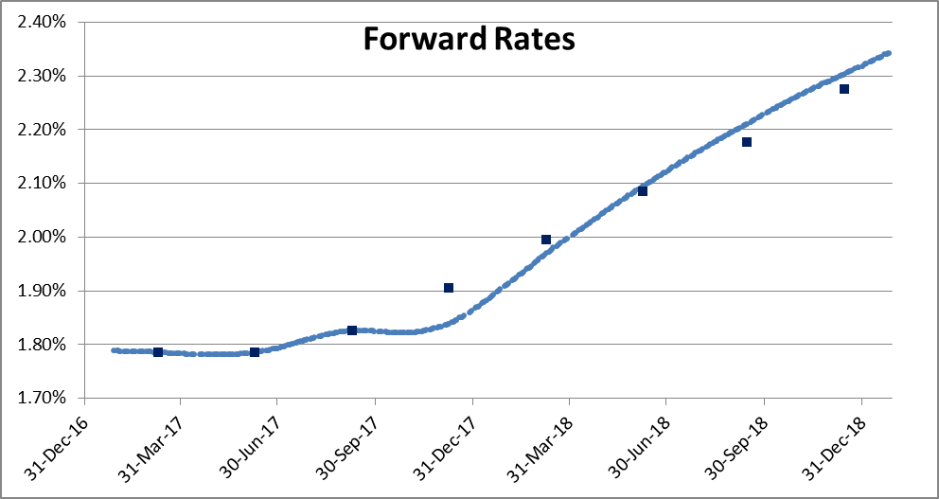
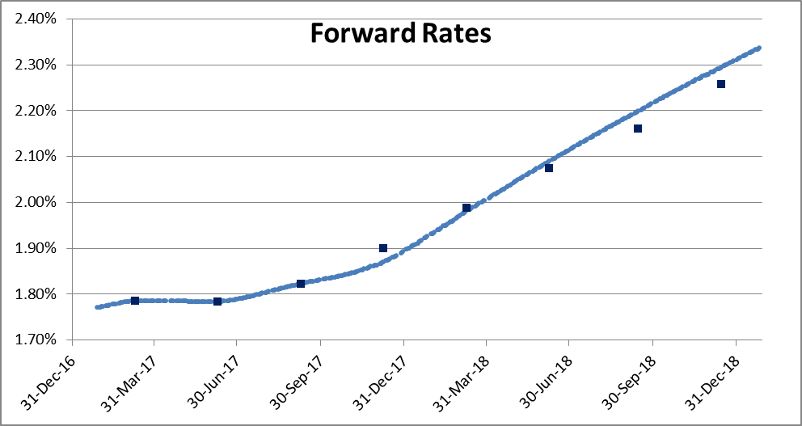
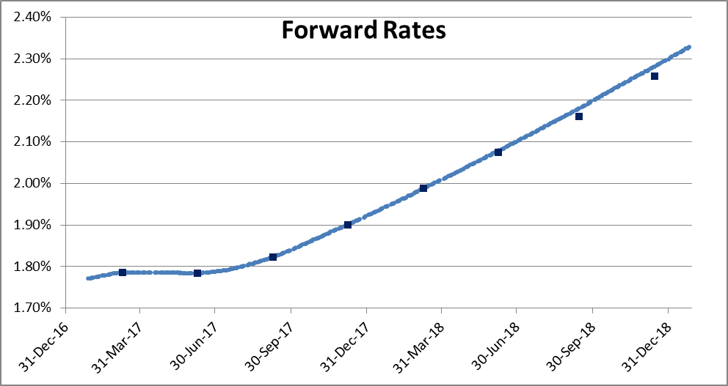
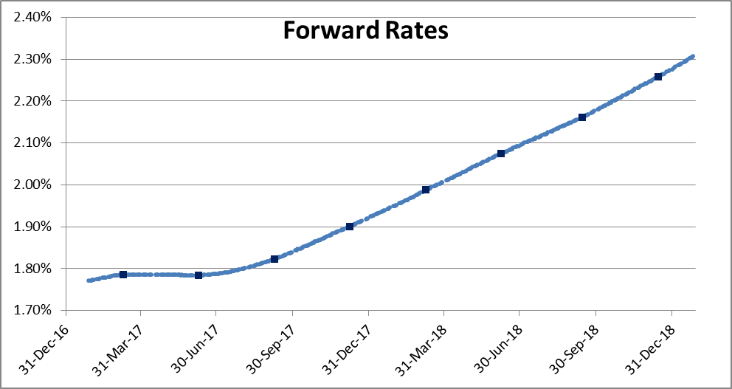
 |  | REPRICINGs (BPS)
 |  | 3 FUT + 3 SW | 3 FUT + 3 SW | 4 FUT + 2 SW | 8 FUT + 0 SW
INSTRUMUENTs |  | N0 CONV NO FIX | CONV AND FIX | CONV AND FIX | CONV AND FIX
FUT | H7 | 0.00 | 0.00 | 0.00 | 0.00
FUT | M7 | 0.00 | 0.00 | 0.00 | 0.00
FUT | U7 | 0.00 | 0.00 | 0.00 | 0.00
FUT | Z7 | -6.70 | -3.07 | 0.00 | 0.00
FUT | H8 | -2.49 | -0.60 | 0.11 | 0.00
FUT | M8 | 0.97 | 1.52 | 0.39 | 0.00
FUT | U8 | 3.52 | 3.71 | 1.89 | 0.00
FUT | Z8 | 2.77 | 3.64 | 2.32 | 0.00
SW | 1Y | 0.00 | 0.00 | 0.48 | 0.48
SW | 2Y | 0.00 | 0.00 | 0.00 | -0.45
SW | 3Y | 0.00 | 0.00 | 0.00 | -0.61

MON, 30 JAN 17
 |  |  |  |  |  | FIRST 3 IMM FUTURES + ALL AVAILABLE SWAPs (AS IS) | FIRST 3 IMM FUTURES + ALL AVAILABLE SWAPs (AS IS) | FIRST 4 IMM FUTUREs + SWAP 2Y AND SWAP 3Y (TO BE 1) | FIRST 8 IMM FUTURES WITH NO SWAPs INCLUDED (TO BE 2)
 |  |  |  |  |  | WITHOUT INCLUDING REUTERS CONV.ADJ and FIRST FIXING in BASIS EXTRAP. | INCLUDING REUTERS CONV.ADJ and FIRST FIXING in BASIS EXTRAP. | INCLUDING REUTERS CONV.ADJ and FIRST FIXING in BASIS EXTRAP. | INCLUDING REUTERS CONV.ADJ and FIRST FIXING in BASIS EXTRAP.
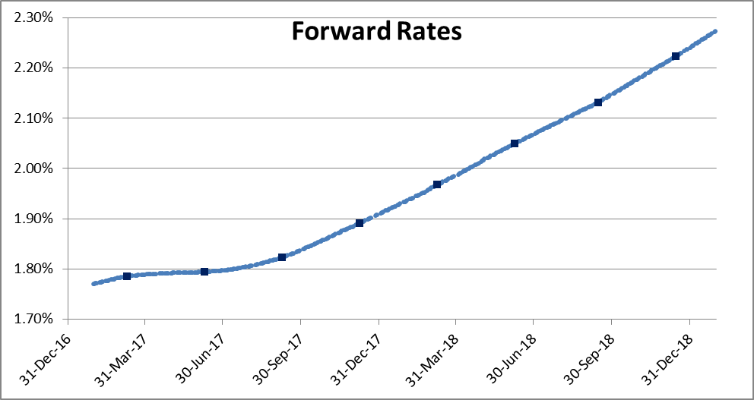
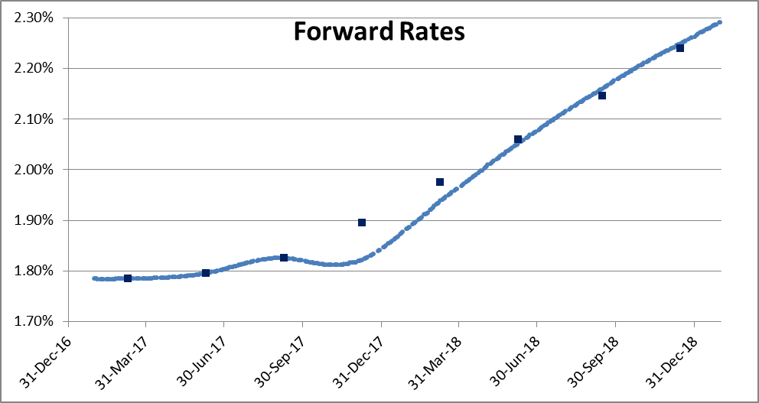
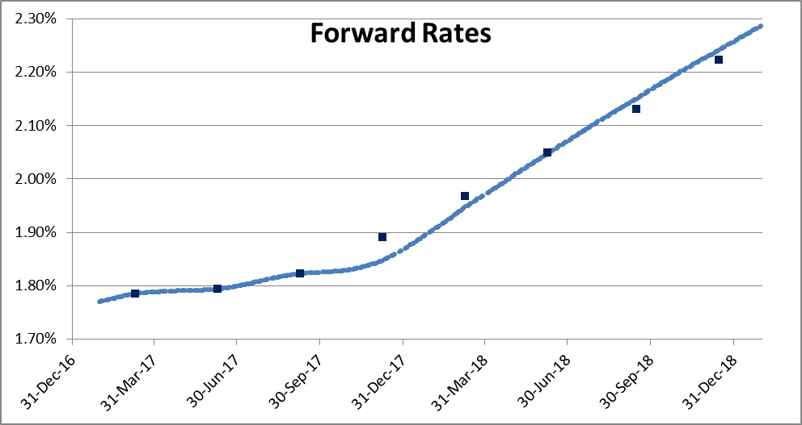
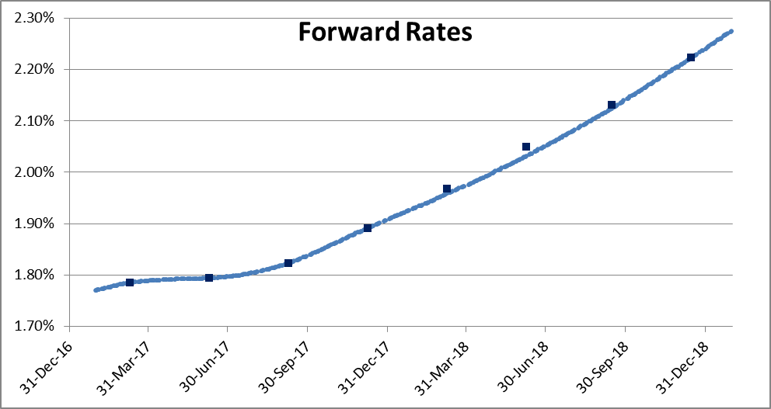
 |  | REPRICINGs (BPS)
 |  | 3 FUT + 3 SW | 3 FUT + 3 SW | 4 FUT + 2 SW | 8 FUT + 0 SW
INSTRUMUENTs |  | N0 CONV NO FIX | CONV AND FIX | CONV AND FIX | CONV AND FIX
FUT | H7 | 0.00 | 0.00 | 0.00 | 0.00
FUT | M7 | 0.00 | 0.00 | 0.00 | 0.00
FUT | U7 | 0.00 | 0.00 | 0.00 | 0.00
FUT | Z7 | -7.38 | -4.35 | 0.00 | 0.00
FUT | H8 | -3.70 | -2.02 | -0.91 | 0.00
FUT | M8 | -0.85 | -0.19 | -1.79 | 0.00
FUT | U8 | 1.42 | 1.84 | -0.81 | 0.00
FUT | Z8 | 0.80 | 1.83 | -0.11 | 0.00
SW | 1Y | 0.00 | 0.00 | 0.68 | 0.66
SW | 2Y | 0.00 | 0.00 | 0.00 | 0.46
SW | 3Y | 0.00 | 0.00 | 0.00 | 0.12

