Fwd-Spot
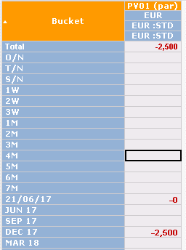
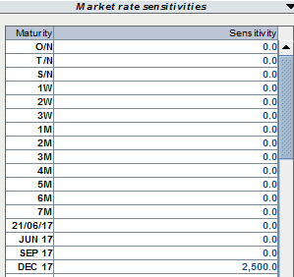
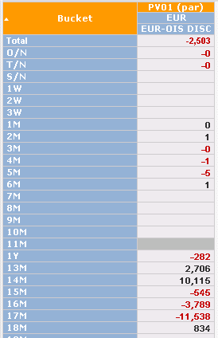
"DEC 17" FUTURES, Remapping from original EUR3M curve to an OIS curve structure (only spot starting instruments)
MX2 correctly separates the sens on the pillars surrounding Futures start and end dates. MX3 only cares about futures end date.

Original sens with EUR3M curve |  |  |  |  | Generator | Maturity date | Maturity | GOOD = MX2 | BAD = MX3
Generator | Maturity date | Maturity | EUR 3M |  | DEP_EURON_C_BIS | 2016-07-01 | O/N | -
DEP_EUR3M_FOL_C | 2016-07-05 | S/N | (0.00) |  | DEP_EURON_C_BIS | 2016-07-04 | T/N | 0.01
DEP_EUR3M_FOL_C | 2016-07-11 | 1W | - |  | DEP_EURON_C_BIS | 2016-07-05 | S/N | -
DEP_EUR3M_FOL_C | 2016-07-18 | 2W | - |  | SWP_EURON_C | 2016-07-11 | 1W | -
DEP_EUR3M_FOL_C | 2016-07-25 | 3W | - |  | SWP_EURON_C | 2016-07-18 | 2W | -
DEP_EUR3M_C | 2016-08-04 | 1M | (0.00) |  | SWP_EURON_C | 2016-07-25 | 3W | -
DEP_EUR3M_C | 2016-09-05 | 2M | (0.00) |  | SWP_EURON_C | 2016-08-04 | 1M | -
DEP_EUR3M_C | 2016-10-04 | 3M | (0.00) |  | SWP_EURON_C | 2016-09-05 | 2M | -
FRA_EUR3M_C | 2016-11-04 | 1M-4M | (0.00) |  | SWP_EURON_C | 2016-10-04 | 3M | -
FRA_EUR3M_C | 2016-12-05 | 2M-5M | (0.00) | ==> | SWP_EURON_C | 2016-11-04 | 4M | (0.30)
FRA_EUR3M_C | 2017-01-04 | 3M-6M | (0.00) |  | SWP_EURON_C | 2016-12-05 | 5M | 4.50
FRA_EUR3M_C | 2017-02-06 | 4M-7M | 0.00 |  | SWP_EURON_C | 2017-01-04 | 6M | 6.81
FRA_EUR3M_C | 2017-03-06 | 5M-8M | (0.00) |  | SWP_EURON_C | 2017-02-06 | 7M | 0.27
FRA_EUR3M_C | 2017-04-04 | 6M-9M | (0.00) |  | SWP_EURON_C | 2017-03-06 | 8M | (12.27)
FRA_EUR3M_C | 2017-05-08 | 7M-10M | 0.00 |  | SWP_EURON_C | 2017-04-04 | 9M | (15.31)
FRA_EUR3M_C | 2017-06-06 | 8M-11M | (0.00) |  | SWP_EURON_C | 2017-05-04 | 10M | 2.12
FRA_EUR3M_C | 2017-07-04 | 9M-12M | (0.00) |  | SWP_EURON_C | 2017-06-05 | 11M | -
FRA_EUR3M_C | 2017-08-04 | 10M-13M | 0.00 |  | SWP_EURON_C | 2017-07-04 | 1Y | -
FRA_EUR3M_C | 2017-09-05 | 11M-14M | (0.00) |  | SWP_EURON_C | 2017-08-04 | 13M | -
FRA_EUR3M_C | 2017-10-04 | 12M-15M | (0.00) |  | SWP_EURON_C | 2017-09-04 | 14M | -
FUT_EUR3M_CL_C | 2017-12-20 | SEP 17 | (0.00) |  | SWP_EURON_C | 2017-10-04 | 15M | -
FUT_EUR3M_CL_C | 2018-03-20 | DEC 17 | (2,500.00) |  | SWP_EURON_C | 2017-11-06 | 16M | (771.90)
FUT_EUR3M_CL_C | 2018-06-21 | Mar-18 | - |  | SWP_EURON_C | 2017-12-04 | 17M | 7,786.20
FUT_EUR3M_CL_C | 2018-09-20 | JUN 18 | - |  | SWP_EURON_C | 2018-01-04 | 18M | 8,679.11
FUT_EUR3M_CL_C | 2018-12-19 | SEP 18 | - |  | SWP_EURON_C | 2018-02-05 | 19M | 262.10
FUT_EUR3M_CL_C | 2019-03-19 | DEC 18 | - |  | SWP_EURON_C | 2018-03-05 | 20M | (9,620.74) | (1,250.00)
 |  |  |  |  | SWP_EURON_C | 2018-04-04 | 21M | (10,002.42) | (1,250.00)
 |  |  |  |  | SWP_EURON_C | 2018-05-04 | 22M | 1,170.40
 |  |  |  |  | SWP_EURON_C | 2018-06-04 | 23M | -
 |  |  |  |  | SWP_EURON_C | 2018-07-04 | 2Y | -
 |  |  |  |  | SWP_EURON_C | 2019-07-04 | 3Y | -

Murex tests on NISSA vs. SVIL16
FUT_EUR3M_CL_C
MXG2000 | 40532487 | trn
MX3 | 8968324 | cnt

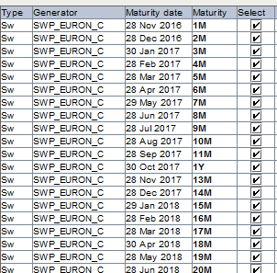
1. BREAKDOWN EUR STD |  |  |  |  |  |  |  | MX.3 Project on EUR OIS |  | MXG2000 Project on EUR OIS
MX.3 |  |  |  | MX2000

Fwd-Fwd
"DEC 17" FUTURES, Remapping from original EUR3M curve to a EUR6M curve structure (many forward starting instruments)
MX2 correctly remaps the sens on all pillars affecting discounts at futures start and end dates, MX3 only cares about futures end date.

Original sens with EUR3M curve |  |  |  |  | Generator | Maturity date | Maturity | GOOD = MX2 | BAD = MX3
Generator | Maturity date | Maturity | EUR 3M |  | DEP_EUR6M_FOL_C | 2016-07-05 | S/N | (0.02)
DEP_EUR3M_FOL_C | 2016-07-05 | S/N | (0.00) |  | DEP_EUR6M_FOL_C | 2016-07-11 | 1W | -
DEP_EUR3M_FOL_C | 2016-07-11 | 1W | - |  | DEP_EUR6M_FOL_C | 2016-07-18 | 2W | -
DEP_EUR3M_FOL_C | 2016-07-18 | 2W | - |  | DEP_EUR6M_FOL_C | 2016-07-25 | 3W | -
DEP_EUR3M_FOL_C | 2016-07-25 | 3W | - |  | DEP_EUR6M_C | 2016-08-04 | 1M | (13.16)
DEP_EUR3M_C | 2016-08-04 | 1M | (0.00) |  | DEP_EUR6M_C | 2016-09-05 | 2M | (976.45)
DEP_EUR3M_C | 2016-09-05 | 2M | (0.00) |  | DEP_EUR6M_C | 2016-10-04 | 3M | (1,361.20)
DEP_EUR3M_C | 2016-10-04 | 3M | (0.00) |  | DEP_EUR6M_C | 2016-11-04 | 4M | (119.46)
FRA_EUR3M_C | 2016-11-04 | 1M-4M | (0.00) | ==> | DEP_EUR6M_C | 2016-12-05 | 5M | 2,604.19
FRA_EUR3M_C | 2016-12-05 | 2M-5M | (0.00) |  | DEP_EUR6M_C | 2017-01-04 | 6M | 2,721.31
FRA_EUR3M_C | 2017-01-04 | 3M-6M | (0.00) |  | FRA_EUR6M_C | 2017-02-06 | 1M-7M | (79.05)
FRA_EUR3M_C | 2017-02-06 | 4M-7M | 0.00 |  | FRA_EUR6M_C | 2017-03-06 | 2M-8M | (2,822.91)
FRA_EUR3M_C | 2017-03-06 | 5M-8M | (0.00) |  | FRA_EUR6M_C | 2017-04-04 | 3M-9M | (2,694.52)
FRA_EUR3M_C | 2017-04-04 | 6M-9M | (0.00) |  | FRA_EUR6M_C | 2017-05-04 | 4M-10M | (175.88)
FRA_EUR3M_C | 2017-05-08 | 7M-10M | 0.00 |  | FRA_EUR6M_C | 2017-06-05 | 5M-11M | 3,078.79
FRA_EUR3M_C | 2017-06-06 | 8M-11M | (0.00) |  | FRA_EUR6M_C | 2017-07-04 | 6M-12M | 2,677.50
FRA_EUR3M_C | 2017-07-04 | 9M-12M | (0.00) |  | FRA_EUR6M_C | 2017-08-07 | 7M-13M | (77.36)
FRA_EUR3M_C | 2017-08-04 | 10M-13M | 0.00 |  | FRA_EUR6M_C | 2017-09-06 | 8M-14M | (2,854.36)
FRA_EUR3M_C | 2017-09-05 | 11M-14M | (0.00) |  | FRA_EUR6M_C | 2017-10-04 | 9M-15M | (2,709.61)
FRA_EUR3M_C | 2017-10-04 | 12M-15M | (0.00) |  | FRA_EUR6M_C | 2017-11-06 | 10M-16M | (180.76)
FUT_EUR3M_CL_C | 2017-12-20 | SEP 17 | (0.00) |  | FRA_EUR6M_C | 2017-12-05 | 11M-17M | 3,096.01
FUT_EUR3M_CL_C | 2018-03-20 | DEC 17 | (2,500.00) |  | FRA_EUR6M_C | 2018-01-04 | 12M-18M | 2,716.81
FUT_EUR3M_CL_C | 2018-06-21 | Mar-18 | - |  | FRA_EUR6M_C | 2018-02-05 | 13M-19M | 24.58
FUT_EUR3M_CL_C | 2018-09-20 | JUN 18 | - |  | FRA_EUR6M_C | 2018-03-05 | 14M-20M | (2,817.80) | (1,250.00)
FUT_EUR3M_CL_C | 2018-12-19 | SEP 18 | - |  | FRA_EUR6M_C | 2018-04-04 | 15M-21M | (2,796.93) | (1,250.00)
FUT_EUR3M_CL_C | 2019-03-19 | DEC 18 | - |  | FRA_EUR6M_C | 2018-05-07 | 16M-22M | 260.41

Murex tests on NISSA vs. SVIL16
FUT_EUR3M_CL_C
MXG2000 | 40,532,484 | trn | 40532487
MX3 | 8968324 | cnt

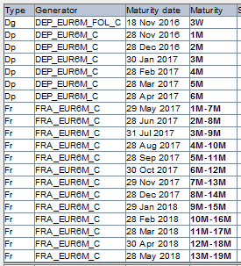
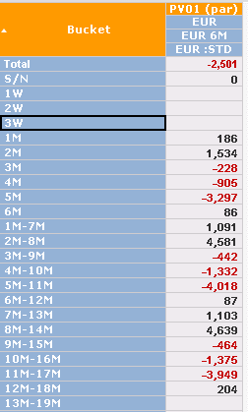
1. BREAKDOWN EUR STD |  |  |  |  |  |  |  | MX.3 Project on EUR 6M |  |  | MXG2000 Project on EUR 6M
MX.3 |  |  |  | MX2000
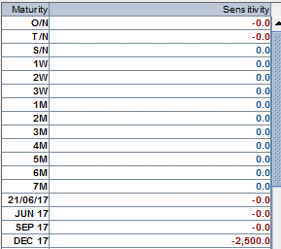

 |  |  |  |  |  |  |  |  | DV01 MXG200 | DV01 MX.3
 |  |  |  |  |  |  |  | S/N | 0.01 | 0.02
 |  |  |  |  |  |  |  | 1W | -
 |  |  |  |  |  |  |  | 2W | -
 |  |  |  |  |  |  |  | 3W | -
 |  |  |  |  |  |  |  | 1M | 193.42 | 185.63
 |  |  |  |  |  |  |  | 2M | 1,516.53 | 1,534.31
 |  |  |  |  |  |  |  | 3M | -211.93 | -228.31
 |  |  |  |  |  |  |  | 4M | -914.85 | -904.98
 |  |  |  |  |  |  |  | 5M | -3,293.09 | -3,296.84
 |  |  |  |  |  |  |  | 6M | 71.29 | 85.96
 |  |  |  |  |  |  |  | 1M-7M | 1,136.51 | 1,090.73
 |  |  |  |  |  |  |  | 2M-8M | 4,527.51 | 4,580.59
 |  |  |  |  |  |  |  | 3M-9M | -410.49 | -442.22
 |  |  |  |  |  |  |  | 4M-10M | -1,346.51 | -1,331.99
 |  |  |  |  |  |  |  | 5M-11M | -4,012.96 | -4,017.53
 |  |  |  |  |  |  |  | 6M-12M | 72.46 | 87.37
 |  |  |  |  |  |  |  | 7M-13M | 1,148.00 | 1,102.59
 |  |  |  |  |  |  |  | 8M-14M | 4,590.50 | 4,638.83
 |  |  |  |  |  |  |  | 9M-15M | -445.29 | -464.06
 |  |  |  |  |  |  |  | 10M-16M | -1,378.15 | -1,375.43
 |  |  |  |  |  |  |  | 11M-17M | -3,947.15 | -3,948.85
 |  |  |  |  |  |  |  | 12M-18M | 203.58 | 203.58
 |  |  |  |  |  |  |  | TOTAL | -2,500.61 | -2,500.61

Spot-Fwd
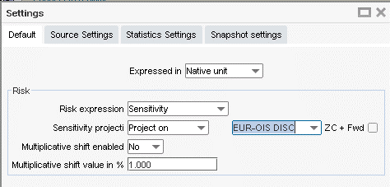
10M OIS Swap, Remapping from original EUROIS curve to an EUR3M curve structure (with many forward starting instruments)
MX2 correctly separates the sens on many pillars, MX3 only cares about swap end date and remaps the whole "spot sensitivity" onto a forward starting instrument (7M-10M).

1. BREAKDOWN EUR-OIS
Maturity | EUR-OIS |  |  | Generator | Maturity | GOOD = MX2 | BAD = MX3
O/N | - |  |  | DEP_EUR3M_FOL_C | S/N | -0.21
T/N | - |  |  | DEP_EUR3M_FOL_C | 1W | 0.00
S/N | - |  |  | DEP_EUR3M_FOL_C | 2W | 0.00
1W | - |  |  | DEP_EUR3M_FOL_C | 3W | -0.00
2W | - |  |  | DEP_EUR3M_C | 1M | 844.21
3W | - |  |  | DEP_EUR3M_C | 2M | -3.33
1M | - |  |  | DEP_EUR3M_C | 3M | 198.18
2M | - |  |  | FRA_EUR3M_C | 1M-4M | 2,354.69
3M | - |  | ==> | FRA_EUR3M_C | 2M-5M | -4.84
4M | - |  |  | FRA_EUR3M_C | 3M-6M | 67.77
5M | - |  |  | FRA_EUR3M_C | 4M-7M | 2,436.70
6M | - |  |  | FRA_EUR3M_C | 5M-8M | -0.00
7M | - |  |  | FRA_EUR3M_C | 6M-9M | -0.00
8M | - |  |  | FRA_EUR3M_C | 7M-10M | 2,613.30 | 8,527.11
9M | - |  |  | FRA_EUR3M_C | 8M-11M | 0.00
10M | 8,527.11 |  |  | FRA_EUR3M_C | 9M-12M | -
11M | - |  |  | FRA_EUR3M_C | 10M-13M | -

Murex tests on NISSA vs. SVIL16

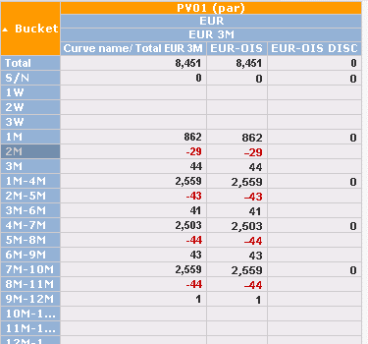
1. BREAKDOWN EUR-OIS |  |  |  |  |  |  |  | MX.3 Project on EUR 3M |  |  |  |  |  | MXG2000 Project on EUR 3M
MX.3 |  |  |  |  | MX2000
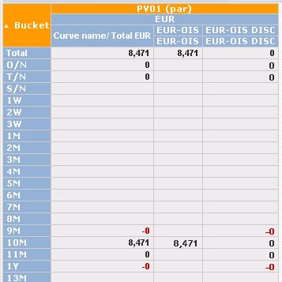
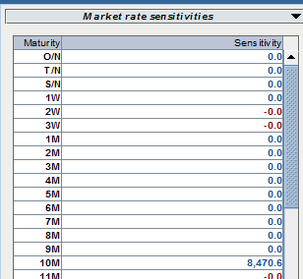

 | DV01 MXG200 | DV01 MX.3
O/N | 1.6219251E-13 |  |  |  |  |  |  |  |  |  | DV01 MXG200 | DV01 MX.3
T/N | 1.586398E-13 |  |  |  |  |  |  |  | DEP_EUR3M_FOL_C | S/N | 0.0010208023123 | 0.0012588660426 | -23%
S/N | 4.3226E-15 |  |  |  |  |  |  |  | DEP_EUR3M_FOL_C | 1W | 3.081951E-14
1W | 3.081967E-14 |  |  |  |  |  |  |  | DEP_EUR3M_FOL_C | 2W | -1.765228E-13
2W | -1.7652468E-13 |  |  |  |  |  |  |  | DEP_EUR3M_FOL_C | 3W | -1.5789363E-13
3W | -1.5789621E-13 |  |  |  |  |  |  |  | DEP_EUR3M_C | 1M | 857.97405136 | 861.69273427 | 0%
1M | 5.4325474E-13 |  |  |  |  |  |  |  | DEP_EUR3M_C | 2M | -26.44138551 | -29.295971954 | -11%
2M | 2.85463639E-12 |  |  |  |  |  |  |  | DEP_EUR3M_C | 3M | 51.125635431 | 44.254793261 | 13%
3M | 6.0720315E-13 |  |  |  |  |  |  |  | FRA_EUR3M_C | 1M-4M | 2,547.55 | 2,558.59 | 0%
4M | 1.26511214E-12 |  |  |  |  |  |  |  | FRA_EUR3M_C | 2M-5M | -39.020579499 | -43.233203578 | -11%
5M | 2.74719915E-12 |  |  |  |  |  |  |  | FRA_EUR3M_C | 3M-6M | 47.858439898 | 41.426680482 | 13%
6M | 4.80972237E-12 |  |  |  |  |  |  |  | FRA_EUR3M_C | 4M-7M | 2,492.07 | 2,502.87 | 0%
7M | 3.84702388E-12 |  |  |  |  |  |  |  | FRA_EUR3M_C | 5M-8M | -39.887563775 | -44.193786639 | -11%
8M | 2.34936601E-12 |  |  |  |  |  |  |  | FRA_EUR3M_C | 6M-9M | 49.490351826 | 42.839277595 | 13%
9M | 4.36019497E-12 |  |  |  |  |  |  |  | FRA_EUR3M_C | 7M-10M | 2,547.46 | 2,558.50 | 0%
10M | 8,470.65 | 8,470.65 |  |  |  |  |  |  | FRA_EUR3M_C | 8M-11M | -37.433605714 | -44.193447566 | -18%
11M | -2.2994226E-13 |  |  |  |  |  |  |  | FRA_EUR3M_C | 9M-12M | 0 | 1.4824450055
 | 8,470.65 | 8,470.65 |  |  |  |  |  |  |  |  | 8,450.75 | 8,450.75 | 0%

 |  |  |  |  |  |  |  | MX.3 Settings
 |  |  |  |  |  |  |  | Right click on Delta

