Sheet1
 |  | INTERPOLATIONS

 | SHAPE |  |  |  |  | SENSITIVITIES

OUTRIGHT
PARALLEL $∆$ Vs. SEQUENTIAL $∆$

Pillar MX
Pillar XL
HYMAN
LINEAR
KRUGER
HARMONIC

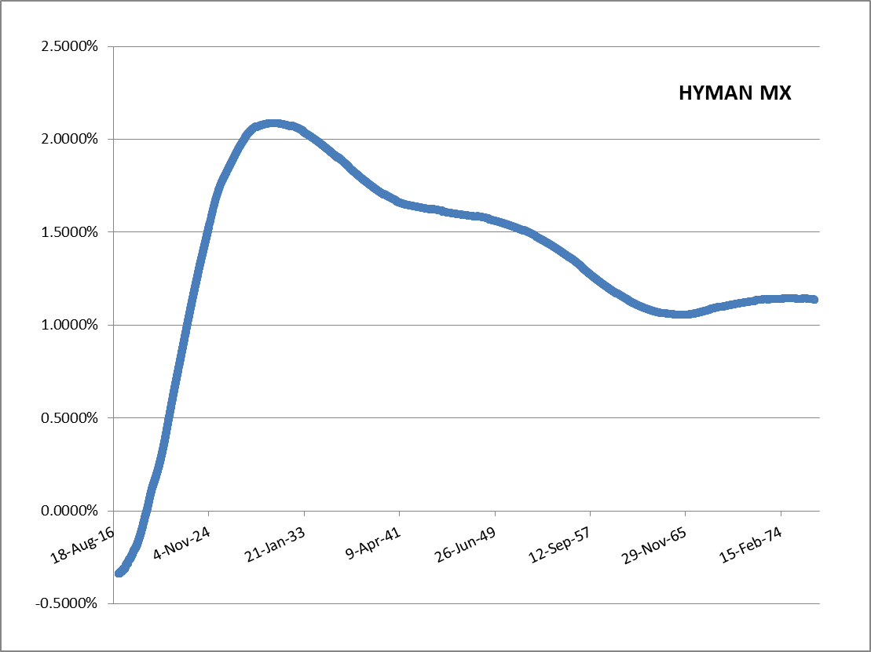

 |  |  | Swap |  |  | Hyman Sens Analysis |  | Linear Sens Analysis |  | Kruger Sens Analysis |  | Harmonic Sens Analysis
 |  |  |  | First Leg | Second Leg | SimpleQuotes | Sensitivity | SimpleQuotes | Sensitivity | SimpleQuotes | Sensitivity | SimpleQuotes | Sensitivity
 |  |  | Maturity | 2Y6M | 2Y6M | BumpValue | -254,074,274 | BumpValue | -254,074,528 | BumpValue | -254,074,323 | BumpValue | -254,074,315
 |  |  | ForwardStart | 0D | 0D | EUR6MDPSN= | 9 | EUR6MDPSN= | 233 | EUR6MDPSN= | 3 | EUR6MDPSN= | -2
 |  |  | EffectiveDate | 23-Jan-17 | 23-Jan-17 | EUR6MDPSW= | - | EUR6MDPSW= | - | EUR6MDPSW= | - | EUR6MDPSW= | 1
 |  |  | TerminationDate | 23-Jul-19 | 23-Jul-19 | EUR6MDP1M= | 207,709 | EUR6MDP1M= | 265,526 | EUR6MDP1M= | 174,469 | EUR6MDP1M= | 171,773
 |  |  | Tenor | 1Y | 6M | EUR6MDP2M= | -97,354 | EUR6MDP2M= | - | EUR6MDP2M= | -7,034 | EUR6MDP2M= | -7,150
 |  |  | PaymentBDC | Modified Following | Modified Following | EUR6MDP2W= | - | EUR6MDP2W= | - | EUR6MDP2W= | - | EUR6MDP2W= | -
HYMAN: |  |  | Nominals | 100000000 | 100000000 | EUR6MDP3M= | -9,025 | EUR6MDP3M= | - | EUR6MDP3M= | 545 | EUR6MDP3M= | 549
 |  |  | DayCounter | 30/360 (Bond Basis) | Actual/360 | EUR6MDP3W= | - | EUR6MDP3W= | - | EUR6MDP3W= | - | EUR6MDP3W= | -
 |  |  | Payer | FALSE | TRUE | EUR6MDP4M= | 219,671 | EUR6MDP4M= | - | EUR6MDP4M= | -70 | EUR6MDP4M= | -71
 |  |  |  |  |  | EUR6MDP5M= | -1,241,443 | EUR6MDP5M= | - | EUR6MDP5M= | -625,789 | EUR6MDP5M= | -643,063
 |  |  | Kruger Par. Delta | -254,074,322.600 |  | EUR6MDP6M= | -50,387,158 | EUR6MDP6M= | -52,198,103 | EUR6MDP6M= | -50,901,315 | EUR6MDP6M= | -50,865,467
 |  |  | Kruger Seq. Delta | -254,073,175.748 |  | EUR6MFRA1X7F= | 1,214,071 | EUR6MFRA1X7F= | 1,551,842 | EUR6MFRA1X7F= | 1,024,367 | EUR6MFRA1X7F= | 1,008,738
 |  |  | Error | -1,146.851 |  | EUR6MFRA2X8F= | -307,236 | EUR6MFRA2X8F= | - | EUR6MFRA2X8F= | -22,269 | EUR6MFRA2X8F= | -22,633
 |  |  |  |  |  | EUR6MFRA3X9F= | -18,019 | EUR6MFRA3X9F= | - | EUR6MFRA3X9F= | 1,098 | EUR6MFRA3X9F= | 1,106
 |  |  | Harmonic Par. Delta | -254,074,315.310 |  | EUR6MFRA4X10F= | 336,570 | EUR6MFRA4X10F= | - | EUR6MFRA4X10F= | -104 | EUR6MFRA4X10F= | -119
 |  |  | Harmonic Seq. Delta | -254,074,789.530 |  | EUR6MFRA5X11F= | -1,536,489 | EUR6MFRA5X11F= | - | EUR6MFRA5X11F= | -777,280 | EUR6MFRA5X11F= | -798,637
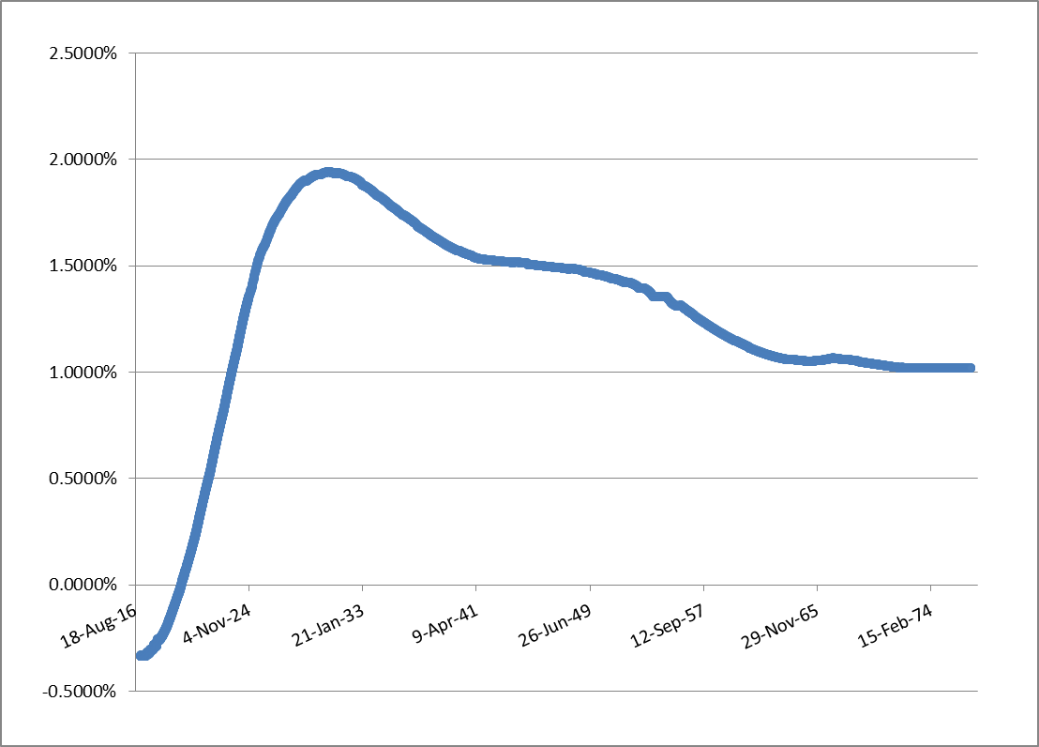
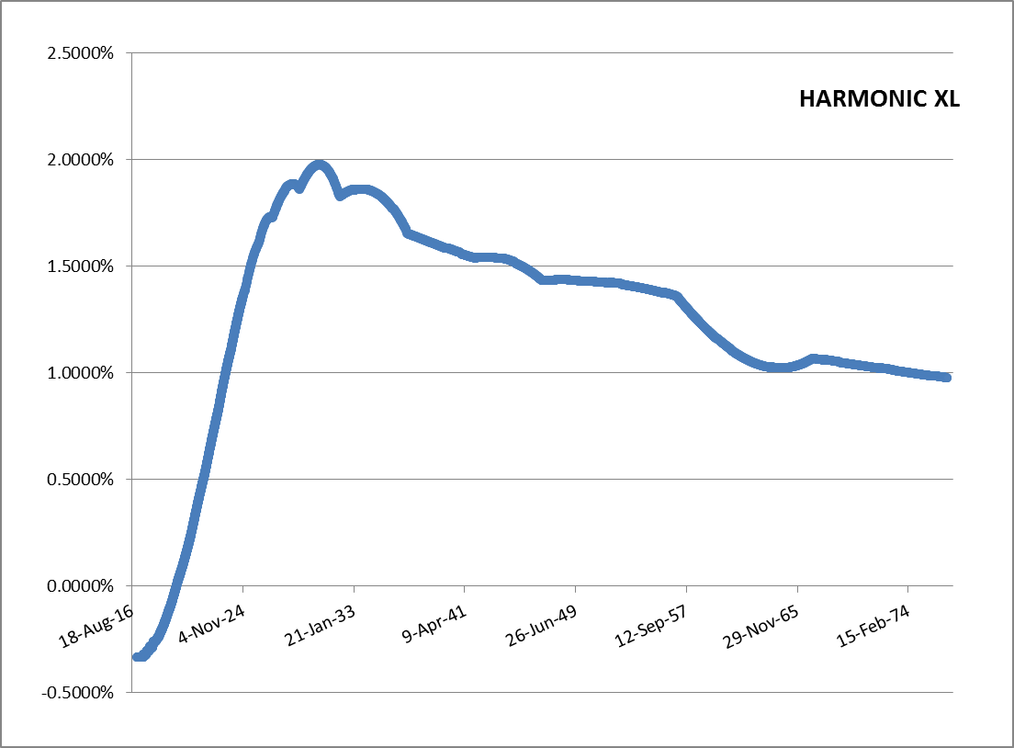
 |  |  | Error | 474.220 |  | EUR6MFRA6X12F= | -51,035,495 | EUR6MFRA6X12F= | -52,862,624 | EUR6MFRA6X12F= | -51,551,773 | EUR6MFRA6X12F= | -51,515,558
 |  |  |  |  |  | EUR6MFRA7X13F= | 1,244,144 | EUR6MFRA7X13F= | 1,577,296 | EUR6MFRA7X13F= | 1,041,332 | EUR6MFRA7X13F= | 1,025,452
HARMONIC MX
 |  |  | Hyman Par. Delta | -254,074,274.306 |  | EUR6MFRA8X14F= | -338,206 | EUR6MFRA8X14F= | - | EUR6MFRA8X14F= | -21,789 | EUR6MFRA8X14F= | -22,145
 |  |  | Hyman Seq. Delta | -254,074,164.632 |  | EUR6MFRA9X15F= | 103,822 | EUR6MFRA9X15F= | - | EUR6MFRA9X15F= | 1,091 | EUR6MFRA9X15F= | 1,099
 |  |  | Error | -109.674 |  | EUR6MFRA10X16F= | -25,747 | EUR6MFRA10X16F= | - | EUR6MFRA10X16F= | -92 | EUR6MFRA10X16F= | -94
 |  |  |  |  |  | EUR6MFRA11X17F= | 6,412 | EUR6MFRA11X17F= | - | EUR6MFRA11X17F= | - | EUR6MFRA11X17F= | -
 |  |  | Linear Par. Delta | -254,074,527.894 |  | EUR6MFRA12X18F= | -50,542,389 | EUR6MFRA12X18F= | -50,540,173 | EUR6MFRA12X18F= | -50,540,173 | EUR6MFRA12X18F= | -50,540,173
 |  |  | Linear Seq. Delta | -254,074,385.687 |  | EUR6MFRA13X19F= | 497 | EUR6MFRA13X19F= | - | EUR6MFRA13X19F= | - | EUR6MFRA13X19F= | -
 |  |  | Error | -142.206 |  | EUR6MFRA14X20F= | -132 | EUR6MFRA14X20F= | - | EUR6MFRA14X20F= | - | EUR6MFRA14X20F= | -
HARMONIC: |  |  |  |  |  | EUR6MFRA15X21F= | 24 | EUR6MFRA15X21F= | - | EUR6MFRA15X21F= | - | EUR6MFRA15X21F= | -
 |  |  |  |  |  | EUR6MFRA16X22F= | 0 | EUR6MFRA16X22F= | - | EUR6MFRA16X22F= | - | EUR6MFRA16X22F= | -
 |  |  |  |  |  | EUR6MFRA17X23F= | - | EUR6MFRA17X23F= | - | EUR6MFRA17X23F= | - | EUR6MFRA17X23F= | -
 |  |  |  |  |  | EUR6MFRA18X24F= | -51,449,691 | EUR6MFRA18X24F= | -51,449,691 | EUR6MFRA18X24F= | -51,449,691 | EUR6MFRA18X24F= | -51,449,691
 |  |  |  |  |  | EUR6MFRA24X30F= | -50,657,287 | EUR6MFRA24X30F= | -50,657,287 | EUR6MFRA24X30F= | -50,657,287 | EUR6MFRA24X30F= | -50,657,287
 |  |  |  |  |  | EUR6MSW3Y= | - | EUR6MSW3Y= | - | EUR6MSW3Y= | - | EUR6MSW3Y= | -
 |  |  |  |  |  | EUR6MSW4Y= | - | EUR6MSW4Y= | - | EUR6MSW4Y= | - | EUR6MSW4Y= | -
 |  |  |  |  |  | EUR6MSW5Y= | - | EUR6MSW5Y= | - | EUR6MSW5Y= | - | EUR6MSW5Y= | -
 |  |  |  |  |  | EUR6MSW6Y= | - | EUR6MSW6Y= | - | EUR6MSW6Y= | - | EUR6MSW6Y= | -
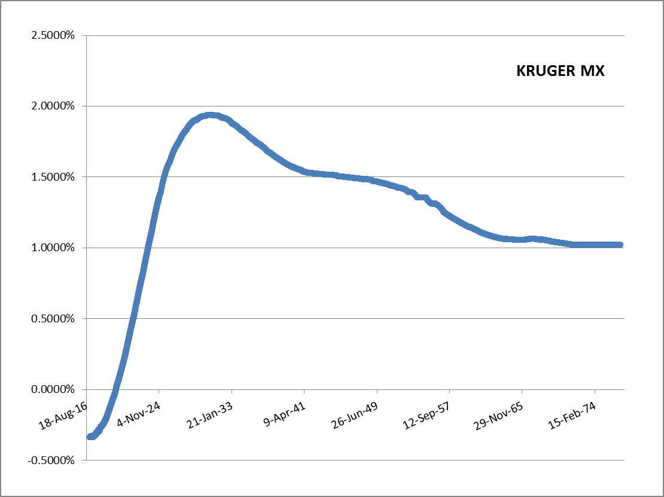
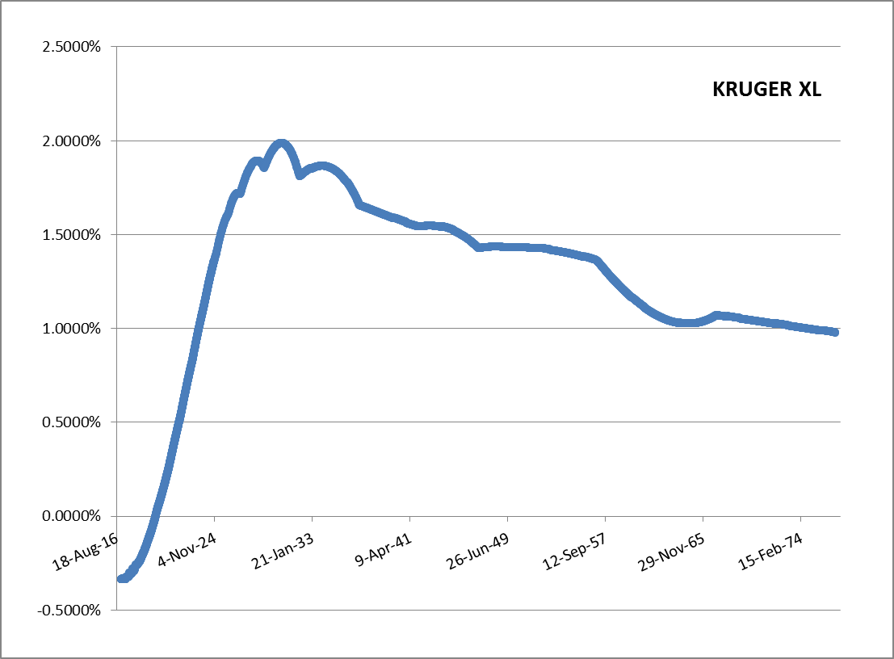
 |  |  |  |  |  | EUR6MSW7Y= | - | EUR6MSW7Y= | - | EUR6MSW7Y= | - | EUR6MSW7Y= | -
 |  |  |  |  |  | EUR6MSW8Y= | - | EUR6MSW8Y= | - | EUR6MSW8Y= | - | EUR6MSW8Y= | -
 |  |  |  |  |  | EUR6MSW9Y= | - | EUR6MSW9Y= | - | EUR6MSW9Y= | - | EUR6MSW9Y= | -
 |  |  |  |  |  | EUR6MSW10Y= | - | EUR6MSW10Y= | - | EUR6MSW10Y= | - | EUR6MSW10Y= | -
 |  |  |  |  |  | EUR6MSW11Y= | - | EUR6MSW11Y= | - | EUR6MSW11Y= | - | EUR6MSW11Y= | -
 |  |  |  |  |  | EUR6MSW12Y= | - | EUR6MSW12Y= | - | EUR6MSW12Y= | - | EUR6MSW12Y= | -
 |  |  |  |  |  | EUR6MSW13Y= | - | EUR6MSW13Y= | - | EUR6MSW13Y= | - | EUR6MSW13Y= | -
 |  |  |  |  |  | EUR6MSW14Y= | - | EUR6MSW14Y= | - | EUR6MSW14Y= | - | EUR6MSW14Y= | -
 |  |  |  |  |  | EUR6MSW15Y= | - | EUR6MSW15Y= | - | EUR6MSW15Y= | - | EUR6MSW15Y= | -
KRUGER: |  |  |  |  |  | EUR6MSW16Y= | - | EUR6MSW16Y= | - | EUR6MSW16Y= | - | EUR6MSW16Y= | -
 |  |  |  |  |  | EUR6MSW17Y= | - | EUR6MSW17Y= | - | EUR6MSW17Y= | - | EUR6MSW17Y= | -
 |  |  |  |  |  | EUR6MSW18Y= | - | EUR6MSW18Y= | - | EUR6MSW18Y= | - | EUR6MSW18Y= | -
 |  |  |  |  |  | EUR6MSW19Y= | - | EUR6MSW19Y= | - | EUR6MSW19Y= | - | EUR6MSW19Y= | -
 |  |  |  |  |  | EUR6MSW20Y= | - | EUR6MSW20Y= | - | EUR6MSW20Y= | - | EUR6MSW20Y= | -
 |  |  |  |  |  | EUR6MSW21Y= | - | EUR6MSW21Y= | - | EUR6MSW21Y= | - | EUR6MSW21Y= | -
 |  |  |  |  |  | EUR6MSW22Y= | - | EUR6MSW22Y= | - | EUR6MSW22Y= | - | EUR6MSW22Y= | -
 |  |  |  |  |  | EUR6MSW23Y= | - | EUR6MSW23Y= | - | EUR6MSW23Y= | - | EUR6MSW23Y= | -
 |  |  |  |  |  | EUR6MSW24Y= | - | EUR6MSW24Y= | - | EUR6MSW24Y= | - | EUR6MSW24Y= | -
 |  |  |  |  |  | EUR6MSW25Y= | - | EUR6MSW25Y= | - | EUR6MSW25Y= | - | EUR6MSW25Y= | -
 |  |  |  |  |  | EUR6MSW26Y= | - | EUR6MSW26Y= | - | EUR6MSW26Y= | - | EUR6MSW26Y= | -
 |  |  |  |  |  | EUR6MSW27Y= | - | EUR6MSW27Y= | - | EUR6MSW27Y= | - | EUR6MSW27Y= | -
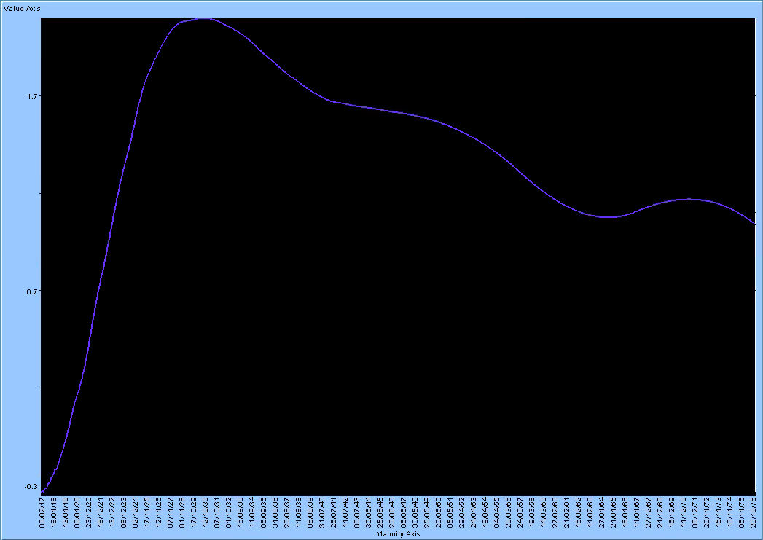
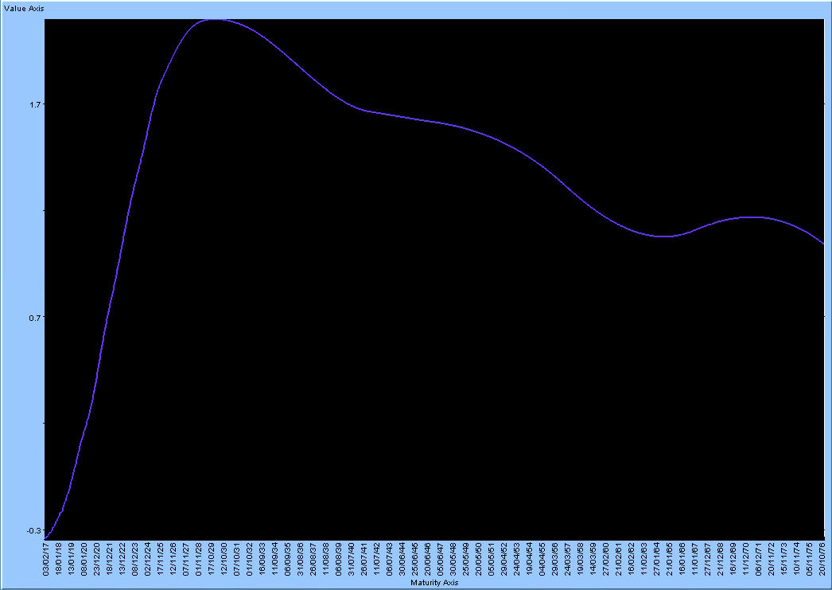
 |  |  |  |  |  | EUR6MSW28Y= | - | EUR6MSW28Y= | - | EUR6MSW28Y= | - | EUR6MSW28Y= | -
 |  |  |  |  |  | EUR6MSW29Y= | - | EUR6MSW29Y= | - | EUR6MSW29Y= | - | EUR6MSW29Y= | -
 |  |  |  |  |  | EUR6MSW30Y= | - | EUR6MSW30Y= | - | EUR6MSW30Y= | - | EUR6MSW30Y= | -
 |  |  |  |  |  | EUR6MSW31Y= | - | EUR6MSW31Y= | - | EUR6MSW31Y= | - | EUR6MSW31Y= | -
 |  |  |  |  |  | EUR6MSW32Y= | - | EUR6MSW32Y= | - | EUR6MSW32Y= | - | EUR6MSW32Y= | -
 |  |  |  |  |  | EUR6MSW33Y= | - | EUR6MSW33Y= | - | EUR6MSW33Y= | - | EUR6MSW33Y= | -
 |  |  |  |  |  | EUR6MSW34Y= | - | EUR6MSW34Y= | - | EUR6MSW34Y= | - | EUR6MSW34Y= | -
 |  |  |  |  |  | EUR6MSW35Y= | - | EUR6MSW35Y= | - | EUR6MSW35Y= | - | EUR6MSW35Y= | -
 |  |  |  |  |  | EUR6MSW36Y= | - | EUR6MSW36Y= | - | EUR6MSW36Y= | - | EUR6MSW36Y= | -
 |  |  |  |  |  | EUR6MSW37Y= | - | EUR6MSW37Y= | - | EUR6MSW37Y= | - | EUR6MSW37Y= | -
ADAPTIVE: |  |  |  |  |  | EUR6MSW38Y= | - | EUR6MSW38Y= | - | EUR6MSW38Y= | - | EUR6MSW38Y= | -
 |  |  |  |  |  | EUR6MSW39Y= | - | EUR6MSW39Y= | - | EUR6MSW39Y= | - | EUR6MSW39Y= | -
 |  |  |  |  |  | EUR6MSW40Y= | - | EUR6MSW40Y= | - | EUR6MSW40Y= | - | EUR6MSW40Y= | -
 |  |  |  |  |  | EUR6MSW50Y= | - | EUR6MSW50Y= | - | EUR6MSW50Y= | - | EUR6MSW50Y= | -
 |  |  |  |  |  | EUR6MSW60Y= | - | EUR6MSW60Y= | - | EUR6MSW60Y= | - | EUR6MSW60Y= | -
 |  |  |  |  |  | EURONDPON= | 7 | EURONDPON= | 7 | EURONDPON= | 7 | EURONDPON= | 7
 |  |  |  |  |  | EURONDPTN= | 22 | EURONDPTN= | 22 | EURONDPTN= | 22 | EURONDPTN= | 22
 |  |  |  |  |  | EURONDPSN= | - | EURONDPSN= | - | EURONDPSN= | - | EURONDPSN= | -
 |  |  |  |  |  | EURONOISSW= | - | EURONOISSW= | - | EURONOISSW= | - | EURONOISSW= | -
 |  |  |  |  |  | EURONOIS2W= | - | EURONOIS2W= | - | EURONOIS2W= | - | EURONOIS2W= | -
 |  |  |  |  |  | EURONOIS3W= | - | EURONOIS3W= | - | EURONOIS3W= | - | EURONOIS3W= | -
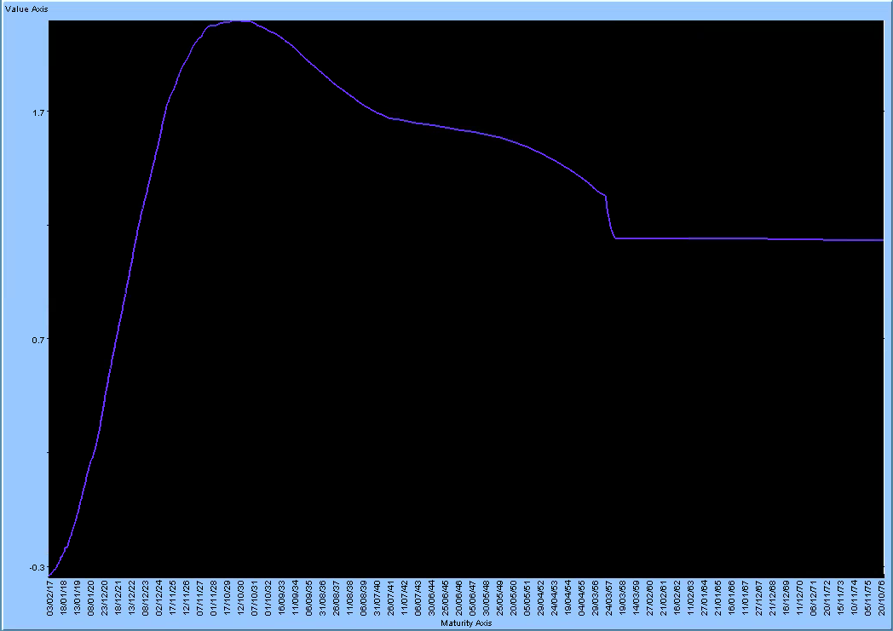
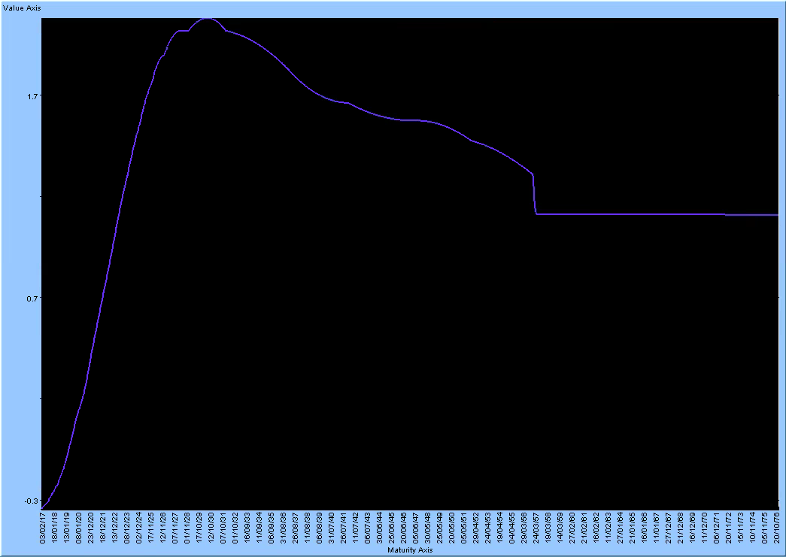
 |  |  |  |  |  | EURONOIS1M= | - | EURONOIS1M= | - | EURONOIS1M= | - | EURONOIS1M= | -
 |  |  |  |  |  | EURONOIS2M= | - | EURONOIS2M= | - | EURONOIS2M= | - | EURONOIS2M= | -
 |  |  |  |  |  | EURONOIS3M= | - | EURONOIS3M= | - | EURONOIS3M= | - | EURONOIS3M= | -
 |  |  |  |  |  | EURONOIS4M= | - | EURONOIS4M= | - | EURONOIS4M= | - | EURONOIS4M= | -
 |  |  |  |  |  | EURONOIS5M= | - | EURONOIS5M= | - | EURONOIS5M= | - | EURONOIS5M= | -
 |  |  |  |  |  | EURONOIS6M= | -27,605 | EURONOIS6M= | -27,605 | EURONOIS6M= | -27,605 | EURONOIS6M= | -27,605
 |  |  |  |  |  | EURONOIS7M= | - | EURONOIS7M= | - | EURONOIS7M= | - | EURONOIS7M= | -
 |  |  |  |  |  | EURONOIS8M= | - | EURONOIS8M= | - | EURONOIS8M= | - | EURONOIS8M= | -
MONOTONE |  |  |  |  |  | EURONOIS9M= | - | EURONOIS9M= | - | EURONOIS9M= | - | EURONOIS9M= | -
CONVEX: |  |  |  |  |  | EURONOIS10M= | - | EURONOIS10M= | - | EURONOIS10M= | - | EURONOIS10M= | -
 |  |  |  |  |  | EURONOIS11M= | -573 | EURONOIS11M= | -573 | EURONOIS11M= | -573 | EURONOIS11M= | -573
 |  |  |  |  |  | EURONOIS1Y= | -106,017 | EURONOIS1Y= | -106,000 | EURONOIS1Y= | -106,011 | EURONOIS1Y= | -106,011
 |  |  |  |  |  | EURONOIS13M= | - | EURONOIS13M= | - | EURONOIS13M= | - | EURONOIS13M= | -
 |  |  |  |  |  | EURONOIS14M= | - | EURONOIS14M= | - | EURONOIS14M= | - | EURONOIS14M= | -
 |  |  |  |  |  | EURONOIS15M= | - | EURONOIS15M= | - | EURONOIS15M= | - | EURONOIS15M= | -
 |  |  |  |  |  | EURONOIS16M= | - | EURONOIS16M= | - | EURONOIS16M= | - | EURONOIS16M= | -
 |  |  |  |  |  | EURONOIS17M= | - | EURONOIS17M= | - | EURONOIS17M= | - | EURONOIS17M= | -
 |  |  |  |  |  | EURONOIS18M= | 83,640 | EURONOIS18M= | 83,640 | EURONOIS18M= | 83,640 | EURONOIS18M= | 83,640
 |  |  |  |  |  | EURONOIS19M= | - | EURONOIS19M= | - | EURONOIS19M= | - | EURONOIS19M= | -
 |  |  |  |  |  | EURONOIS20M= | - | EURONOIS20M= | - | EURONOIS20M= | - | EURONOIS20M= | -
 |  |  |  |  |  | EURONOIS21M= | - | EURONOIS21M= | - | EURONOIS21M= | - | EURONOIS21M= | -
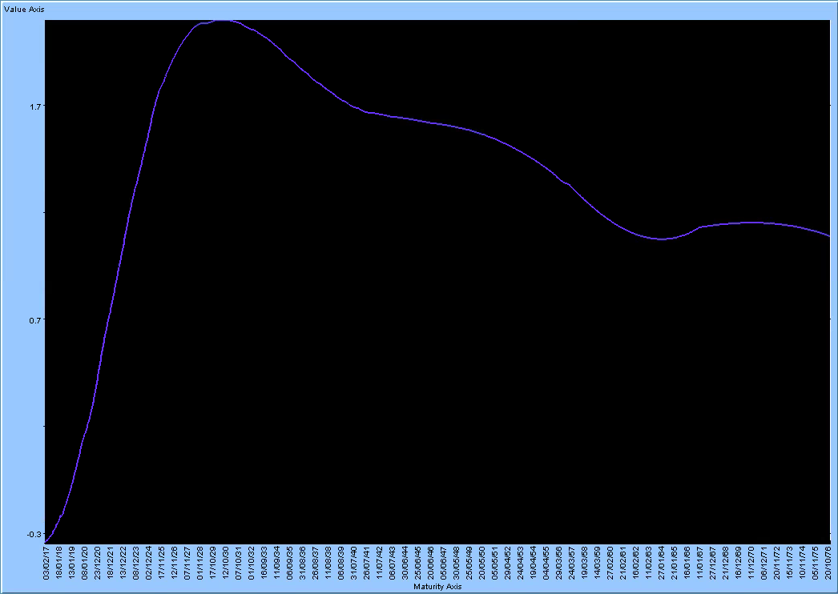
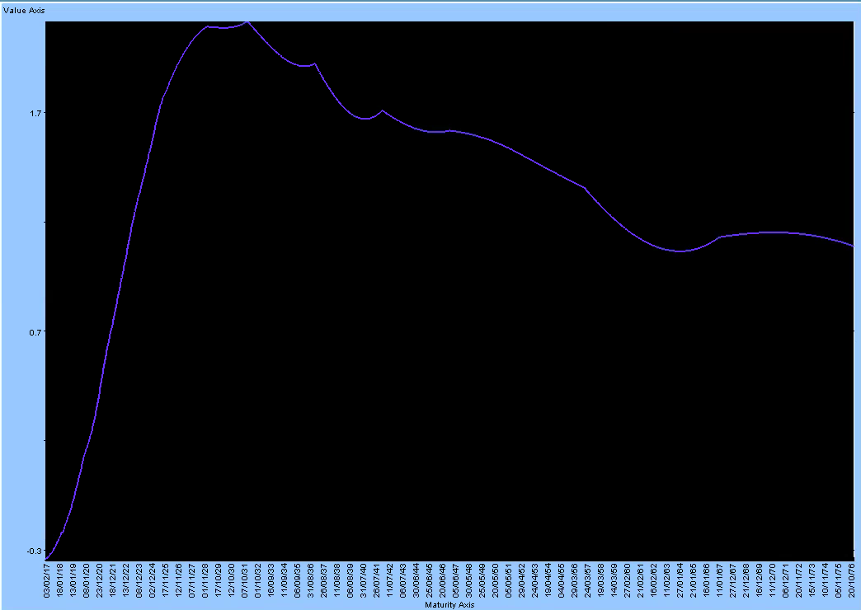
 |  |  |  |  |  | EURONOIS22M= | - | EURONOIS22M= | - | EURONOIS22M= | - | EURONOIS22M= | -
 |  |  |  |  |  | EURONOIS23M= | -391,720 | EURONOIS23M= | -391,720 | EURONOIS23M= | -391,720 | EURONOIS23M= | -391,720
 |  |  |  |  |  | EURONOIS2Y= | 509,570 | EURONOIS2Y= | 509,570 | EURONOIS2Y= | 509,570 | EURONOIS2Y= | 509,570
 |  |  |  |  |  | EURONOIS3Y= | 188,605 | EURONOIS3Y= | 188,605 | EURONOIS3Y= | 188,605 | EURONOIS3Y= | 188,605
 |  |  |  |  |  | EURONOIS4Y= | -17,351 | EURONOIS4Y= | -17,351 | EURONOIS4Y= | -17,351 | EURONOIS4Y= | -17,351
 |  |  |  |  |  | EURONOIS5Y= | - | EURONOIS5Y= | - | EURONOIS5Y= | - | EURONOIS5Y= | -
 |  |  |  |  |  | EURONOIS6Y= | - | EURONOIS6Y= | - | EURONOIS6Y= | - | EURONOIS6Y= | -
 |  |  |  |  |  | EURONOIS7Y= | - | EURONOIS7Y= | - | EURONOIS7Y= | - | EURONOIS7Y= | -
 |  |  |  |  |  | EURONOIS8Y= | - | EURONOIS8Y= | - | EURONOIS8Y= | - | EURONOIS8Y= | -
 |  |  |  |  |  | EURONOIS9Y= | - | EURONOIS9Y= | - | EURONOIS9Y= | - | EURONOIS9Y= | -
HERMITE: |  |  |  |  |  | EURONOIS10Y= | - | EURONOIS10Y= | - | EURONOIS10Y= | - | EURONOIS10Y= | -
 |  |  |  |  |  | EURONOIS11Y= | - | EURONOIS11Y= | - | EURONOIS11Y= | - | EURONOIS11Y= | -
 |  |  |  |  |  | EURONOIS12Y= | - | EURONOIS12Y= | - | EURONOIS12Y= | - | EURONOIS12Y= | -
 |  |  |  |  |  | EURONOIS13Y= | - | EURONOIS13Y= | - | EURONOIS13Y= | - | EURONOIS13Y= | -
 |  |  |  |  |  | EURONOIS14Y= | - | EURONOIS14Y= | - | EURONOIS14Y= | - | EURONOIS14Y= | -
 |  |  |  |  |  | EURONOIS15Y= | - | EURONOIS15Y= | - | EURONOIS15Y= | - | EURONOIS15Y= | -
 |  |  |  |  |  | EURONOIS16Y= | - | EURONOIS16Y= | - | EURONOIS16Y= | - | EURONOIS16Y= | -
 |  |  |  |  |  | EURONOIS17Y= | - | EURONOIS17Y= | - | EURONOIS17Y= | - | EURONOIS17Y= | -
 |  |  |  |  |  | EURONOIS18Y= | - | EURONOIS18Y= | - | EURONOIS18Y= | - | EURONOIS18Y= | -
 |  |  |  |  |  | EURONOIS19Y= | - | EURONOIS19Y= | - | EURONOIS19Y= | - | EURONOIS19Y= | -
 |  |  |  |  |  | EURONOIS20Y= | - | EURONOIS20Y= | - | EURONOIS20Y= | - | EURONOIS20Y= | -
 |  |  |  |  |  | EURONOIS21Y= | - | EURONOIS21Y= | - | EURONOIS21Y= | - | EURONOIS21Y= | -
 |  |  |  |  |  | EURONOIS22Y= | - | EURONOIS22Y= | - | EURONOIS22Y= | - | EURONOIS22Y= | -
 |  |  |  |  |  | EURONOIS23Y= | - | EURONOIS23Y= | - | EURONOIS23Y= | - | EURONOIS23Y= | -
 |  |  |  |  |  | EURONOIS24Y= | - | EURONOIS24Y= | - | EURONOIS24Y= | - | EURONOIS24Y= | -
 |  |  |  |  |  | EURONOIS25Y= | - | EURONOIS25Y= | - | EURONOIS25Y= | - | EURONOIS25Y= | -
SPREAD
 |  |  |  |  |  | EURONOIS26Y= | - | EURONOIS26Y= | - | EURONOIS26Y= | - | EURONOIS26Y= | -
 |  |  |  |  |  | EURONOIS27Y= | - | EURONOIS27Y= | - | EURONOIS27Y= | - | EURONOIS27Y= | -
 |  |  |  |  |  | EURONOIS28Y= | - | EURONOIS28Y= | - | EURONOIS28Y= | - | EURONOIS28Y= | -
 |  |  |  |  |  | EURONOIS29Y= | - | EURONOIS29Y= | - | EURONOIS29Y= | - | EURONOIS29Y= | -
 |  |  |  |  |  | EURONOIS30Y= | - | EURONOIS30Y= | - | EURONOIS30Y= | - | EURONOIS30Y= | -
Pillar MX
Pillar XL
 |  |  |  |  |  | EURONOIS35Y= | - | EURONOIS35Y= | - | EURONOIS35Y= | - | EURONOIS35Y= | -
 |  |  |  |  |  | EURONOIS40Y= | - | EURONOIS40Y= | - | EURONOIS40Y= | - | EURONOIS40Y= | -
 |  |  |  |  |  | EURONOIS50Y= | - | EURONOIS50Y= | - | EURONOIS50Y= | - | EURONOIS50Y= | -
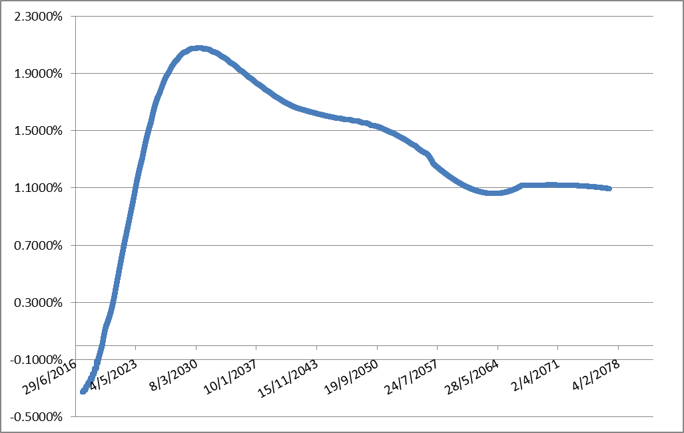
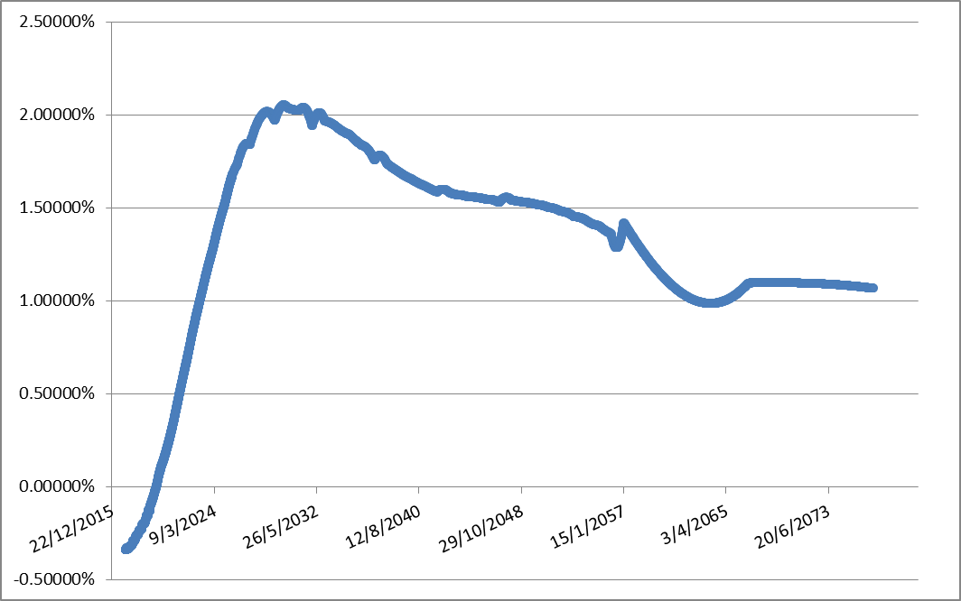
 |  |  |  |  |  | EURONOIS60Y= | - | EURONOIS60Y= | - | EURONOIS60Y= | - | EURONOIS60Y= | -

BKBONE6M
KRUGER:


42775 | -0.0033916497244
42776 | -0.0033956367118
42779 | -0.003394191851
42780 | -0.0033931512384
42781 | -0.0033933962699
42782 | -0.0033957292836
42783 | -0.00339811712
42786 | -0.0033951412927
42787 | -0.0033904656366
42788 | -0.0033836117527
42789 | -0.0033735458764
42790 | -0.003354538887
42793 | -0.0033430736737
42794 | -0.0033421848596
42795 | -0.0033448830602
42796 | -0.0033463655709
42797 | -0.003341642596
42800 | -0.0033370283693
42801 | -0.0033347550329
42802 | -0.0033325263173
42803 | -0.00333035234
42804 | -0.0033262071216
42807 | -0.0033224061628
42808 | -0.0033206576392
42809 | -0.003319024559
42810 | -0.0033175170395
42811 | -0.0033149410175
42814 | -0.0033129449204
42815 | -0.0033122169679
42816 | -0.0033116752814
42817 | -0.0033113299784
42818 | -0.0033113145302
42821 | -0.0033121149508
42822 | -0.0033129033279
42823 | -0.0033139487935
42824 | -0.0033152614651
42825 | -0.0033187979059
42828 | -0.0033226429244
42829 | -0.00332370048
42830 | -0.0033246879551
42831 | -0.0033255960777
42832 | -0.0033270711245
42835 | -0.0033282495941
42836 | -0.0033286218684
42837 | -0.0033288591556
42838 | -0.0033284355927
42843 | -0.003326928909
42844 | -0.0033259616643
42845 | -0.0033247852541
42846 | -0.0033216586254
...

BKBONEOIS
KRUGER:

