Sheet1
Impact on the curve's shape of different interpolations

Testing the impact of different interpolation on sensitivities. For stability purpose the goal is to find the scheme able to produce a sequential delta very close to the parallel delta. Furthermore it's possible to check the locality of the interpolation
 |  | INTERPOLATIONS

 | SHAPE |  |  |  |  | SENSITIVITIES

Testing the impact of different interpolation schemes on output curve's smoothness and sens stability. All curve screenshots are referred to a EUR3M curve.
Calibration basket composed by only outright instruments

OUTRIGHT
PARALLEL $∆$ Vs. SEQUENTIAL $∆$

Replicating Murex pillar density
Characteristics of the Swap tested for sensitivity analysis

Pillar MX
Pillar XL
HYMAN
LINEAR
KRUGER
HARMONIC
Replicating XL Framework pillar density
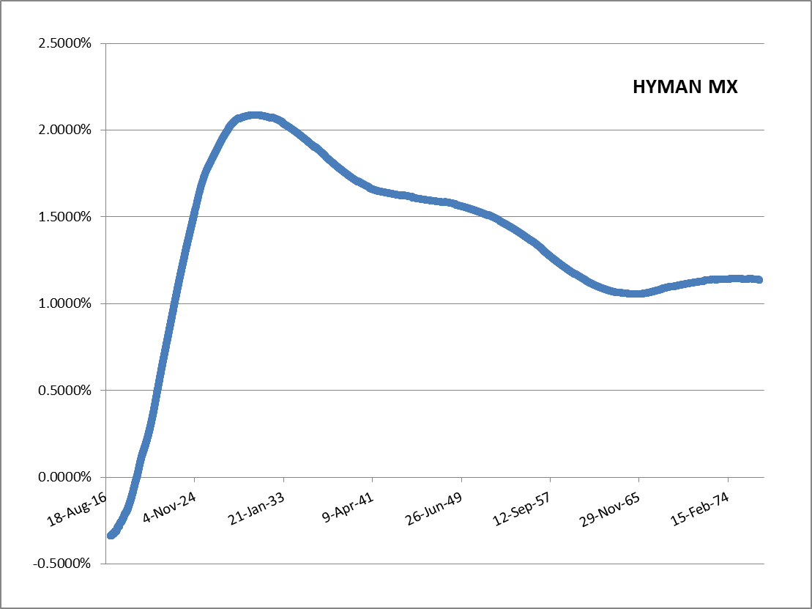

Cubic Natural Spline with Hyman monotonicity filter produces very smooth forwards also with low pillar density
 |  |  | Swap |  |  | Hyman Sens Analysis |  | Linear Sens Analysis |  | Kruger Sens Analysis |  | Harmonic Sens Analysis
 |  |  |  | First Leg | Second Leg | SimpleQuotes | Sensitivity | SimpleQuotes | Sensitivity | SimpleQuotes | Sensitivity | SimpleQuotes | Sensitivity
 |  |  | Maturity | 2Y6M | 2Y6M | BumpValue | -254,074,274 | BumpValue | -254,074,528 | BumpValue | -254,074,323 | BumpValue | -254,074,315
 |  |  | ForwardStart | 0D | 0D | EUR6MDPSN= | 9 | EUR6MDPSN= | 233 | EUR6MDPSN= | 3 | EUR6MDPSN= | -2
 |  |  | EffectiveDate | 23-Jan-17 | 23-Jan-17 | EUR6MDPSW= | - | EUR6MDPSW= | - | EUR6MDPSW= | - | EUR6MDPSW= | 1
 |  |  | TerminationDate | 23-Jul-19 | 23-Jul-19 | EUR6MDP1M= | 207,709 | EUR6MDP1M= | 265,526 | EUR6MDP1M= | 174,469 | EUR6MDP1M= | 171,773
 |  |  | Tenor | 1Y | 6M | EUR6MDP2M= | -97,354 | EUR6MDP2M= | - | EUR6MDP2M= | -7,034 | EUR6MDP2M= | -7,150
 |  |  | PaymentBDC | Modified Following | Modified Following | EUR6MDP2W= | - | EUR6MDP2W= | - | EUR6MDP2W= | - | EUR6MDP2W= | -
HYMAN: |  |  | Nominals | 100000000 | 100000000 | EUR6MDP3M= | -9,025 | EUR6MDP3M= | - | EUR6MDP3M= | 545 | EUR6MDP3M= | 549
 |  |  | DayCounter | 30/360 (Bond Basis) | Actual/360 | EUR6MDP3W= | - | EUR6MDP3W= | - | EUR6MDP3W= | - | EUR6MDP3W= | -
 |  |  | Payer | FALSE | TRUE | EUR6MDP4M= | 219,671 | EUR6MDP4M= | - | EUR6MDP4M= | -70 | EUR6MDP4M= | -71
 |  |  |  |  |  | EUR6MDP5M= | -1,241,443 | EUR6MDP5M= | - | EUR6MDP5M= | -625,789 | EUR6MDP5M= | -643,063
 |  |  | Kruger Par. Delta | -254,074,322.600 |  | EUR6MDP6M= | -50,387,158 | EUR6MDP6M= | -52,198,103 | EUR6MDP6M= | -50,901,315 | EUR6MDP6M= | -50,865,467
 |  |  | Kruger Seq. Delta | -254,073,175.748 |  | EUR6MFRA1X7F= | 1,214,071 | EUR6MFRA1X7F= | 1,551,842 | EUR6MFRA1X7F= | 1,024,367 | EUR6MFRA1X7F= | 1,008,738
 |  |  | Error | -1,146.851 |  | EUR6MFRA2X8F= | -307,236 | EUR6MFRA2X8F= | - | EUR6MFRA2X8F= | -22,269 | EUR6MFRA2X8F= | -22,633
 |  |  |  |  |  | EUR6MFRA3X9F= | -18,019 | EUR6MFRA3X9F= | - | EUR6MFRA3X9F= | 1,098 | EUR6MFRA3X9F= | 1,106
 |  |  | Harmonic Par. Delta | -254,074,315.310 |  | EUR6MFRA4X10F= | 336,570 | EUR6MFRA4X10F= | - | EUR6MFRA4X10F= | -104 | EUR6MFRA4X10F= | -119
 |  |  | Harmonic Seq. Delta | -254,074,789.530 |  | EUR6MFRA5X11F= | -1,536,489 | EUR6MFRA5X11F= | - | EUR6MFRA5X11F= | -777,280 | EUR6MFRA5X11F= | -798,637
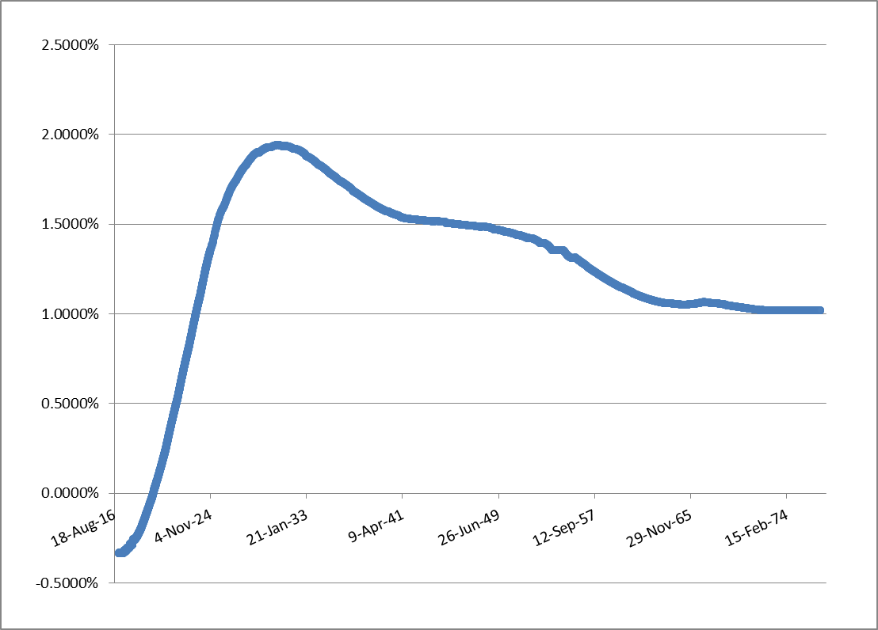
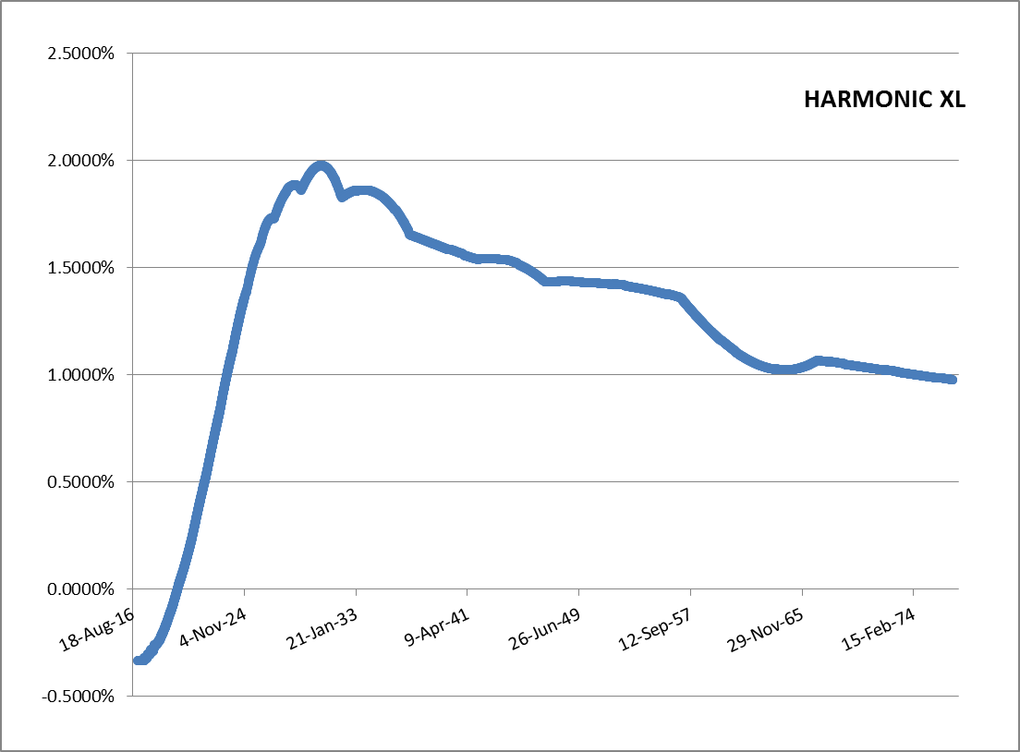
 |  |  | Error | 474.220 |  | EUR6MFRA6X12F= | -51,035,495 | EUR6MFRA6X12F= | -52,862,624 | EUR6MFRA6X12F= | -51,551,773 | EUR6MFRA6X12F= | -51,515,558
 |  |  |  |  |  | EUR6MFRA7X13F= | 1,244,144 | EUR6MFRA7X13F= | 1,577,296 | EUR6MFRA7X13F= | 1,041,332 | EUR6MFRA7X13F= | 1,025,452
HARMONIC MX
 |  |  | Hyman Par. Delta | -254,074,274.306 |  | EUR6MFRA8X14F= | -338,206 | EUR6MFRA8X14F= | - | EUR6MFRA8X14F= | -21,789 | EUR6MFRA8X14F= | -22,145
 |  |  | Hyman Seq. Delta | -254,074,164.632 |  | EUR6MFRA9X15F= | 103,822 | EUR6MFRA9X15F= | - | EUR6MFRA9X15F= | 1,091 | EUR6MFRA9X15F= | 1,099
 |  |  | Error | -109.674 |  | EUR6MFRA10X16F= | -25,747 | EUR6MFRA10X16F= | - | EUR6MFRA10X16F= | -92 | EUR6MFRA10X16F= | -94
 |  |  |  |  |  | EUR6MFRA11X17F= | 6,412 | EUR6MFRA11X17F= | - | EUR6MFRA11X17F= | - | EUR6MFRA11X17F= | -
 |  |  | Linear Par. Delta | -254,074,527.894 |  | EUR6MFRA12X18F= | -50,542,389 | EUR6MFRA12X18F= | -50,540,173 | EUR6MFRA12X18F= | -50,540,173 | EUR6MFRA12X18F= | -50,540,173
 |  |  | Linear Seq. Delta | -254,074,385.687 |  | EUR6MFRA13X19F= | 497 | EUR6MFRA13X19F= | - | EUR6MFRA13X19F= | - | EUR6MFRA13X19F= | -
 |  |  | Error | -142.206 |  | EUR6MFRA14X20F= | -132 | EUR6MFRA14X20F= | - | EUR6MFRA14X20F= | - | EUR6MFRA14X20F= | -
In our example, you can see that the most stable interpolation seems Hyman (However Le Floc'h (2013) shows that hyman's filter suffer of delta instability due to the "digitality" of the filter, which uses a MIN/MAX function). Kruger scheme, which is today's best practice, seems the less stable . (MORE TEST CASE NEEDED)
HARMONIC: |  |  |  |  |  | EUR6MFRA15X21F= | 24 | EUR6MFRA15X21F= | - | EUR6MFRA15X21F= | - | EUR6MFRA15X21F= | -
 |  |  |  |  |  | EUR6MFRA16X22F= | 0 | EUR6MFRA16X22F= | - | EUR6MFRA16X22F= | - | EUR6MFRA16X22F= | -
 |  |  |  |  |  | EUR6MFRA17X23F= | - | EUR6MFRA17X23F= | - | EUR6MFRA17X23F= | - | EUR6MFRA17X23F= | -
No significant difference between Kruger and Harmonic scheme since both are of class C1 but approximates in different ways first derivatives. Both are not able to produce smooth forward rates in case of low pillar density
 |  |  |  |  |  | EUR6MFRA18X24F= | -51,449,691 | EUR6MFRA18X24F= | -51,449,691 | EUR6MFRA18X24F= | -51,449,691 | EUR6MFRA18X24F= | -51,449,691
 |  |  |  |  |  | EUR6MFRA24X30F= | -50,657,287 | EUR6MFRA24X30F= | -50,657,287 | EUR6MFRA24X30F= | -50,657,287 | EUR6MFRA24X30F= | -50,657,287
 |  |  |  |  |  | EUR6MSW3Y= | - | EUR6MSW3Y= | - | EUR6MSW3Y= | - | EUR6MSW3Y= | -
 |  |  |  |  |  | EUR6MSW4Y= | - | EUR6MSW4Y= | - | EUR6MSW4Y= | - | EUR6MSW4Y= | -
Test's results show that the impact of different interpolation schemes on overfitted curves (high pillar density as Murex case) are negligible.
The same conclusione can be drawn also for spread curves. Wherease the pillar density is high, the impact of different interpolations e/o spread calibration is not relavant.
 |  |  |  |  |  | EUR6MSW5Y= | - | EUR6MSW5Y= | - | EUR6MSW5Y= | - | EUR6MSW5Y= | -
 |  |  |  |  |  | EUR6MSW6Y= | - | EUR6MSW6Y= | - | EUR6MSW6Y= | - | EUR6MSW6Y= | -
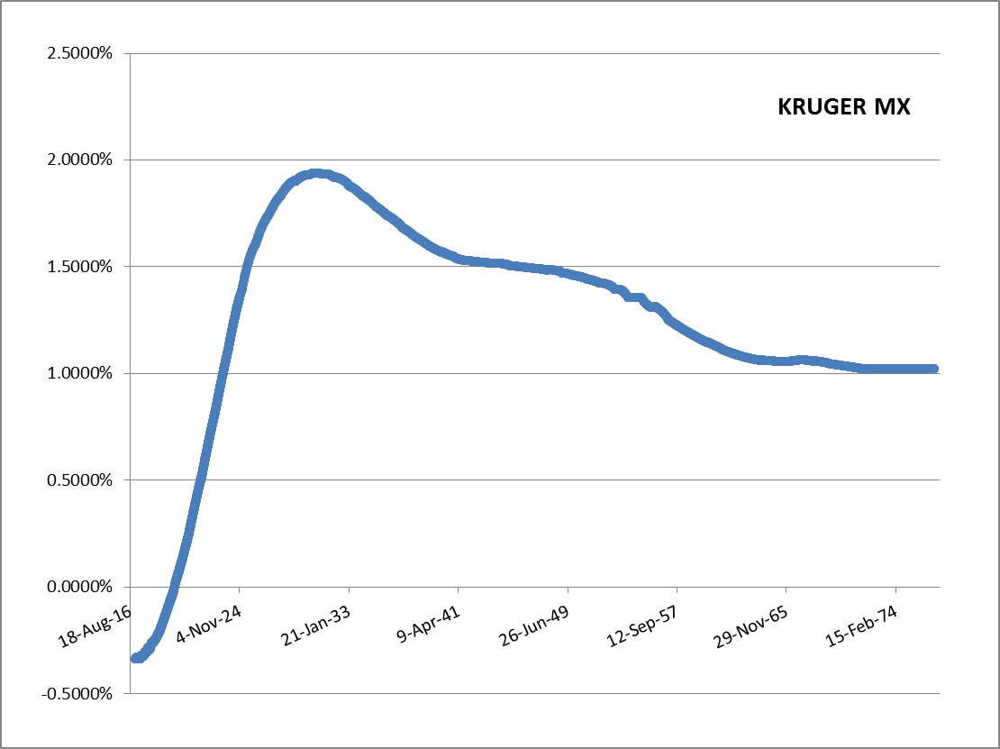
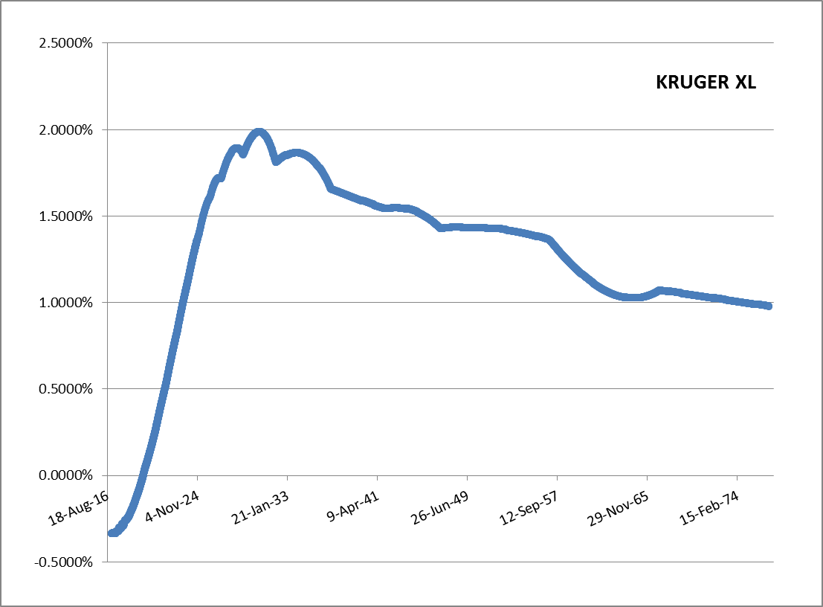
 |  |  |  |  |  | EUR6MSW7Y= | - | EUR6MSW7Y= | - | EUR6MSW7Y= | - | EUR6MSW7Y= | -
 |  |  |  |  |  | EUR6MSW8Y= | - | EUR6MSW8Y= | - | EUR6MSW8Y= | - | EUR6MSW8Y= | -
 |  |  |  |  |  | EUR6MSW9Y= | - | EUR6MSW9Y= | - | EUR6MSW9Y= | - | EUR6MSW9Y= | -
 |  |  |  |  |  | EUR6MSW10Y= | - | EUR6MSW10Y= | - | EUR6MSW10Y= | - | EUR6MSW10Y= | -
 |  |  |  |  |  | EUR6MSW11Y= | - | EUR6MSW11Y= | - | EUR6MSW11Y= | - | EUR6MSW11Y= | -
 |  |  |  |  |  | EUR6MSW12Y= | - | EUR6MSW12Y= | - | EUR6MSW12Y= | - | EUR6MSW12Y= | -
 |  |  |  |  |  | EUR6MSW13Y= | - | EUR6MSW13Y= | - | EUR6MSW13Y= | - | EUR6MSW13Y= | -
 |  |  |  |  |  | EUR6MSW14Y= | - | EUR6MSW14Y= | - | EUR6MSW14Y= | - | EUR6MSW14Y= | -
 |  |  |  |  |  | EUR6MSW15Y= | - | EUR6MSW15Y= | - | EUR6MSW15Y= | - | EUR6MSW15Y= | -
KRUGER: |  |  |  |  |  | EUR6MSW16Y= | - | EUR6MSW16Y= | - | EUR6MSW16Y= | - | EUR6MSW16Y= | -
 |  |  |  |  |  | EUR6MSW17Y= | - | EUR6MSW17Y= | - | EUR6MSW17Y= | - | EUR6MSW17Y= | -
 |  |  |  |  |  | EUR6MSW18Y= | - | EUR6MSW18Y= | - | EUR6MSW18Y= | - | EUR6MSW18Y= | -
 |  |  |  |  |  | EUR6MSW19Y= | - | EUR6MSW19Y= | - | EUR6MSW19Y= | - | EUR6MSW19Y= | -
 |  |  |  |  |  | EUR6MSW20Y= | - | EUR6MSW20Y= | - | EUR6MSW20Y= | - | EUR6MSW20Y= | -
 |  |  |  |  |  | EUR6MSW21Y= | - | EUR6MSW21Y= | - | EUR6MSW21Y= | - | EUR6MSW21Y= | -
 |  |  |  |  |  | EUR6MSW22Y= | - | EUR6MSW22Y= | - | EUR6MSW22Y= | - | EUR6MSW22Y= | -
 |  |  |  |  |  | EUR6MSW23Y= | - | EUR6MSW23Y= | - | EUR6MSW23Y= | - | EUR6MSW23Y= | -
 |  |  |  |  |  | EUR6MSW24Y= | - | EUR6MSW24Y= | - | EUR6MSW24Y= | - | EUR6MSW24Y= | -
 |  |  |  |  |  | EUR6MSW25Y= | - | EUR6MSW25Y= | - | EUR6MSW25Y= | - | EUR6MSW25Y= | -
 |  |  |  |  |  | EUR6MSW26Y= | - | EUR6MSW26Y= | - | EUR6MSW26Y= | - | EUR6MSW26Y= | -
 |  |  |  |  |  | EUR6MSW27Y= | - | EUR6MSW27Y= | - | EUR6MSW27Y= | - | EUR6MSW27Y= | -
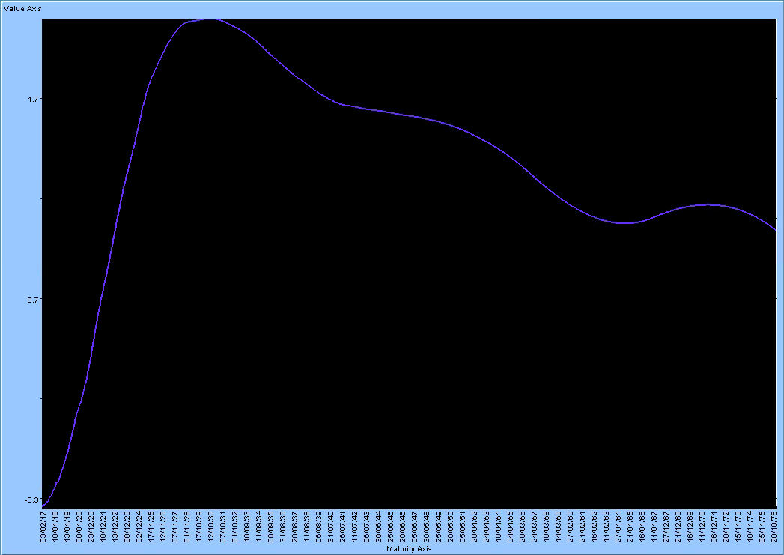
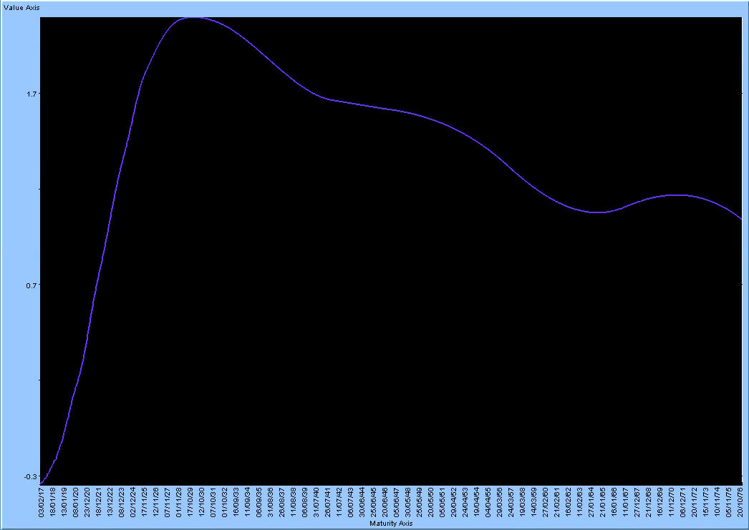
 |  |  |  |  |  | EUR6MSW28Y= | - | EUR6MSW28Y= | - | EUR6MSW28Y= | - | EUR6MSW28Y= | -
 |  |  |  |  |  | EUR6MSW29Y= | - | EUR6MSW29Y= | - | EUR6MSW29Y= | - | EUR6MSW29Y= | -
 |  |  |  |  |  | EUR6MSW30Y= | - | EUR6MSW30Y= | - | EUR6MSW30Y= | - | EUR6MSW30Y= | -
 |  |  |  |  |  | EUR6MSW31Y= | - | EUR6MSW31Y= | - | EUR6MSW31Y= | - | EUR6MSW31Y= | -
 |  |  |  |  |  | EUR6MSW32Y= | - | EUR6MSW32Y= | - | EUR6MSW32Y= | - | EUR6MSW32Y= | -
 |  |  |  |  |  | EUR6MSW33Y= | - | EUR6MSW33Y= | - | EUR6MSW33Y= | - | EUR6MSW33Y= | -
 |  |  |  |  |  | EUR6MSW34Y= | - | EUR6MSW34Y= | - | EUR6MSW34Y= | - | EUR6MSW34Y= | -
 |  |  |  |  |  | EUR6MSW35Y= | - | EUR6MSW35Y= | - | EUR6MSW35Y= | - | EUR6MSW35Y= | -
 |  |  |  |  |  | EUR6MSW36Y= | - | EUR6MSW36Y= | - | EUR6MSW36Y= | - | EUR6MSW36Y= | -
 |  |  |  |  |  | EUR6MSW37Y= | - | EUR6MSW37Y= | - | EUR6MSW37Y= | - | EUR6MSW37Y= | -
ADAPTIVE: |  |  |  |  |  | EUR6MSW38Y= | - | EUR6MSW38Y= | - | EUR6MSW38Y= | - | EUR6MSW38Y= | -
The most promising Murex interpolation. It seems able to produce smooth forward also with low pillar density (very similar to Hyman shape!!). Waiting for docs to test it in Excel.
 |  |  |  |  |  | EUR6MSW39Y= | - | EUR6MSW39Y= | - | EUR6MSW39Y= | - | EUR6MSW39Y= | -
 |  |  |  |  |  | EUR6MSW40Y= | - | EUR6MSW40Y= | - | EUR6MSW40Y= | - | EUR6MSW40Y= | -
 |  |  |  |  |  | EUR6MSW50Y= | - | EUR6MSW50Y= | - | EUR6MSW50Y= | - | EUR6MSW50Y= | -
 |  |  |  |  |  | EUR6MSW60Y= | - | EUR6MSW60Y= | - | EUR6MSW60Y= | - | EUR6MSW60Y= | -
 |  |  |  |  |  | EURONDPON= | 7 | EURONDPON= | 7 | EURONDPON= | 7 | EURONDPON= | 7
 |  |  |  |  |  | EURONDPTN= | 22 | EURONDPTN= | 22 | EURONDPTN= | 22 | EURONDPTN= | 22
 |  |  |  |  |  | EURONDPSN= | - | EURONDPSN= | - | EURONDPSN= | - | EURONDPSN= | -
 |  |  |  |  |  | EURONOISSW= | - | EURONOISSW= | - | EURONOISSW= | - | EURONOISSW= | -
 |  |  |  |  |  | EURONOIS2W= | - | EURONOIS2W= | - | EURONOIS2W= | - | EURONOIS2W= | -
 |  |  |  |  |  | EURONOIS3W= | - | EURONOIS3W= | - | EURONOIS3W= | - | EURONOIS3W= | -
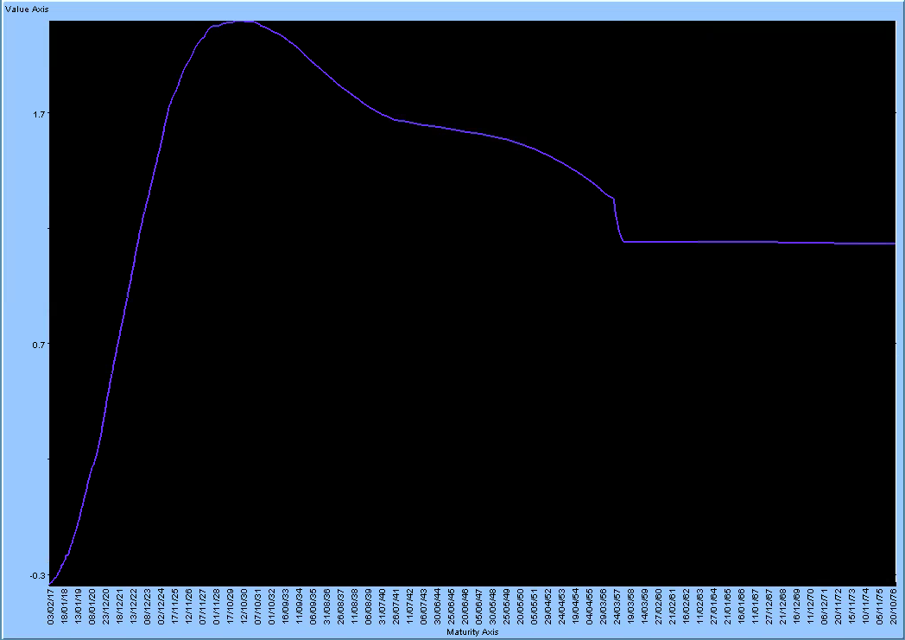
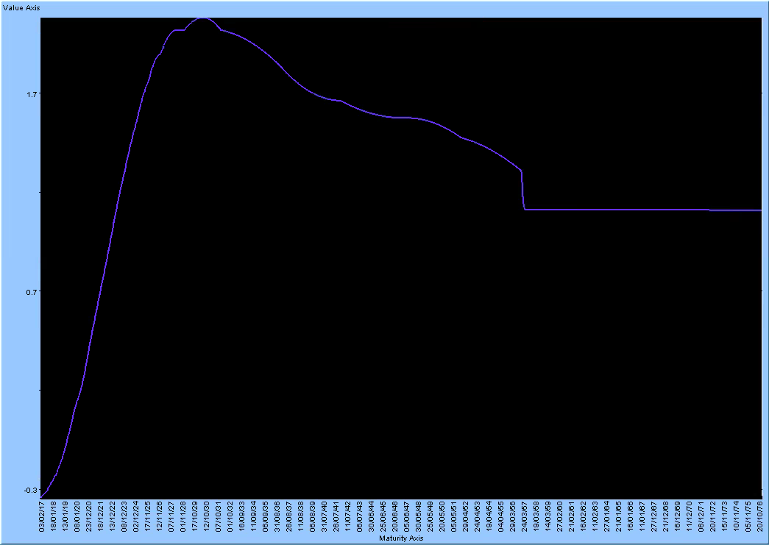
 |  |  |  |  |  | EURONOIS1M= | - | EURONOIS1M= | - | EURONOIS1M= | - | EURONOIS1M= | -
 |  |  |  |  |  | EURONOIS2M= | - | EURONOIS2M= | - | EURONOIS2M= | - | EURONOIS2M= | -
 |  |  |  |  |  | EURONOIS3M= | - | EURONOIS3M= | - | EURONOIS3M= | - | EURONOIS3M= | -
 |  |  |  |  |  | EURONOIS4M= | - | EURONOIS4M= | - | EURONOIS4M= | - | EURONOIS4M= | -
 |  |  |  |  |  | EURONOIS5M= | - | EURONOIS5M= | - | EURONOIS5M= | - | EURONOIS5M= | -
 |  |  |  |  |  | EURONOIS6M= | -27,605 | EURONOIS6M= | -27,605 | EURONOIS6M= | -27,605 | EURONOIS6M= | -27,605
 |  |  |  |  |  | EURONOIS7M= | - | EURONOIS7M= | - | EURONOIS7M= | - | EURONOIS7M= | -
 |  |  |  |  |  | EURONOIS8M= | - | EURONOIS8M= | - | EURONOIS8M= | - | EURONOIS8M= | -
MONOTONE |  |  |  |  |  | EURONOIS9M= | - | EURONOIS9M= | - | EURONOIS9M= | - | EURONOIS9M= | -
CONVEX: |  |  |  |  |  | EURONOIS10M= | - | EURONOIS10M= | - | EURONOIS10M= | - | EURONOIS10M= | -
 |  |  |  |  |  | EURONOIS11M= | -573 | EURONOIS11M= | -573 | EURONOIS11M= | -573 | EURONOIS11M= | -573
 |  |  |  |  |  | EURONOIS1Y= | -106,017 | EURONOIS1Y= | -106,000 | EURONOIS1Y= | -106,011 | EURONOIS1Y= | -106,011
 |  |  |  |  |  | EURONOIS13M= | - | EURONOIS13M= | - | EURONOIS13M= | - | EURONOIS13M= | -
 |  |  |  |  |  | EURONOIS14M= | - | EURONOIS14M= | - | EURONOIS14M= | - | EURONOIS14M= | -
 |  |  |  |  |  | EURONOIS15M= | - | EURONOIS15M= | - | EURONOIS15M= | - | EURONOIS15M= | -
 |  |  |  |  |  | EURONOIS16M= | - | EURONOIS16M= | - | EURONOIS16M= | - | EURONOIS16M= | -
Hermite and MonotoneConvex do not seems so promising as Adaptive splines since they are not able to produce good curves without high pillar density.
 |  |  |  |  |  | EURONOIS17M= | - | EURONOIS17M= | - | EURONOIS17M= | - | EURONOIS17M= | -
 |  |  |  |  |  | EURONOIS18M= | 83,640 | EURONOIS18M= | 83,640 | EURONOIS18M= | 83,640 | EURONOIS18M= | 83,640
 |  |  |  |  |  | EURONOIS19M= | - | EURONOIS19M= | - | EURONOIS19M= | - | EURONOIS19M= | -
 |  |  |  |  |  | EURONOIS20M= | - | EURONOIS20M= | - | EURONOIS20M= | - | EURONOIS20M= | -
 |  |  |  |  |  | EURONOIS21M= | - | EURONOIS21M= | - | EURONOIS21M= | - | EURONOIS21M= | -
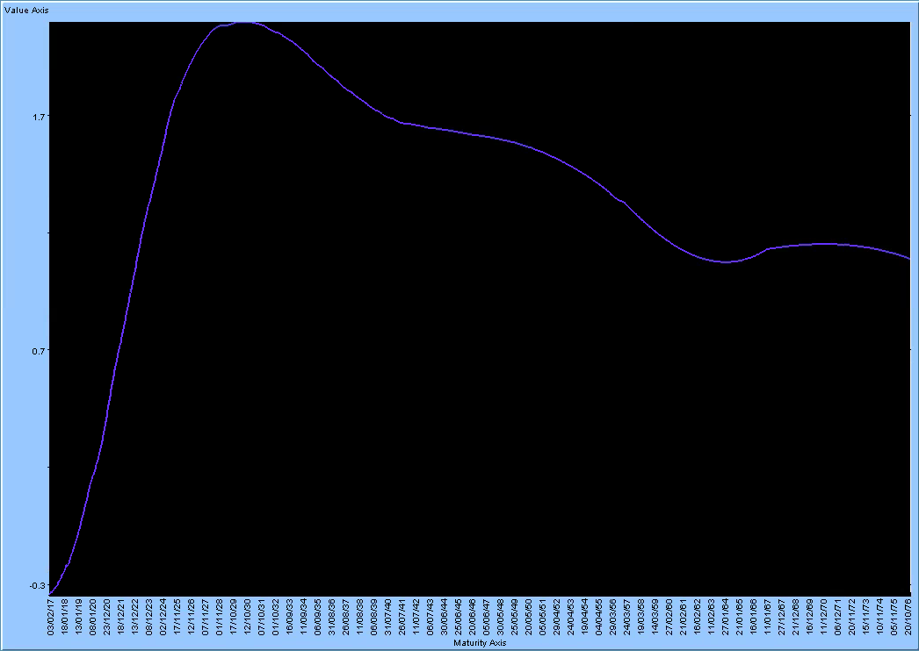
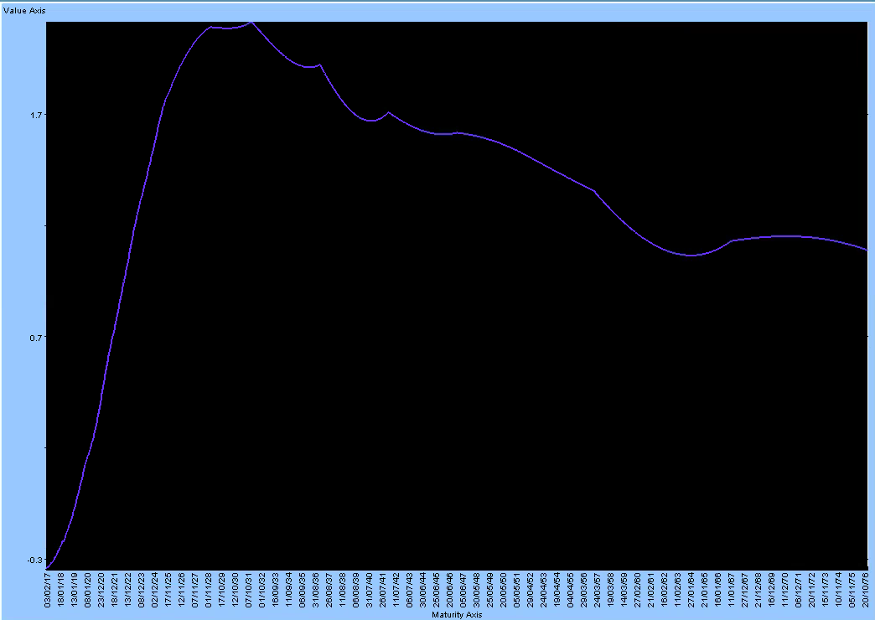
 |  |  |  |  |  | EURONOIS22M= | - | EURONOIS22M= | - | EURONOIS22M= | - | EURONOIS22M= | -
 |  |  |  |  |  | EURONOIS23M= | -391,720 | EURONOIS23M= | -391,720 | EURONOIS23M= | -391,720 | EURONOIS23M= | -391,720
 |  |  |  |  |  | EURONOIS2Y= | 509,570 | EURONOIS2Y= | 509,570 | EURONOIS2Y= | 509,570 | EURONOIS2Y= | 509,570
 |  |  |  |  |  | EURONOIS3Y= | 188,605 | EURONOIS3Y= | 188,605 | EURONOIS3Y= | 188,605 | EURONOIS3Y= | 188,605
 |  |  |  |  |  | EURONOIS4Y= | -17,351 | EURONOIS4Y= | -17,351 | EURONOIS4Y= | -17,351 | EURONOIS4Y= | -17,351
 |  |  |  |  |  | EURONOIS5Y= | - | EURONOIS5Y= | - | EURONOIS5Y= | - | EURONOIS5Y= | -
 |  |  |  |  |  | EURONOIS6Y= | - | EURONOIS6Y= | - | EURONOIS6Y= | - | EURONOIS6Y= | -
 |  |  |  |  |  | EURONOIS7Y= | - | EURONOIS7Y= | - | EURONOIS7Y= | - | EURONOIS7Y= | -
 |  |  |  |  |  | EURONOIS8Y= | - | EURONOIS8Y= | - | EURONOIS8Y= | - | EURONOIS8Y= | -
 |  |  |  |  |  | EURONOIS9Y= | - | EURONOIS9Y= | - | EURONOIS9Y= | - | EURONOIS9Y= | -
HERMITE: |  |  |  |  |  | EURONOIS10Y= | - | EURONOIS10Y= | - | EURONOIS10Y= | - | EURONOIS10Y= | -
 |  |  |  |  |  | EURONOIS11Y= | - | EURONOIS11Y= | - | EURONOIS11Y= | - | EURONOIS11Y= | -
 |  |  |  |  |  | EURONOIS12Y= | - | EURONOIS12Y= | - | EURONOIS12Y= | - | EURONOIS12Y= | -
 |  |  |  |  |  | EURONOIS13Y= | - | EURONOIS13Y= | - | EURONOIS13Y= | - | EURONOIS13Y= | -
 |  |  |  |  |  | EURONOIS14Y= | - | EURONOIS14Y= | - | EURONOIS14Y= | - | EURONOIS14Y= | -
 |  |  |  |  |  | EURONOIS15Y= | - | EURONOIS15Y= | - | EURONOIS15Y= | - | EURONOIS15Y= | -
 |  |  |  |  |  | EURONOIS16Y= | - | EURONOIS16Y= | - | EURONOIS16Y= | - | EURONOIS16Y= | -
 |  |  |  |  |  | EURONOIS17Y= | - | EURONOIS17Y= | - | EURONOIS17Y= | - | EURONOIS17Y= | -
 |  |  |  |  |  | EURONOIS18Y= | - | EURONOIS18Y= | - | EURONOIS18Y= | - | EURONOIS18Y= | -
 |  |  |  |  |  | EURONOIS19Y= | - | EURONOIS19Y= | - | EURONOIS19Y= | - | EURONOIS19Y= | -
 |  |  |  |  |  | EURONOIS20Y= | - | EURONOIS20Y= | - | EURONOIS20Y= | - | EURONOIS20Y= | -
 |  |  |  |  |  | EURONOIS21Y= | - | EURONOIS21Y= | - | EURONOIS21Y= | - | EURONOIS21Y= | -
Curves calibrated as Spread over/under a Backbone curve
 |  |  |  |  |  | EURONOIS22Y= | - | EURONOIS22Y= | - | EURONOIS22Y= | - | EURONOIS22Y= | -
 |  |  |  |  |  | EURONOIS23Y= | - | EURONOIS23Y= | - | EURONOIS23Y= | - | EURONOIS23Y= | -
 |  |  |  |  |  | EURONOIS24Y= | - | EURONOIS24Y= | - | EURONOIS24Y= | - | EURONOIS24Y= | -
 |  |  |  |  |  | EURONOIS25Y= | - | EURONOIS25Y= | - | EURONOIS25Y= | - | EURONOIS25Y= | -
SPREAD
 |  |  |  |  |  | EURONOIS26Y= | - | EURONOIS26Y= | - | EURONOIS26Y= | - | EURONOIS26Y= | -
 |  |  |  |  |  | EURONOIS27Y= | - | EURONOIS27Y= | - | EURONOIS27Y= | - | EURONOIS27Y= | -
Spread curves calibrated using a backbone with XL like pillar density (MORE TEST TO BE DONE).
 |  |  |  |  |  | EURONOIS28Y= | - | EURONOIS28Y= | - | EURONOIS28Y= | - | EURONOIS28Y= | -
 |  |  |  |  |  | EURONOIS29Y= | - | EURONOIS29Y= | - | EURONOIS29Y= | - | EURONOIS29Y= | -
 |  |  |  |  |  | EURONOIS30Y= | - | EURONOIS30Y= | - | EURONOIS30Y= | - | EURONOIS30Y= | -
Pillar MX
Pillar XL
 |  |  |  |  |  | EURONOIS35Y= | - | EURONOIS35Y= | - | EURONOIS35Y= | - | EURONOIS35Y= | -
 |  |  |  |  |  | EURONOIS40Y= | - | EURONOIS40Y= | - | EURONOIS40Y= | - | EURONOIS40Y= | -
 |  |  |  |  |  | EURONOIS50Y= | - | EURONOIS50Y= | - | EURONOIS50Y= | - | EURONOIS50Y= | -
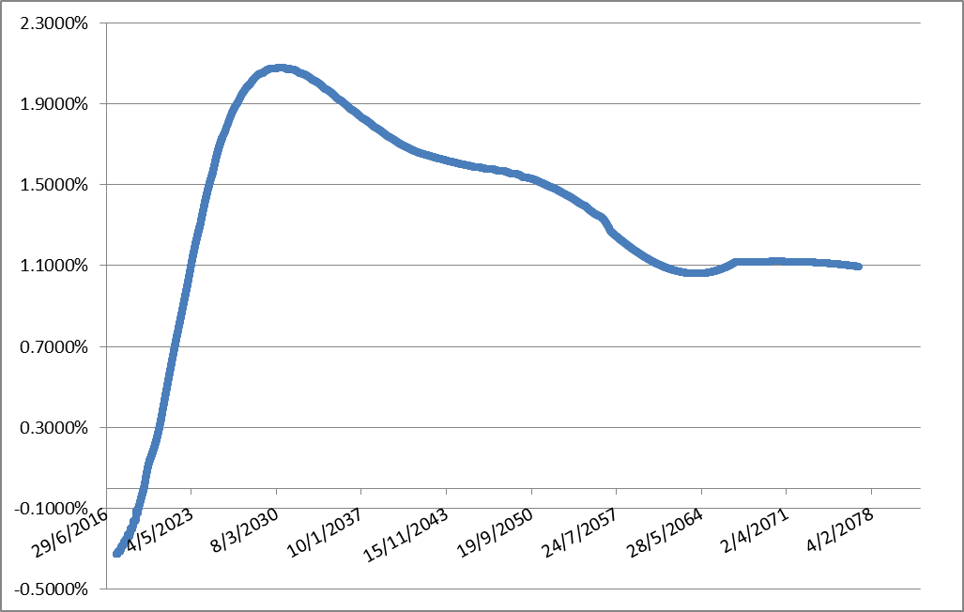
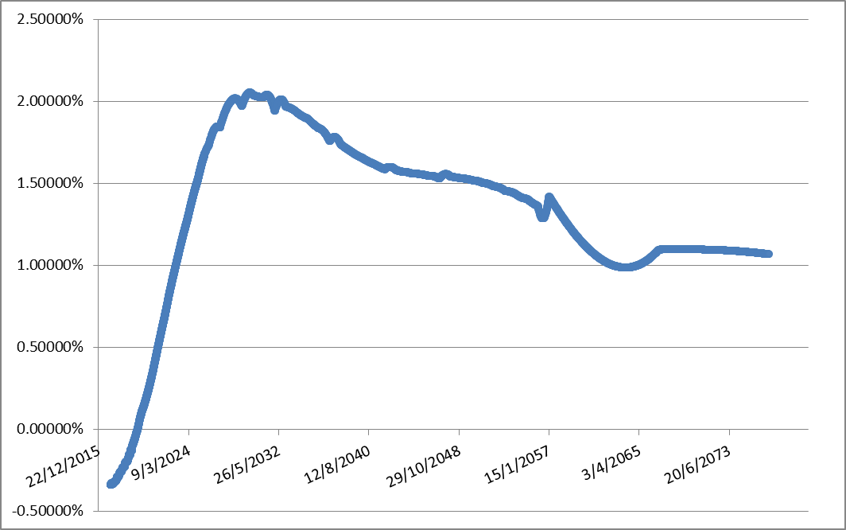
 |  |  |  |  |  | EURONOIS60Y= | - | EURONOIS60Y= | - | EURONOIS60Y= | - | EURONOIS60Y= | -

FInally, Harmonic spline produces deltas very similar to the kruger's ones in terms of locality. However Harmonic are more stable as Kruger in this particular case but more tests are needed.
Hyman sensitivities are extremely non-local due to the fact that the filter is applied to a Cubic Natural Spline (which is of C2 order: continuous second derivatives)
As expected the most local (and also stable) interpolazion is the Linear one which is the best "hedging interpolation" but, on the other side, the worst "pricing interpolation"
Kruger scheme looks like a middle way between Linear and Hyman in terms of locality. However, in this example it produces the worst difference between paraller and sequential delta

BKBONE6M
KRUGER:

EUR3M curve bootstrapped as Spread under the EUR6M (Backbone) curve.
In conclusion, the purpose of the whole analysis is to check if today's curve practices could be improved in some way. We see that it is difficult to obtain smooth forward rates when pillar density is reduced. The most promising approaches in terms of smoothness are Hyman (which, otherwise, suffer of sensitivity problems like: non-locality/instability) and Adaptive spline (which deserve to be tested in more details especially in the hedging point of view).
We see also that Kruger e/o Harmonic splines are able to produce quite local deltas, which are good for hedging purpose, and quite smooth forwards, which are good for pricing purpose asserting themselves as a good trade-off between smoothness and locality


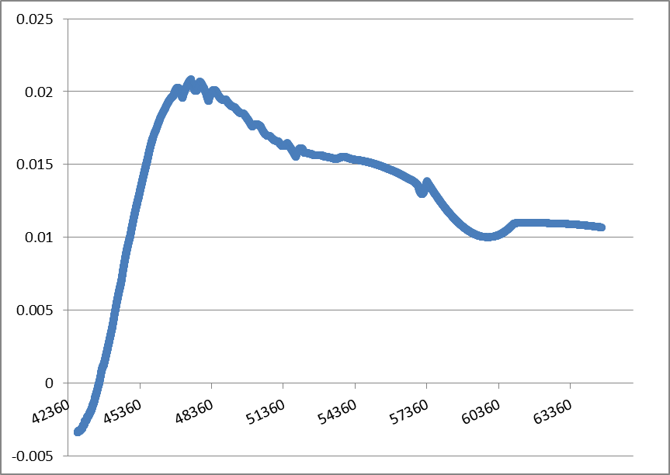
EUR3M curve bootstrapped as Spread over the EUROIS (Backbone) curve.

BKBONEOIS
KRUGER:

