Con-Artists
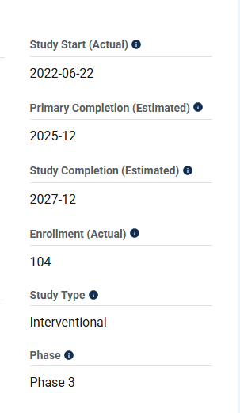

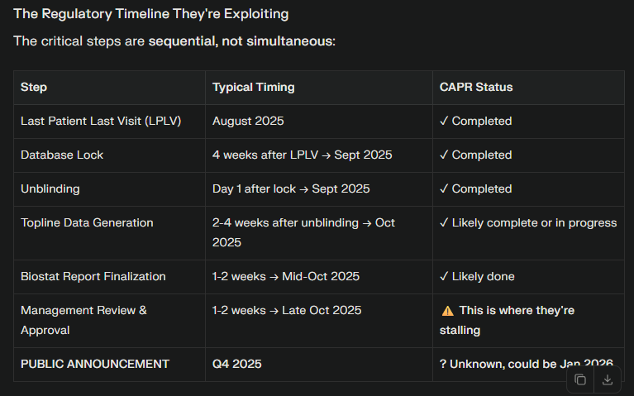
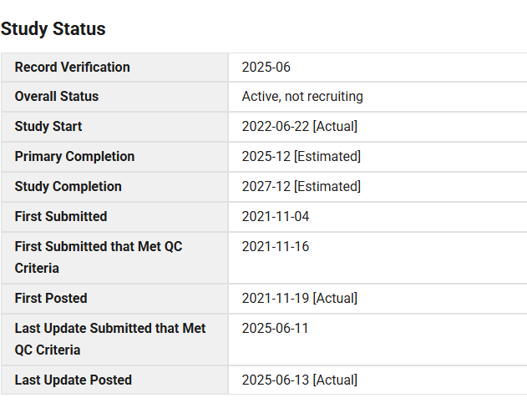
 |  |  |  |  |  | Event | Date | Days from Trial Start | Status | Notes
 |  |  |  |  |  | Trial Start | 2022-06-22 | 0 | Actual | Official start
 |  |  |  |  |  | Ideal Enrollment End | 2022-12-19 | 180 | Ideal | 6 months enrollment
 |  |  |  |  |  | Cohort A Enrollment | 2023-12-10 | 536 | Actual | Announced Dec 2023
 |  |  |  | Study Start Actual: | 2022-06-22 | Ideal Treatment Complete | 2023-12-19 | 545 | Ideal | 12-month treatment
 |  |  |  |  |  | DSMB Interim Review | 2024-04-16 | 664 | Actual | Positive futility, promised Q4 2024
 |  |  |  |  |  | Full Enrollment Complete | 2024-08-07 | 777 | Actual | All 105 patients enrolled
 |  |  |  |  |  | Ideal Data Release | 2024-03-18 | 635 | Ideal | 3 months post-treatment analysis
 |  |  |  |  |  | Original Q4 2024 Promise | 2024-11-15 | 877 | Promised | From April 2024 announcement
 |  |  |  |  |  | CRL Received | 2025-07-11 | 1115 | Actual | Now promises Q3 2025 data
 |  |  |  |  |  | Revised Q3 2025 Promise | 2025-09-15 | 1181 | Promised | From July 2025 CRL
 |  |  |  |  |  | Type A Meeting | 2025-09-24 | 1190 | Actual | Now promises mid-Q4 2025
 |  |  |  |  |  | Today | 2025-11-11 | 1238 | Actual | Still waiting...
 |  |  |  |  |  | Current Mid-Q4 2025 Promise | 2025-11-15 | 1242 | Promised | Current expectation late q4
 |  |  |  |  |  | ClinicalTrials.gov Deadline | 2025-12-31 | 1288 | Deadline | "Latest possible date"

Scenario | Peak Sales | EV Multiple | Equity Value | Price/Share | vs. Current
DMD Success(PUL v2.0 passes) | $100-200M | 5-6x | $500-1.2B | $12-28 | +92-348%✓
Cardiac Modest(DMD cardiomyopathy only) | $50M | 3-4x | $150-200M | $3.50-4.65 | -44-56%✗
Cardiac Upside(Dilated cardiomyopathy) | $150M | 4-5x | $600-750M | $14-17.45 | 121.21
Cardiac Home Run(HFrEF) | $300M | 5-6x | $1.5-1.8B | $35-42 | 453.29
Primary Fails(No approval) | $0 | N/A | ~$50M (cash) | $0.50-1.00 | -92-96%✗

Sheet3
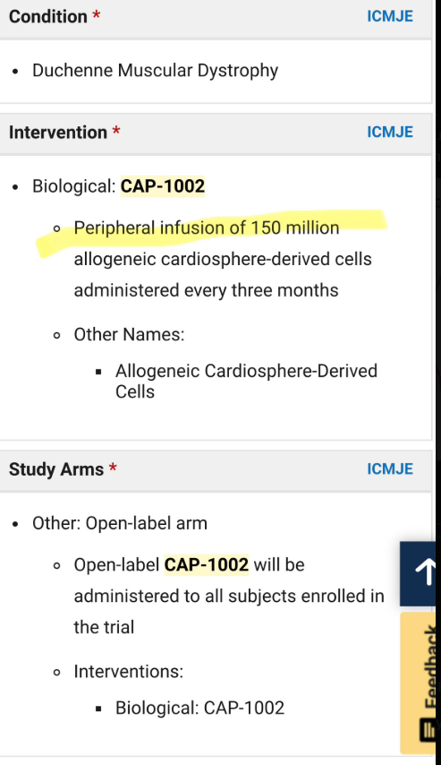
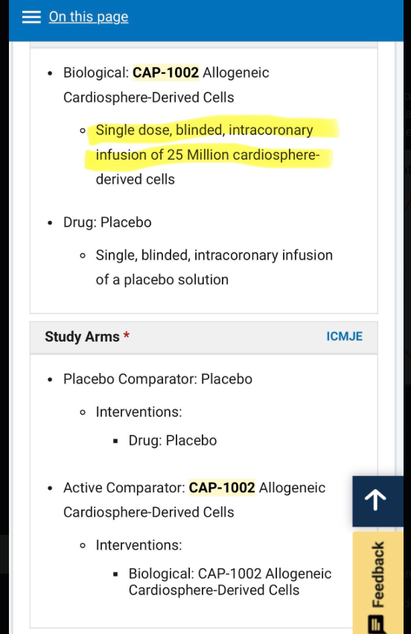
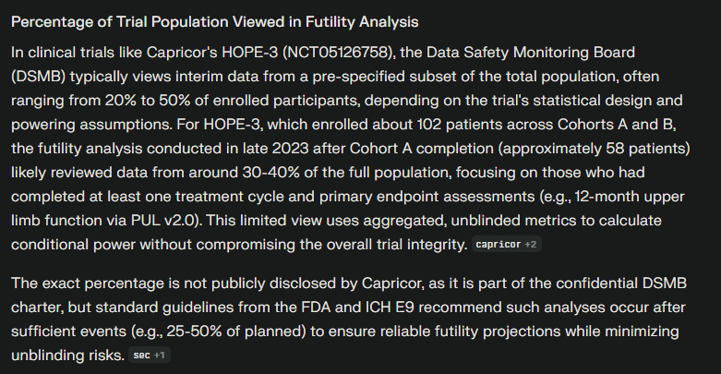
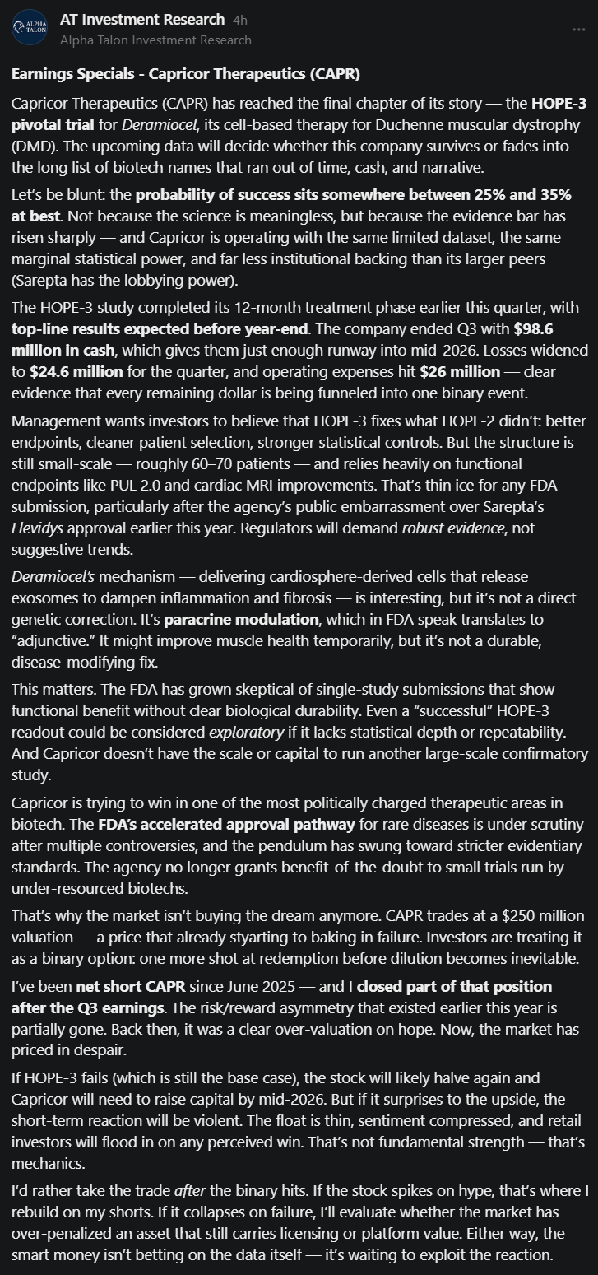
HOPE-2 | ALLSTAR Trial

Nile-LVEF
