Overview
Faculty Progress Report — Completion Overview
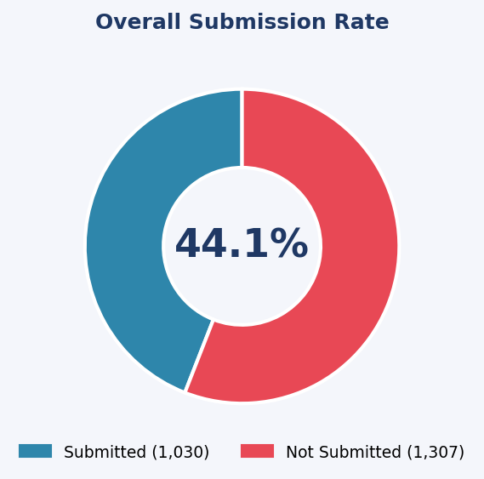
Source File | progress_report_campaigns_report_20260523-2136182-3wpx58.csv
Generated | 05/23/2026 02:20 PM

Total Sections | 2337
Submitted | 1030
Not Submitted | 1307
Overall Completion | 44.1%

Completion by College
College | Total Sections | Submitted | Not Submitted | Completion %
Arts & Letters | 798 | 324 | 474 | 40.6%
Business | 372 | 152 | 220 | 40.9%
EG | 224 | 161 | 63 | 71.9%
Education | 117 | 49 | 68 | 41.9%
HC | 155 | 46 | 109 | 29.7%
Medicine | 9 | 0 | 9 | 0.0%
NU | 63 | 58 | 5 | 92.1%
SJ | 82 | 51 | 31 | 62.2%
Science | 517 | 189 | 328 | 36.6%

By_College
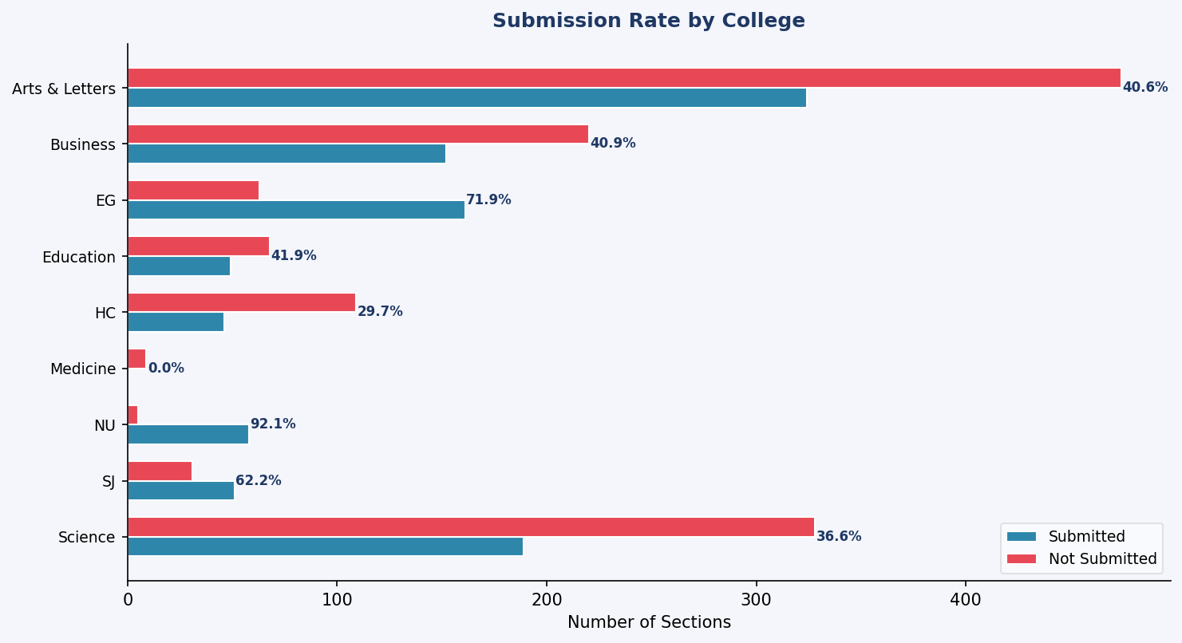
Completion by College
Total Sections | Submitted | Not Submitted | Completion %
798 | 324 | 474 | 40.6%
372 | 152 | 220 | 40.9%
224 | 161 | 63 | 71.9%
117 | 49 | 68 | 41.9%
155 | 46 | 109 | 29.7%
9 | 0 | 9 | 0.0%
63 | 58 | 5 | 92.1%
82 | 51 | 31 | 62.2%
517 | 189 | 328 | 36.6%

By_Department
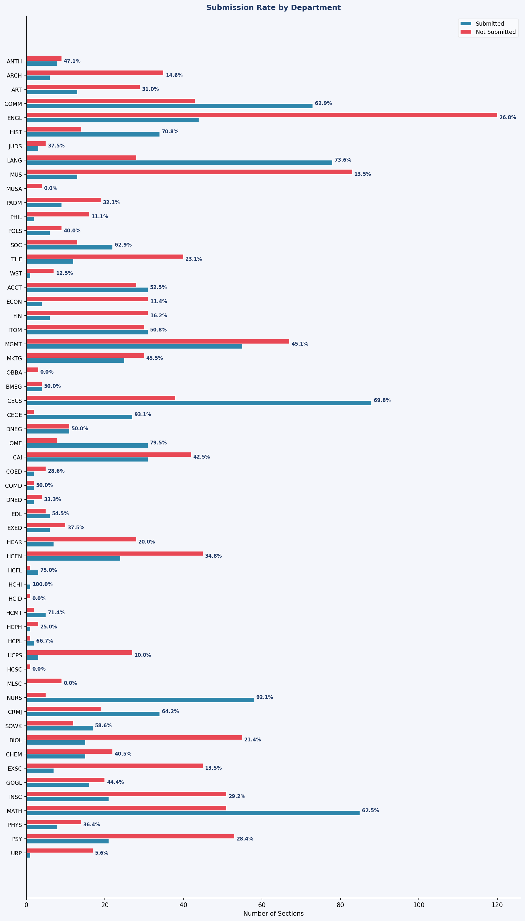
Completion by Department
College | Department | Total Sections | Submitted | Not Submitted | Completion %
Arts & Letters | ANTH | 17 | 8 | 9 | 47.1%
Arts & Letters | ARCH | 41 | 6 | 35 | 14.6%
Arts & Letters | ART | 42 | 13 | 29 | 31.0%
Arts & Letters | COMM | 116 | 73 | 43 | 62.9%
Arts & Letters | ENGL | 164 | 44 | 120 | 26.8%
Arts & Letters | HIST | 48 | 34 | 14 | 70.8%
Arts & Letters | JUDS | 8 | 3 | 5 | 37.5%
Arts & Letters | LANG | 106 | 78 | 28 | 73.6%
Arts & Letters | MUS | 96 | 13 | 83 | 13.5%
Arts & Letters | MUSA | 4 | 0 | 4 | 0.0%
Arts & Letters | PADM | 28 | 9 | 19 | 32.1%
Arts & Letters | PHIL | 18 | 2 | 16 | 11.1%
Arts & Letters | POLS | 15 | 6 | 9 | 40.0%
Arts & Letters | SOC | 35 | 22 | 13 | 62.9%
Arts & Letters | THE | 52 | 12 | 40 | 23.1%
Arts & Letters | WST | 8 | 1 | 7 | 12.5%
Business | ACCT | 59 | 31 | 28 | 52.5%
Business | ECON | 35 | 4 | 31 | 11.4%
Business | FIN | 37 | 6 | 31 | 16.2%
Business | ITOM | 61 | 31 | 30 | 50.8%
Business | MGMT | 122 | 55 | 67 | 45.1%
Business | MKTG | 55 | 25 | 30 | 45.5%
Business | OBBA | 3 | 0 | 3 | 0.0%
EG | BMEG | 8 | 4 | 4 | 50.0%
EG | CECS | 126 | 88 | 38 | 69.8%
EG | CEGE | 29 | 27 | 2 | 93.1%
EG | DNEG | 22 | 11 | 11 | 50.0%
EG | OME | 39 | 31 | 8 | 79.5%
Education | CAI | 73 | 31 | 42 | 42.5%
Education | COED | 7 | 2 | 5 | 28.6%
Education | COMD | 4 | 2 | 2 | 50.0%
Education | DNED | 6 | 2 | 4 | 33.3%
Education | EDL | 11 | 6 | 5 | 54.5%
Education | EXED | 16 | 6 | 10 | 37.5%
HC | HCAR | 35 | 7 | 28 | 20.0%
HC | HCEN | 69 | 24 | 45 | 34.8%
HC | HCFL | 4 | 3 | 1 | 75.0%
HC | HCHI | 1 | 1 | 0 | 100.0%
HC | HCID | 1 | 0 | 1 | 0.0%
HC | HCMT | 7 | 5 | 2 | 71.4%
HC | HCPH | 4 | 1 | 3 | 25.0%
HC | HCPL | 3 | 2 | 1 | 66.7%
HC | HCPS | 30 | 3 | 27 | 10.0%
HC | HCSC | 1 | 0 | 1 | 0.0%
Medicine | MLSC | 9 | 0 | 9 | 0.0%
NU | NURS | 63 | 58 | 5 | 92.1%
SJ | CRMJ | 53 | 34 | 19 | 64.2%
SJ | SOWK | 29 | 17 | 12 | 58.6%
Science | BIOL | 70 | 15 | 55 | 21.4%
Science | CHEM | 37 | 15 | 22 | 40.5%
Science | EXSC | 52 | 7 | 45 | 13.5%
Science | GOGL | 36 | 16 | 20 | 44.4%
Science | INSC | 72 | 21 | 51 | 29.2%
Science | MATH | 136 | 85 | 51 | 62.5%
Science | PHYS | 22 | 8 | 14 | 36.4%
Science | PSY | 74 | 21 | 53 | 28.4%
Science | URP | 18 | 1 | 17 | 5.6%

