Reference
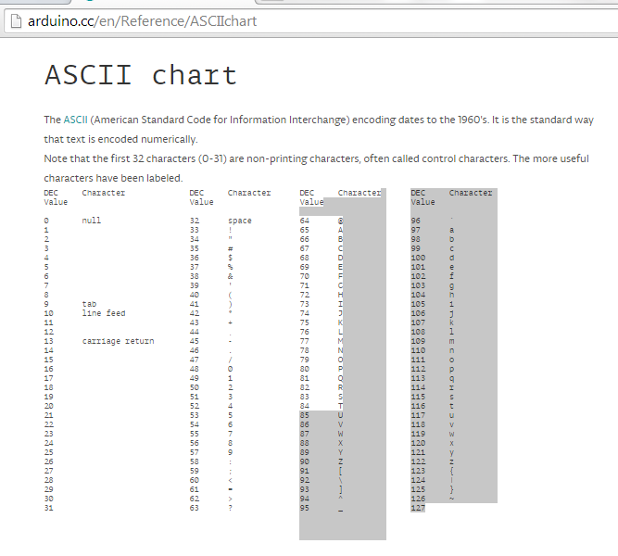
20x4 Character Display

 |  |  | 0 | 1 | 2 | 3 | 4 | 5 | 6 | 7 | 8 | 9 | 0 | 1 | 2 | 3 | 4 | 5 | 6 | 7 | 8 | 9
Opening Screen | Line | 1
 |  | 2
 |  | 3
 |  | 4

Timers | Line | 1
 |  | 2 | >
 |  | 3
 |  | 4

 |  |  | Menu Selection

