Miscellaneous
PROPERTY OVERVIEW
Location context, visuals, demographics, and qualitative assessment

PROPERTY LINKS
Property Name | Whaleshead Beach Resort
Address | 19921 Whaleshead Road, Brookings, OR
Property Type | Hybrid
Total Units | 149
County | Curry County
Asking Price | 21000000
CoStar Link
Property Website
Broker / OM
County Assessor
FEMA Flood Map

DEMOGRAPHICS
County Population | 23387.333333
5-Year Population Growth | -1.9%
Median Household Income | $62,244
Unemployment Rate | 6.0%
Top Employers | Curry Health Network / Curry Medical Center (Brookings) & Curry General Hospital (Gold Beach), Brookings-Harbor School District 17C, Commercial fishing fleet / Port of Brookings Harbor (crab, salmon, tuna), Curry County government, City of Brookings, Fred Meyer / McKay's Market retail, Sutter Coast Health / Sutter Coast Hospital (Crescent City catchment), OSU Extension, Curry Health Network / Curry Medical Center (healthcare, largest area employer), South Coast Lumber Co. & Affiliates (forest products/manufacturing), Fred Meyer (Kroger grocery/retail), Brookings-Harbor School District (Curry County R-1), Bi-Mart Corporation (retail), Southwestern Oregon Community College (Brookings campus), City of Brookings (municipal government), Waste Connections / Curry Transfer & Recycling, Curry Health Network / Curry General Hospital (critical access hospital + Brookings Curry Medical Center), Fred Meyer (Brookings), Bi-Mart, Sutter Coast Hospital (Crescent City, CA - cross-border employer)

ALTERNATIVE HOUSING (affordability)
Avg Single-Family Home Price | $498,167
Avg 1BR Apartment Rent | $1,033/mo
Avg 2BR Apartment Rent | $1,468/mo
Avg 3BR Apartment Rent | $1,750/mo
MHP All-In Monthly Cost | $1,028/mo
MHP Savings vs 2BR Apt | 30.0%

AERIAL & LOCATION MAP
Satellite / Aerial |  | Roadmap (with landmarks)
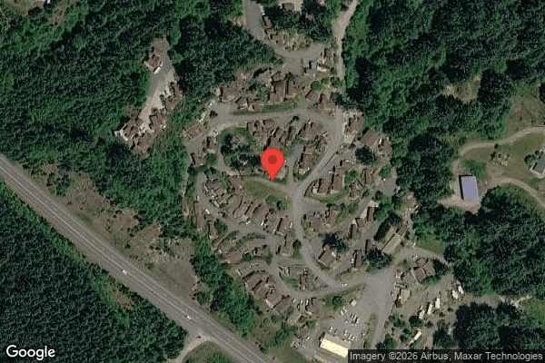
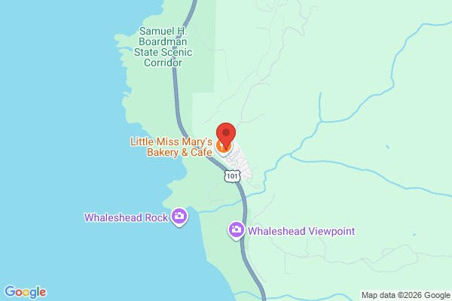

CLICKABLE URLs
Aerial / Satellite | https://www.google.com/maps/place/19921+Whaleshead+Rd,+Brookings,+OR+97415/@42.1480,-124.3490,600m/data=!3m1!1e3
Roadmap | https://www.google.com/maps/search/?api=1&query=19921+Whaleshead+Road%2C+Brookings%2C+OR
Street View (Google Maps) | https://www.google.com/maps/@?api=1&map_action=pano&viewpoint=19921+Whaleshead+Road%2C+Brookings%2C+OR
Driving Directions | https://www.google.com/maps/dir//19921+Whaleshead+Rd,+Brookings,+OR+97415

PROXIMITY TO KEY LANDMARKS
Landmark Type | Name / Address |  | Distance (mi)
Nearest Major Employer #1 | Curry Health Network – Curry Medical Center, Brookings |  | 7
Nearest Major Employer #2 | Fred Meyer, Brookings |  | 7
Nearest Major Employer #3 | Fred Meyer, Brookings |  | 7
Nearest Walmart / Big Box | Fred Meyer, Brookings (nearest Walmart is Crescent City, CA ~32 mi) |  | 7
Nearest Grocery Store | Ray's Food Place / Fred Meyer, Brookings |  | 7
Nearest Hospital / Urgent Care | Curry Medical Center (Brookings); Curry General Hospital in Gold Beach |  | 7
Nearest Elementary School | Kalmiopsis Elementary School, Brookings |  | 7
Nearest High School | Brookings-Harbor High School |  | 8
Nearest Community College / University | Southwestern Oregon Community College – Brookings Campus |  | 7
Nearest Major Highway / Interstate | US Highway 101 (adjacent, across from resort) |  | 0.1
Downtown (nearest city) | Downtown Brookings, OR |  | 7
Nearest Airport | Brookings Airport (BOK); Jack McNamara Field, Crescent City CA ~30 mi |  | 7

DILIGENCE FLAGS
HIGH | Investment Criteria — SPREAD: DOES NOT MEET INVESTMENT CRITERIA. Ingoing cap rate 4.43% (Yr-1 NOI $929,707 / $21.0M ask) vs Stabilized Yield on Cost 5.67%. Spread = 124 bps, below GGC's 200 bps minimum (short by ~76 bps). — Recommendation: Do not pursue at $21M ask. At a 6% market cap, recommended price is ~$15.5M (ingoing) — a ~$5.5M (26%) gap to ask. Renegotiate or pass.
HIGH | Unit count reconciliation: Rent roll shows 127 rows but property is 149 units — assumed 22 additional vacant lots at market rent. Confirm with broker: are vacant sites excluded from the rent roll, or is the property actually smaller than stated? — Recommendation: Obtain full rent roll with vacant sites itemized. The 22 imputed vacancies materially swing GPR/vacancy/value. If property is truly ~127 units, occupancy is ~100% and stabilized upside shrinks.
HIGH | Bad Debt underwriting divergence: Underwritten bad debt ($73,123) is ~2.8x historical T12 ($26,062). Driven by rent roll contracted rents (Mar 2026, $103,203/mo) exceeding T3 collected lot rent (Aug-Oct 2025, $97,095/mo). — Recommendation: Likely a post-period rent increase, not true delinquency. Confirm whether the higher contracted rents are being collected. If yes, bad debt should revert toward ~$26k and NRI rises ~$47k (improving the spread).
MEDIUM | RV Site Rental Income (4103): RV revenue declining steadily all year ($17,051/mo -> $12,995/mo, ~24% drop). T12 $172,705; T3 annualized $153,917. — Recommendation: Underwrote at T3 annualized. Investigate cause (occupancy loss, rate reductions, seasonal-to-LT conversions). RV income is more volatile and should be capped more conservatively.
MEDIUM | Casual Labour (5703): One-time item detected: Oct/Sep showed $10,400 each vs ~$170 average across other months. Variance of ~60x. — Recommendation: Possible one-time project or staffing transition (coincides with wages 5701 dropping to $0). Confirm scope with seller. If genuinely one-time, exclude ~$20.8k from the T12 x 1.03 basis. If recurring, leave in.
MEDIUM | Grounds Maintenance (5104) / Tree (5102): One-time item detected: Grounds final 2 months $4,230/$4,500 vs <$1,000 average; all $3,000 of Tree booked in final 2 months. Variance >4x. — Recommendation: Possible one-time landscaping/tree project. Confirm scope; if one-time, exclude from underwriting basis.
HIGH | Flood zone / Insurance: Coastal beach resort on the Oregon coast; flood zone status unknown. No flood override applied per default, but coastal exposure suggests elevated risk. — Recommendation: Verify FEMA flood map. If Zone A/AE/V/VE, apply insurance override (T12 x 1.2075) and add flood/storm capex contingency. Current insurance ~$297/unit is at top of MHC benchmark — check GGC portfolio umbrella for savings.
LOW | Property Taxes (Oregon Measure 50): Historical taxes only $15,390 on a $21M asset. Oregon does not reassess to sale price on transfer (Measure 50 caps assessed-value growth ~3%/yr). — Recommendation: Used fallback T12 x 1.15 = $17,699 (primary PP x 0.65 x rate ~$109k is inapplicable in OR). Pull parcel/levy detail to confirm no pending levy or special-district changes.
MEDIUM | Tenant Cable TV (5407): $69,426 landlord-borne cable expense vs only $2,659 cable revenue share — large net cost center. — Recommendation: Determine if cable is contractually bundled. Opportunity to renegotiate bulk contract or pass through to tenants as a recoverable utility.
MEDIUM | Rental Pool Revenue Sharing (4910): $22,774 vacation-rental pool share dropped to $0 in final month after building to ~$3,800/mo. — Recommendation: Confirm whether the rental pool program is seasonal or discontinued. If discontinued, remove ~$22.8k of Other Income.

QUESTIONS FOR SELLER / BROKER
#1 | Are vacant sites excluded from the rent roll? Property stated at 149 units but rent roll shows 127 occupied rows and Property Counts shows 126 units — what is the true site count and current physical vacancy?
#2 | Were lot rents increased after Oct 2025? Rent roll (Mar 2026) shows $964.51/lot vs T3 collected ~$907/lot — are the higher contracted rents actually being collected (drives bad debt assumption)?
#3 | What is driving the steady decline in Long-Term RV revenue (down ~24% over the year)?
#4 | Is the $20,800 Casual Labour spike (Sep/Oct) a one-time project, and is the $0 wages in those months a permanent staffing change?
#5 | Is the property in a FEMA Special Flood Hazard Area (coastal)? Please provide the FEMA zone determination.
#6 | Is the Rental Pool Revenue Sharing ($22.8k) program continuing? It went to $0 in the final month.
#7 | Are water (private/community system, high testing cost), trash, and cable contractually recoverable from tenants, or can RUBS be implemented?
#8 | Please provide the parcel number(s) and current tax bill to confirm the Oregon Measure 50 assessed value and any pending levies.

Collections
GARY GROUP CAPITAL

 | Month | GPR | Vacant | Concessions | Bad Debt | Net Rental Income | RUBS | HR Income | RV Income | Parking | Laundry | Other Income | EGI
 | Jan | $88,056 | $0 | $0 | $0 | $88,056 | $5,895 | $0 | $17,051 | $75 | $0 | $2,563 | $113,640
 | Feb | $88,064 | $0 | $0 | $0 | $88,064 | $7,137 | $0 | $14,962 | $75 | $0 | $2,348 | $112,585
 | Mar | $95,245 | $0 | $0 | $0 | $95,245 | $8,139 | $0 | $15,578 | $75 | $0 | $2,179 | $121,216
 | Apr | $96,356 | $0 | $0 | $0 | $96,356 | $7,443 | $0 | $15,645 | $75 | $0 | $923 | $120,443
 | May | $97,084 | $0 | $0 | $0 | $97,084 | $9,405 | $0 | $14,563 | $75 | $0 | $4,626 | $125,753
 | Jun | $97,396 | $0 | $0 | $0 | $97,396 | $7,438 | $0 | $14,831 | $75 | $0 | $3,213 | $122,954
 | Jul | $97,648 | $0 | $0 | $0 | $97,648 | $6,708 | $0 | $14,090 | $75 | $0 | $5,172 | $123,693
 | Aug | $97,397 | $0 | $0 | $0 | $97,397 | $6,136 | $0 | $14,090 | $75 | $0 | $5,920 | $123,617
 | Sep | $96,074 | $0 | $0 | $0 | $96,074 | $6,004 | $0 | $13,416 | $75 | $0 | $5,034 | $120,603
 | Oct | $97,095 | $0 | $0 | $0 | $97,095 | $5,117 | $0 | $12,742 | $75 | $0 | $5,059 | $120,088
 | Nov | $97,095 | $0 | $0 | $0 | $97,095 | $4,779 | $0 | $12,742 | $75 | $0 | $3,711 | $118,402
 | Dec | $97,095 | $0 | $0 | $0 | $97,095 | $4,975 | $0 | $12,995 | $75 | $0 | $1,369 | $116,509

Trailing 12 month collections
 | Avg NRI Analysis |  | % Difference |  | Net Rental Income
 | T1 | $97,095 | 0.00% | T1vsT3
 | T3 | $97,095 | 0.03% | T3vsT6
 | T6 | $97,067 | 1.77% | T6vsT12
 | T12 | $95,384

 |  |  |  |  | EGI

Trailing 12 month collections

