Miscellaneous
PROPERTY OVERVIEW
Location context, visuals, demographics, and qualitative assessment

PROPERTY LINKS
Property Name | Whaleshead Beach Resort
Address | 19921 Whaleshead Road, Brookings, OR
Property Type | Hybrid
Total Units | 127
County | Curry County
Asking Price | 10000000
CoStar Link
Property Website
Broker / OM
County Assessor
FEMA Flood Map

DEMOGRAPHICS
County Population | 23296
5-Year Population Growth | 0.0%
Median Household Income | $62,244
Unemployment Rate | 6.7%
Top Employers | Curry Health Network (critical-access hospital + 3 clinics; healthcare is the leading regional growth sector), Curry County government / Public Administration (~872 county residents in public admin), Brookings-Harbor School District 17C, City of Brookings, Fred Meyer (Brookings retail anchor), Good Samaritan Society - Curry Village (senior care), Curry Village of Cascadia (skilled nursing), Oregon Coast Community Action

ALTERNATIVE HOUSING (affordability)
Avg Single-Family Home Price | $482,752
Avg 1BR Apartment Rent | $1,102/mo
Avg 2BR Apartment Rent | $1,477/mo
Avg 3BR Apartment Rent | $1,800/mo
MHP All-In Monthly Cost | $1,018/mo
MHP Savings vs 2BR Apt | 31.0%

AERIAL & LOCATION MAP
Satellite / Aerial |  | Roadmap (with landmarks)
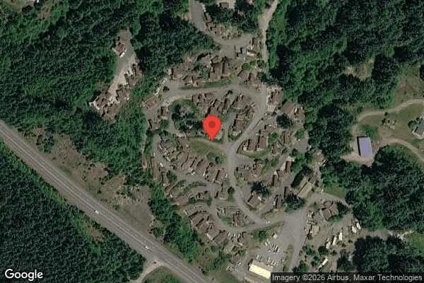
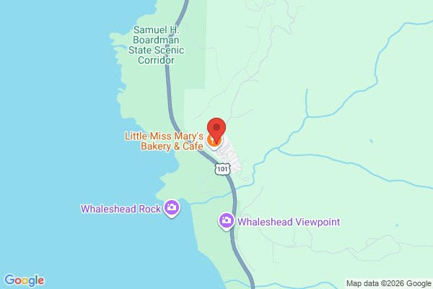

STREET VIEW
Main Entrance |  | Interior Road
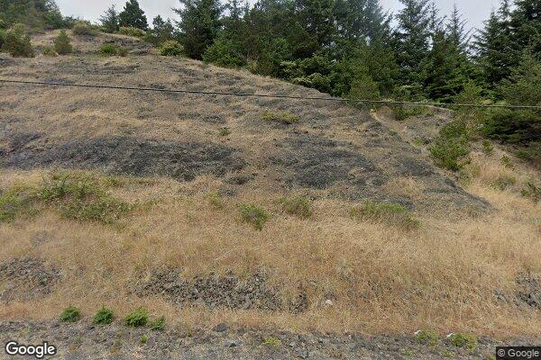
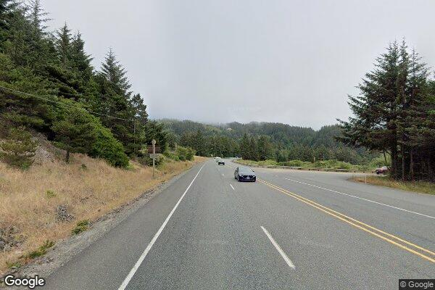

Example Home #1 |  | Example Home #2
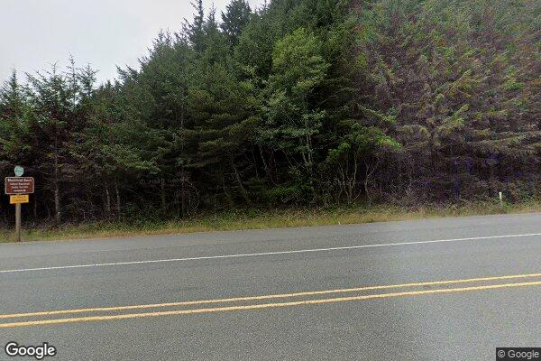
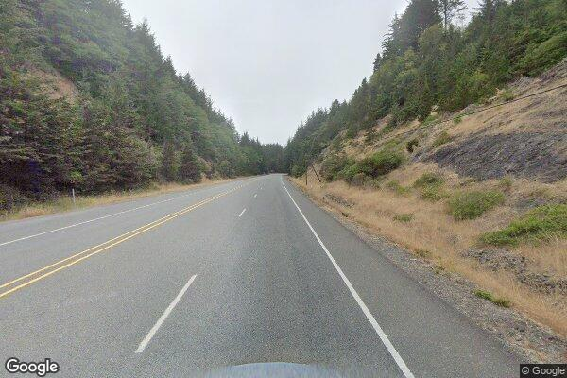

CLICKABLE URLs
Aerial / Satellite | https://www.google.com/maps/@42.14759,-124.35298,400m/data=!3m1!1e3
Roadmap | https://www.google.com/maps/search/?api=1&query=19921+Whaleshead+Road%2C+Brookings%2C+OR
Street View — Main Entrance | https://www.google.com/maps?q=19921+Whaleshead+Road,+Brookings,+OR+97415&layer=c&cbll=42.14759,-124.35298
Street View — Interior Road | https://www.google.com/maps/@42.14759,-124.35298,3a,75y/data=!3m6!1e1
Street View — Example Home #1 | https://www.google.com/maps/search/Whaleshead+Beach+Resort+Brookings+OR
Street View — Example Home #2 | https://www.flintstoneproperties.com/properties/whaleshead-beach-resort
Driving Directions | https://www.google.com/maps/dir/Brookings,+OR/19921+Whaleshead+Rd,+Brookings,+OR+97415

PROXIMITY TO KEY LANDMARKS
Landmark Type | Name / Address |  | Distance (mi)
Nearest Major Employer #1 | Curry Medical Center (Curry Health Network), Brookings |  | 8
Nearest Major Employer #2 | Fred Meyer, Brookings |  | 8
Nearest Major Employer #3 | Brookings-Harbor School District 17C |  | 9
Nearest Walmart / Big Box | Fred Meyer, Brookings (nearest Walmart is Crescent City, CA ~30 mi) |  | 8
Nearest Grocery Store | Ray's Food Place / Fred Meyer, Brookings |  | 8
Nearest Hospital / Urgent Care | Curry Medical Center, Brookings (Curry General Hospital, Gold Beach ~20 mi) |  | 8
Nearest Elementary School | Kalmiopsis Elementary School, Brookings |  | 8.5
Nearest High School | Brookings-Harbor High School |  | 9
Nearest Community College / University | Southwestern Oregon Community College - Brookings Campus |  | 8
Nearest Major Highway / Interstate | US Highway 101 |  | 0.5
Downtown (nearest city) | Downtown Brookings, OR |  | 8
Nearest Airport | Brookings Airport (BOK); Jack McNamara Field/Del Norte (CEC) ~25 mi |  | 8

DILIGENCE FLAGS
HIGH | Unit count reconciliation: Rent roll shows 127 rows but property is stated as 109 units — difference of 18 exactly equals the WHA RV (long-term RV) site count. User's 109 likely counts 107 MH lots + 1 commercial + 1 storage and excludes the 18 RV sites; alternatively the extract's row count includes a non-unit header row (Caldeira/row 7) and seller summary states 124-126 units. — Recommendation: Confirm with broker the exact unit composition and whether the 18 long-term RV sites convey in the deal. Per-unit benchmarks and CapEx reserve computed on 127 sites; re-run if RV is excluded.
HIGH | Bad Debt / collections gap: Underwritten bad debt of $73,133 (the GPR-to-collections plug) materially exceeds historical T12 bad debt of $26,062. Gap reflects rent-roll contracted rent ($103,203/mo) running above collected lot rent ($97,095/mo). — Recommendation: Determine whether the gap is genuine delinquency (collection risk) or recently implemented rent increases not yet fully collected (lot rent is trending up). Pull aged-delinquency report. Material to going-in NOI.
HIGH | Investment criteria — spread test: Stabilized Yield on Cost 9.89% minus Ingoing Cap Rate 9.28% = +61 bps, below GGC's 200 bps minimum value-add spread. DOES NOT MEET INVESTMENT CRITERIA on the spread rule. — Recommendation: This is a near-stabilized, high-going-in-yield cash-flow asset, not a classic value-add play — limited rent/occupancy upside (already 98% occupied at high coastal rents). If GGC's mandate allows core-plus yield buys, the 9.28% ingoing cap on a $10M ask is attractive; if mandate requires 200 bps value-add spread, pass.
MEDIUM | Long Term RV income decline: 4103 RV Lot Rent declined from $17,051/mo to ~$13,000/mo over the T12 (~24%). T3 annualized would be only ~$154k vs T12 $172,705. — Recommendation: Underwrote T12 as-is but confirm cause of RV attrition. If decline continues, ~$19k of NOI downside not captured.
HIGH | Flood/coastal exposure: Property is on Whaleshead Road on the southern Oregon coast; flood zone status UNKNOWN. Insurance underwritten at base x1.05 with no flood override. — Recommendation: Pull FEMA flood map. If special flood hazard zone (A/AE/V/VE), apply x1.2075 to insurance (~+$5.5k) and budget tsunami/storm-surge mitigation. Coastal insurance availability/pricing is a key diligence item.
MEDIUM | Bulk Tenant Cable TV (5407): Park pays $69,426/yr for bulk cable but recovers only $2,659 in revenue sharing — a ~$525/unit net subsidy buried in G&A. — Recommendation: Verify the cable contract terms and whether GGC can bill it back to tenants as a utility pass-through. Potential ~$66k NOI upside (not underwritten).
MEDIUM | Casual Labour spike / staffing shift: Casual Labour (5703) jumped to $10,400 in both Sep and Oct vs ~$190 avg other months, while W-2 wages fell to ~$0 — total payroll spiked to $13,938 in Sep. — Recommendation: Possible one-time labor project or a transition from employee to contract staffing. Confirm go-forward staffing model; if Sep/Oct casual labor is one-time, payroll basis is overstated by ~$20k.
MEDIUM | Grounds & tree maintenance spikes: 5104 Grounds: Sep $4,230 + Oct $4,500 vs ~$245 avg (>17x). 5102 Tree: $1,500 Sep + $1,500 Oct only. Advertising: Dec $1,448 vs ~$93 avg. — Recommendation: Likely one-time landscaping/tree projects and an annual marketing buy. Confirm scope; if genuinely one-time, exclude from T12x1.03 basis. Left in per GGC policy.
MEDIUM | Private water system / water testing: $45k water/sewer + $12k recurring water testing suggests a privately operated public water system, adding regulatory and capital risk. — Recommendation: Confirm DEQ/Oregon Health Authority compliance, well/treatment condition, and any pending capital orders. Factor into CapEx reserve (consider $75/unit).
LOW | Oregon Measure 50 taxes: Standard reassessment method ($10M x 0.65 x rate ≈ $52k) does not apply — Oregon Measure 50 caps assessed value growth at 3%/yr and does not reset to market on sale. — Recommendation: Underwrote Historical x1.15 = $17,699. Pull the parcel tax bill to confirm the maximum assessed value carries forward; do not budget a $52k reassessment.

QUESTIONS FOR SELLER / BROKER
#1 | Do the 18 long-term WHA RV sites convey in the transaction, and is the user's 109-unit count meant to exclude them (109 = 107 MH lots + commercial + storage)?
#2 | Is the $73k gap between rent-roll contracted lot rent ($103,203/mo) and collected lot rent ($97,095/mo) due to delinquency or to recently implemented increases not yet collected? Provide an aged delinquency report.
#3 | What is the FEMA flood zone designation for 19921 Whaleshead Road?
#4 | What is going-forward staffing — is the Sep/Oct shift to ~$10,400/mo casual labor permanent or a one-time project?
#5 | Can the $69k bulk cable contract be billed back to tenants, and what are its remaining terms?
#6 | What is the status/condition of the private water system and the recurring water-testing requirement (DEQ/OHA compliance)?
#7 | Provide the parcel number and current tax bill to confirm Measure 50 assessed value, and provide local MHC/RV sale comps to validate the market cap rate.

Collections
GARY GROUP CAPITAL

 | Month | GPR | Vacant | Concessions | Bad Debt | Net Rental Income | RUBS | HR Income | RV Income | Parking | Laundry | Other Income | EGI

Trailing 12 month collections None
 | Collections
Jun-24 | $-
Jul-24 | $-
Aug-24 | $-
Sep-24 | $-
Oct-24 | $-
Nov-24 | $-
Dec-24 | $-
Jan-25 | $-
Feb-25 | $-
Mar-25 | $-
Apr-25 | $-
Dec-25 | $-
 | Avg NRI Analysis |  | % Difference |  | Net Rental Income
 | T1 |  |  | T1vsT3
 | T3 |  |  | T3vsT6
 | T6 |  |  | T6vsT12
 | T12

 |  |  |  |  | EGI

Trailing 12 month collections None
 | $-
 | $-
 | $-
 | $-
 | $-
 | $-
 | $-
 | $-
 | $-
 | $-
 | $-
 | $-

