Miscellaneous
PROPERTY OVERVIEW
Location context, visuals, demographics, and qualitative assessment

PROPERTY LINKS
Property Name | Whaleshead Beach Resort
Address | 19921 Whaleshead Road, Brookings, OR
Property Type | Hybrid
Total Units | 124
County | Curry
Asking Price | 10000000
CoStar Link
Property Website
Broker / OM
County Assessor
FEMA Flood Map

DEMOGRAPHICS
County Population | 23381
5-Year Population Growth | -0.3%
Median Household Income | $62,244
Unemployment Rate | 6.7%
Top Employers | Curry Health Network / Curry Medical Center (regional hospital system), Fred Meyer (Brookings), South Coast Lumber Co. & Affiliates, Brookings-Harbor School District 17C, U.S. Coast Guard (Chetco River Station), Port of Brookings Harbor (commercial fishing)

ALTERNATIVE HOUSING (affordability)
Avg Single-Family Home Price | $647,101
Avg 1BR Apartment Rent | $1,100/mo
Avg 2BR Apartment Rent | $1,477/mo
Avg 3BR Apartment Rent | $1,850/mo
MHP All-In Monthly Cost | $1,018/mo
MHP Savings vs 2BR Apt | 31.0%

AERIAL & LOCATION MAP
Satellite / Aerial |  | Roadmap (with landmarks)
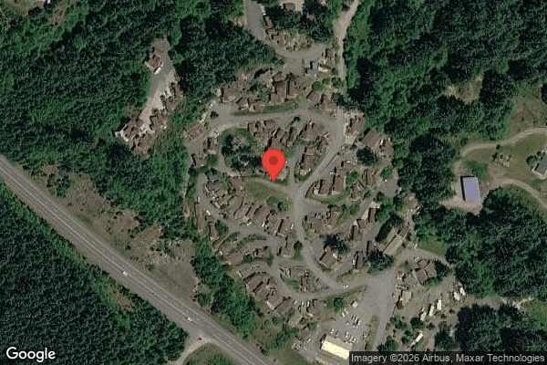
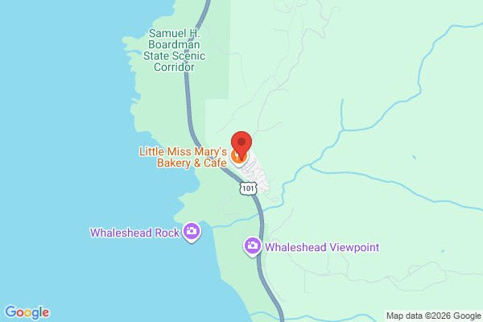

STREET VIEW
Main Entrance |  | Interior Road
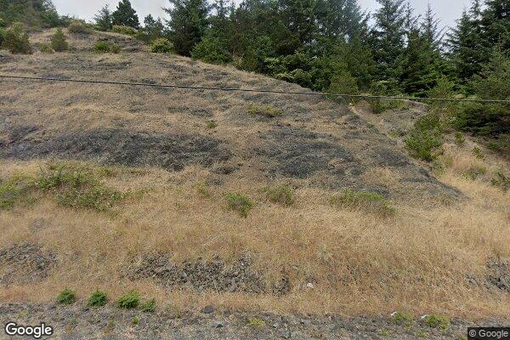
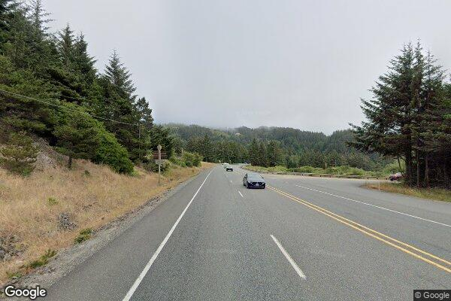

Example Home #1 |  | Example Home #2
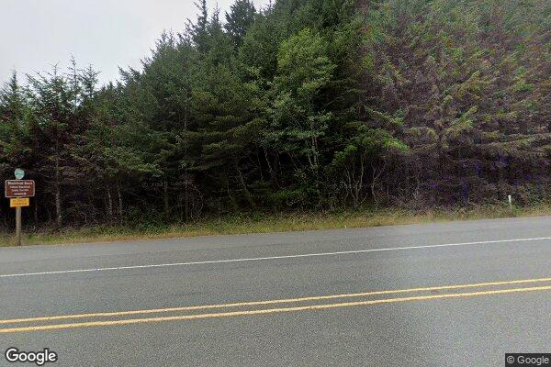
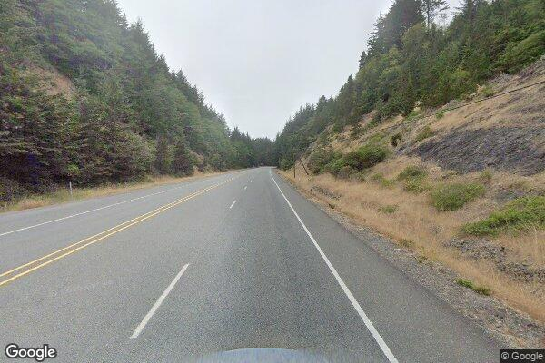

CLICKABLE URLs
Aerial / Satellite | https://www.google.com/maps/place/42.14759,-124.35298/@42.14759,-124.35298,1000m/data=!3m1!1e3
Roadmap | https://www.google.com/maps/search/?api=1&query=19921+Whaleshead+Road%2C+Brookings%2C+OR
Street View — Main Entrance | https://www.google.com/maps/@42.14759,-124.35298,3a,75y/data=!3m6!1e1
Street View — Interior Road | https://www.google.com/maps/@42.1476,-124.3525,3a,75y/data=!3m6!1e1
Street View — Example Home #1 | https://www.zillow.com/homedetails/19921-Whaleshead-Rd-T6-Brookings-OR-97415/304668659_zpid/
Street View — Example Home #2 | https://www.flintstoneproperties.com/properties/whaleshead-beach-resort
Driving Directions | https://www.google.com/maps/dir/Brookings,+OR/19921+Whaleshead+Rd,+Brookings,+OR+97415

PROXIMITY TO KEY LANDMARKS
Landmark Type | Name / Address |  | Distance (mi)
Nearest Major Employer #1 | Curry Medical Center / Curry Health Network, Brookings |  | 8
Nearest Major Employer #2 | Fred Meyer, Brookings |  | 8
Nearest Major Employer #3 | South Coast Lumber Co., Brookings |  | 9
Nearest Walmart / Big Box | Fred Meyer, Brookings (nearest Walmart is Crescent City, CA ~30 mi) |  | 8
Nearest Grocery Store | Ray's Food Place / Fred Meyer, Brookings |  | 8
Nearest Hospital / Urgent Care | Curry Medical Center, Brookings |  | 8
Nearest Elementary School | Kalmiopsis Elementary School, Brookings |  | 8
Nearest High School | Brookings-Harbor High School |  | 9
Nearest Community College / University | Southwestern Oregon Community College – Brookings/Curry Campus |  | 8
Nearest Major Highway / Interstate | U.S. Route 101 (Whaleshead Rd interchange) |  | 0.4
Downtown (nearest city) | Downtown Brookings |  | 7.5
Nearest Airport | Jack McNamara Field (Del Norte County Airport), Crescent City, CA |  | 22

DILIGENCE FLAGS
HIGH | Investment Criteria: Stabilized Yield on Cost (8.99%) minus Ingoing Cap Rate (7.48%) = 151 bps spread, BELOW GGC's 200 bps minimum. — Recommendation: DOES NOT MEET INVESTMENT CRITERIA on the value-add spread test (49 bps short). Note: the property already screens as a strong CURRENT-YIELD buy (7.48% going-in at $10M ask) — limited value-add upside because lot rents are already pushed and RV revenue is declining. Reframe as a yield play, not a value-add play, or renegotiate price/identify additional upside (fill vacant lots, re-bill cable, RV stabilization).
HIGH | Unit count reconciliation: User stated 109 units; rent roll/property-counts row shows 124 residential sites (106 WHA Lot + 18 WHA RV) plus 1 commercial + 1 storage = 126 total income-producing units (127 rows incl. duplicate-tenant/no-unit rows). — Recommendation: Rent roll is LONGER than stated. Did not silently override — used 124 residential sites for analysis. Confirm with broker whether 109 excludes RV/commercial or is simply wrong. Several tenants occupy multiple units (e.g. Caldeira appears 3x), inflating row count.
HIGH | Rent roll vacancy vs. collections: Rent roll (as of 03/01/26) shows only 88 of 106 TOH lots occupied (17% vacancy) at $966.28 avg, but P&L billed lot rent of $1,144,604 (~$95-97k/mo) implies ~98-100 occupied lots. The two sources are inconsistent in both occupancy and rent level, and the periods don't align. — Recommendation: Obtain a current rent roll matching the T12 P&L period (Nov24-Oct25). If true physical vacancy is ~6 units (not 18), underwritten NOI rises ~$140-160k and economics improve substantially. RC=0 rows may be delinquent (bad debt), not vacant — clarify.
HIGH | RV Site Rental Income: Long-term RV revenue declining steadily from $17.1k/mo to $13.0k/mo over the T12. — Recommendation: Underwrote at T3 annualized ($153,917) per declining-trend rule. Confirm cause — rate reductions, tenant departures, or seasonality. Down-trend is a NOI risk.
HIGH | Property Taxes (Oregon Measure 50): Oregon does not reassess to market value on sale; assessed value (MAV) is capped and grows ~3%/yr. Primary reassessment method (~$45,500) overstates underwritten taxes. — Recommendation: Used fallback T12 x 1.15 = $17,699. Pull Curry County parcel MAV/RMV from the tax bill to confirm. Low reassessment risk vs. aggressive states.
HIGH | Flood / tsunami zone: Coastal beach resort (Oregon coast) with flood zone status UNKNOWN. — Recommendation: Pull FEMA flood map for the parcel. If in any zone other than X, apply insurance override (T12 x 1.2075 ≈ $45,500) and evaluate tsunami/storm-surge exposure. Material insurance and capital risk if in a special flood hazard area.
MEDIUM | Payroll — Casual Labour spike: One-time item detected: months 11-12 (Sep-Oct 25) each showed $10,400 casual labour (5703) vs ~$0 average across other months. Variance >20x. — Recommendation: Possible one-time project labor (coincides with grounds/tree spike). Confirm scope with seller. If genuinely one-time, exclude ~$20.8k from the T12 x 1.03 payroll basis. If recurring (seasonal seasonal crew), leave in.
MEDIUM | Ground Maintenance spike: One-time item detected: months 11-12 showed $5,730 and $6,000 vs ~$300 average across other months. Variance >18x. — Recommendation: Possible one-time tree/grounds project (~$10k). Confirm scope. If one-time, exclude from T12 x 1.03 basis.
MEDIUM | Advertising spike: One-time item detected: month 2 showed $1,448 vs ~$58-310 average across other months. Variance ~5x. — Recommendation: Likely one-time marketing/listing buy. Confirm; immaterial to NOI but exclude if reviewer chooses.
MEDIUM | Tenant Cable TV (5407): $69,426/yr bulk cable expense (in G&A) offset by only $2,659 cable revenue share — a ~$67k net cost. — Recommendation: Review the cable contract: term, cancellability, and whether it can be re-billed to tenants as a utility pass-through. A clear expense-reduction / revenue opportunity.

QUESTIONS FOR SELLER / BROKER
#1 | Please provide a current rent roll dated to the T12 P&L period (Nov 2024 - Oct 2025). The 03/01/26 rent roll shows 88/106 TOH lots occupied, but billed lot rent implies ~98-100 occupied — which is correct?
#2 | Are the 18 WHA Lot rows with RC=0 physically vacant, or are they occupied-but-delinquent (bad debt)? This materially changes underwritten NRI.
#3 | Why is long-term RV revenue declining (~24% over the year)? Rate cuts, departures, or seasonality?
#4 | What is the FEMA flood zone designation for the parcel (coastal property)?
#5 | Provide the Curry County tax bill / parcel number to confirm Measure 50 assessed value (MAV/RMV).
#6 | What does the $69k/yr Tenant Cable TV contract cover, and can it be cancelled or re-billed to tenants?
#7 | Confirm the ~$20.8k Casual Labour in Sep-Oct 2025 and the ~$10k tree/grounds work — one-time projects or recurring?
#8 | Are the on-site water and septic systems private/community-operated (recurring water testing of $12k/yr)? Provide permits/compliance status.
#9 | Provide local sale comps and market lot-rent comps to validate the 6.5% cap rate assumption and stabilized market rents.
#10 | Provide a capital/rehab budget needed to reach stabilization (used a $300k placeholder for yield-on-cost).

Collections
GARY GROUP CAPITAL

 | Month | GPR | Vacant | Concessions | Bad Debt | Net Rental Income | RUBS | HR Income | RV Income | Parking | Laundry | Other Income | EGI

Trailing 12 month collections None
 | Collections
Jun-24 | $-
Jul-24 | $-
Aug-24 | $-
Sep-24 | $-
Oct-24 | $-
Nov-24 | $-
Dec-24 | $-
Jan-25 | $-
Feb-25 | $-
Mar-25 | $-
Apr-25 | $-
Dec-25 | $-
 | Avg NRI Analysis |  | % Difference |  | Net Rental Income
 | T1 |  |  | T1vsT3
 | T3 |  |  | T3vsT6
 | T6 |  |  | T6vsT12
 | T12

 |  |  |  |  | EGI

Trailing 12 month collections None
 | $-
 | $-
 | $-
 | $-
 | $-
 | $-
 | $-
 | $-
 | $-
 | $-
 | $-
 | $-

