Miscellaneous
PROPERTY OVERVIEW
Location context, visuals, demographics, and qualitative assessment

PROPERTY LINKS
Property Name | Whaleshead Beach Resort
Address | 19921 Whaleshead Road, Brookings, OR
Property Type | Hybrid
Total Units | 109
County | Curry
Asking Price | 10000000
CoStar Link
Property Website
Broker / OM
County Assessor
FEMA Flood Map

DEMOGRAPHICS
County Population | 21776
5-Year Population Growth | -4.0%
Median Household Income | $62,244
Unemployment Rate | 5.4%
Top Employers | Curry Health Network / Curry Medical Center (Brookings) & Curry General Hospital (Gold Beach), Brookings-Harbor School District 17C, Curry County government, City of Brookings, Port of Brookings Harbor commercial fishing fleet (crab/salmon/tuna), Fred Meyer and local retail, Sutter Coast Hospital (Crescent City, CA - regional), OSU Extension / Southwestern Oregon Community College

ALTERNATIVE HOUSING (affordability)
Avg Single-Family Home Price | $580,000
Avg 1BR Apartment Rent | $900/mo
Avg 2BR Apartment Rent | $1,477/mo
Avg 3BR Apartment Rent | $1,650/mo
MHP All-In Monthly Cost | $1,068/mo
MHP Savings vs 2BR Apt | 28.0%

AERIAL & LOCATION MAP
Satellite / Aerial |  | Roadmap (with landmarks)
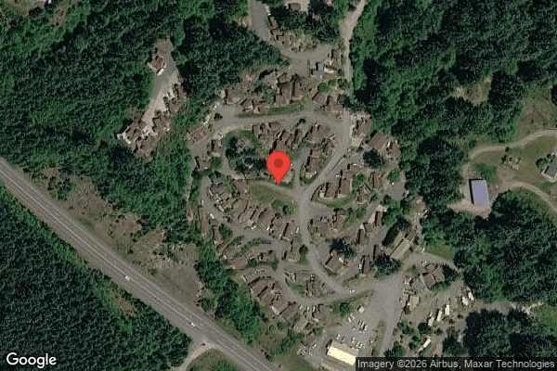
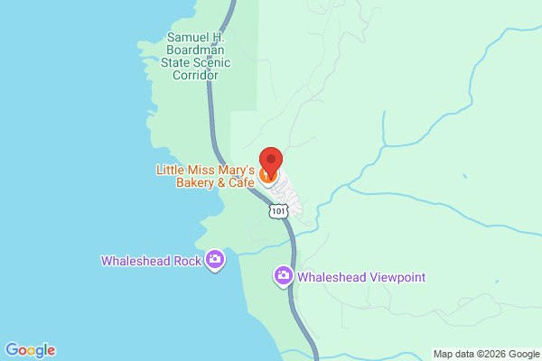

STREET VIEW
Main Entrance |  | Interior Road
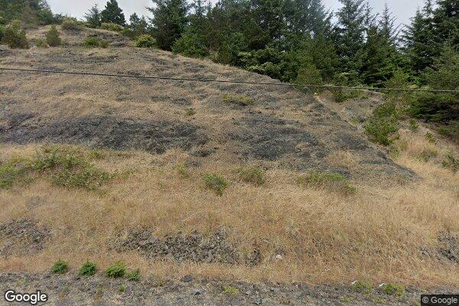
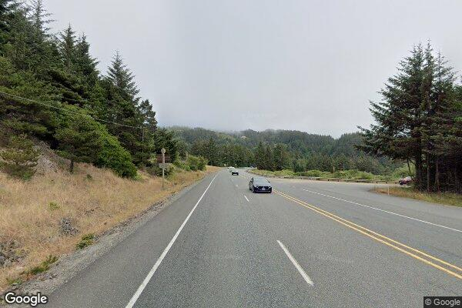

Example Home #1 |  | Example Home #2
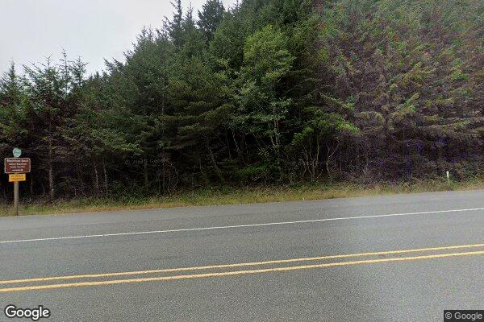
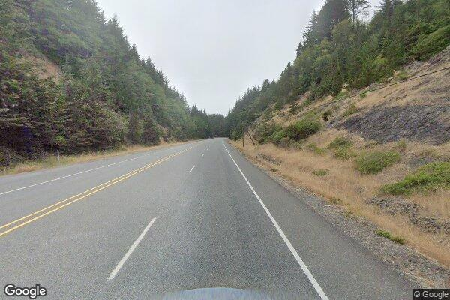

CLICKABLE URLs
Aerial / Satellite | https://www.google.com/maps/place/19921+Whaleshead+Rd,+Brookings,+OR+97415/@42.1547,-124.3556,1000m/data=!3m1!1e3
Roadmap | https://www.google.com/maps/search/?api=1&query=19921+Whaleshead+Road%2C+Brookings%2C+OR
Street View — Main Entrance | https://www.google.com/maps?q=19921+Whaleshead+Road,+Brookings,+OR+97415&layer=c
Street View — Interior Road | https://www.google.com/maps/@42.1547,-124.3556,3a,75y/data=!3m6!1e1
Street View — Example Home #1 | https://www.google.com/maps/search/Whaleshead+Beach+Resort+Brookings+OR
Street View — Example Home #2 | https://www.google.com/maps/search/19921+Whaleshead+Rd+Brookings+OR+homes
Driving Directions | https://www.google.com/maps/dir/Brookings,+OR/19921+Whaleshead+Rd,+Brookings,+OR+97415

PROXIMITY TO KEY LANDMARKS
Landmark Type | Name / Address |  | Distance (mi)
Nearest Major Employer #1 | Curry Medical Center (Curry Health Network), 500 5th St, Brookings |  | 7
Nearest Major Employer #2 | Brookings-Harbor School District 17C |  | 7.5
Nearest Major Employer #3 | Port of Brookings Harbor (commercial fishing fleet) |  | 8
Nearest Walmart / Big Box | Fred Meyer, Brookings (nearest Walmart is Crescent City, CA ~30 mi) |  | 7
Nearest Grocery Store | Grocery Outlet / Fred Meyer, Brookings |  | 7
Nearest Hospital / Urgent Care | Curry Medical Center Urgent Care/ED, Brookings (Curry General Hospital, Gold Beach ~21 mi) |  | 7
Nearest Elementary School | Kalmiopsis Elementary School, Brookings |  | 7
Nearest High School | Brookings-Harbor High School, 625 Pioneer Rd |  | 8
Nearest Community College / University | Southwestern Oregon Community College, Brookings campus (College of the Redwoods, Crescent City ~16 mi) |  | 7
Nearest Major Highway / Interstate | US-101 (adjacent to Whaleshead Rd) |  | 0.5
Downtown (nearest city) | Downtown Brookings |  | 7
Nearest Airport | Del Norte County Regional Airport, Crescent City, CA (Medford Intl ~100 mi) |  | 17

DILIGENCE FLAGS
HIGH | Investment Criteria — Spread: DOES NOT MEET INVESTMENT CRITERIA: Stabilized Yield on Cost (9.66%) minus Ingoing Cap Rate (9.10%) = +56 bps, below GGC's 200 bps minimum spread. — Recommendation: Asset is already ~98% occupied with limited lot-rent upside, so value-add spread is thin. NOTE the absolute ingoing cap of 9.10% on the $10M ask is strong — recommend evaluating as a yield/cash-flow acquisition rather than a value-add deal. Deal fails the spread hurdle as currently structured.
HIGH | Unit Count Reconciliation: Rent roll shows 127 rows but property is stated at 109 units — rent_roll_long. Note: 107 WHA Lots + 1 Commercial + 1 Storage = 109 (matches stated count), but the 18 WHA RV sites appear to be excluded from the user's 109. True operating pad count is ~125 (107 MH lots + 18 RV). — Recommendation: Confirm with broker: does the 109 exclude the 18 long-term RV sites? Also reconcile the 'Caldeira, Ken' row (no unit #, RC=984) and the 124-tenant/126-unit summary discrepancy. Underwriting used 107 TOH lots + 18 RV + 2 retail/storage = 127 rent-roll rows.
HIGH | RV Income Decline: 4103 RV lot rent declined ~24% across the T12 ($17,051/mo -> ~$12,900/mo). — Recommendation: Underwrote at T3 annualized ($153,917) per declining-trend rule. Confirm cause — occupancy attrition, seasonal, or rate reductions. RV income is a riskier stream; consider capping it at a higher rate than MH lot rent.
HIGH | Bad Debt Underwriting: Underwritten bad debt ($52,331, ~4.2% of GPR) is ~2x seller historical T12 bad debt ($26,062). Driven by timing mismatch (rent roll dated 03/01/26 vs T12 ending 10/31/25). — Recommendation: Reconcile current rent-roll rents against actual T12 collections. Elevated late fees, legal fees, and a $10,327 single-month bad-debt charge corroborate real collection pressure — but verify the plug isn't overstating due to period mismatch.
MEDIUM | Payroll / Casual Labour Spike: 5703 Casual Labour = $10,400 in each of the final two months vs ~$200 average, while regular wages (5701) drop to ~$422/$0 in the same months. — Recommendation: Possible staffing transition (W-2 to contract) or one-time project. Confirm scope with seller. If one-time, exclude from payroll T12 x 1.03 basis.
MEDIUM | Ground Maintenance Spike: Months 11-12 spike to $5,729.84 and $6,000 (tree + grounds) vs ~$200 average. — Recommendation: Likely seasonal tree work/cleanup. Confirm if one-time; if so, exclude from T12 x 1.03 underwriting basis.
MEDIUM | Advertising Spike: Month 2 = $1,448 vs ~$93 average (~15.6x). — Recommendation: Likely one-time listing/campaign. Reviewer to decide exclusion.
MEDIUM | Insurance / Flood Zone: Coastal Oregon beach resort; flood zone status UNKNOWN. Per-unit insurance ~$301/pad at top of MHC benchmark. — Recommendation: Pull FEMA flood map — if not Zone X, apply 20.75% insurance trend override (currently only 5% applied). Also test GGC portfolio umbrella for potential premium reduction.
MEDIUM | Property Tax / Oregon Measure 50: Standard reassessment formula ($6.5M x ~0.85% = ~$55,250) far exceeds historical $15,391, but Oregon Measure 50 caps assessed-value growth at 3%/yr and does NOT reassess to market on sale. — Recommendation: Used fallback T12 x 1.15 = $17,699. Verify Curry County parcel and maximum assessed value; confirm no compression/exception triggers reassessment.
MEDIUM | Water System / Testing Burden: Recurring 5403 Water Testing ($12,049/yr) plus heavy 5402 W&S suggests a private well/water system. — Recommendation: Diligence on water treatment infrastructure, compliance, and potential capital needs — factor into CapEx plan.

QUESTIONS FOR SELLER / BROKER
#1 | Does the user's 109-unit count exclude the 18 long-term RV sites? True operating pad count appears to be ~125 (107 MH lots + 18 RV).
#2 | What is driving the ~24% decline in long-term RV lot rent across the T12?
#3 | Confirm current rent-roll rents (dated 03/01/26) versus actual T12 collections — the period mismatch inflates the underwritten bad-debt plug.
#4 | Is the casual-labour spike in the final two months ($10,400 x2) a staffing transition or a one-time project? Is there an on-site manager receiving a comped lot (Employee Allowance)?
#5 | Provide FEMA flood zone determination for this coastal parcel.
#6 | Provide Curry County parcel number / current assessed value to confirm Measure 50 tax treatment.
#7 | Confirm the water system is a private well and provide compliance/testing history and any capital requirements.
#8 | Clarify the 'Caldeira, Ken' rent-roll row (no unit number, RC=984) and reconcile the 124-tenant / 126-unit / 127-row discrepancy.
#9 | Is the Rental Pool Revenue Sharing ($22,774) a sustainable recurring stream, and why is the final month $0?

Collections
GARY GROUP CAPITAL

 | Month | GPR | Vacant | Concessions | Bad Debt | Net Rental Income | RUBS | HR Income | RV Income | Parking | Laundry | Other Income | EGI

Trailing 12 month collections None
 | Collections
Jun-24 | $-
Jul-24 | $-
Aug-24 | $-
Sep-24 | $-
Oct-24 | $-
Nov-24 | $-
Dec-24 | $-
Jan-25 | $-
Feb-25 | $-
Mar-25 | $-
Apr-25 | $-
Dec-25 | $-
 | Avg NRI Analysis |  | % Difference |  | Net Rental Income
 | T1 |  |  | T1vsT3
 | T3 |  |  | T3vsT6
 | T6 |  |  | T6vsT12
 | T12

 |  |  |  |  | EGI

Trailing 12 month collections None
 | $-
 | $-
 | $-
 | $-
 | $-
 | $-
 | $-
 | $-
 | $-
 | $-
 | $-
 | $-

