Miscellaneous
PROPERTY OVERVIEW
Location context, visuals, demographics, and qualitative assessment

PROPERTY LINKS
Property Name | Whaleshead Beach Resort
Address | 19921 Whaleshead Road, Brookings, OR
Property Type | Hybrid
Total Units | 126
County | Curry
Asking Price | 10000000
CoStar Link
Property Website
Broker / OM
County Assessor
FEMA Flood Map

DEMOGRAPHICS
County Population | 21776
5-Year Population Growth | -5.0%
Median Household Income | $62,244
Unemployment Rate | 6.7%
Top Employers | Curry Health Network (Curry Medical Center / Curry General Hospital), Fred Meyer (Kroger), South Coast Lumber Co. & Affiliates, Brookings-Harbor School District (Curry County R-1), Bi-Mart, Curry County / municipal government, Waste Connections (Curry Transfer & Recycling), Southwestern Oregon Community College (Brookings campus)

ALTERNATIVE HOUSING (affordability)
Avg Single-Family Home Price | $482,752
Avg 1BR Apartment Rent | $1,100/mo
Avg 2BR Apartment Rent | $1,477/mo
Avg 3BR Apartment Rent | $1,700/mo
MHP All-In Monthly Cost | $968/mo
MHP Savings vs 2BR Apt | 34.5%

AERIAL & LOCATION MAP
Satellite / Aerial |  | Roadmap (with landmarks)
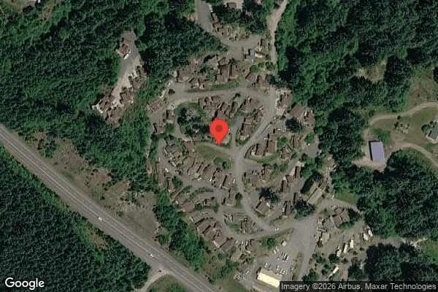
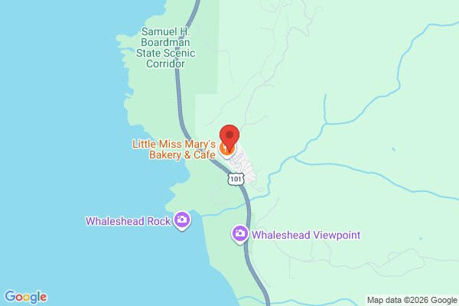

CLICKABLE URLs
Aerial / Satellite | https://www.google.com/maps/place/19921+Whaleshead+Rd,+Brookings,+OR+97415/@42.1657,-124.3565,1000m/data=!3m1!1e3
Roadmap | https://www.google.com/maps/search/?api=1&query=19921+Whaleshead+Road%2C+Brookings%2C+OR
Street View (Google Maps) | https://www.google.com/maps/@?api=1&map_action=pano&viewpoint=19921+Whaleshead+Road%2C+Brookings%2C+OR
Driving Directions | https://www.google.com/maps/dir/Brookings,+OR/19921+Whaleshead+Rd,+Brookings,+OR+97415

PROXIMITY TO KEY LANDMARKS
Landmark Type | Name / Address |  | Distance (mi)
Nearest Major Employer #1 | Curry Medical Center (Curry Health Network), Brookings |  | 9
Nearest Major Employer #2 | Fred Meyer, Brookings |  | 9
Nearest Major Employer #3 | South Coast Lumber Co. & Affiliates, Brookings |  | 9.5
Nearest Walmart / Big Box | Fred Meyer big-box, Brookings (nearest Walmart is Crescent City, CA ~30 mi) |  | 9
Nearest Grocery Store | Fred Meyer / Ray's Food Place, Brookings |  | 9
Nearest Hospital / Urgent Care | Curry Medical Center, Brookings (Curry General Hospital, Gold Beach ~20 mi) |  | 9
Nearest Elementary School | Kalmiopsis Elementary School, Brookings |  | 9
Nearest High School | Brookings-Harbor High School |  | 10
Nearest Community College / University | Southwestern Oregon Community College, Brookings campus |  | 9
Nearest Major Highway / Interstate | U.S. Route 101 (Whaleshead Rd interchange) |  | 0.3
Downtown (nearest city) | Downtown Brookings |  | 8
Nearest Airport | Jack McNamara Field / Del Norte County Airport (CEC), Crescent City, CA (Brookings Airport ~10 mi) |  | 22

DILIGENCE FLAGS
HIGH | Investment Criteria — Spread: DOES NOT MEET INVESTMENT CRITERIA: Stabilized Yield on Cost (~9.30%) minus Ingoing Cap Rate (~9.28%) = ~1 bp spread, far below GGC's 200 bps minimum. As modeled there is essentially no value-add room because the rent roll rents are already current/at-market and there are no rent comps to support upside. — Recommendation: Obtain rent comps and an executable rent-growth plan. NOTE the counterpoint: on an ABSOLUTE basis the ingoing cap (~9.28%) is far above typical MHC/RV market caps (~6.5-8%), so the $10M asking appears materially below cap-rate-method value (~$12.4M at 7.5%). The deal can still be attractive as a yield play even though it fails the value-add spread test — escalate to Michael.
HIGH | Unit count reconciliation: Rent roll shows 127 rows (124 occupied tenants, property-count row states 126 units) but property is stated as 109 units — rent roll has MORE rows than stated. — Recommendation: Confirm actual unit count with broker. The user-entered 109 appears wrong; rent roll evidences 106 MH lots + 18 RV + commercial + storage = 126 units. Used 126/124 occupied as authoritative for underwriting.
HIGH | Underwritten Bad Debt divergence: Underwritten bad debt plug ($63,546) is ~2.4x seller's historical ($26,062), driven by rent-roll GPR (03/26 rents) exceeding the older P&L collection run-rate. — Recommendation: Reconcile the rent roll (dated 03/01/26) to current collections. If the higher rents are actually being collected, true bad debt is much lower and underwritten NOI rises materially. Request 3 most recent months of actual collections.
MEDIUM | Rent roll vs P&L period mismatch: Rent roll is as of 03/01/26 (rents ~$103,203/mo RC) while P&L T12 is Nov24-Oct25 (lot rent ~$95-97k/mo). The two sources reflect different rent levels/dates. — Recommendation: Obtain a rent roll dated within the P&L period or T3 collection detail to align GPR with collections.
HIGH | 5407 Tenant Cable TV expense: $69,426/yr cable expense (~$560/unit) offset by only $2,659 cable revenue share — a large net cost. — Recommendation: Investigate bulk-cable contract: renegotiate, eliminate, or pass through to residents as a utility reimbursement. Potential ~$60-70k NOI upside not modeled in the stabilized column.
MEDIUM | RV income (4103) declining: Long-term RV lot rent fell from $17,051/mo to $12,995/mo over the T12; T3 annualized ($153,917) is ~11% below T12 ($172,705). — Recommendation: Used T12 conservatively per rule. Confirm cause (seasonal occupancy loss vs structural). Consider underwriting RV nearer T3 if decline is structural.
MEDIUM | Ground Maintenance month-end spike: Grounds $4,229.84 (M11) + $4,500 (M12) and Tree $1,500 + $1,500 (M11-12) vs ~$911 monthly avg — variance >4x. — Recommendation: Possible one-time seasonal cleanup/tree work. Confirm scope; if one-time, exclude from T12 x 1.03 basis. If recurring, leave in.
MEDIUM | Casual Labour spike: 5703 Casual Labour $10,400 (M11) and $10,400 (M12) vs near-zero other months; coincides with W-2 wages dropping to ~$0. — Recommendation: Likely a staffing transition (employee departed, contract labour engaged). Confirm go-forward staffing model and total payroll run-rate.
MEDIUM | Oregon property tax (Measure 50): Standard primary reassessment method (PP x 0.65 x rate ~ $65k) does not apply in Oregon — Measure 50 caps Maximum Assessed Value and sales do not trigger market reassessment. — Recommendation: Used fallback T12 x 1.15 = $17,699. Verify parcel MAV and current millage with Curry County assessor.
MEDIUM | Flood / coastal hazard zone: Flood zone status unknown; property is beachfront in coastal Oregon (flood + tsunami exposure). — Recommendation: Verify FEMA flood zone via flood map. If not Zone X, apply insurance override (x1.2075). Coastal exposure may also affect availability/pricing.

QUESTIONS FOR SELLER / BROKER
#1 | Confirm the actual unit count: rent roll evidences 126 units (106 MH lots + 18 RV + 1 commercial + 1 storage) vs the stated 109. Which is correct?
#2 | Provide the 3 most recent months of actual collections to reconcile the 03/01/26 rent roll rents against the older P&L run-rate (drives the bad-debt plug).
#3 | What are the 2 vacant units implied by the property-count row (126 units / 124 tenants), and of what type?
#4 | Tenant cable TV is a $69k/yr net cost — is the bulk contract assignable, terminable, or passable through to residents?
#5 | Why is long-term RV lot rent declining ~24% over the T12? Seasonal or structural occupancy loss?
#6 | Are the M11-M12 grounds/tree spikes ($10k+ combined) one-time projects or recurring seasonal work?
#7 | Confirm the payroll go-forward model after the W-2-to-casual-labour transition in M11-M12.
#8 | Provide FEMA flood/tsunami zone designation and current insurance quote for the coastal location.
#9 | Provide the parcel number / current MAV from the Curry County tax bill to confirm Oregon Measure 50 tax treatment.
#10 | Provide MHC/RV sale comps and lot-rent comps for coastal Curry County to support market cap rate and stabilized rent assumptions.

Collections
GARY GROUP CAPITAL

 | Month | GPR | Vacant | Concessions | Bad Debt | Net Rental Income | RUBS | HR Income | RV Income | Parking | Laundry | Other Income | EGI

Trailing 12 month collections None
 | Collections
Jun-24 | $-
Jul-24 | $-
Aug-24 | $-
Sep-24 | $-
Oct-24 | $-
Nov-24 | $-
Dec-24 | $-
Jan-25 | $-
Feb-25 | $-
Mar-25 | $-
Apr-25 | $-
Dec-25 | $-
 | Avg NRI Analysis |  | % Difference |  | Net Rental Income
 | T1 |  |  | T1vsT3
 | T3 |  |  | T3vsT6
 | T6 |  |  | T6vsT12
 | T12

 |  |  |  |  | EGI

Trailing 12 month collections None
 | $-
 | $-
 | $-
 | $-
 | $-
 | $-
 | $-
 | $-
 | $-
 | $-
 | $-
 | $-

