Miscellaneous
PROPERTY OVERVIEW
Location context, visuals, demographics, and qualitative assessment

PROPERTY LINKS
Property Name | Whaleshead Beach Resort
Address | 19921 Whaleshead Road, Brookings, OR
Property Type | Hybrid
Total Units | 123
County | Curry County
Asking Price | 10000000
CoStar Link
Property Website
Broker / OM
County Assessor
FEMA Flood Map

DEMOGRAPHICS
County Population | 23381
5-Year Population Growth | -0.5%
Median Household Income | $62,244
Unemployment Rate | 6.7%
Top Employers | Curry Health Network / Curry Medical Center (regional hospital & clinics), Brookings-Harbor School District, Fred Meyer (Kroger) - Brookings, C&K Market / Ray's Food Place, South Coast Lumber Co., Curry County government, Oregon Coast Community Action

ALTERNATIVE HOUSING (affordability)
Avg Single-Family Home Price | $482,752
Avg 1BR Apartment Rent | $1,100/mo
Avg 2BR Apartment Rent | $1,477/mo
Avg 3BR Apartment Rent | $1,773/mo
MHP All-In Monthly Cost | $1,068/mo
MHP Savings vs 2BR Apt | 28.0%

AERIAL & LOCATION MAP
Satellite / Aerial |  | Roadmap (with landmarks)
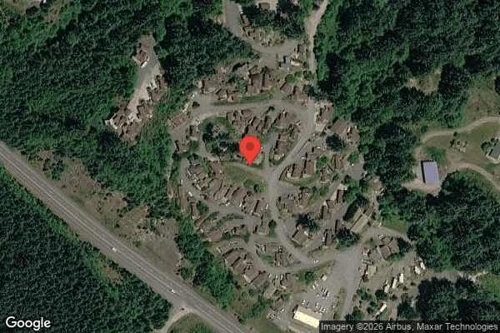
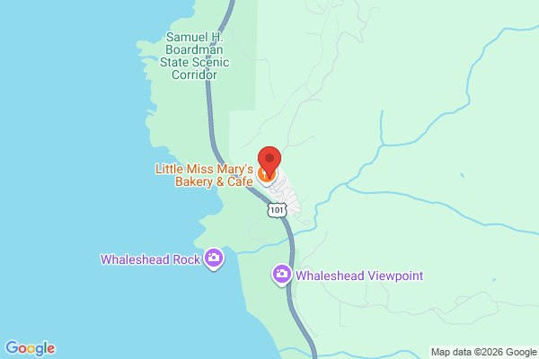

STREET VIEW
Main Entrance |  | Interior Road
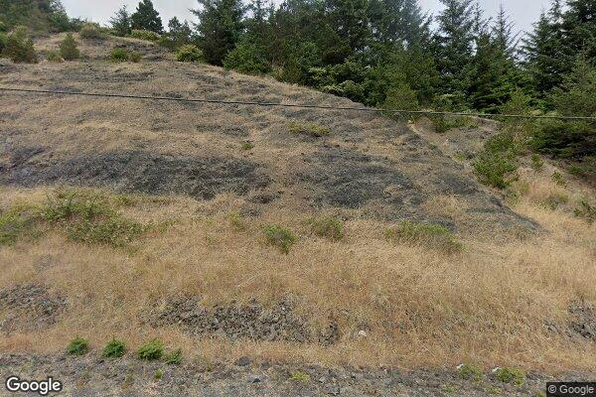
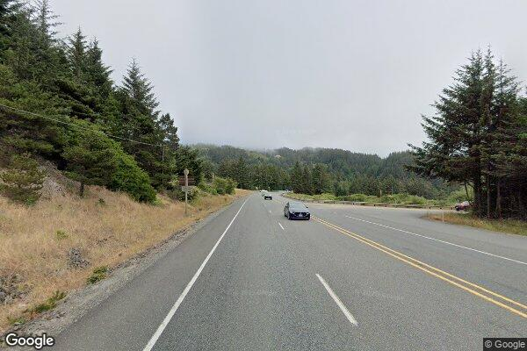

Example Home #1 |  | Example Home #2
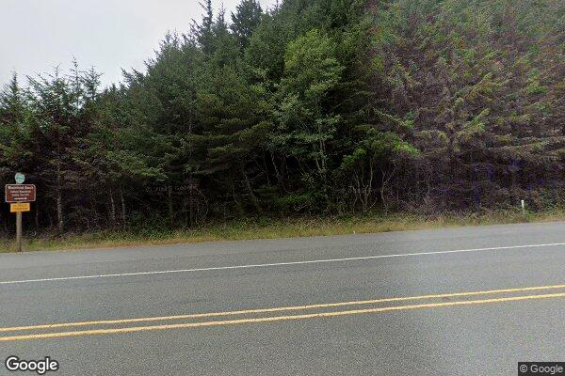
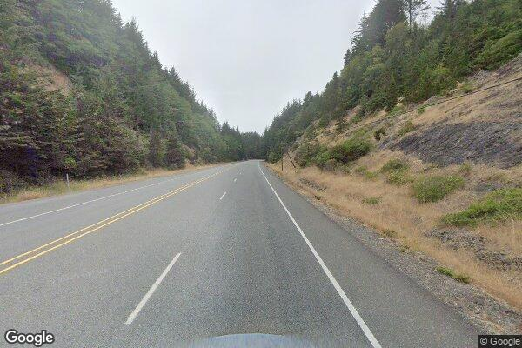

CLICKABLE URLs
Aerial / Satellite | https://www.google.com/maps/place/19921+Whaleshead+Rd,+Brookings,+OR+97415/@42.1747,-124.3517,1000m/data=!3m1!1e3
Roadmap | https://www.google.com/maps/search/?api=1&query=19921+Whaleshead+Road%2C+Brookings%2C+OR
Street View — Main Entrance | https://www.google.com/maps?q=19921+Whaleshead+Rd,+Brookings,+OR+97415&layer=c&cbll=42.1747,-124.3517
Street View — Interior Road | https://www.google.com/maps/@42.1745,-124.3520,3a,75y/data=!3m6!1e1
Street View — Example Home #1 | https://www.google.com/maps/place/Whaleshead+Beach+Resort/@42.1747,-124.3517,150m/data=!3m1!1e3
Street View — Example Home #2 | https://www.google.com/maps/place/Whaleshead+Beach+Resort/@42.1750,-124.3515,150m/data=!3m1!1e3
Driving Directions | https://www.google.com/maps/dir/Brookings,+OR/19921+Whaleshead+Rd,+Brookings,+OR+97415

PROXIMITY TO KEY LANDMARKS
Landmark Type | Name / Address |  | Distance (mi)
Nearest Major Employer #1 | Curry Medical Center (Curry Health Network), 500 5th St, Brookings |  | 9
Nearest Major Employer #2 | Fred Meyer - Brookings (Kroger) |  | 8.5
Nearest Major Employer #3 | Brookings-Harbor School District |  | 9
Nearest Walmart / Big Box | Fred Meyer Brookings (no Walmart in county; nearest Walmart is Crescent City, CA) |  | 8.5
Nearest Grocery Store | Fred Meyer / Ray's Food Place, Brookings |  | 8.5
Nearest Hospital / Urgent Care | Curry Medical Center, Brookings (Curry General Hospital ER in Gold Beach ~18 mi) |  | 9
Nearest Elementary School | Kalmiopsis Elementary School, Brookings |  | 9
Nearest High School | Brookings-Harbor High School |  | 9
Nearest Community College / University | Southwestern Oregon Community College - Brookings Campus (College of the Redwoods, Crescent City ~30 mi) |  | 9
Nearest Major Highway / Interstate | US Highway 101 (adjacent; resort fronts Hwy 101) |  | 0.1
Downtown (nearest city) | Downtown Brookings, OR |  | 9
Nearest Airport | Del Norte County Regional Airport, Crescent City, CA (Southwest Oregon Regional/North Bend ~80 mi) |  | 33

DILIGENCE FLAGS
HIGH | Investment Criteria: DOES NOT MEET INVESTMENT CRITERIA: stabilized yield on cost (9.13%) minus ingoing cap (9.09%) = ~4 bps spread, far below the 200 bps minimum. — Recommendation: This is a fully-stabilized (100% occupied, high in-place rents) cash-flow asset, not a value-add play. The 200 bps spread test is built for value-add and there is essentially no organic upside without rent comps showing market > in-place. Treat as a yield acquisition: ingoing cap of 9.09% at asking is strong vs market cap (~6.0-6.5%). Decide whether GGC's value-add mandate fits.
HIGH | Unit count reconciliation: Rent roll shows 124 tenant rows (property-count row states 126 units) but user stated 109 total units — rent roll is LONGER than stated. — Recommendation: Do not silently override. Confirm with broker: user's 109 likely excludes RV pads and/or commercial/storage. Rent roll = 105 MH lots + 18 RV + 1 commercial + 1 storage + 1 'no-unit' charge row = 124. Establish the true rentable pad count before finalizing per-unit metrics and price/unit.
HIGH | Flood zone (Insurance): Coastal 'Beach Resort' on the Oregon coast; flood status entered as 'unknown' so no 15% override applied (base T12 x 1.05 used). — Recommendation: Pull FEMA flood map. If in Zone A/AE/V/VE, re-run insurance at T12 x 1.2075 (~$45.5k) — material to NOI. High coastal/wind/flood risk diligence item.
HIGH | Bad Debt underwriting: Underwritten bad debt $74,353 (5.3% of GPR) is ~2.9x seller historical ($26,062). — Recommendation: Divergence driven by current rent roll rents (Mar 2026) exceeding the T12 collection period and vacancy underwritten at 0%. Reconcile rent roll vs T12, confirm true in-place rents and current delinquency, and verify the Caldeira 'no-unit' row is not inflating GPR.
MEDIUM | RV lot rent trend (4103): Long-Term RV lot rent declined steadily from ~$17,051/mo to ~$12,995/mo over the T12 (T3 annualized ~$153.9k vs T12 $172.7k). — Recommendation: Ask seller why RV revenue is declining (occupancy loss, conversions, seasonality). Used T3-annualized logic for the declining stream within the combined NRI target.
MEDIUM | Caldeira 'No Unit' charge row (5936): Rent roll row with no unit number carrying $984 RC — extraction notes flag it as a possible duplicate/standalone charge. — Recommendation: Confirm whether this is a real billable pad or a duplicate. If duplicate, remove $11,808/yr from GPR (reduces bad-debt plug accordingly).
MEDIUM | Casual Labour spike (5703 / Payroll): Casual labour $10,400 in each of months 11-12 (vs ~$170 avg) while W-2 wages dropped to ~$0 in the same months. — Recommendation: Possible one-time project or a shift from payroll to contract labor. Confirm recurring run-rate; if one-time, exclude ~$20.8k from the T12 x 1.03 payroll basis.
MEDIUM | Ground Maintenance spike: One-time item detected: months 11-12 showed $5,729.84 / $6,000 vs ~$245 average across other months. Variance >20x; includes $3,000 tree maintenance. — Recommendation: Possible one-time tree/landscaping project. Confirm scope with seller. If genuinely one-time, exclude from T12 x 1.03 basis; if recurring (storm-prone coastal trees), leave in.
MEDIUM | Advertising spike: One-time item detected: month 2 showed $1,448 vs ~$93 average across other months. Variance 15.6x. — Recommendation: Likely one-time listing/marketing buy. Confirm; if one-time, exclude from the run-rate basis.
MEDIUM | Tenant Cable TV net cost: Bulk cable expense $69,426 offset by only $2,659 cable revenue sharing — net ~$66.7k annual drag (~$540/unit). — Recommendation: Diligence whether contract can be terminated, renegotiated, or sub-billed to tenants — material expense-reduction lever.

QUESTIONS FOR SELLER / BROKER
#1 | What is the true rentable pad count? User said 109 but rent roll has 124 rows (105 MH + 18 RV + commercial + storage + 1 no-unit charge) and a property-count row says 126 units.
#2 | Is the property genuinely 100% occupied, or are vacant pads excluded from the rent roll?
#3 | Provide MH lot and RV sale/rent comps and prevailing market cap rate for coastal Oregon MH/RV resorts so stabilized upside and value can be properly assessed.
#4 | FEMA flood zone determination for the parcel(s)?
#5 | Explain the Caldeira (ID 5936) 'no-unit' $984 charge — real pad or duplicate?
#6 | Is the months 11-12 casual-labour ($10,400/mo) recurring, or a one-time project that replaced W-2 wages?
#7 | Why is long-term RV lot rent declining month over month?
#8 | Can the bulk tenant cable contract ($69k) be terminated, renegotiated, or sub-billed?
#9 | Provide Curry County tax bill / parcel numbers and confirm no sale-triggered reassessment exception under Oregon Measure 50.

Collections
GARY GROUP CAPITAL

 | Month | GPR | Vacant | Concessions | Bad Debt | Net Rental Income | RUBS | HR Income | RV Income | Parking | Laundry | Other Income | EGI

Trailing 12 month collections None
 | Collections
Jun-24 | $-
Jul-24 | $-
Aug-24 | $-
Sep-24 | $-
Oct-24 | $-
Nov-24 | $-
Dec-24 | $-
Jan-25 | $-
Feb-25 | $-
Mar-25 | $-
Apr-25 | $-
Dec-25 | $-
 | Avg NRI Analysis |  | % Difference |  | Net Rental Income
 | T1 |  |  | T1vsT3
 | T3 |  |  | T3vsT6
 | T6 |  |  | T6vsT12
 | T12

 |  |  |  |  | EGI

Trailing 12 month collections None
 | $-
 | $-
 | $-
 | $-
 | $-
 | $-
 | $-
 | $-
 | $-
 | $-
 | $-
 | $-

