Miscellaneous
PROPERTY OVERVIEW
Location context, visuals, demographics, and qualitative assessment

PROPERTY LINKS
Property Name | Whaleshead Beach Resort
Address | 19921 Whaleshead Rd, Brookings, OR
Property Type | Hybrid
Total Units | 127
County | Curry County
Asking Price | 10000000
CoStar Link
Property Website
Broker / OM
County Assessor
FEMA Flood Map

DEMOGRAPHICS
County Population
5-Year Population Growth
Median Household Income
Unemployment Rate
Top Employers

ALTERNATIVE HOUSING (affordability)
Avg Single-Family Home Price
Avg 1BR Apartment Rent
Avg 2BR Apartment Rent
Avg 3BR Apartment Rent
MHP All-In Monthly Cost
MHP Savings vs 2BR Apt

AERIAL & LOCATION MAP
Satellite / Aerial |  | Roadmap (with landmarks)
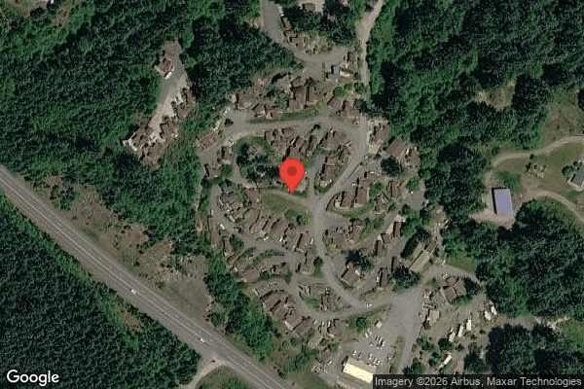
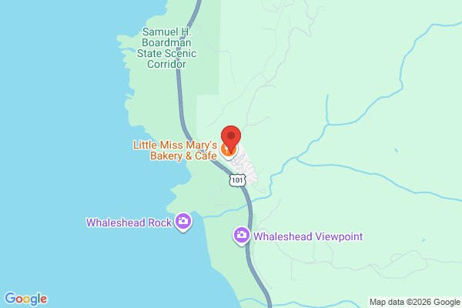

CLICKABLE URLs
Aerial / Satellite | https://www.google.com/maps/search/?api=1&query=19921+Whaleshead+Rd%2C+Brookings%2C+OR&t=k
Roadmap | https://www.google.com/maps/search/?api=1&query=19921+Whaleshead+Rd%2C+Brookings%2C+OR
Street View (Google Maps) | https://www.google.com/maps/@?api=1&map_action=pano&viewpoint=19921+Whaleshead+Rd%2C+Brookings%2C+OR
Driving Directions | https://www.google.com/maps/dir/?api=1&destination=19921+Whaleshead+Rd%2C+Brookings%2C+OR

PROXIMITY TO KEY LANDMARKS
Landmark Type | Name / Address |  | Distance (mi)
Nearest Major Employer #1
Nearest Major Employer #2
Nearest Major Employer #3
Nearest Walmart / Big Box
Nearest Grocery Store
Nearest Hospital / Urgent Care
Nearest Elementary School
Nearest High School
Nearest Community College / University
Nearest Major Highway / Interstate
Downtown (nearest city)
Nearest Airport

DILIGENCE FLAGS
HIGH | Investment Criteria — Spread: DOES NOT MEET INVESTMENT CRITERIA: Stabilized Yield on Cost (9.88%) − Ingoing Cap Rate (9.61%) = ~27 bps spread, far below GGC's 200 bps minimum. The asset is already ~100% occupied with recently-raised rents, so there is minimal value-add upside to underwrite. — Recommendation: Treat as a current-yield/stabilized play, NOT a value-add deal. The thin spread fails GGC's value-creation test. However, the ~9.6% ingoing cap on a $10M ask is attractive vs a ~7% market cap — see purchase-price analysis. Decide whether GGC's mandate accepts stabilized high-yield acquisitions.
HIGH | RV Site Rental Income: RV lot income declined ~24% over the T12 (Nov $17,051/mo → Oct $12,995/mo). T3 annualized below T12. — Recommendation: Confirm whether decline is seasonal, lost annual RV tenants, or rate reductions. Underwrote at current rent roll ($159,588); a continued slide is a real downside. Get RV occupancy/turnover history.
MEDIUM | Property Taxes (Oregon Measure 50): T12 taxes only $15,391 (0.15% of asking). Oregon does NOT reassess to market value on sale — Maximum Assessed Value is capped at 3%/yr growth. Standard PP×0.65×rate reassessment method does not apply. — Recommendation: Used fallback T12×1.15 = $17,699. Pull Curry County parcel MAV to confirm. Do not budget a market reassessment jump — but verify there is no special assessment/levy.
MEDIUM | Insurance / Flood Zone: Coastal beach resort; FEMA flood zone status unknown. Coastal wind/flood exposure can drive insurance well above the $200-300/unit benchmark. — Recommendation: Verify FEMA flood map. If not Zone X, apply flood override (T12 × 1.2075 ≈ $45,494). Obtain seller's loss runs and bind GGC umbrella quote.
MEDIUM | Tenant Cable TV expense (5407): $69,426/yr cable expense (~$55-58/occupied lot/mo) recovered by only $2,659 of cable revenue sharing — net ~$67k owner cost embedded in G&A. — Recommendation: Confirm whether cable is bundled into lot rent (i.e., already recovered) or a true unreimbursed cost. Potential to renegotiate/eliminate the bulk cable contract = material expense reduction.
MEDIUM | Ground Maintenance spike: One-time item detected: Sep ($5,730) + Oct ($6,000) vs ~$235 average across other months. Variance ~25×. — Recommendation: Possible one-time tree/grounds project. Confirm scope with seller. If genuinely one-time, exclude from T12×1.03 basis (would reduce underwritten Ground Maintenance to ~$4-5k). If recurring fall cleanup, leave in.
MEDIUM | Casual Labour / Payroll spike: One-time item detected: Casual Labour (5703) Sep & Oct = $10,400 each vs ~$185 average; coincides with wages (5701) dropping to ~$0. — Recommendation: Likely a labor model shift (employee → contractor) or a fall project. Confirm whether ~$20k is recurring run-rate or a one-time project; if one-time, payroll underwriting is overstated.
MEDIUM | Bad Debt underwriting basis: Rent roll (03/01/26) is ~4 months newer than the P&L (ends 10/31/25) and shows higher contracted rents. Pure goal-seek would inflate bad debt (~$73k) by treating loss-to-lease as bad debt. — Recommendation: Underwrote bad debt at historical loss rate (2.28% of GPR = $28,236). Obtain a current delinquency/aging report to validate the true collection loss against the higher current rent roll.
MEDIUM | Rent roll count discrepancy: Rent roll header summary states 124 tenants / 126 units / 124 charge customers, but the detail listing has 127 rows. One row (Caldeira, $984) has no Unit ID/Type and was bucketed TOH MH Site. — Recommendation: Reconcile header vs detail with broker. Confirm the blank/unlabeled $984 row is a true occupied MH lot and not a duplicate/manager/other charge.
LOW | Water & Sewer contra income (4402): Negative $1,709 (Feb 2025) booked in income block — appears to be a one-time refund/adjustment, not recurring reimbursement. — Recommendation: Confirm nature; routed to Other Income as a contra per GGC convention.

QUESTIONS FOR SELLER / BROKER
#1 | The P&L contains a PRO FORMA column but its values were NOT included in the extracted data — please provide the broker proforma figures so the side-by-side reconciliation column can be populated (currently null on every line).
#2 | Why has long-term RV income declined ~24% across the T12? Seasonal, lost tenants, or rate cuts?
#3 | Is Tenant Cable TV ($69,426) reimbursed via lot rent, or a true unrecovered owner cost? Can the bulk contract be eliminated/renegotiated?
#4 | Provide a current rent roll delinquency/aging report to validate underwritten bad debt against the higher 03/01/26 contracted rents.
#5 | Confirm FEMA flood zone designation for the coastal parcel(s).
#6 | Are the Sep/Oct Grounds and Casual Labour spikes one-time projects or recurring seasonal costs?
#7 | Confirm the blank/unlabeled $984 rent-roll row (Caldeira) is a genuine occupied MH lot; reconcile the 124/126 header vs 127 detail rows.
#8 | Provide Curry County parcel IDs and MAV/assessed values to confirm post-sale tax basis (Oregon Measure 50).
#9 | Is there a value-add capital plan / renovation budget? With the asset already ~100% occupied, what is the upside thesis given the ~27 bps stabilized spread?
#10 | Confirm water/sewer is private well & septic and provide infrastructure condition reports.

Collections
GARY GROUP CAPITAL

 | Month | GPR | Vacant | Concessions | Bad Debt | Net Rental Income | RUBS | HR Income | RV Income | Parking | Laundry | Other Income | EGI

Trailing 12 month collections None
 | Collections
Jun-24 | $-
Jul-24 | $-
Aug-24 | $-
Sep-24 | $-
Oct-24 | $-
Nov-24 | $-
Dec-24 | $-
Jan-25 | $-
Feb-25 | $-
Mar-25 | $-
Apr-25 | $-
Dec-25 | $-
 | Avg NRI Analysis |  | % Difference |  | Net Rental Income
 | T1 |  |  | T1vsT3
 | T3 |  |  | T3vsT6
 | T6 |  |  | T6vsT12
 | T12

 |  |  |  |  | EGI

Trailing 12 month collections None
 | $-
 | $-
 | $-
 | $-
 | $-
 | $-
 | $-
 | $-
 | $-
 | $-
 | $-
 | $-

