Miscellaneous
PROPERTY OVERVIEW
Location context, visuals, demographics, and qualitative assessment

PROPERTY LINKS
Property Name | Whaleshead Beach Resort
Address | 19921 Whaleshead Rd, Brookings, OR
Property Type | Hybrid
Total Units | 127
County | Curry
Asking Price | 10000000
CoStar Link
Property Website
Broker / OM
County Assessor
FEMA Flood Map

DEMOGRAPHICS
County Population
5-Year Population Growth
Median Household Income
Unemployment Rate
Top Employers

ALTERNATIVE HOUSING (affordability)
Avg Single-Family Home Price
Avg 1BR Apartment Rent
Avg 2BR Apartment Rent
Avg 3BR Apartment Rent
MHP All-In Monthly Cost
MHP Savings vs 2BR Apt

AERIAL & LOCATION MAP
Satellite / Aerial |  | Roadmap (with landmarks)
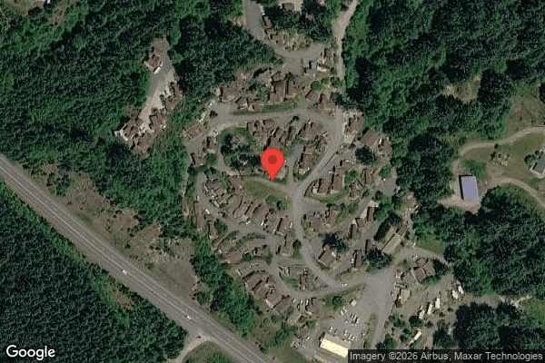
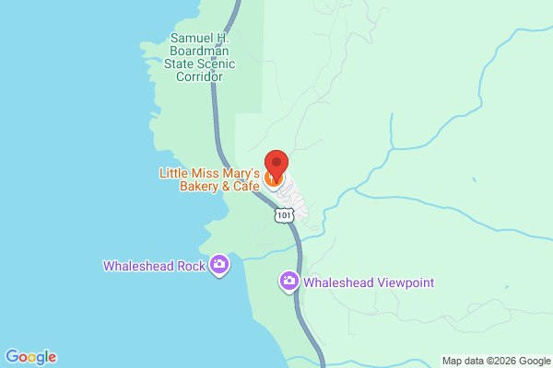

CLICKABLE URLs
Aerial / Satellite | https://www.google.com/maps/search/?api=1&query=19921+Whaleshead+Rd%2C+Brookings%2C+OR&t=k
Roadmap | https://www.google.com/maps/search/?api=1&query=19921+Whaleshead+Rd%2C+Brookings%2C+OR
Street View (Google Maps) | https://www.google.com/maps/@?api=1&map_action=pano&viewpoint=19921+Whaleshead+Rd%2C+Brookings%2C+OR
Driving Directions | https://www.google.com/maps/dir/?api=1&destination=19921+Whaleshead+Rd%2C+Brookings%2C+OR

PROXIMITY TO KEY LANDMARKS
Landmark Type | Name / Address |  | Distance (mi)
Nearest Major Employer #1
Nearest Major Employer #2
Nearest Major Employer #3
Nearest Walmart / Big Box
Nearest Grocery Store
Nearest Hospital / Urgent Care
Nearest Elementary School
Nearest High School
Nearest Community College / University
Nearest Major Highway / Interstate
Downtown (nearest city)
Nearest Airport

DILIGENCE FLAGS
HIGH | Investment Criteria — Spread: DOES NOT MEET INVESTMENT CRITERIA: Stabilized Yield on Cost (~10.8%) minus Ingoing Cap Rate (~9.9%) = ~90 bps spread, well below GGC's 200 bps minimum. Property is already at 100% occupancy with above-market lot rents (~$964 avg), leaving limited organic upside; the only value-add lever is 11 infill units, which requires deploying ~$550k capital for modest incremental NOI. — Recommendation: Re-trade price down materially or pass. Going-in yield at asking is attractive (~9.9% cap) but the value-creation thesis is thin. Verify infill feasibility, costs, and absorption.
HIGH | RE Taxes — Oregon reassessment: Primary method (PP×0.65×rate ≈ $58,500) would 3.8× historical taxes ($15,391). Oregon Measure 50 caps Maximum Assessed Value and does NOT reassess to sale price on transfer, so the primary method is inapplicable. — Recommendation: Used fallback T12×1.15 = $17,699. Confirm Curry County parcel(s), MAV, and levy rate before finalizing; high-confidence reassessment risk is low in Oregon.
MEDIUM | 5104 Grounds Maintenance: One-time item detected: Sep showed $4,229.84 and Oct $4,500 vs ~$220 average across other months. Variance of ~20×. — Recommendation: Possible one-time fall grounds/landscaping project. Confirm scope with seller. If genuinely one-time, exclude from T12×1.03 basis; if recurring, leave in.
MEDIUM | 5703 Casual Labour: One-time item detected: Sep showed $10,400 and Oct $10,400 vs ~$170 average across other months. Variance of ~60×. Coincides with regular W-2 wages dropping to ~$0 in same period. — Recommendation: Likely a staffing-model shift (contract labor replacing employees) or one-time project. Confirm go-forward labor structure with seller.
MEDIUM | RV Income trend: Long-term RV lot rent trending DOWN over T12 (Nov $17,051 → Oct $12,995). Underwritten at current rent roll run-rate ($159,587), below T12 ($172,705). — Recommendation: Confirm whether RV sites are converting/losing tenants or rents declining; verify long-term vs seasonal status.
MEDIUM | Tenant Cable TV un-recovered cost: Park pays ~$69k/yr cable (5407) but recovers only ~$2.7k via revenue share (4909) — large net cost the park absorbs. — Recommendation: Opportunity: bill cable/TV back to tenants or eliminate bulk contract. Potential ~$60k+ expense reduction.
MEDIUM | Flood zone: Coastal property (Whaleshead Beach); FEMA flood zone status unknown. No flood insurance override applied (base T12×1.05 used, replaced by seller pro-forma). — Recommendation: Pull FEMA flood map for 19921 Whaleshead Rd. If in Zone A/AE/V/VE, apply +15% insurance trend and reassess.
LOW | Rent roll count discrepancy: Document header cites 124 tenants but 127 detail rows present; one row (Caldeira, Ken, ID 5936) has $984 charge but blank Unit/Unit Type. — Recommendation: Reconcile 124 vs 127; classify the blank-type $984 row (assumed TOH MH lot). Minor.

QUESTIONS FOR SELLER / BROKER
#1 | Confirm the 11 infill units in the pro-forma: are they park-owned homes (introducing POH/home rent) or new TOH pads? What is the capital cost and absorption timeline?
#2 | Confirm FEMA flood zone for the coastal site — affects insurance underwriting.
#3 | Confirm Curry County tax parcel(s) and current MAV/levy — validate that Oregon Measure 50 prevents sale-based reassessment.
#4 | Explain the Sep/Oct shift: regular wages drop to ~$0 while casual labour spikes to $10,400/mo — is on-site management being restructured?
#5 | Why is RV lot rent trending down across the T12? Tenant turnover or rate reductions?
#6 | Tenant Cable TV ($69k) is largely un-reimbursed — can it be billed back or terminated post-close?
#7 | Classify the blank-Unit-Type row (Caldeira, Ken, $984) — assumed a TOH MH lot.

Collections
GARY GROUP CAPITAL

 | Month | GPR | Vacant | Concessions | Bad Debt | Net Rental Income | RUBS | HR Income | RV Income | Parking | Laundry | Other Income | EGI

Trailing 12 month collections None
 | Collections
NOV 24 | $88,020
DEC 24 | $81,913
JAN 25 | $95,245
FEB 25 | $94,469
MAR 25 | $97,084
APR 25 | $93,549
MAY 25 | $87,321
JUN 25 | $93,582
JUL 25 | $96,074
AUG 25 | $97,095
SEP 25 | $97,095
OCT 25 | $97,095
 | Avg NRI Analysis |  | % Difference |  | Net Rental Income
 | T1 |  |  | T1vsT3
 | T3 |  |  | T3vsT6
 | T6 |  |  | T6vsT12
 | T12

 |  |  |  |  | EGI

Trailing 12 month collections None
 | $113,605
 | $106,434
 | $121,216
 | $120,265
 | $125,753
 | $119,107
 | $113,366
 | $119,753
 | $120,603
 | $120,063
 | $118,427
 | $116,509

