Ark1
name | description | type | brewery | alc_percent | ibu | size | filename | beer_of_the_day
Stone IPA | En humlet IPA | IPA | Stone Brewing | 6.9 | 71 | 330 | 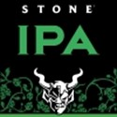 | 0
tina | en stout | Stout | Stone Brewing | 10 | 20 | 500 |  | 1

