ProductSpecsSheet
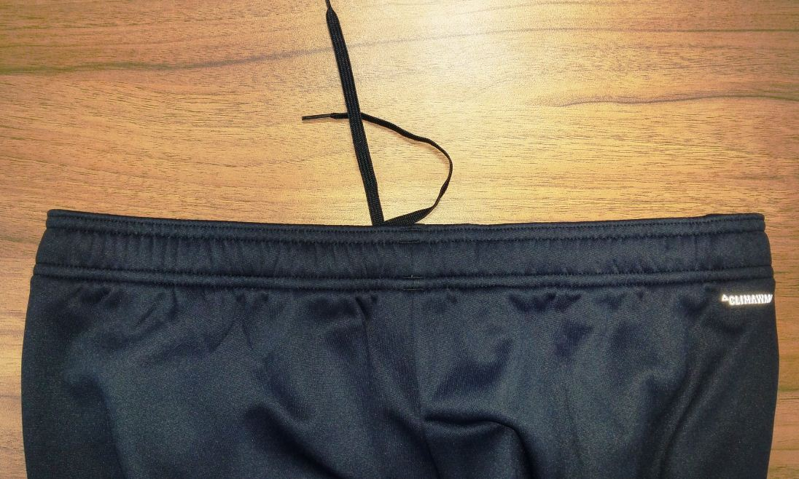
Code | Description | Ownership | Comments

