Sheet1
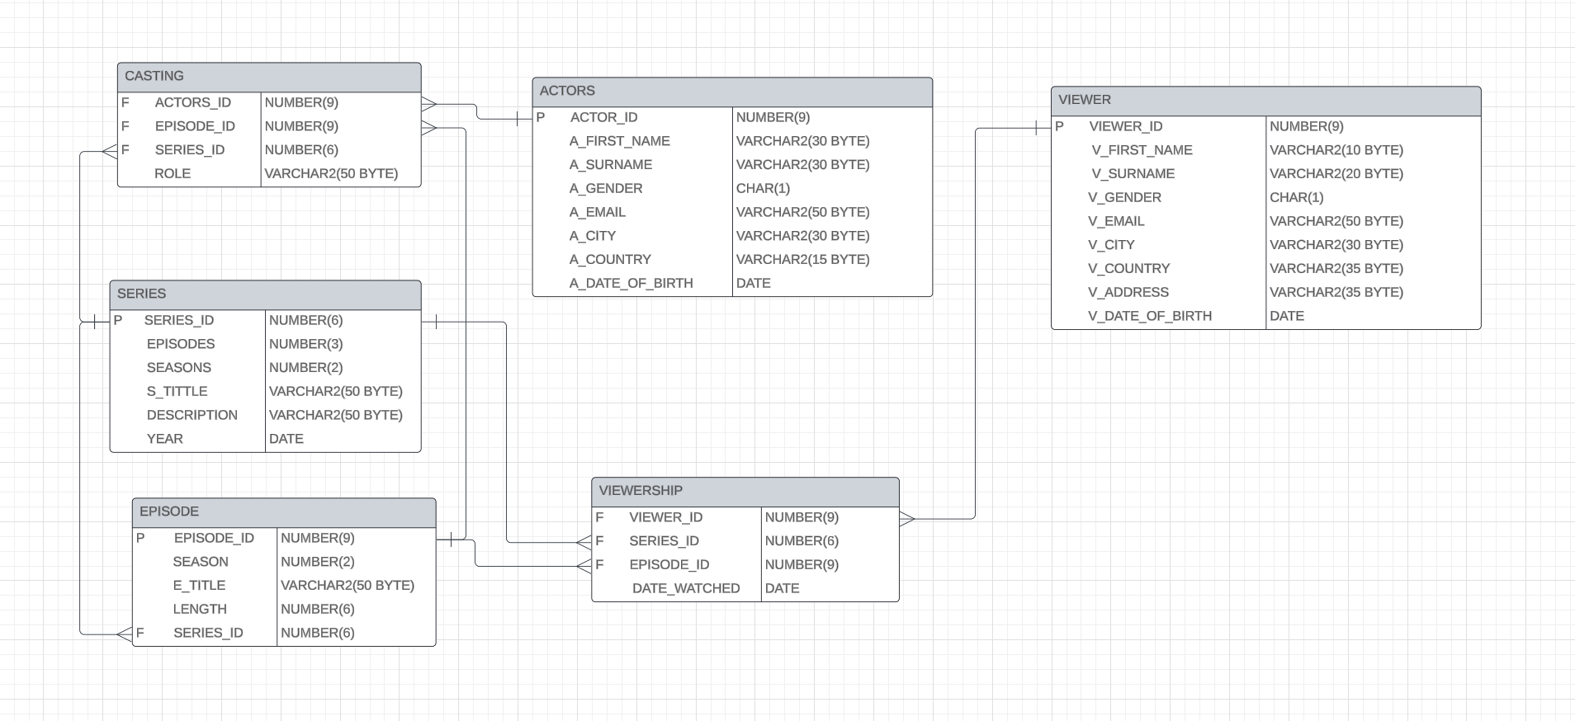
ACTORS
ATTRIBUTE | DATA TYPE | CONSTRAINTS | DEFAULT | DESCRIPTION
ACTOR_ID | NUMBER(9) | PK_ACTOR_ID,SEQUENCE |  | AUTO INCREMENT UNIQUE NUMBER
A_FIRST_NAME | VARCHAR2(30 BYTE) | UPPER |  | FIRST NAME OF THE ACTOR
A_SURNAME | VARCHAR2(30 BYTE) | UPPER, NOT NULL |  | SURNAME OF THE ACTOR
A_GENDER | CHAR(1) | CHECK IN ('M', 'F, 'O') | 'F' | GENDER OF THE ACTOR
A_EMAIL | VARCHAR2(50 BYTE) | UNIQUE |  | EMAIL OF THE ACTOR
A_CITY | VARCHAR2(30 BYTE) | UPPER | NEW YORK | CITY OF THE ACTOR
A_COUNTRY | VARCHAR2(15 BYTE) | UPPER | USA | COUNTRY OF THE ACTOR
A_DATE_OF_BIRTH | DATE |  |  | DATE OF THE BIRTH OF THE ACTOR

SERIES
ATTRIBUTE | DATA | CONSTRAINTS | DEFAULT | DESCRIPTION
SERIES_ID | NUMBER(6) | PK_SERIES_ID, SEQUENCE |  | AUTO INCREMENT UNIQUE NUMBER
EPISODES | NUMBER(3) |  |  | NUMBER OF TOTAL EPISODES OF THE SERIES
SEASONS | NUMBER(2) |  |  | NUMBER OF TOTAL SEASONS OF THE SERIES
S_TITLE | VARCHAR2(50 BYTE) | UPPER |  | TITLE OF THE SERIES
DESCRIPTION | VARCHAR2(50 BYTE) | UPPER |  | DESCRIPTION OF THE SERIES
YEAR | DATE |  |  | YEAR OF THE PRODUCTION OF THE EPISODE

CASTING
ATTRIBUTE | DATA TYPE | CONSTRAINTS | DEFAULT | DESCRIPTION
ACTORS_ID | NUMBER(9) | FK_ACTOR_ID FROM TABLE ACTORS |  | FOREIGN KEY
EPISODE_ID | NUMBER(9) | FK_ACTOR_ID FROM TABLE ACTORS |  | FOREIGN KEY
SERIES_ID | NUMBER(6) | FK_SERIES_ID FROM TABLE SERIES |  | FOREIGN KEY
ROLE | VARCHAR2(50 BYTE) |  |  | ROLE OF EACH ACTOR

EPISODE
ATTRIBUTE | DATA TYPE | CONSTRAINTS | DEFAULT | DESCRIPTION
EPISODE_ID | NUMBER(9) | PK_EPISODE_ID, SEQUENCE |  | AUTO INCREMENT UNIQUE NUMBER
SERIES_ID | NUMBER(6) | FK_SERIES_ID,SEQUENCE |  | FOREIGN KEY
SEASON | NUMBER(2) |  |  | SEASON OF THE EPISODE
E_TITLE | VARCHAR2(50 BYTE) | UPPER |  | TITLE OF THE EPISODE
LENGTH | NUMBER(6) |  | 3000 | LENGTH OF THE EPISODE IN SECONDS

VIEWER
ATTRIBUTE | DATA | CONSTRAINTS | DEFAULT | DESCRIPTION
VIEWER_ID | NUMBER(9) | PK_VIEWER_ID, SEQUENCE |  | AUTO INCREMENT UNIQUE NUMBER
V_FIRST_NAME | VARCHAR2(10 BYTE) | UPPER |  | FIRST NAME OF THE VIEWER
V_SURNAME | VARCHAR2(20 BYTE) | UPPER, NOT NULL |  | SURNAME OF THE VIEWER
V_GENDER | CHAR(1) | CHECK IN ('M', 'F, 'O') | 'M' | GENDER OF THE VIEWER
V_EMAIL | VARCHAR2(50 BYTE) | UNIQUE |  | EMAIL OF THE VIEWER
V_CITY | VARCHAR2(30 BYTE) | UPPER | LONDON | CITY OF THE VIEWER
V_COUNTRY | VARCHAR2(35 BYTE) | UPPER | ENGLAND | COUNTRY OF THE VIEWER
V_ADDRESS | VARCHAR2(35 BYTE) | UPPER |  | ADRESS OF THE VIEWER
V_DATE_OF_BIRTH | DATE |  |  | DATE OF BIRTH OF THE VIEWER

VIEWERSHIP
ATTRIBUTE | DATA | CONSTRAINTS | DEFAULT | DESCRIPTION
VIEWER_ID | NUMBER(9) | FK_VIEWER_ID FROM TABLE VIEWER |  | FOREIGN KEY
SERIES_ID | NUMBER(6) | FK_SERIES_ID FROM TABLE SERIES |  | FOREIGN KEY
EPISODE_ID | NUMBER(9) | FK_EPISODE_ID FROM TABLE EPISODE |  | FOREIGN KEY
DATE_WATCHED | DATE |  |  | DATE THAT THE VIEWER WATCHED THE EPISODE

