Settings
Input-file for trajectory optimization

 |  | Only fill in the cells in yellow

 | System properties

 |  | If the system properties are position-dependent, leave the cell blank below and fill in the values in the relevant sheet.
 |  | If the system properties are not postion-dependent fill in the constant value below.

 |  | Tl |  | Nm | Load Torque
 |  | fw | 0 | Nms/rad | kinetic friction coëfficiënt
 |  | J |  | kgm² | Inertia

 | Trajectory properties
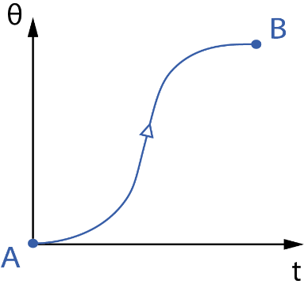
$$θ_{i}$$
$$θ_{e}$$
$$t_{e}$$
 |  | te | 0.2 | s | Motion time
 |  | θi | 30 | ° | Start angle
 |  | θi | 0.5235987756 | rad
 |  | θe | -26.5 | ° | End angle
 |  | θe | -0.46251225178 | rad
 |  | Δθ | -0.98611102738 | rad | Relative angular displacement

 |  | v | 12 |  | Number of polynomial coëfficiënts that are free to optimize
 |  | ts | 0.001 | s | Sampling time
 |  | N | 200 |  | Number of samples
 | Constraints

 |  | Start/end-constraints

 |  | Initial jerk | 1 |  | 0: initial jerk = 0
 |  |  |  |  | 1: initial jerk = free

 |  | Limits on the trajectory properties

 |  | Speed limit |  | rad/s | (Leave blank if the constraint is not used)

 |  | Acceleration |  | rad/s² | (Leave blank if the constraint is not used)
 |  | limit

 |  | Jerk limit |  | rad/s³ | (Leave blank if the constraint is not used)

 |  | Limits on the driving torque

 |  | Tm limit |  | Nm | Maximum motor torque
 |  |  |  |  | (Leave blank if the constraint is not used)

 |  | dTm/dt limit |  | Nm/s | Limit on the rate of change of the driving torque
 |  |  |  |  | (Leave blank if the constraint is not used)
 |  | Other

 |  | Monotonic | 0 |  | Monotonic increasing function | 0: constraint not activated
 |  |  |  |  |  | 1: constraint activated
 | Optimization criteria

 |  | iOpt | 1 |  | 1: rms-value of the torque
 |  |  |  |  | 2: maximum value of the torque
 |  |  |  |  | 3: rms-value of the power
 | Stopping conditions

 |  | Max time |  | seconds
 |  |  | 10 | minutes
 |  |  |  | hours
 |  |  |  | days
 |  |  | 600 | total (seconds)

 |  | iMax |  |  | Maximum number of generations
 |  |  |  |  | (Leave blank if the stopping condition is not used)

 |  | iStall |  |  | Maximum number of stall generations
 |  |  |  |  | (Leave blank if the stopping condition is not used)

