Metricas
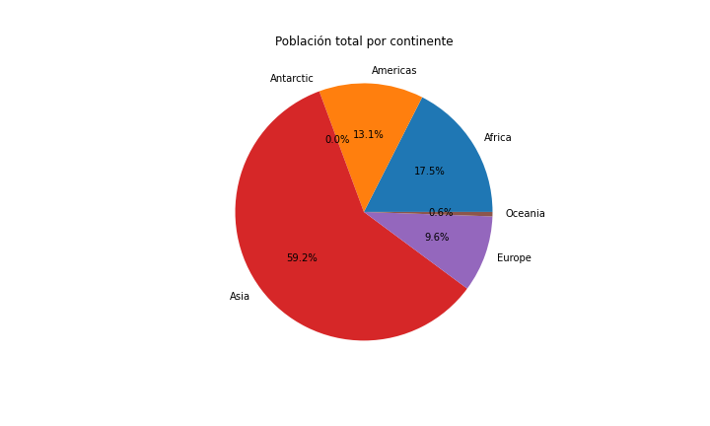
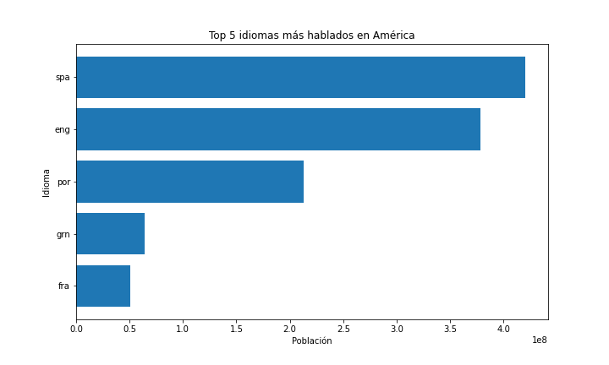
 | Población total por continente | Número de países por continente | Moneda más común por continente | Idioma más común por continente (ponderado por población)
Africa | 1362095235 | 59 | XOF | eng
Americas | 1020976420 | 56 | USD | spa
Antarctic | 1430 | 5 | EUR | fra
Asia | 4604594974 | 50 | AED | eng
Europe | 746934072 | 53 | EUR | rus
Oceania | 43119432 | 27 | AUD | eng

