compressor production
Country | year | installed capacity | unit | type | source | Notes: |  | Conversion of compressor prodcution | Source: Rewlay-ngoen, 2020
China | 2018 | 198,000,000 | units/year | rotary compressor | Nicholson,2019 | specified for cooling |  | Material type | Component | Weight | Ratio |  |  | https://www.bsria.com/us/news/article/world_compressor_market_an_overview/?srsltid=AfmBOoofS_VauHvF8VQmVHWe5OgWs4tQRiutDIwbD5xMriB5_O1y6Fwz
Thailand | 2018 | 13,000,000 | units/year | rotary compressor | Nicholson,2019 | specified for cooling |  |  |  | (kg) | (%)
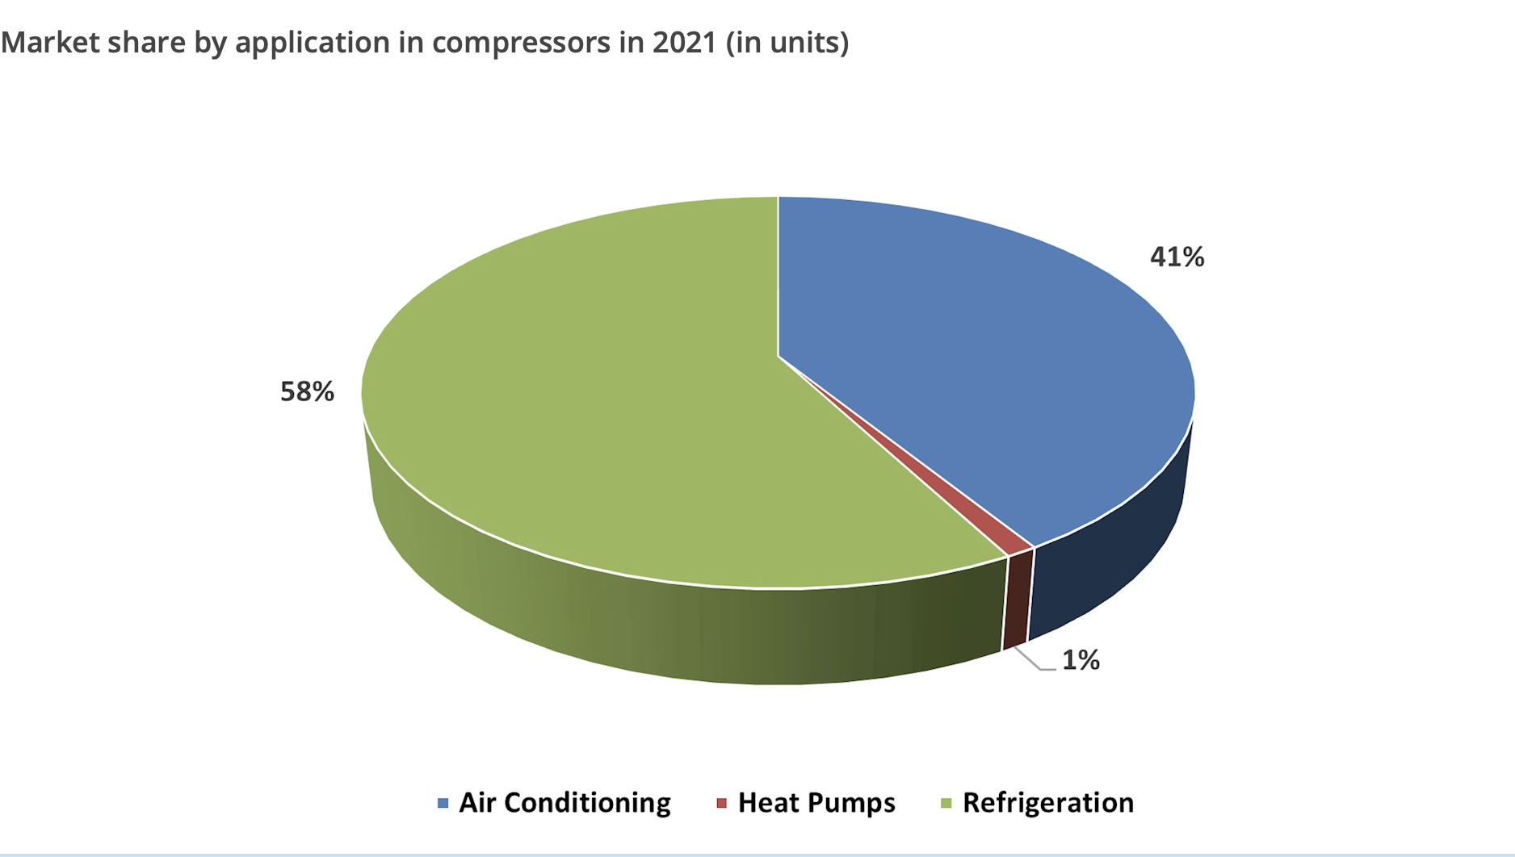
South Korea | 2017 | 5,500,000 | units/year | rotary compressor | Nicholson,2019 | specified for cooling |  | Cast iron | Cylinder, shaft, rotor | 4.8 | 20.24
Japan | 2018 | 4,100,000 | units/year | rotary compressor | Nicholson,2019 | specified for cooling |  | Steel sheet | upper / lower housing, Accumulator | 5.13 | 21.64
Malaysie | 2018 | 3,500,000 | units/year | rotary compressor | Nicholson,2019 | specified for cooling |  | High grade steel | Rolling piston | 0.56 | 2.36
Czech republik | 2018 | 790,000 | units/year | rotary compressor | Nicholson,2019 | specified for cooling |  | Sintering steel | Upper / lower bearing | 0.19 | 0.8
United states | 2017 | 1,000,000 | units/year | rotary compressor | Nicholson,2019 | specified for cooling |  | Silicon steel | Stator, rotor | 7.8 | 32.9
India | 2017 | 3,000,000 | units/year | rotary compressor | Nicholson,2019 | specified for cooling |  | Copper | Copper wire | 2.26 | 9.53
Brazil | 2017 | 1,900,000 | units/year | rotary compressor | Nicholson,2019 | specified for cooling |  |  | copper tube | 0.44 | 1.86
europe |  | 800000 | units/year |  | Nicholson,2019 |  |  | Aluminum ingot | Rotor core | 0.37 | 1.56
australia |  | 8000 | units/year |  | Nicholson,2019 |  |  | HCFC-22 (R22) | Refrigerant | 1.5 | 6.33

Country | year | Compressor Production Value | unit | source | For Czechia |  |  | Mineral oil | Lubricant oil | 0.653 | 2.75
Germany | 2021 | 805,900,000 | € | ENEL, 2023 | 341.39240506 |  |  | Paint | Compressor coating | 0.008 | 0.03
Slovakia | 2021 | 349,100,000 | € | ENEL, 2024 |  |  |  | Total |  | 23.711 | 100
Czechia | 2021 | 269,700,000 | € | ENEL, 2025 |  |  |  | Steel total |  | 0.5769 | 57.7 | kg Steel/kg compressor
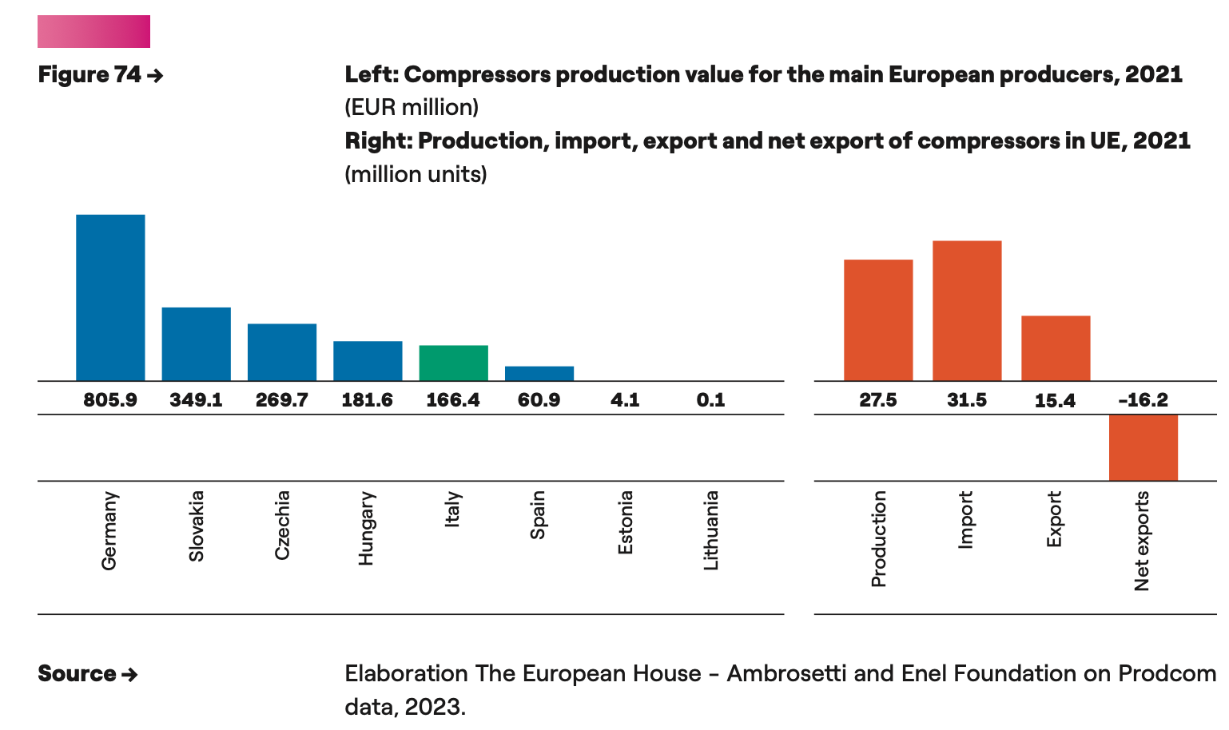
Hungary | 2021 | 181,600,000 | € | ENEL, 2026 |  |  |  | Copper total |  | 0.1139 | 11.39 | kg Copper/kg compressor
Itlay | 2021 | 166,400,000 | € | ENEL, 2027 |  |  |  | Umrechnungsfaktor von unit ro kW |  | 2 | kW/unit | assumed COP of 3.5
Spain | 2021 | 60,900,000 | € | ENEL, 2028
Europe | 2024 | 3,864,000,000 | € | https://www.gminsights.com/industry-analysis/europe-heat-pump-compressors-market
World |  | 486000000 | units | https://www.bsria.com/us/news/article/world_compressor_market_an_overview/?srsltid=AfmBOoofS_VauHvF8VQmVHWe5OgWs4tQRiutDIwbD5xMriB5_O1y6Fwz
World |  | 35616000000 | € | https://www.bsria.com/us/news/article/world_compressor_market_an_overview/?srsltid=AfmBOoofS_VauHvF8VQmVHWe5OgWs4tQRiutDIwbD5xMriB5_O1y6Fwz
Country | year | sales volume | unit | Increased sales volume 2021-2023 | source | Notes:
China | 2023 | 6,673,500 | units | 2.40% | http://www.chinaiol.com/download/Global%20Heat%20Pump%20Market%20Report%202024.pdf

 | installed capacity | €/yr |  | unit | Carbon footprint |  |  | CAGR
AUS | 183,120,000 | €/yr | 1.3 | GW |  |  |  | 6% | https://www.nextmsc.com/report/australia-air-compressor-market#:~:text=The%20Australia%20Air%20Compressor%20Market,5.9%25%20from%202024%20to%202030.
AUT | 0 | €/yr | 0.0 | GW |  |  |  | 18% | no data
BRA | 900,000 | units/year | 7.2 | GW |  |  |  | 3% | https://www.clasp.ngo/wp-content/uploads/2021/01/ENG-2018-Technical-and-Economic-Feasibility-Study-for-a-High-Efficiency-Compressor-Market-in-Brazil.pdf
CHN | 6,673,500 | units/year | 53.4 | GW |  |  |  | 8% | https://www.maximizemarketresearch.com/market-report/air-conditioning-compressor-market/169709/#:~:text=Air%20Conditioning%20Compressor%20Market%20–%20increasing,to%20boost%20the%20market%20growth&text=Air%20Conditioning%20Compressor%20Market%20size,5.2%20%25%20during%20the%20forecast%20period.
CZE | 269,700,000 | €/yr | 1.9 | GW |  |  |  | 18%
DEU | 805900000 | €/yr | 5.7 | GW |  |  |  | 18%
ITA | 166400000 | €/yr | 1.2 | GW |  |  |  | 18%
JPN | 4,100,000 | units/year | 8.2 | GW |  |  |  | 8% | https://www.maximizemarketresearch.com/market-report/air-conditioning-compressor-market/169709/#:~:text=Air%20Conditioning%20Compressor%20Market%20–%20increasing,to%20boost%20the%20market%20growth&text=Air%20Conditioning%20Compressor%20Market%20size,5.2%20%25%20during%20the%20forecast%20period.
KOR | 633,360,000 | €/yr | 4.5 | GW |  |  |  | 8% | https://www.grandviewresearch.com/horizon/outlook/air-compressor-market/south-korea
ROE | 2,622,000,000 | €/yr | 18.7 | GW | 8.50E+02 |  |  | 18% | https://www.gminsights.com/industry-analysis/europe-heat-pump-compressors-market
ROW | 19118400000 | €/yr | 25.9 | GW | 8.36E+02 | kg Co2-eq / 4 Kw compressor | ecoinevent | 14% | https://www.maximizemarketresearch.com/market-report/air-conditioning-compressor-market/169709/#:~:text=Air%20Conditioning%20Compressor%20Market%20–%20increasing,to%20boost%20the%20market%20growth&text=Air%20Conditioning%20Compressor%20Market%20size,5.2%20%25%20during%20the%20forecast%20period.
USA | 1,000,000 | units/year | 8.0 | GW |  |  |  | 6%

Market size compressors | 46.7 | 10^9 USD | 5.3 | https://www.bsria.com/us/news/article/world_compressor_market_an_overview/?srsltid=AfmBOoofS_VauHvF8VQmVHWe5OgWs4tQRiutDIwbD5xMriB5_O1y6Fwz | 1% market share heat pump
Market size compressors | 25.9 | 10^9 USD | 5 | https://www.futuremarketinsights.com/reports/air-conditioning-compressor-market
Average market size compressors HVAC | 36.3
in heat pumop | 13.9 | 10^9 USD | 13.7 | https://www.gminsights.com/industry-analysis/heat-pump-compressors-market
in heat pumop | 13.1 | 10^9 USD | 13.7 | https://www.verifiedmarketresearch.com/product/heat-pump-compressor-market/
in heat pumop | 14.2 | 10^9 USD | 13.9 | https://www.strategicmarketresearch.com/market-report/heat-pump-compressors-market
avergea hp global | 13.733333333 |  | 13.766666667
conversino factor for heat pumps in compressors | 1
 | 0.37832874197
Average total | 22.76

Year | AUS | AUT | BRA | CHN | CZE | DEU | ITA | JPN | KOR | ROE | ROW | USA
2022 | 1.3 | 0 | 7.2 | 53.4 | 1.9 | 5.7 | 1.2 | 8.2 | 4.5 | 18.650788085 | 25.9 | 8
2023 | 1.38 | 0.00 | 7.42 | 57.55 | 2.26 | 6.74 | 1.39 | 8.84 | 4.86 | 21.93 | 29.48 | 8.46
2024 | 1.46 | 0.00 | 7.64 | 62.04 | 2.65 | 7.93 | 1.64 | 9.53 | 5.24 | 25.79 | 33.54 | 8.94
2025 | 1.55 | 0.00 | 7.87 | 66.88 | 3.12 | 9.32 | 1.93 | 10.27 | 5.64 | 30.33 | 38.15 | 9.45
2026 | 1.64 | 0.00 | 8.10 | 72.10 | 3.67 | 10.96 | 2.26 | 11.07 | 6.08 | 35.67 | 43.41 | 9.99
2027 | 1.73 | 0.00 | 8.35 | 77.72 | 4.32 | 12.89 | 2.66 | 11.94 | 6.56 | 41.95 | 49.38 | 10.56
2028 | 1.84 | 0.00 | 8.60 | 83.78 | 5.07 | 15.16 | 3.13 | 12.87 | 7.07 | 49.33 | 56.18 | 11.16
2029 | 1.95 | 0.00 | 8.86 | 90.32 | 5.97 | 17.83 | 3.68 | 13.87 | 7.62 | 58.02 | 63.91 | 11.79
2030 | 2.06 | 0.00 | 9.12 | 97.36 | 7.02 | 20.97 | 4.33 | 14.95 | 8.22 | 68.23 | 72.71 | 12.46
2031 | 2.18 | 0.00 | 9.39 | 104.96 | 8.25 | 24.66 | 5.09 | 16.12 | 8.86 | 80.23 | 82.72 | 13.18
2032 | 2.31 | 0.00 | 9.68 | 113.14 | 9.71 | 29.00 | 5.99 | 17.38 | 9.55 | 94.36 | 94.11 | 13.93
2033 | 2.45 | 0.00 | 9.97 | 121.97 | 11.41 | 34.11 | 7.04 | 18.73 | 10.29 | 110.96 | 107.07 | 14.72
2034 | 2.59 | 0.00 | 10.27 | 131.48 | 13.42 | 40.11 | 8.28 | 20.19 | 11.10 | 130.49 | 121.81 | 15.56
2035 | 2.74 | 0.00 | 10.57 | 141.74 | 15.78 | 47.17 | 9.74 | 21.77 | 11.96 | 153.46 | 138.58 | 16.45

Leanring rate | 0.1 | http://www.strategosinc.com/downloads/learning-curves-dl1.pdf

OPEX evolution | AUS | AUT | BRA | CHN | CZE | DEU | ITA | JPN | KOR | ROE | ROW | USA |  | OPEX evolution | AUS | AUT | BRA | CHN | CZE | DEU | ITA | JPN | KOR | ROE | ROW | USA
2022 | 56 | 86 | 50 | 28 | 78 | 87 | 84 | 79 | 53 | 78 | 54 | 97 |  | 2022 | 56.0941644 | 86.351236639 | 50.159654466 | 28.287744535 | 77.674003234 | 87.446801314 | 84.229332528 | 79.449915484 | 53.106283033 | 77.734502175 | 53.991164521 | 96.955070058
2023 | 55.6 | 86.4 | 49.9 | 28.0 | 75.8 | 85.3 | 82.2 | 78.5 | 52.5 | 75.8 | 52.9 | 96.1 |  | 2023 | 55.60750634 | 86.351236639 | 49.934791202 | 27.966632061 | 75.783307904 | 85.318222227 | 82.179071192 | 78.548028134 | 52.503439284 | 75.842334215 | 52.942962153 | 96.141535033
2024 | 55.1 | 86.4 | 49.7 | 27.6 | 73.9 | 83.2 | 80.2 | 77.7 | 51.9 | 74.0 | 51.9 | 95.3 |  | 2024 | 55.125070397 | 86.351236639 | 49.710935989 | 27.649164741 | 73.938634778 | 83.241455773 | 80.178716123 | 77.65637869 | 51.907438805 | 73.996224305 | 51.915109933 | 95.334826256
2025 | 54.6 | 86.4 | 49.5 | 27.3 | 72.1 | 81.2 | 78.2 | 76.8 | 51.3 | 72.2 | 50.9 | 94.5 |  | 2025 | 54.646819939 | 86.351236639 | 49.488084307 | 27.335301199 | 72.13886361 | 81.215240757 | 78.227052531 | 76.774850935 | 51.318203912 | 72.195051327 | 50.907212777 | 94.534886447
2026 | 54.2 | 86.4 | 49.3 | 27.0 | 70.4 | 79.2 | 76.3 | 75.9 | 50.7 | 70.4 | 49.9 | 93.7 |  | 2026 | 54.172718656 | 86.351236639 | 49.266231659 | 27.025000524 | 70.382901424 | 79.238346686 | 76.322895197 | 75.903329972 | 50.735657805 | 70.437721452 | 49.91888327 | 93.741658809
2027 | 53.7 | 86.4 | 49.0 | 26.7 | 68.7 | 77.3 | 74.5 | 75.0 | 50.2 | 68.7 | 48.9 | 93.0 |  | 2027 | 53.702730549 | 86.351236639 | 49.045373565 | 26.718222273 | 68.669681846 | 77.30957302 | 74.465087752 | 75.041702206 | 50.159724556 | 68.723167477 | 48.949741521 | 92.955087023
2028 | 53.2 | 86.4 | 48.8 | 26.4 | 67.0 | 75.4 | 72.7 | 74.2 | 49.6 | 67.1 | 48.0 | 92.2 |  | 2028 | 53.236819934 | 86.351236639 | 48.825505568 | 26.414926461 | 66.998164461 | 75.427748438 | 72.652501973 | 74.189855335 | 49.590329097 | 67.050348176 | 47.99941501 | 92.175115238
2029 | 52.8 | 86.4 | 48.6 | 26.1 | 65.4 | 73.6 | 70.9 | 73.3 | 49.0 | 65.4 | 47.1 | 91.4 |  | 2029 | 52.774951436 | 86.351236639 | 48.606623227 | 26.115073555 | 65.367334178 | 73.591730133 | 70.884037101 | 73.347678328 | 49.027397214 | 65.418247667 | 47.067538453 | 91.401688077
2030 | 52.3 | 86.4 | 48.4 | 25.8 | 63.8 | 71.8 | 69.2 | 72.5 | 48.5 | 63.8 | 46.2 | 90.6 |  | 2030 | 52.317089986 | 86.351236639 | 48.388722126 | 25.818624473 | 63.776200616 | 71.800403116 | 69.15861917 | 72.515061416 | 48.470855535 | 63.825874799 | 46.153753657 | 90.634750623
2031 | 51.9 | 86.4 | 48.2 | 25.5 | 62.2 | 70.1 | 67.5 | 71.7 | 47.9 | 62.3 | 45.3 | 89.9 |  | 2031 | 51.86320082 | 86.351236639 | 48.171797864 | 25.525540576 | 62.2237975 | 70.052679538 | 67.475200358 | 71.691896077 | 47.92063152 | 62.272262542 | 45.257709382 | 89.874248423
2032 | 51.4 | 86.4 | 48.0 | 25.2 | 60.7 | 68.3 | 65.8 | 70.9 | 47.4 | 60.8 | 44.4 | 89.1 |  | 2032 | 51.413249476 | 86.351236639 | 47.955846063 | 25.235783665 | 60.709182076 | 68.347498029 | 65.832758345 | 70.87807502 | 47.376653454 | 60.756467411 | 44.379061207 | 89.12012748
2033 | 51.0 | 86.4 | 47.7 | 24.9 | 59.2 | 66.7 | 64.2 | 70.1 | 46.8 | 59.3 | 43.5 | 88.4 |  | 2033 | 50.96720179 | 86.351236639 | 47.740862363 | 24.949315971 | 59.231434538 | 66.683823055 | 64.230295699 | 70.073492172 | 46.838850435 | 59.277568881 | 43.5174714 | 88.372334249
2034 | 50.5 | 86.4 | 47.5 | 24.7 | 57.8 | 65.1 | 62.7 | 69.3 | 46.3 | 57.8 | 42.7 | 87.6 |  | 2034 | 50.525023895 | 86.351236639 | 47.526842425 | 24.666100157 | 57.78965747 | 65.060644287 | 62.666839265 | 69.278042664 | 46.307152365 | 57.834668837 | 42.672608782 | 87.630815635
2035 | 50.1 | 86.4 | 47.3 | 24.4 | 56.4 | 63.5 | 61.1 | 68.5 | 45.8 | 56.4 | 41.8 | 86.9 |  | 2035 | 50.086682218 | 86.351236639 | 47.313781928 | 24.386099309 | 56.382975299 | 63.476975992 | 61.141439576 | 68.491622818 | 45.781489943 | 56.426891026 | 41.844148608 | 86.89551899

OPEX evolution | 2022 | 2023 | 2024 | 2025 | 2026 | 2027 | 2028 | 2029 | 2030 | 2031 | 2032 | 2033 | 2034 | 2035
AUS | 0.0064034434246 | 0.0063478888516 | 0.0062928162554 | 0.0062382214543 | 0.0061841003032 | 0.0061304486928 | 0.0060772625495 | 0.0060245378351 | 0.0059722705463 | 0.0059204567146 | 0.0058690924059 | 0.0058181737203 | 0.0057676967917 | 0.0057176577875
AUT | 0.0098574471049 | 0.0098574471049 | 0.0098574471049 | 0.0098574471049 | 0.0098574471049 | 0.0098574471049 | 0.0098574471049 | 0.0098574471049 | 0.0098574471049 | 0.0098574471049 | 0.0098574471049 | 0.0098574471049 | 0.0098574471049 | 0.0098574471049
BRA | 0.0057259879528 | 0.0057003186304 | 0.0056747643823 | 0.0056493246926 | 0.0056239990478 | 0.0055987869367 | 0.0055736878502 | 0.0055487012816 | 0.0055238267267 | 0.0054990636831 | 0.005474411651 | 0.0054498701328 | 0.005425438633 | 0.0054011166584
CHN | 0.0032291945817 | 0.0031925379065 | 0.0031562973449 | 0.0031204681734 | 0.003085045722 | 0.0030500253737 | 0.003015402564 | 0.0029811727802 | 0.0029473315608 | 0.002913874495 | 0.002880797222 | 0.0028480954304 | 0.0028157648581 | 0.002783801291
CZE | 0.0088668953463 | 0.0086510625461 | 0.0084404834221 | 0.0082350300925 | 0.0080345777881 | 0.007839004777 | 0.0076481922901 | 0.0074620244496 | 0.0072803881982 | 0.0071031732306 | 0.0069302719265 | 0.0067615792852 | 0.0065969928618 | 0.0064364127053
DEU | 0.0099825115655 | 0.0097395230853 | 0.0095024492891 | 0.0092711462051 | 0.009045473366 | 0.0088252937237 | 0.0086104735659 | 0.0084008824353 | 0.0081963930498 | 0.0079968812258 | 0.0078022258024 | 0.0076123085679 | 0.0074270141881 | 0.007246230136
ITA | 0.0096152206082 | 0.0093811725105 | 0.0091528214752 | 0.0089300288277 | 0.0087126592691 | 0.0085005807936 | 0.0082936646088 | 0.0080917850572 | 0.00789481954 | 0.0077026484427 | 0.0075151550622 | 0.0073322255364 | 0.0071537487745 | 0.00697961639
JPN | 0.0090696250553 | 0.0089666698783 | 0.0088648834121 | 0.0087642523899 | 0.0086647636954 | 0.0085664043615 | 0.0084691615679 | 0.0083730226401 | 0.0082779750475 | 0.0081840064015 | 0.0080911044544 | 0.0079992570973 | 0.0079084523589 | 0.0078186784039
KOR | 0.0060623610768 | 0.0059935432973 | 0.0059255067129 | 0.0058582424557 | 0.0057917417586 | 0.0057259959538 | 0.0056609964722 | 0.0055967348418 | 0.0055332026866 | 0.0054703917261 | 0.0054082937733 | 0.0053469007345 | 0.0052862046078 | 0.0052261974821
ROE | 0.0088738016181 | 0.0086578007095 | 0.0084470575691 | 0.0082414442154 | 0.0080408357822 | 0.0078451104426 | 0.0076541493351 | 0.0074678364917 | 0.007286058767 | 0.0071087057697 | 0.0069356697957 | 0.0067668457626 | 0.0066021311458 | 0.0064414259162
ROW | 0.0061633749453 | 0.0060437171407 | 0.0059263824124 | 0.0058113256595 | 0.0056985026564 | 0.0055878700366 | 0.0054793852751 | 0.0053730066728 | 0.0052686933399 | 0.0051664051806 | 0.0050661028776 | 0.0049677478767 | 0.0048713023724 | 0.0047767292932
USA | 0.011067930372 | 0.010975061077 | 0.010882971034 | 0.010791653704 | 0.010701102604 | 0.010611311304 | 0.010522273429 | 0.010433982657 | 0.01034643272 | 0.0102596174 | 0.010173530534 | 0.01008816601 | 0.010003517767 | 0.0099195797934

 | 0.0064 | 0.0099

Heat Exchanger
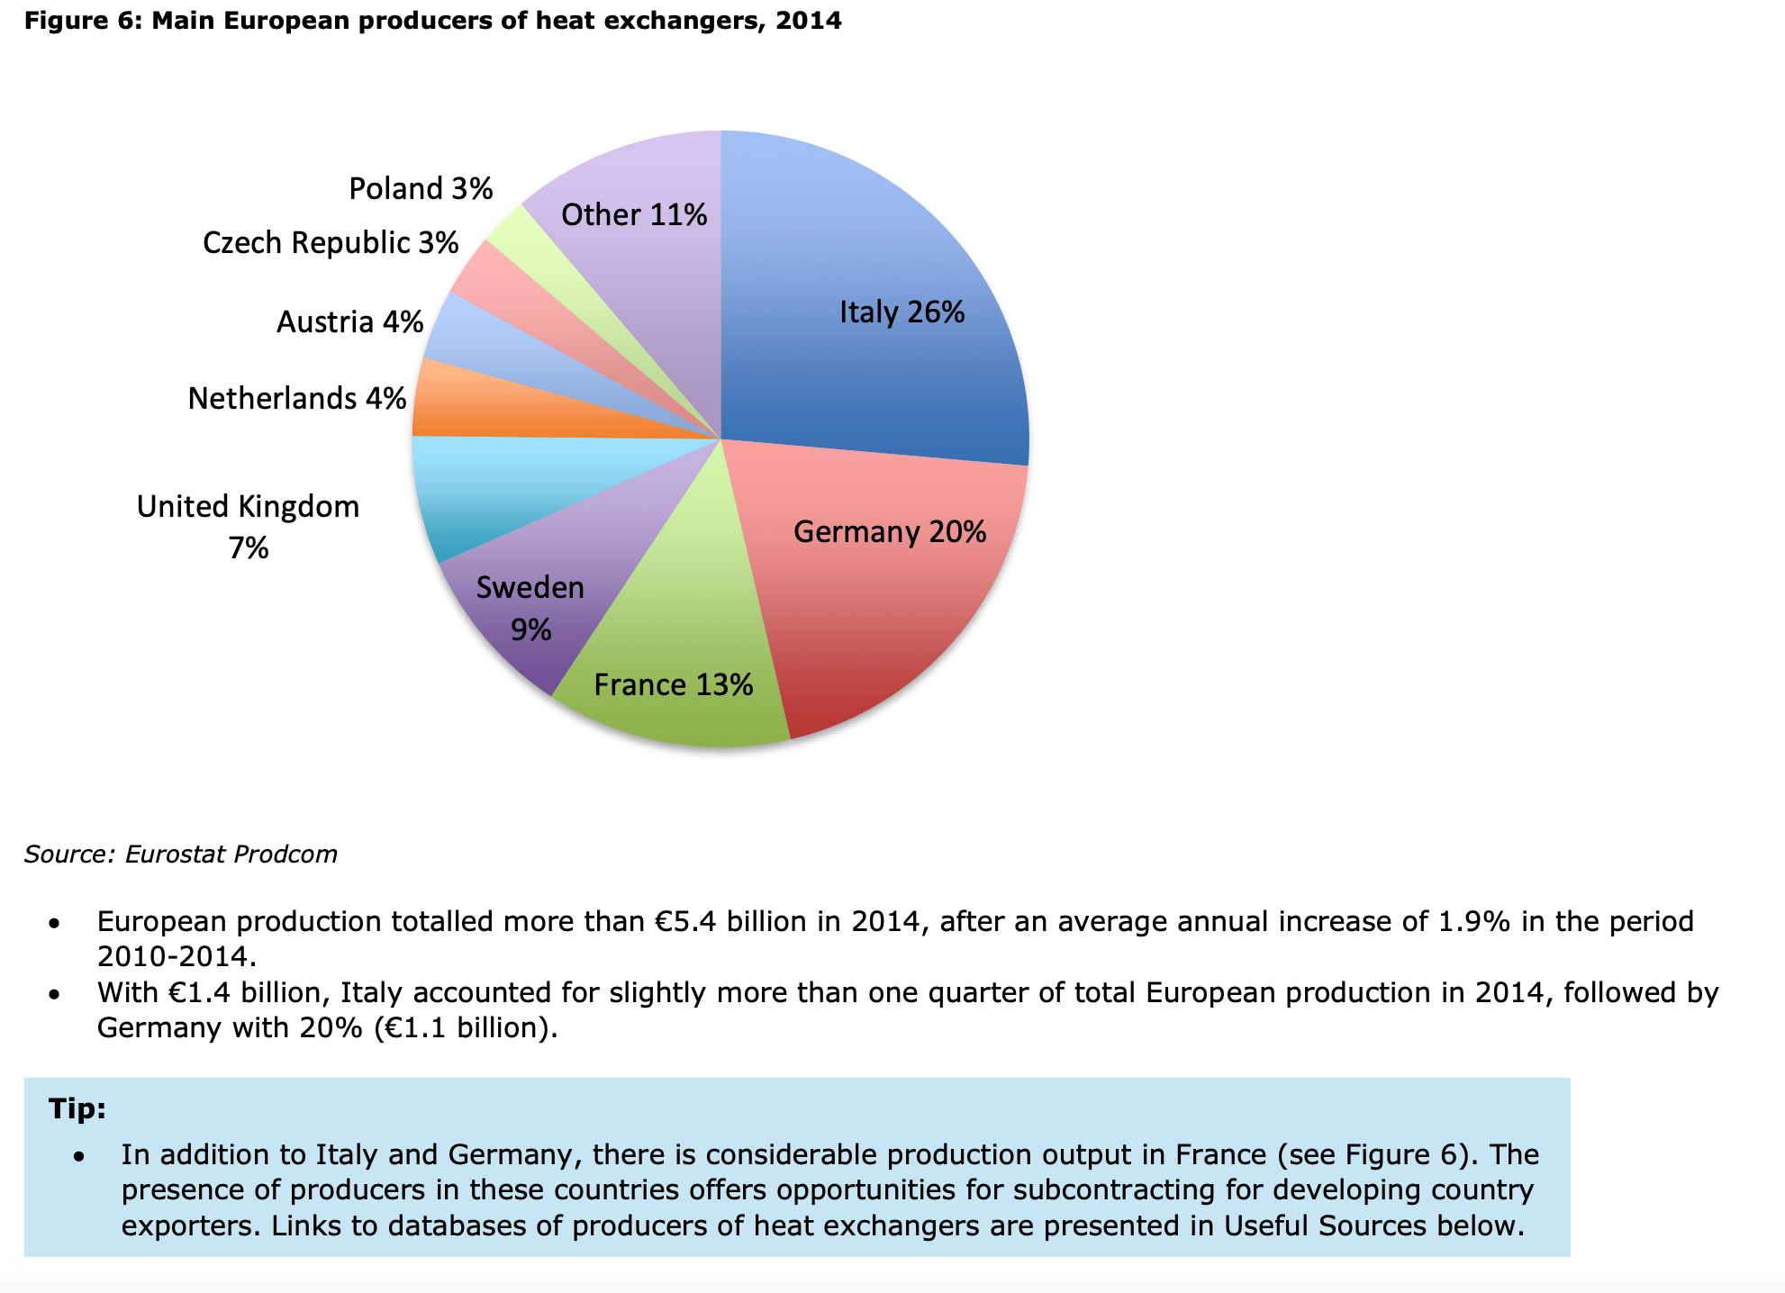
Country | Market value | Unit | Year | CAGR | Source | Notes
Europe | 5040 | Mio. € | 2024 | 4.2% | https://www.imarcgroup.com/europe-heat-exchanger-market
 | 7392 | Mio. € | 2032
Europe | 900 | Mio. € | 2024 | 18.9 | https://www.gminsights.com/industry-analysis/europe-heat-pump-brazed-plate-heat-exchangers-market | value fopr brazed plate heat exchanger in HP used in AC
Europe | 4700 | Mio. € | 2032 |  | https://www.gminsights.com/industry-analysis/europe-heat-pump-brazed-plate-heat-exchangers-market | estimate
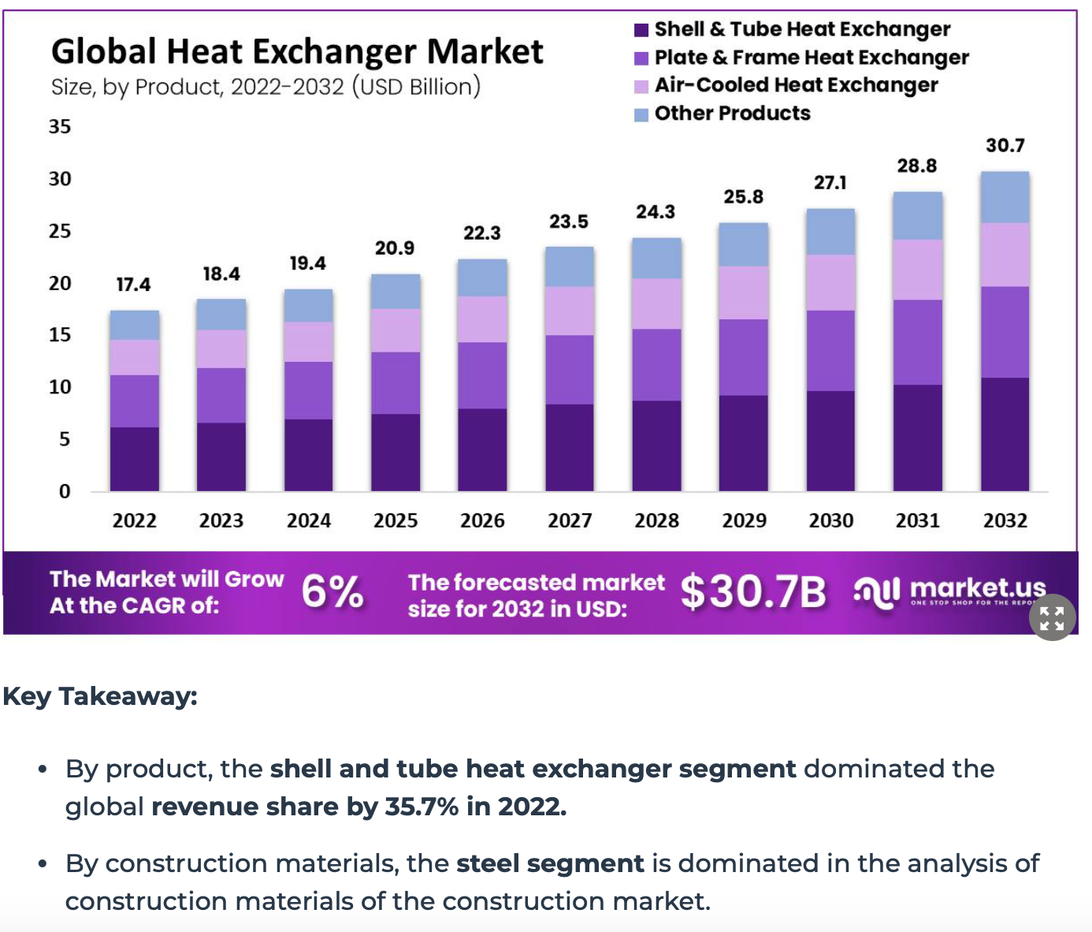
Italy | 234 | Mio. € | 2024 |  | https://www.cbi.eu/sites/default/files/market-information/product-factsheet-europe-heat-exchangers-2016.pdf | used share to estimate HP value in country
Germany | 180 | Mio. € | 2024 |  | https://www.cbi.eu/sites/default/files/market-information/product-factsheet-europe-heat-exchangers-2016.pdf | used share to estimate HP value in country
France | 117 | Mio. € | 2024 |  | https://www.cbi.eu/sites/default/files/market-information/product-factsheet-europe-heat-exchangers-2016.pdf | used share to estimate HP value in country
Austria | 36 | Mio. € | 2024 |  | https://www.cbi.eu/sites/default/files/market-information/product-factsheet-europe-heat-exchangers-2016.pdf | used share to estimate HP value in country
Czech Republic | 27 | Mio. € | 2024 |  | https://www.cbi.eu/sites/default/files/market-information/product-factsheet-europe-heat-exchangers-2016.pdf | used share to estimate HP value in country
Sweden | 81 | Mio. € | 2024
China | 4242.5 | Mio. USD | 2023 | 6.50% | https://www.nextmsc.com/report/china-heat-exchangers-market | aound 30% of HX industry are in petroleum and chemical industry source: https://heat-exchanger-world.com/featured-story-the-fast-growing-heat-exchanger-market-in-china/)
China | 6872.1 | Mio. USD | 2030 |  | https://www.nextmsc.com/report/china-heat-exchangers-market
China | 3200 | Mio. RMB | 2021 |  | http://www.chinaiol.com/download/Global%20Heat%20Pump%20Market%20Report%202024.pdf
 | 496.1 | Mio. USD
Australia | 287.2 | Mio. USD | 2023 |  | https://www.nextmsc.com/news/australia-heat-exchangers-market
Australia | 560.5 | Mio. USD | 2030 | 9% | https://www.nextmsc.com/news/australia-heat-exchangers-market
global | 17610 | Mio. USD | 2022 |  | https://www.fortunebusinessinsights.com/industry-reports/heat-exchangers-market-100919#
global | 35340 | Mio. USD | 2032 | 8% | https://www.fortunebusinessinsights.com/industry-reports/heat-exchangers-market-100919#
global | 255000 | Mio. USD | 2030 | 5% | https://www.strategicmarketresearch.com/market-report/heat-exchangers-market#:~:text=The%20global%20heat%20exchanger%20market,to%20%2425.5%20billion%20by%202030.
South korea | 66.1 | Mio USD | 2023 |  | https://www.grandviewresearch.com/horizon/outlook/plate-frame-heat-exchangers-market/south-korea
South Korea | 101.7 | Mio USD | 2030 | 6% | https://www.grandviewresearch.com/horizon/outlook/plate-frame-heat-exchangers-market/south-korea
Japan | 826.5 | Mio USD | 2023 |  | https://www.nextmsc.com/report/japan-heat-exchangers-market
Japan | 1451.5 | Mio USD | 2030 | 8% | https://www.nextmsc.com/report/japan-heat-exchangers-market
Brazil | 158.1 | Mio USD | 2022 |  | https://www.grandviewresearch.com/horizon/outlook/shell-and-tube-heat-exchanger-market/brazil
Brazil | 226.7 | Mio USD | 2030 | 5% | https://www.grandviewresearch.com/horizon/outlook/shell-and-tube-heat-exchanger-market/brazil
USA | 2700 |  | 2022 |  | https://www.grandviewresearch.com/industry-analysis/us-heat-exchangers-market-report
USA |  |  | 2030 | 4% | https://www.grandviewresearch.com/industry-analysis/us-heat-exchangers-market-report

facror application HVAC to all applications
Europe | 18%
China | 12%
Assumption | 100% | > based ont he sahre of e.g shell and tube -> sufficient if i found a source
 |  | Market Value Current | Per HX in HP | In units production capacity per 8 kW HP (see cost sheet) | Unit | CAGR (2024 - 2032)
AUS | 2022 | 241 | Mio. € | 335165 | units HEX wit assumption 1 HX per 1 HP | 9%
AUT | 2022 | 36 | Mio. € | 50015 | units HEX wit assumption 1 HX per 1 HP | 19%
BRA | 2022 | 133 | Mio. € | 184504 | units HEX wit assumption 1 HX per 1 HP | 5%
CHN | 2022 | 3564 | Mio. € | 4951031 | units HEX wit assumption 1 HX per 1 HP | 7.00%
CZE | 2022 | 27 | Mio. € | 37511 | units HEX wit assumption 1 HX per 1 HP | 19%
DEU | 2022 | 180 | Mio. € | 250073 | units HEX wit assumption 1 HX per 1 HP | 19%
ITA | 2022 | 234 | Mio. € | 325095 | units HEX wit assumption 1 HX per 1 HP | 19%
JPN | 2022 | 694 | Mio. € | 964532 | units HEX wit assumption 1 HX per 1 HP | 6.50%
KOR | 2022 | 56 | Mio. € | 77139 | units HEX wit assumption 1 HX per 1 HP | 6%
ROE | 2022 | 423 | Mio. € | 587672 | units HEX wit assumption 1 HX per 1 HP | 19%
ROW | 2022 | 6937 | Mio. € | 9637352 | units HEX wit assumption 1 HX per 1 HP | 8%
USA | 2022 | 2268 | Mio. € | 3150922 | units HEX wit assumption 1 HX per 1 HP | 4%
 |  |  |  | € 20,551,010.51
valdiate market shares with: https://oec.world/en/profile/hs/heat-exchange-units-non-domestic-non-electric
makes sense,ITALY AND germany are big exporters

Conversion factor
0.030959752322
CAGR | 9% | 19% | 5% | 6.50% | 19% | 19% | 19% | 6.50% | 6.50% | 19% | 8% | 4%
 | AUS | AUT | BRA | CHN | CZE | DEU | ITA | JPN | KOR | ROE | ROW | USA | Unit
2022 | 2.7 | 0.4 | 1.5 | 39.6 | 0.3 | 2.0 | 2.6 | 7.7 | 0.6 | 4.7 | 77.1 | 25.2 | GW
2023 | 3 | 0 | 2 | 42 | 0 | 2 | 3 | 8 | 0.7 | 6 | 83 | 26 | GW
2024 | 3 | 1 | 2 | 45 | 0 | 3 | 4 | 9 | 0.7 | 7 | 90 | 27 | GW
2025 | 4 | 1 | 2 | 48 | 1 | 3 | 4 | 9 | 0.7 | 8 | 98 | 28 | GW
2026 | 4 | 1 | 2 | 51 | 1 | 4 | 5 | 10 | 0.8 | 9 | 106 | 29 | GW
2027 | 4 | 1 | 2 | 54 | 1 | 5 | 6 | 11 | 0.8 | 11 | 115 | 31 | GW
2028 | 5 | 1 | 2 | 58 | 1 | 6 | 7 | 11 | 0.9 | 13 | 124 | 32 | GW
2029 | 5 | 1 | 2 | 62 | 1 | 7 | 9 | 12 | 1.0 | 16 | 134 | 33 | GW
2030 | 6 | 2 | 2 | 66 | 1 | 8 | 10 | 13 | 1.0 | 19 | 145 | 34 | GW
2031 | 6 | 2 | 2 | 70 | 1 | 10 | 12 | 14 | 1.1 | 22 | 157 | 36 | GW
2032 | 7 | 2 | 2 | 74 | 2 | 11 | 15 | 14 | 1.2 | 27 | 171 | 37 | GW
2033 | 7 | 3 | 2 | 79 | 2 | 13 | 17 | 15 | 1.2 | 32 | 185 | 39 | GW
2034 | 8 | 3 | 3 | 84 | 2 | 16 | 21 | 16 | 1.3 | 38 | 200 | 40 | GW
2035 | 9 | 4 | 3 | 90 | 3 | 19 | 25 | 17 | 1.4 | 45 | 216 | 42 | GW

Learning rate | 0.1

2022 | 30.16 | 46.43 | 26.97 | 15.21 | 41.76 | 47.01 | 45.28 | 42.71 | 28.55 | 41.79 | 29.03 | 52.13
2023 | 29.7 | 45.2 | 26.8 | 15.1 | 40.7 | 45.8 | 44.1 | 42.3 | 28.3 | 40.7 | 28.7 | 51.8
2024 | 28.9 | 42.9 | 26.4 | 14.8 | 38.6 | 43.4 | 41.8 | 41.5 | 27.7 | 38.6 | 28.0 | 51.2 |  | 30.158021952
2025 | 28.6 | 41.8 | 26.2 | 14.6 | 37.6 | 42.3 | 40.8 | 41.1 | 27.5 | 37.6 | 27.7 | 50.9 |  | 46.425194456
2026 | 28.2 | 40.7 | 26.1 | 14.5 | 36.6 | 41.2 | 39.7 | 40.7 | 27.2 | 36.6 | 27.3 | 50.6 |  | 26.967439067
2027 | 27.8 | 39.6 | 25.9 | 14.4 | 35.7 | 40.1 | 38.7 | 40.3 | 27.0 | 35.7 | 27.0 | 50.3 |  | 15.208398766
2028 | 27.4 | 38.6 | 25.7 | 14.2 | 34.7 | 39.1 | 37.7 | 39.9 | 26.7 | 34.8 | 26.7 | 50.0 |  | 41.760035463
2029 | 27.0 | 37.6 | 25.5 | 14.1 | 33.8 | 38.1 | 36.7 | 39.6 | 26.4 | 33.9 | 26.4 | 49.7 |  | 47.014205164
2030 | 26.7 | 36.6 | 25.4 | 14.0 | 33.0 | 37.1 | 35.7 | 39.2 | 26.2 | 33.0 | 26.0 | 49.4 |  | 45.284390748
2031 | 26.3 | 35.7 | 25.2 | 13.8 | 32.1 | 36.1 | 34.8 | 38.8 | 25.9 | 32.1 | 25.7 | 49.1 |  | 42.714822849
2032 | 26.0 | 34.8 | 25.0 | 13.7 | 31.3 | 35.2 | 33.9 | 38.4 | 25.7 | 31.3 | 25.4 | 48.8 |  | 28.551641095
2033 | 25.6 | 33.9 | 24.8 | 13.6 | 30.5 | 34.3 | 33.0 | 38.1 | 25.5 | 30.5 | 25.1 | 48.5 |  | 41.792561634
2034 | 25.3 | 33.0 | 24.7 | 13.4 | 29.7 | 33.4 | 32.2 | 37.7 | 25.2 | 29.7 | 24.8 | 48.2 |  | 29.027381765
2035 | 24.9 | 32.1 | 24.5 | 13.3 | 28.9 | 32.5 | 31.3 | 37.4 | 25.0 | 28.9 | 24.5 | 48.0 |  | 52.12615541

heat pump production
Conversion | (shamoushaki 2023) |  |  |  |  | lifetime of heap tpumo around 18 yrr | Source: energy perspective outllok
Table S1. Inventory data for all phases of air-source heat pump
Manufacturing
Component | Material | Weight |  | Unit |  |  |  | Ref |  | Explanation
Evaporator and condenser | Low-alloyed steel | 32 |  | kg |  |  |  | Greening, Benjamin, and Adisa Azapagic. "Domestic heat pumps: Life cycle environmental impacts and potential implications for the UK." Energy 39, no. 1 (2012): 205-217.
Housing and compressor | Reinforcing steel | 120 |  | kg |  |  |  | Sevindik, Selman, Catalina Spataru, Teresa Domenech Aparisi, and Raimund Bleischwitz. "A comparative environmental assessment of heat pumps and gas boilers towards a circular economy in the UK." Energies 14, no. 11 (2021): 3027.
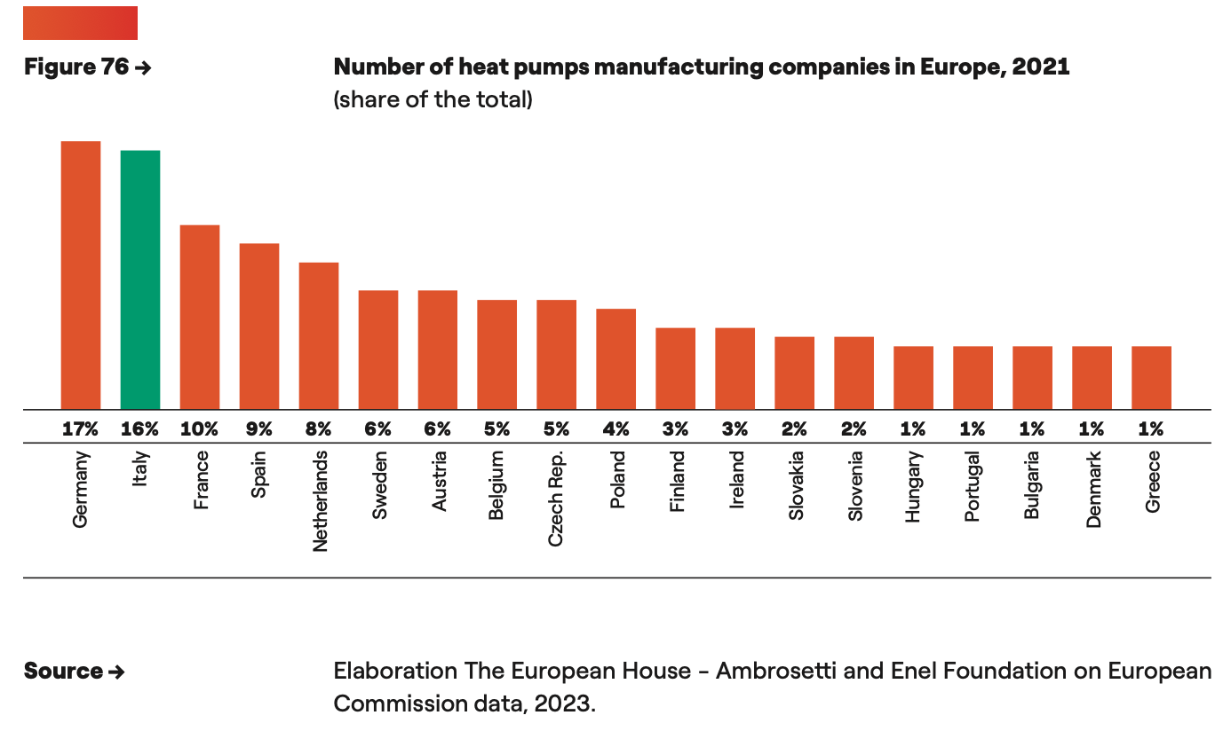
Wiring, piping and expansion valve | Copper | 35.2 |  | kg |  |  |  | " |  | UK data
Pipework insulation | Elastomere | 16 |  | kg |  |  |  | " |  | Data for a 10 kW ASHP ?
Wiring insulation | Polyvinylchloride | 1.6 |  | kg |  |  |  | "
Lubricating oil | Polyolester oil | 2.7 |  | kg |  |  |  | "
Air fan | Copper | 1.4 |  | kg |  |  |  | "
" | HDPE | 0.5 |  | kg |  |  |  | "
Refrigerant | R-134a | 4.9 |  | kg |  |  |  | "
" | Losses | 3% (manufacture) & 6% (operation, annually)
Energy | Medium-voltage electricity | 504 |  | MJ |  |  |  | Naumann, Gabriel, Elke Schropp, and Matthias Gaderer. "Life Cycle Assessment of an Air-Source Heat Pump and a Condensing Gas Boiler Using an Attributional and a Consequential Approach." Procedia CIRP 105 (2022): 351-356. |  | Data for a 5 kW ASHP ?
" | Heat | 1400 |  | MJ |  |  |  | Naumann, Gabriel, Elke Schropp, and Matthias Gaderer. "Life Cycle Assessment of an Air-Source Heat Pump and a Condensing Gas Boiler Using an Attributional and a Consequential Approach." Procedia CIRP 105 (2022): 351-356.
Assembly & Installation
Process | Energy | Weight |  | Unit |  |  |  | Ref
Assembly | Medium-voltage electricity (European mix) | 504 |  | MJ |  |  |  | Greening, Benjamin, and Adisa Azapagic. "Domestic heat pumps: Life cycle environmental impacts and potential implications for the UK." Energy 39, no. 1 (2012): 205-217.
" | Natural gas | 1400 |  | MJ |  |  |  | Sevindik, Selman, Catalina Spataru, Teresa Domenech Aparisi, and Raimund Bleischwitz. "A comparative environmental assessment of heat pumps and gas boilers towards a circular economy in the UK." Energies 14, no. 11 (2021): 3027. |  | Explanation
O & M
Process/Item | Weight | Unit |  | Ref
UK electricity | 0.357 | kWh/kWh heat generated |  | Greening, Benjamin, and Adisa Azapagic. "Domestic heat pumps: Life cycle environmental impacts and potential implications for the UK." Energy 39, no. 1 (2012): 205-217.
Refrigerant | 0.294 | kg (annually) |  | Sevindik, Selman, Catalina Spataru, Teresa Domenech Aparisi, and Raimund Bleischwitz. "A comparative environmental assessment of heat pumps and gas boilers towards a circular economy in the UK." Energies 14, no. 11 (2021): 3027.
Air‐source heat pumps for residential applications contain around 15 to 20 kilogrammes of copper, predominantly in their pipes and valves, making up roughly 10% of the overall cost of the devic
souzrce (the future of heat pumps, 2022

Production installment duration | 1-3 y | y |  | Source: https://www.iea.org/energy-system/buildings/heat-pumps#tracking |  |  |  |  |  |  | Planned Investment

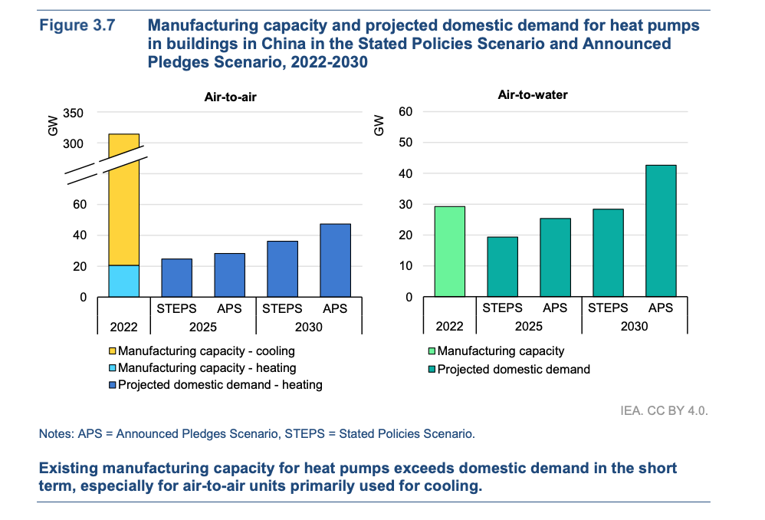
Country | Capacity installed | unit |  | year |  | source | if estimated on a 8kw HP |  | Notes | Capacity estimated 2030 | unit | Source | CAPEX for heat pump facilites
China | 50 | GW |  | 2024 |  | IEA, https://www.iea.org/data-and-statistics/charts/heat-pump-manufacturing-capacity-per-region-2022 | 6,250,000 | units HP | 20 for Air-Air GW and 30 air to water (IEA; china heat pumps) | 60 | GW |  | 50.4 | €/kW | IEA clean technology outlook 2023
US | 34 | GW |  | 2024 |  | IEA, https://www.iea.org/data-and-statistics/charts/heat-pump-manufacturing-capacity-per-region-2023 | 4,250,000 |  |  | 40.8 | GW |  | 147 | €/kW | IEA clean technology outlook 2024
Europe | 25 | GW |  | 2024 |  | IEA, https://www.iea.org/data-and-statistics/charts/heat-pump-manufacturing-capacity-per-region-2024 | 3,125,000 |  |  | 30 | GW |  | 142.8 | €/kW | IEA clean technology outlook 2025
Japan and Korea | 16 | GW |  | 2024 |  | IEA, https://www.iea.org/data-and-statistics/charts/heat-pump-manufacturing-capacity-per-region-2025 | 2,000,000 |  |  | 19.2 | GW
Japan | 9.14 | GW |  |  |  | allocation based on demand data as a rough estimate | 1,142,276
Korea | 6.86 | GW |  |  |  | allocation based on demand data as a rough estimate | 857,724
ROW | 14 | GW |  | 2024 |  | IEA, https://www.iea.org/data-and-statistics/charts/heat-pump-manufacturing-capacity-per-region-2026 | 1,750,000 |  |  | 16.8 | GW
ROW w/o Australia | 14 |  |  |  |  |  | 1,486,000
Brazil | 0 | GW |  | 2024 |  | IEA Energy Technology Perspectives 2023, page 453 (annex) | - |  |  | 0 | GW
Germany | 4.25 | GW |  |  |  |  | 531,250
Austria | 1.5 | GW |  |  |  |  | 187,500
Italy | 4 | GW |  |  |  |  | 500,000
Czech Republic | 1.25 | GW |  |  |  |  | 156,250
Rest of Europe | 14 | GW |  |  |  |  | 1,750,000
Australia |  |  |  |  |  |  | 264,000.0 | estimation, Australia covers less then 20% of demand by domestic production

Country | Cost of Manufacturing | Unit |  | year | Source |  |  |  |  | OPEX evolution -> see notes in notion
Europe | 200-250 | €/Kw |  | 2023 | Advancing clean energy manufacturing, IEA 2023 |  |  |  |  | https://www.sciencedirect.com/science/article/pii/S0306261924013977
USA | 200-250 | €/Kw |  | 2023 | Advancing clean energy manufacturing, IEA 2024
China | 100-125 | €/Kw |  | 2023 | Advancing clean energy manufacturing, IEA 2025

Learning rate of HP per cumulative unit sold | 10% | https://reflex-project.eu/wp-content/uploads/2018/12/REFLEX_policy_brief_Experience_curves_12_2018.pdf

Planned Capacity expansion
Country | CAPEX (total) (Mio. €) | additional 1000 units | capacity investment existing in MW | OPEX (Mio. €/ 1000units) |  | CAPEX( €/kW) |  | Source |  | Currently installed production | unit | year | Source | other values | unit | Source
France | 199.3 | 318 | 2544 | 0.62 |  | 4960 |  | Lyons 2023, p. 34 |  |  |  |  | Lyons 2023, p. 34
Slovakia | 180 | 105 | 840 | 1.7 |  | 13600 |  | Lyons 2023, p. 34 |  |  |  |  | Lyons 2023, p. 35
Italy | 130 | 153 | 1224 | 0.84 |  | 6720 |  | Lyons 2023, p. 34 |  |  |  |  | Lyons 2023, p. 36
Netherlands | 70 | 53 | 424 | 1.3 |  | 10400 |  | Lyons 2023, p. 34 |  |  |  |  | Lyons 2023, p. 37
Spain | 70 | 53 | 424 | 1.3 |  | 10400 |  | Lyons 2023, p. 34 |  |  |  |  | Lyons 2023, p. 38
Poland | 300 | 220 | 1760 | 1.4 |  | 11200 |  | Lyons 2023, p. 34 |  |  |  |  | Lyons 2023, p. 39
Germany | 600 | 240 | 1920 | 2.5 |  | 20000 |  | Lyons 2023, p. 34 |  | 884 | mio. € | 2022 | Lyons 2023, p. 40 | 250 000 | units | https://www.dashboard-deutschland.de/indicator/tile_1663667563512?origin=dashboard&db=energie&category=energie
Portugal | 12 | 150 | 1200 | 0.1 |  | 800 |  | Lyons 2023, p. 34 |  |  | mio. € | 2022 | Lyons 2023, p. 41
Czech | 145 | 500 | 4000 | 0.3 |  | 2400 |  | Lyons 2023, p. 34 |  |  | mio. € |  | Lyons 2023, p. 42
Sweden |  |  |  |  |  |  |  |  |  | 931 | mio. € | 2022 | Lyons 2023, p. 43
Austria |  |  |  |  |  |  |  |  |  | 178.6 | mio. € | 2022 | https://nachhaltigwirtschaften.at/resources/nw_pdf/events/20240619-energiewende-marktstatistik/schriftenreihe-2024-17i-Waermepumpen.pdf | 26 954 | units | https://nachhaltigwirtschaften.at/resources/nw_pdf/events/20240619-energiewende-marktstatistik/schriftenreihe-2024-17i-Waermepumpen.pdf
RoE |  |  | 7192
China | 45 | 8% capacity growth in 2022 |  |  |  |  |  | https://iea.blob.core.windows.net/assets/217e820f-3344-4144-9d2c-cc444e080421/FutureofHeatpumpsinChina.pdf, IEA
Europe |  | 17% groth rate necessary to meet demand |  |  |  |  |  | https://www.ehpa.org/wp-content/uploads/2024/07/EHPA-Competitiveness-of-the-heat-pump-sector-in-Europe-Report.pdf
USA | 141.96 |  |  |  |  |  |  | https://cleantechnica.com/2023/11/17/169-million-to-accelerate-electric-heat-pump-manufacturing-in-usa/

OPEX Cost in Countrx | energy | material | Summe without labor | unit |  | labour (hourly compensation cost) |  | Source: energy | source labour | source material
Europe | 6.4 | 29 | 35.4 | €/kW |  | 27.6 | USD/h | https://mcusercontent.com/8dbf465d9a5cfe9f310f1464e/files/aefa3988-2475-e868-fb82-c5a0af13dbaa/EU_Hydronic_Heat_Pump_Manufacturing_Market_Assessment_Technical_Report.pdf | https://www.conference-board.org/ilcprogram/index.cfm?id=38269 | https://mcusercontent.com/8dbf465d9a5cfe9f310f1464e/files/aefa3988-2475-e868-fb82-c5a0af13dbaa/EU_Hydronic_Heat_Pump_Manufacturing_Market_Assessment_Technical_Report.pdf
China | 4.6 | 29 | 33.6 | €/kW |  | 13.3 | USD/h | https://mcusercontent.com/8dbf465d9a5cfe9f310f1464e/files/aefa3988-2475-e868-fb82-c5a0af13dbaa/EU_Hydronic_Heat_Pump_Manufacturing_Market_Assessment_Technical_Report.pdf | https://mcusercontent.com/8dbf465d9a5cfe9f310f1464e/files/aefa3988-2475-e868-fb82-c5a0af13dbaa/EU_Hydronic_Heat_Pump_Manufacturing_Market_Assessment_Technical_Report.pdf | https://mcusercontent.com/8dbf465d9a5cfe9f310f1464e/files/aefa3988-2475-e868-fb82-c5a0af13dbaa/EU_Hydronic_Heat_Pump_Manufacturing_Market_Assessment_Technical_Report.pdf
USA | 2.7 | 29 | 31.7 | €/kW |  | 39.9 | USD/h | https://mcusercontent.com/8dbf465d9a5cfe9f310f1464e/files/aefa3988-2475-e868-fb82-c5a0af13dbaa/EU_Hydronic_Heat_Pump_Manufacturing_Market_Assessment_Technical_Report.pdf | https://www.conference-board.org/ilcprogram/index.cfm?id=38269 | https://mcusercontent.com/8dbf465d9a5cfe9f310f1464e/files/aefa3988-2475-e868-fb82-c5a0af13dbaa/EU_Hydronic_Heat_Pump_Manufacturing_Market_Assessment_Technical_Report.pdf
Germany | 6.4 | 29 | 35.4 | €/kW |  | 43.18 | USD/h |  | https://www.conference-board.org/ilcprogram/index.cfm?id=38269 | https://mcusercontent.com/8dbf465d9a5cfe9f310f1464e/files/aefa3988-2475-e868-fb82-c5a0af13dbaa/EU_Hydronic_Heat_Pump_Manufacturing_Market_Assessment_Technical_Report.pdf
Czech republic | 6.4 | 29 | 35.4 | €/kW |  | 10.71 | USD/h |  | https://www.conference-board.org/ilcprogram/index.cfm?id=38269 | https://mcusercontent.com/8dbf465d9a5cfe9f310f1464e/files/aefa3988-2475-e868-fb82-c5a0af13dbaa/EU_Hydronic_Heat_Pump_Manufacturing_Market_Assessment_Technical_Report.pdf
Austria | 6.4 | 29 | 35.4 | €/kW |  | 39.54 | USD/h |  | https://www.conference-board.org/ilcprogram/index.cfm?id=38269 | https://mcusercontent.com/8dbf465d9a5cfe9f310f1464e/files/aefa3988-2475-e868-fb82-c5a0af13dbaa/EU_Hydronic_Heat_Pump_Manufacturing_Market_Assessment_Technical_Report.pdf
Italy | 6.4 | 29 | 35.4 | €/kW |  | 32.49 | USD/h |  | https://www.conference-board.org/ilcprogram/index.cfm?id=38269 | https://mcusercontent.com/8dbf465d9a5cfe9f310f1464e/files/aefa3988-2475-e868-fb82-c5a0af13dbaa/EU_Hydronic_Heat_Pump_Manufacturing_Market_Assessment_Technical_Report.pdf
Austrlia | 4.6 | 29 | 33.566666667 | €/kW |  | 38.19 | USD/h |  | https://www.conference-board.org/ilcprogram/index.cfm?id=38269 | https://mcusercontent.com/8dbf465d9a5cfe9f310f1464e/files/aefa3988-2475-e868-fb82-c5a0af13dbaa/EU_Hydronic_Heat_Pump_Manufacturing_Market_Assessment_Technical_Report.pdf
South Korea | 4.6 | 29 | 33.566666667 | €/kW |  | 22.98 | USD/h |  | https://www.conference-board.org/ilcprogram/index.cfm?id=38269 | https://mcusercontent.com/8dbf465d9a5cfe9f310f1464e/files/aefa3988-2475-e868-fb82-c5a0af13dbaa/EU_Hydronic_Heat_Pump_Manufacturing_Market_Assessment_Technical_Report.pdf
Japan | 4.6 | 29 | 33.566666667 | €/kW |  | 26.46 | USD/h |  | https://www.conference-board.org/ilcprogram/index.cfm?id=38269 | https://mcusercontent.com/8dbf465d9a5cfe9f310f1464e/files/aefa3988-2475-e868-fb82-c5a0af13dbaa/EU_Hydronic_Heat_Pump_Manufacturing_Market_Assessment_Technical_Report.pdf
Brazil | 4.6 | 29 | 33.566666667 | €/kW |  | 7.98 | USD/h |  | https://www.conference-board.org/ilcprogram/index.cfm?id=38269 | https://mcusercontent.com/8dbf465d9a5cfe9f310f1464e/files/aefa3988-2475-e868-fb82-c5a0af13dbaa/EU_Hydronic_Heat_Pump_Manufacturing_Market_Assessment_Technical_Report.pdf

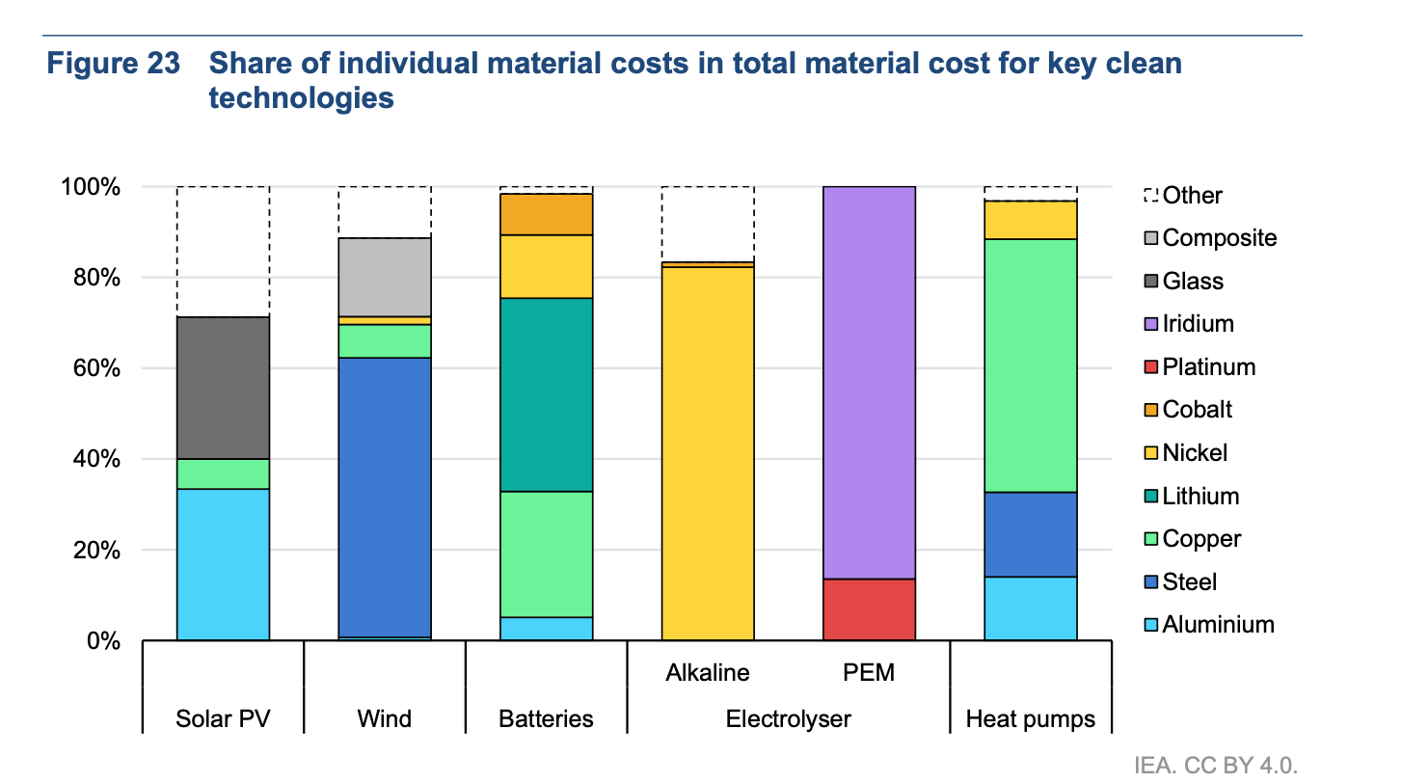
Cost per carrier |  |  |  |  |  | Notes | OPEX Cost in Countrx |  | Adjust the cost | Estimate total cost | of whcih assumed labor cost | Include labor cost somehow | total cost
Copper | 16.7 | USD/kW | Enel 2023 |  |  | use this is cost carriers | Europe | 27.6 | 1.0042007078 | 44.25 | 8.85 | 8.8871762643 | 44.287176264 | €/kW
Nickel | 6.8 | USD/kW | Enel 2023 |  |  | use this is cost carriers | China | 13.3 | 0.48390831211 | 42 | 8.4 | 4.0648298217 | 37.664829822 | €/kW
Steel | 4.1 | USD/kW | Enel 2023 |  |  | use this is cost carriers | USA | 39.9 | 1.4517249363 | 39.625 | 7.925 | 11.50492012 | 43.20492012 | €/kW
Aluminium | 2.2 | USD/kW | Enel 2023 |  |  | use this is cost carriers | Germany | 43.18 | 1.5710647306 | 44.25 | 8.85 | 13.903922866 | 49.303922866 | €/kW
Total for secondary material s | 29.8 | USD/kW | Enel 2023 |  |  | use this is cost carriers | Czech republic | 10.71 | 0.38967353554 | 44.25 | 8.85 | 3.4486107895 | 38.84861079 | €/kW
refrigerant | 22 - 108 | € / kg ?? |  |  |  |  | Austria | 39.54 | 1.4386266662 | 44.25 | 8.85 | 12.731845996 | 48.131845996 | €/kW
 |  |  |  |  |  |  | Italy | 32.49 | 1.1821188767 | 44.25 | 8.85 | 10.461752059 | 45.861752059 | €/kW
 |  |  |  |  |  |  | Austrlia | 38.19 | 1.3895081533 | 41.958333333 | 8.3916666667 | 11.660289253 | 45.22695592 | €/kW
Node | Year | capacity_existing in units | capacity_existing in GW | Carbon footprint |  | source carbon footprint | South Korea | 22.98 | 0.83610624152 | 41.958333333 | 8.3916666667 | 7.0163248768 | 40.582991543 | €/kW
AUS | 2022 | 264000 | 2.11 |  |  |  | Japan | 26.46 | 0.96272285251 | 41.958333333 | 8.3916666667 | 8.0788492707 | 41.645515937 | €/kW
AUT | 2022 | 187,500 | 1.50 |  |  |  | Brazil | 7.98 | 0.29034498727 | 41.958333333 | 8.3916666667 | 2.4364783515 | 36.003145018 | €/kW
BRA | 2022 | 0 | 0.01 |  |  |  |  | 27.484545455 | 1 | 0 |  | 0 | 42.796515121 | €/kW
CHN | 2022 | 6,250,000 | 50.00
CZE | 2022 | 156,250 | 1.25 |  |  |  |  |  |  |  |  |  |  | https://iea.blob.core.windows.net/assets/7e7f4b17-1bb2-48e4-8a92-fb9355b1d1bd/CleanTechnologyManufacturingRoadmap.pdf
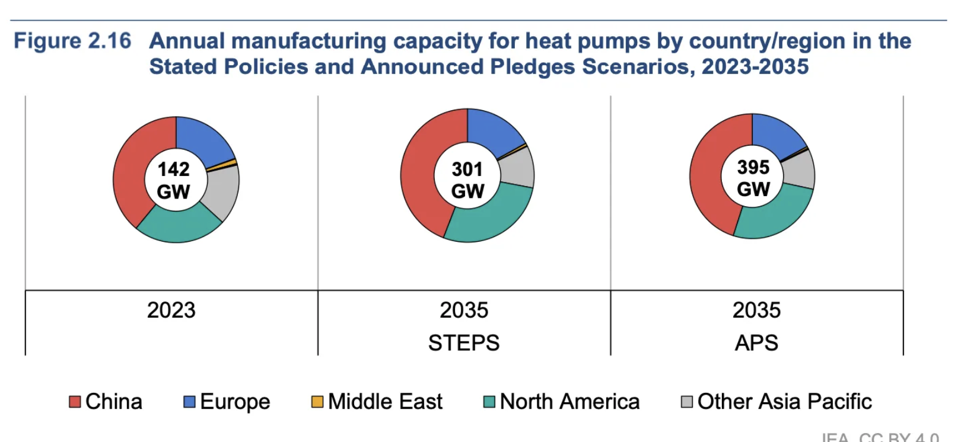
DEU | 2022 | 531,250 | 4.25
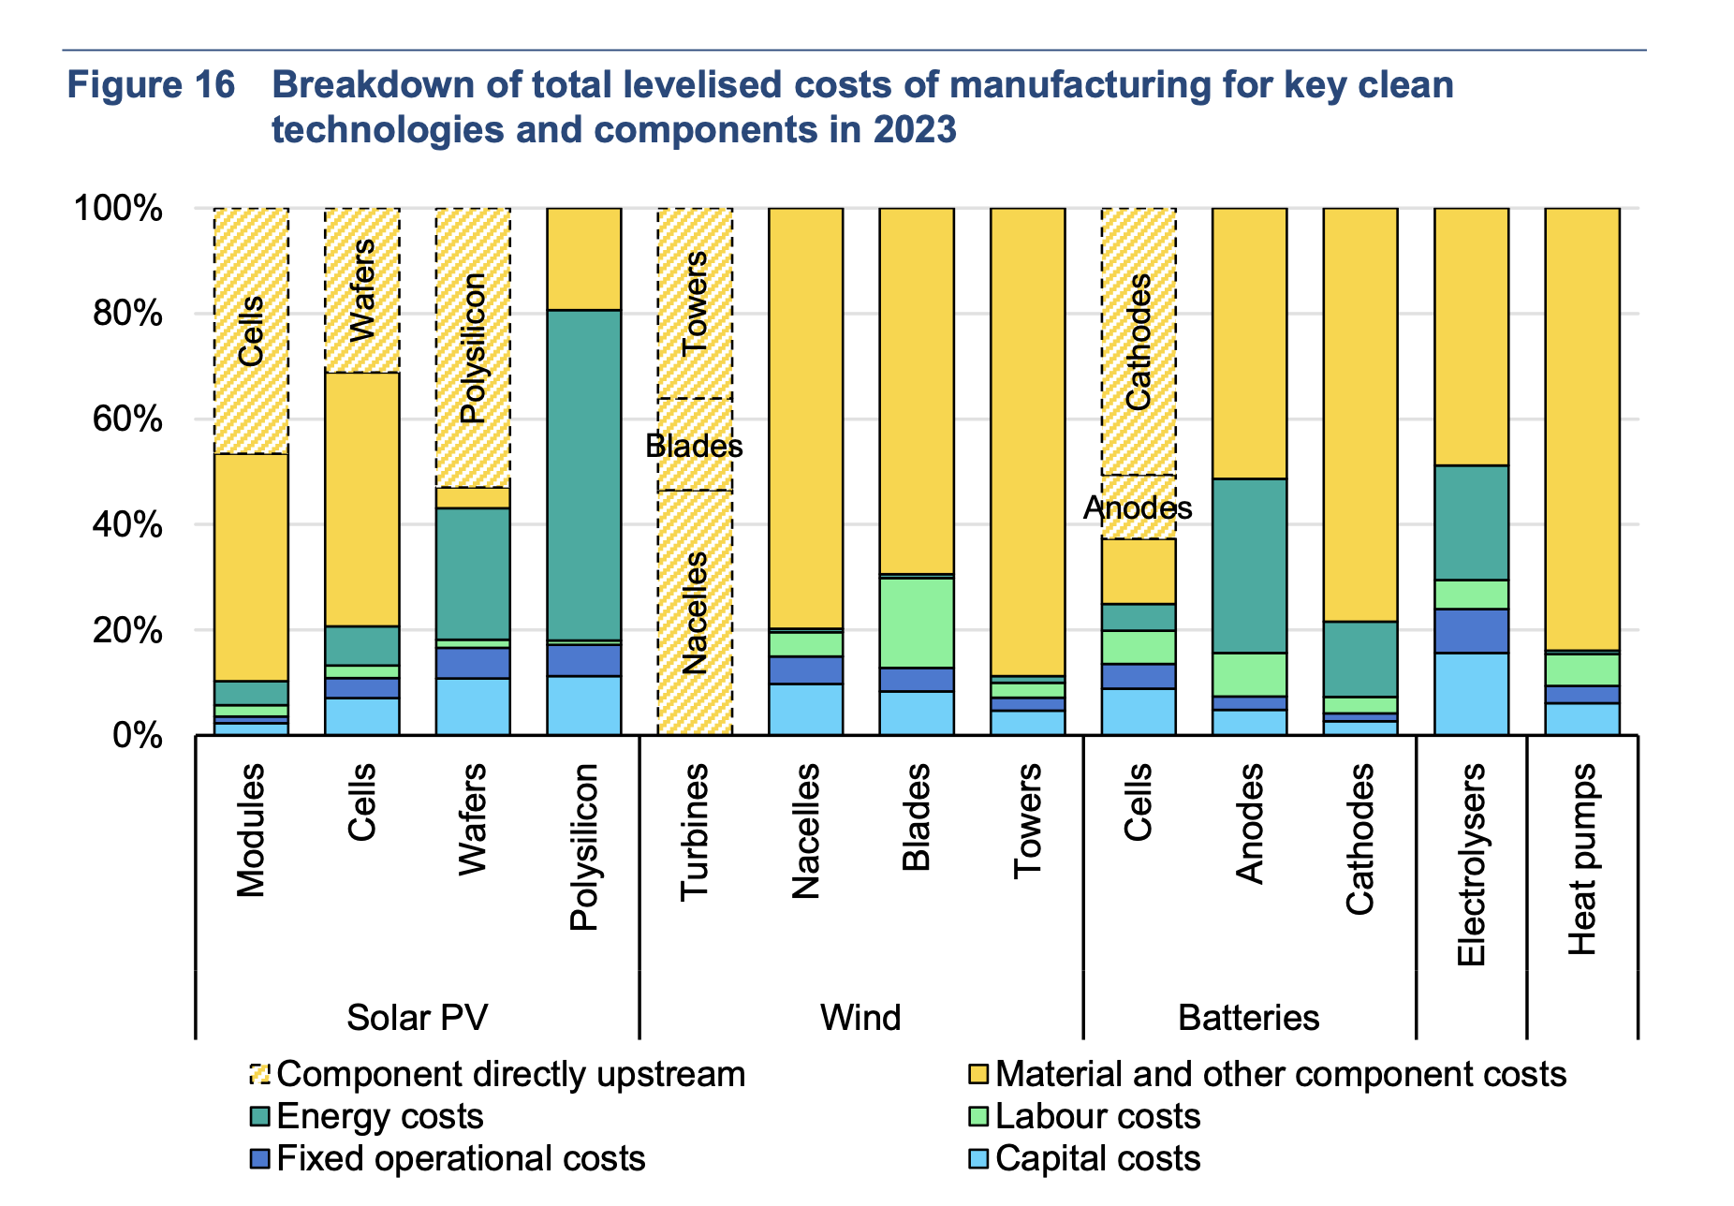
ITA | 2022 | 500,000 | 4.00
JPN | 2022 | 1,142,276 | 9.14
KOR | 2022 | 857,724 | 6.86
ROE | 2022 | 625,000 | 14.00 | 1640 |  | ecoinvent | Data for CH
ROW | 2022 | 1,486,000 | 11.89 | 1740 |  | ecoonvent | includes upstrea
USA | 2022 | 4,250,000 | 34.00
 |  |  | 139.01
 | CAPEX specific | OPEX specific variable (excluded labor work - super rough estimate) | capacity_investment_existing MW
AUS | 113.4 | 45.23
AUT | 142.8 | 48.13 | 0
BRA | 113.4 | 36.00
CHN | 50 | 37.66
CZE | 142.8 | 38.85 | 4000
DEU | 142.8 | 49.30 | 1920
ITA | 142.8 | 45.86 | 1224
JPN | 113.4 | 41.65
KOR | 113.4 | 40.58
ROE | 142.8 | 44.29 | 7192
ROW | 113.4 | 42.80
USA | 147 | 43.20 |  |  |  |  |  |  | Assumption: the lower the deploymentz (historically the lower the LR)

 |  |  |  |  |  | capacity 2035 estimated | CAGR |  | Learning Rates
Node | 2023 | 2030 | 2035 |  | AUS | 3.52 | 4% |  | Global | 0.1 | Base case | https://wires.onlinelibrary.wiley.com/doi/full/10.1002/wene.463#:~:text=The%20actual%20learning%20rate%20percentage,the%20one%20in%20the%20Netherlands
China | 50 |  | 139.2 |  | AUT | 3.132 | 6% |  | europe | 0.2 | Scenario OPEX | https://wires.onlinelibrary.wiley.com/doi/full/10.1002/wene.463#:~:text=The%20actual%20learning%20rate%20percentage,the%20one%20in%20the%20Netherlands
US | 34 |  | 97.44 |  | BRA | 10.4 | 0% |  | china | 0.1 | Scenario OPEX | only 4% of heating needs https://www.iea.org/reports/the-future-of-heat-pumps-in-china/executive-summary
Europe | 25 | 50 | 52.2 |  | CHN | 139.2 | 8% |  | asia pacific | 0.1 | Scenario OPEX | https://heatpumpingtechnologies.org/annex46/wp-content/uploads/sites/53/2020/10/hpt-an46-02-04-task-1-counry-report-japan.pdf
Japan and Korea | 16 |  | 41.76 |  | CZE | 2.61 | 6% |  | USA | 0.2 | Scenario OPEX | https://www.sciencedirect.com/science/article/pii/0140700787900508
Row | 139 |  | 17.4 |  | DEU | 8.874 | 6% |  | brazil | 0.02 | Scenario OPEX | https://wires.onlinelibrary.wiley.com/doi/full/10.1002/wene.463#:~:text=The%20actual%20learning%20rate%20percentage,the%20one%20in%20the%20Netherlands
World | 139 | 265 | 348 |  | ITA | 8.352 | 6%
 |  |  |  |  | JPN | 23.9 | 8%
 |  |  |  |  | KOR | 17.9 | 8%
 |  |  |  |  | ROE | 29.232 | 6%
 |  |  |  |  | ROW | 3.5 | -9%
 |  |  |  |  | USA | 97.44 | 8%
 |  |  |  |  | total | 348.00

Experience rate

Year | AUS | AUT | BRA | CHN | CZE | DEU | ITA | JPN | KOR | ROE | ROW | USA |  | For sceanrio analysis: priduction at least as high as demand | AUS | AUT | BRA | CHN | CZE | DEU | ITA | JPN | KOR | ROE | ROW | USA
2022 | 2.1 | 1.5 | 0.0 | 50.0 | 1.3 | 4.3 | 4.0 | 9.1 | 6.9 | 14.0 | 11.9 | 34.0 |  | 2022 | 10.6 | 0.4 | 0.0 | 31.0 | 0.5 | 1.9 | 4.0 | 6.0 | 4.5 | 17.2 | 5.0 | 30.0
2023 | 2.2 | 1.6 | 0.0 | 54.1 | 1.3 | 4.5 | 4.2 | 9.8 | 7.4 | 14.8 | 10.8 | 36.9 |  | 2023 | 11.0 | 0.5 | 0.0 | 32.0 | 0.6 | 2.2 | 4.7 | 6.4 | 4.8 | 20.1 | 5.4 | 32.6
2024 | 2.3 | 1.7 | 10.1 | 58.5 | 1.4 | 4.8 | 4.5 | 10.6 | 8.0 | 15.7 | 9.8 | 40.0 |  | 2024 | 11.4 | 0.5 | 0.0 | 32.9 | 0.7 | 2.6 | 5.5 | 6.9 | 5.2 | 23.6 | 5.7 | 35.5
2025 | 2.4 | 1.8 | 10.1 | 63.3 | 1.5 | 5.0 | 4.7 | 11.4 | 8.6 | 16.6 | 9.0 | 43.4 |  | 2025 | 11.9 | 0.6 | 0.0 | 34.0 | 0.8 | 3.0 | 6.4 | 7.4 | 5.5 | 27.6 | 6.2 | 38.6
2026 | 2.5 | 1.9 | 10.1 | 68.5 | 1.6 | 5.3 | 5.0 | 12.3 | 9.2 | 17.6 | 8.1 | 47.0 |  | 2026 | 12.4 | 0.7 | 0.0 | 35.0 | 0.9 | 3.5 | 7.5 | 7.9 | 5.9 | 32.3 | 6.6 | 42.0
2027 | 2.6 | 2.0 | 10.2 | 74.1 | 1.7 | 5.6 | 5.3 | 13.2 | 9.9 | 18.6 | 7.4 | 51.0 |  | 2027 | 12.8 | 0.9 | 0.0 | 36.1 | 1.1 | 4.1 | 8.8 | 8.5 | 6.3 | 37.8 | 7.1 | 45.7
2028 | 2.7 | 2.1 | 10.2 | 80.2 | 1.8 | 6.0 | 5.6 | 14.2 | 10.7 | 19.7 | 6.7 | 55.3 |  | 2028 | 13.4 | 1.0 | 0.0 | 37.2 | 1.2 | 4.8 | 10.3 | 9.1 | 6.8 | 44.2 | 7.6 | 49.8
2029 | 2.8 | 2.2 | 10.2 | 86.8 | 1.9 | 6.3 | 5.9 | 15.3 | 11.5 | 20.8 | 6.1 | 59.9 |  | 2029 | 13.9 | 1.2 | 0.0 | 38.3 | 1.4 | 5.7 | 12.1 | 9.7 | 7.3 | 51.7 | 8.1 | 54.1
2030 | 2.9 | 2.4 | 10.3 | 93.9 | 2.0 | 6.7 | 6.3 | 16.5 | 12.4 | 22.0 | 5.6 | 65.0 |  | 2030 | 14.5 | 1.4 | 0.0 | 39.5 | 1.7 | 6.6 | 14.1 | 10.4 | 7.8 | 60.5 | 8.7 | 58.9
2031 | 3.0 | 2.5 | 10.3 | 101.6 | 2.1 | 7.1 | 6.7 | 17.8 | 13.3 | 23.3 | 5.1 | 70.5 |  | 2031 | 15.0 | 1.6 | 0.0 | 40.7 | 2.0 | 7.8 | 16.5 | 11.2 | 8.4 | 70.7 | 9.3 | 64.1
2032 | 3.1 | 2.6 | 10.3 | 109.9 | 2.2 | 7.5 | 7.0 | 19.1 | 14.4 | 24.7 | 4.6 | 76.4 |  | 2032 | 15.6 | 1.9 | 0.0 | 42.0 | 2.3 | 9.1 | 19.3 | 12.0 | 9.0 | 82.8 | 10.0 | 69.7
2033 | 3.3 | 2.8 | 10.3 | 118.9 | 2.3 | 7.9 | 7.5 | 20.6 | 15.5 | 26.1 | 4.2 | 82.9 |  | 2033 | 16.3 | 2.2 | 0.0 | 43.3 | 2.7 | 10.6 | 22.6 | 12.8 | 9.6 | 96.8 | 10.7 | 75.9
2034 | 3.4 | 3.0 | 10.4 | 128.7 | 2.5 | 8.4 | 7.9 | 22.2 | 16.6 | 27.6 | 3.8 | 89.9 |  | 2034 | 16.9 | 2.6 | 0.0 | 44.6 | 3.2 | 12.4 | 26.4 | 13.8 | 10.3 | 113.3 | 11.5 | 82.5
2035 | 3.5 | 3.1 | 10.4 | 139.2 | 2.6 | 8.9 | 8.4 | 23.9 | 17.9 | 29.2 | 3.5 | 97.4 |  | 2035 | 17.6 | 3.0 | 0.0 | 46.0 | 3.7 | 14.5 | 30.9 | 14.8 | 11.1 | 132.6 | 12.3 | 89.8

OPEX Evolution Base case | AUS | AUT | BRA | CHN | CZE | DEU | ITA | JPN | KOR | ROE | ROW | USA
2022 | 30.1 | 32.0 | 24.7 | 23.8 | 28.8 | 32.5 | 33.2 | 27.9 | 25.8 | 28.7 | 28.7 | 28.5
2023 | 29.9 | 31.8 | 27.2 | 23.6 | 28.5 | 32.3 | 32.9 | 27.5 | 25.5 | 28.5 | 29.1 | 28.1
2024 | 29.8 | 31.5 | 24.7 | 23.3 | 28.3 | 32.0 | 32.6 | 27.2 | 25.2 | 28.2 | 29.5 | 27.8
2025 | 29.6 | 31.2 | 24.7 | 23.0 | 28.1 | 31.7 | 32.3 | 26.9 | 24.9 | 28.0 | 29.9 | 27.4
2026 | 29.4 | 30.9 | 24.7 | 22.7 | 27.8 | 31.4 | 32.1 | 26.6 | 24.6 | 27.7 | 30.4 | 27.1
2027 | 29.2 | 30.7 | 24.7 | 22.5 | 27.6 | 31.2 | 31.8 | 26.3 | 24.4 | 27.5 | 30.8 | 26.8
2028 | 29.0 | 30.4 | 24.7 | 22.2 | 27.3 | 30.9 | 31.5 | 26.0 | 24.1 | 27.3 | 31.3 | 26.4
2029 | 28.9 | 30.2 | 24.7 | 21.9 | 27.1 | 30.6 | 31.2 | 25.7 | 23.8 | 27.0 | 31.7 | 26.1
2030 | 28.7 | 29.9 | 24.7 | 21.7 | 26.9 | 30.4 | 31.0 | 25.5 | 23.5 | 26.8 | 32.2 | 25.8
2031 | 28.5 | 29.6 | 24.7 | 21.4 | 26.6 | 30.1 | 30.7 | 25.2 | 23.3 | 26.6 | 32.6 | 25.5
2032 | 28.4 | 29.4 | 24.7 | 21.2 | 26.4 | 29.9 | 30.5 | 24.9 | 23.0 | 26.3 | 33.1 | 25.2
2033 | 28.2 | 29.1 | 24.7 | 20.9 | 26.2 | 29.6 | 30.2 | 24.6 | 22.8 | 26.1 | 33.6 | 24.9
2034 | 28.0 | 28.9 | 24.6 | 20.7 | 26.0 | 29.4 | 29.9 | 24.3 | 22.5 | 25.9 | 34.1 | 24.6
2035 | 27.9 | 28.6 | 24.6 | 20.4 | 25.7 | 29.1 | 29.7 | 24.1 | 22.3 | 25.7 | 34.6 | 24.3

OPEX Evolution Scenario | AUS | AUT | BRA | CHN | CZE | DEU | ITA | JPN | KOR | ROE | ROW | USA
2022 | 30.1 | 32.0 | 24.7 | 23.8 | 28.8 | 32.5 | 33.2 | 27.9 | 25.8 | 28.7 | 28.7 | 28.5
2023 | 29.9 | 31.5 | 27.2 | 23.6 | 28.3 | 32.0 | 32.6 | 27.5 | 25.5 | 28.2 | 29.1 | 27.7
2024 | 29.8 | 30.9 | 24.7 | 23.3 | 27.8 | 31.4 | 32.0 | 27.2 | 25.2 | 27.7 | 29.5 | 27.0
2025 | 29.6 | 30.3 | 24.7 | 23.0 | 27.3 | 30.8 | 31.4 | 26.9 | 24.9 | 27.2 | 29.9 | 26.3
2026 | 29.4 | 29.8 | 24.7 | 22.7 | 26.8 | 30.3 | 30.9 | 26.6 | 24.6 | 26.7 | 30.4 | 25.6
2027 | 29.2 | 29.2 | 24.7 | 22.5 | 26.3 | 29.7 | 30.3 | 26.3 | 24.4 | 26.2 | 30.8 | 25.0
2028 | 29.0 | 28.7 | 24.7 | 22.2 | 25.8 | 29.2 | 29.7 | 26.0 | 24.1 | 25.7 | 31.3 | 24.3
2029 | 28.9 | 28.2 | 24.7 | 21.9 | 25.3 | 28.6 | 29.2 | 25.7 | 23.8 | 25.3 | 31.7 | 23.7
2030 | 28.7 | 27.7 | 24.7 | 21.7 | 24.9 | 28.1 | 28.7 | 25.5 | 23.5 | 24.8 | 32.2 | 23.1
2031 | 28.5 | 27.2 | 24.7 | 21.4 | 24.4 | 27.6 | 28.2 | 25.2 | 23.3 | 24.4 | 32.6 | 22.5
2032 | 28.4 | 26.7 | 24.7 | 21.2 | 24.0 | 27.1 | 27.7 | 24.9 | 23.0 | 23.9 | 33.1 | 21.9
2033 | 28.2 | 26.2 | 24.7 | 20.9 | 23.6 | 26.6 | 27.2 | 24.6 | 22.8 | 23.5 | 33.6 | 21.4
2034 | 28.0 | 25.7 | 24.7 | 20.7 | 23.1 | 26.1 | 26.7 | 24.3 | 22.5 | 23.1 | 34.1 | 20.8
2035 | 27.9 | 25.3 | 24.7 | 20.4 | 22.7 | 25.7 | 26.2 | 24.1 | 22.3 | 22.6 | 34.6 | 20.3

conversion
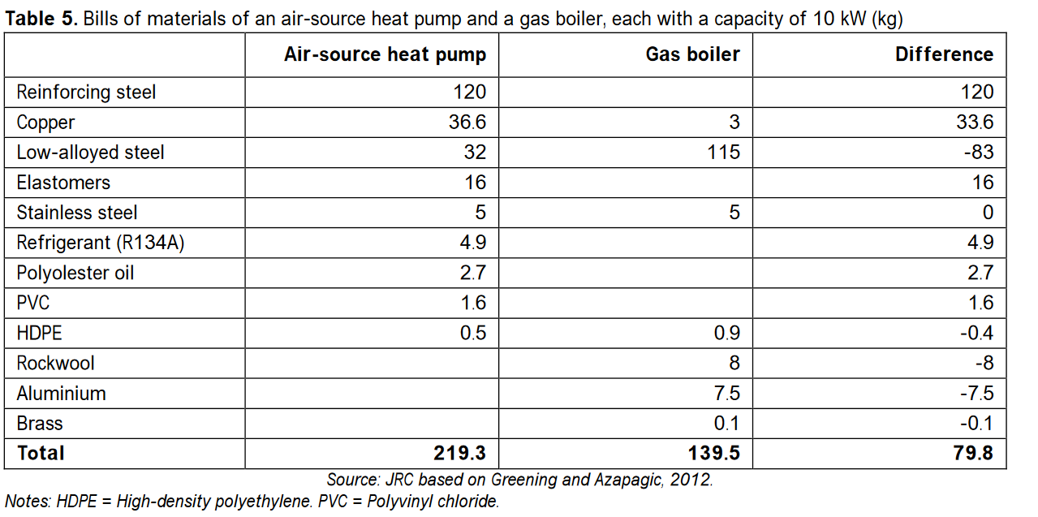
conversion factors |  |  |  |  |  |  |  |  |  |  |  |  | Lifecycle inventories of heating
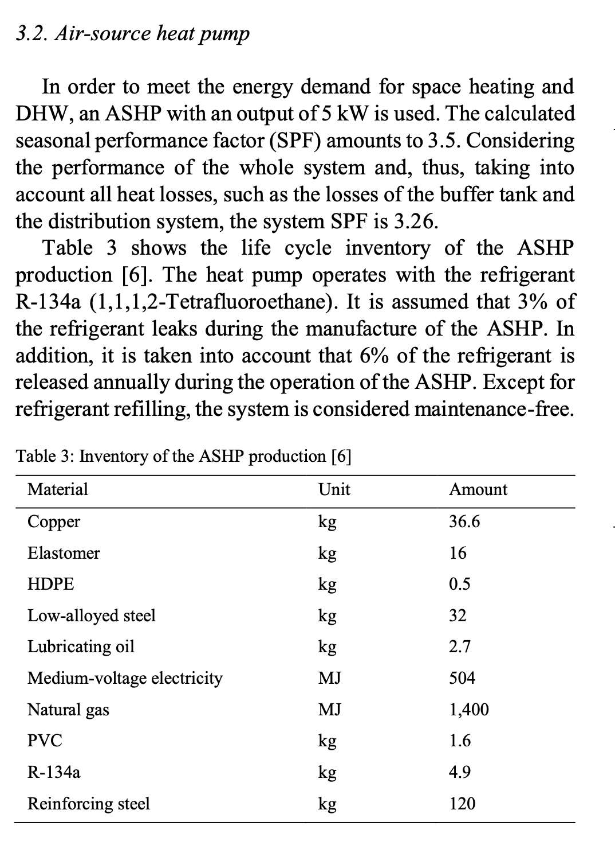
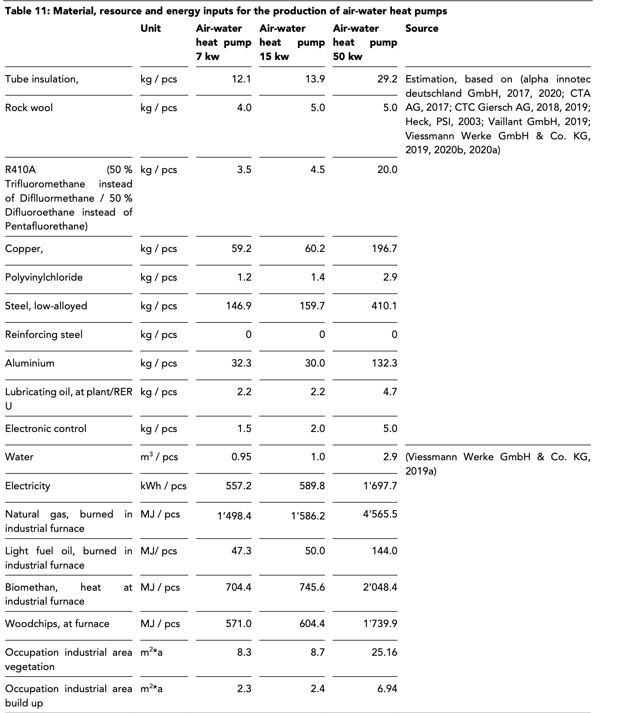
Conversion | (shamoushaki 2023) |  |  | probably for a 10 kW output
Table S1. Inventory data for all phases of air-source heat pump
Manufacturing
Component | Material | Weight | Unit |  | Conversion of compressor prodcution | Source: Rewlay-ngoen, 2020
Evaporator and condenser | Low-alloyed steel | 32 | kg | assume half aluminium and half copper?? Mentioned in EC JRC 2023 | Material type | Component | Weight | Ratio
Housing and compressor | Reinforcing steel | 120 | kg |  |  |  | (kg) | (%)
Wiring, piping and expansion valve | Copper | 35.2 | kg |  | Cast iron | Cylinder, shaft, rotor | 4.8 | 20.24
Pipework insulation | Elastomere | 16 | kg |  | Steel sheet | upper / lower housing, Accumulator | 5.13 | 21.64
Wiring insulation | Polyvinylchloride | 1.6 | kg |  | High grade steel | Rolling piston | 0.56 | 2.36
Lubricating oil | Polyolester oil | 2.7 | kg |  | Sintering steel | Upper / lower bearing | 0.19 | 0.8
Air fan | Copper | 1.4 | kg |  | Silicon steel | Stator, rotor | 7.8 | 32.9
" | HDPE | 0.5 | kg |  | Copper | Copper wire | 2.26 | 9.53
Refrigerant | R-134a | 4.9 | kg |  |  | copper tube | 0.44 | 1.86
" | Losses | 3% (manufacture) & 6% (operation, annually) |  |  | Aluminum ingot | Rotor core | 0.37 | 1.56
Energy | Medium-voltage electricity | 504 | MJ |  | HCFC-22 (R22) | Refrigerant | 1.5 | 6.33
" | Heat | 1400 | MJ |  | Mineral oil | Lubricant oil | 0.653 | 2.75
Assembly & Installation |  |  |  |  | Paint | Compressor coating | 0.008 | 0.03
Process | Energy | Weight | Unit |  | Total |  | 23.711 | 100
Assembly | Medium-voltage electricity (European mix) | 504 | MJ |  | Steel total |  | 0.5769 | 57.7 | kg Steel/kg compressor
" | Natural gas | 1400 | MJ |  | Copper total |  | 0.1139 | 11.39 | kg Copper/kg compressor
O & M
Process/Item | Weight | Unit | Ref
UK electricity | 0.357 | kWh/kWh heat generated | Greening, Benjamin, and Adisa Azapagic. "Domestic heat pumps: Life cycle environmental impacts and potential implications for the UK." Energy 39, no. 1 (2012): 205-217.
Refrigerant | 0.294 | kg (annually) | Sevindik, Selman, Catalina Spataru, Teresa Domenech Aparisi, and Raimund Bleischwitz. "A comparative environmental assessment of heat pumps and gas boilers towards a circular economy in the UK." Energies 14, no. 11 (2021): 3027.
Air‐source heat pumps for residential applications contain around 15 to 20 kilogrammes of copper, predominantly in their pipes and valves, making up roughly 10% of the overall cost of the devic

Average HP |  | unit | per Fu of 8 W |  |  | Demand 2035 |  | demand 2022 | Bauxite
Aluminum | 32.3 | kg/HP | 4.0375 | kg/kW | https://21255462.fs1.hubspotusercontent-na1.net/hubfs/21255462/Reports%20-%20Research/BZE%202024%20-%20Heat%20Pumps%20Supply%20Chain%20Briefing%20Paper.pdf?utm_medium=email&_hsenc=p2ANqtz-9dM8q358vgTGkDybe5e7jgnidtYeyNJEe5lIx4vgFMrCjajGmjMZRA6pWnNwM3C8x8xaJyVpqTPY3p2QLWycjpnTHNBw&_hsmi=295770870&utm_content=295770870&utm_source=hs_automation | 1519.5 | kt/a | 448.1625 | 1792.65 | 2279227.0455
Steel | 149.45 | kg/HP | 18.68125 | kg/kW |  | 7030.6 | kt/a | 2073.61875 |  | € 2,812,222.76 | 0.81047172968
Copper | 44.13 | kg/HP | 5.5166666667 | kg/kW |  | 2076.2 | kt/a | 612.35 |  | 3114237.9857
Nickel | 4.845 | kg/HP | 0.605625 | kg/kW | Assume nickel in alloyed steel | 227.9 | kt/a | 67.224375 |  | 341884.05682
copper of which are in compressor | 11.39 | kg/HP | 1.42375 | kg/kW
copper in rest of hp | 32.74 | kg/HP | 4.0929166667 | kg/kW
steel in compressot | 57.7 | kg/HP | 7.2125 | kg/kW
Steel rest in HP | 91.75 | kg/HP | 11.46875 | kg/kW |  | € 2,430,026.00
Refrigerant | 4.55 | kg/HP | 0.56875 | kg/kW |  | € 2,822,157.00

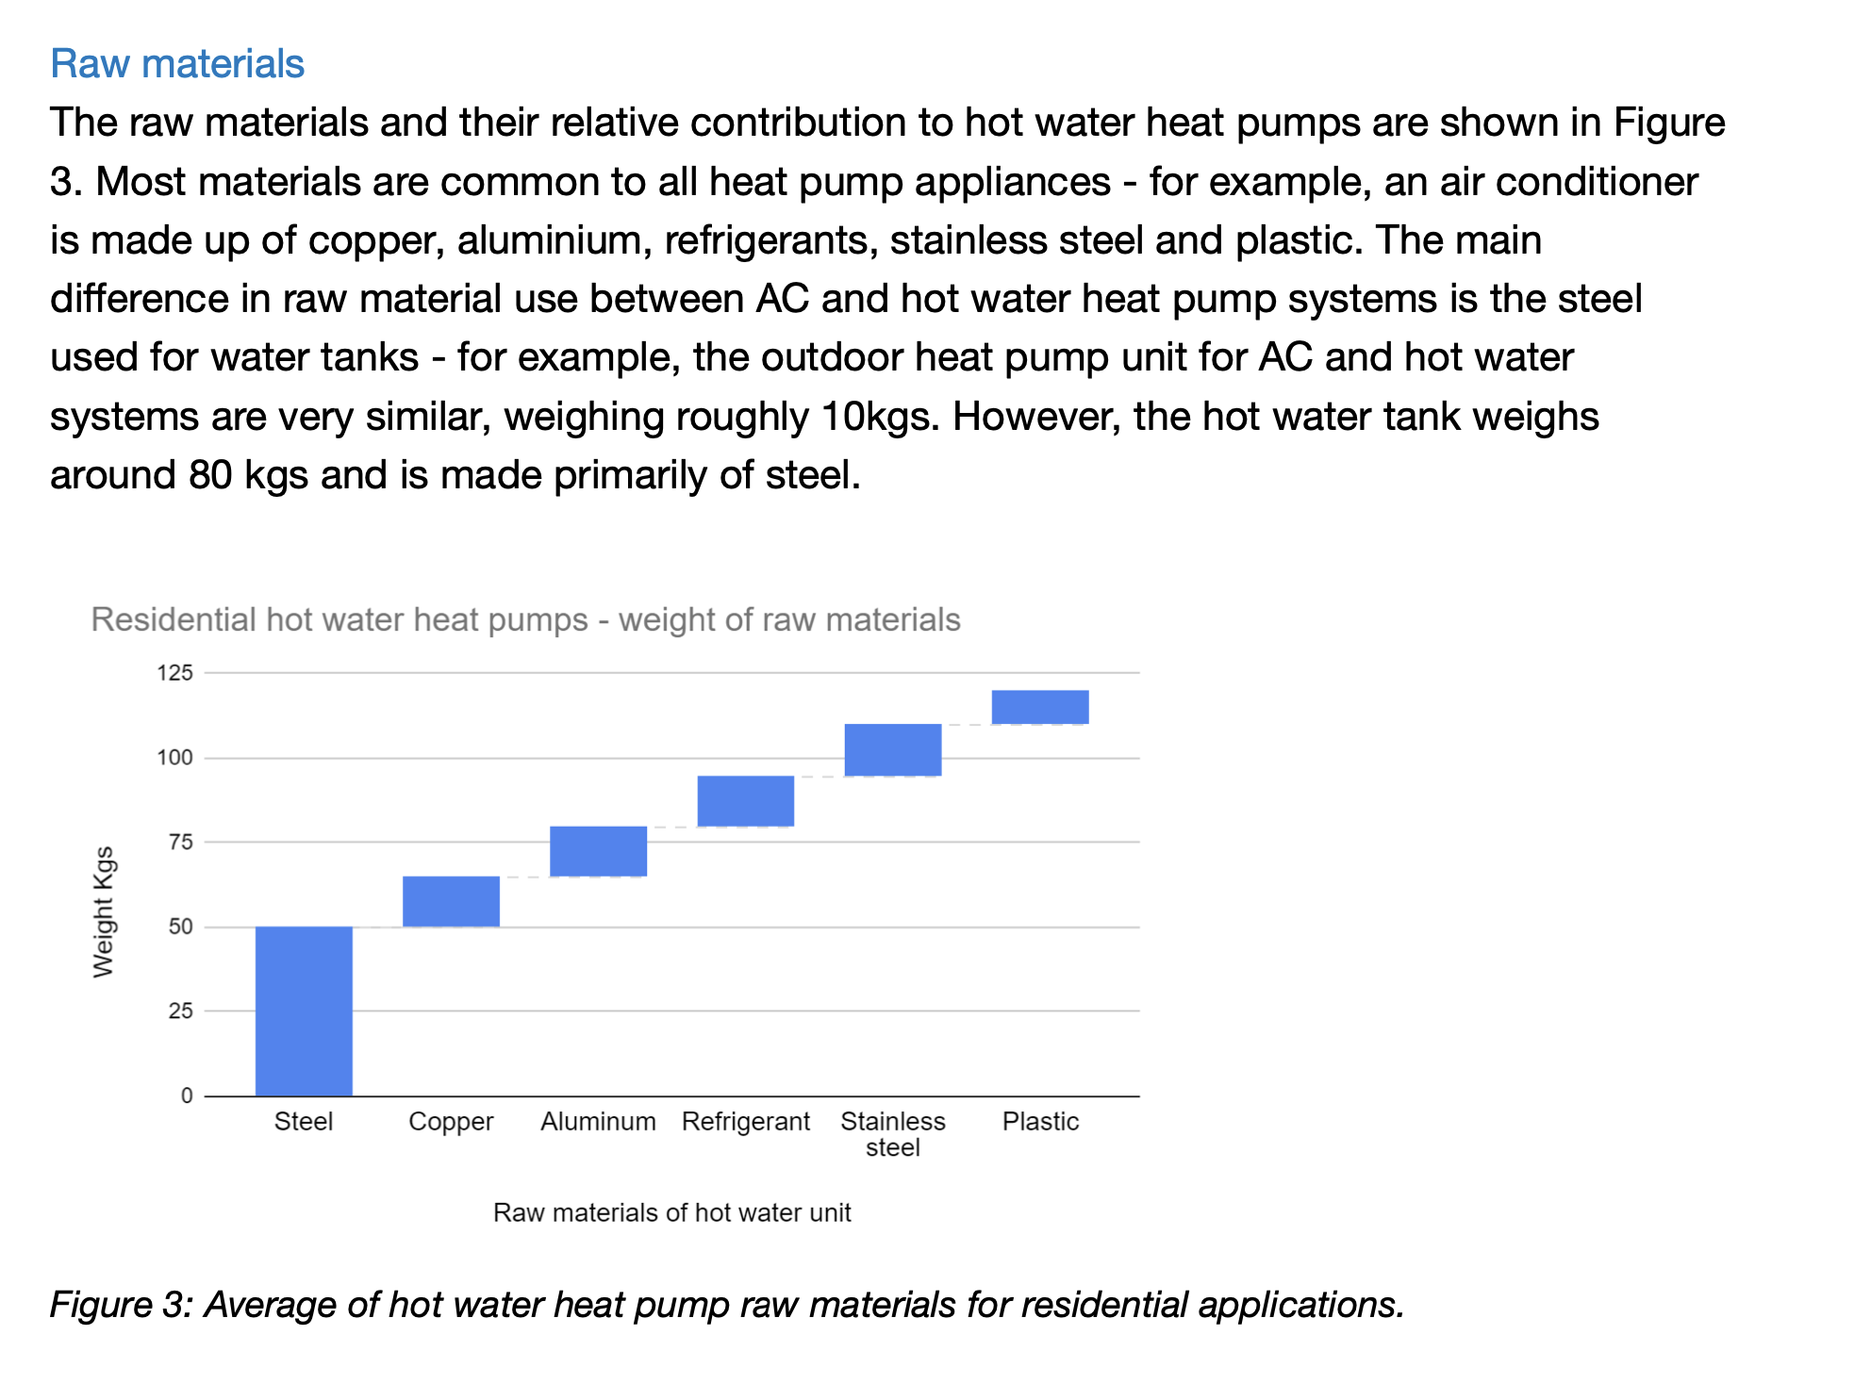

 |  |  |  |  |  |  |  |  |  |  |  | From EC JRC Report (page 43):

cost estimate
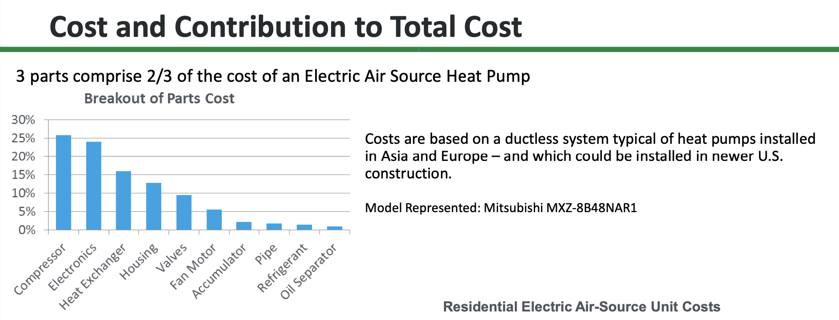

cost of heat pump 8Kw |  | to estimate market value | in €/kW
UK example | 3760 | Punds |  | https://www.sciencedirect.com/science/article/pii/S2211467X2400227X
 | 4498.6838957 | Euros/HP
Share compressor | 1125 | Euros/HP or Euros /8kW | 140.58387174 | Heat Pump Supply Chains and Manufacturing Competitiveness Considerations
sahre HX | 720 | Euros/HP or Euros /8kW | 89.973677913 | Heat Pump Supply Chains and Manufacturing Competitiveness Considerations (Margaret Mann, 2016)
sahre refrigerant | 19.774434706 | Euro/kg refrigerant | 2.4718043383 | Heat Pump Supply Chains and Manufacturing Competitiveness Considerations (Margaret Mann, 2016)

year | price_shed_demand
2022 | "inf"
2023 | "inf"
2024 | "inf"
2025 | "inf"
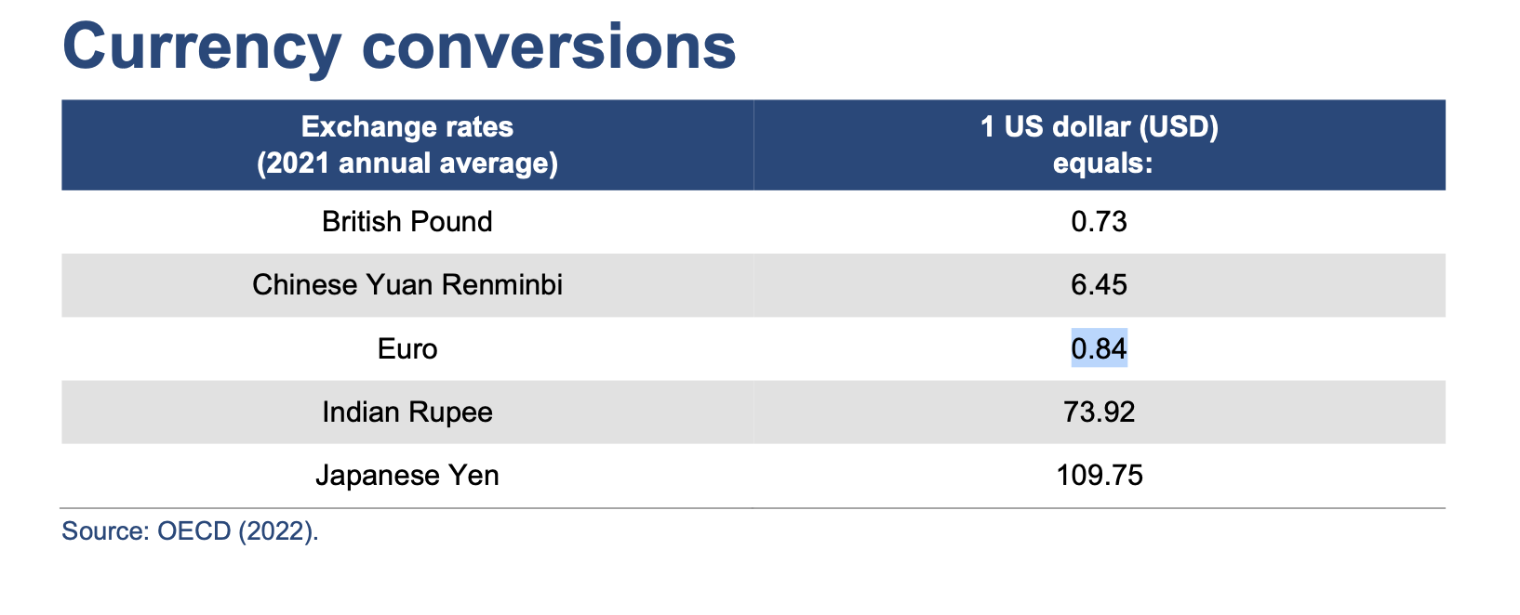
2026 | "inf"
2027 | "inf"
2028 | "inf"
2029 | "inf"
2030 | "inf"
2031 | "inf"
2032 | "inf"
2033 | 1610 | €/kW
2034 | 1610 | €/kW
2035 | 1610 | €/kW

Assumption for conversino
HP | kW
1 | 8

Regionalized cost factors
For Labour | €/h | Labour adjusment factor
Australia | 38.19 | 1.39
Austria | 39.54 | 1.44
Brazil | 7.98 | 0.29
China | 13.3 | 0.48
Czech republic | 10.71 | 0.39
Germany | 43.18 | 1.57
Italy | 32.49 | 1.18 |  | 1.23
Japan | 26.46 | 0.96 |  | 1.42
Korea | 22.98 | 0.84 |  | 0.45
Rest of Europe | 27.6 | 1.00 |  | 0.39 | converison factor
USA | 39.9 | 1.45 |  | 0.89 | euro | 1 | https://www.currency.me.uk/convert/eur/gbp#:~:text=Latest%20Currency%20Exchange%20Rates%3A%201%20Euro%20%3D%200.8358%20British%20Pound
 | 27.484545455 |  |  | 1.50 | pound | 0.8358
 |  |  |  | 1.48
For Energy Cost | USD/kWh | Energy adjusment factor |  | 0.91
Australia | 0.273 | 1.06 |  | 0.67
Austria | 0.36 | 1.40 |  | 1.00
Brazil | 0.154 | 0.60 |  | 1.08
China | 0.078 | 0.30
Czech republic | 0.359 | 1.40
Germany | 0.365 | 1.42
Italy | 0.457 | 1.78
Japan | 0.221 | 0.86
Korea | 0.131 | 0.51
Rest of Europe | 0.2582 | 1.01
USA | 0.184 | 0.72
 | 0.25672

Jobs
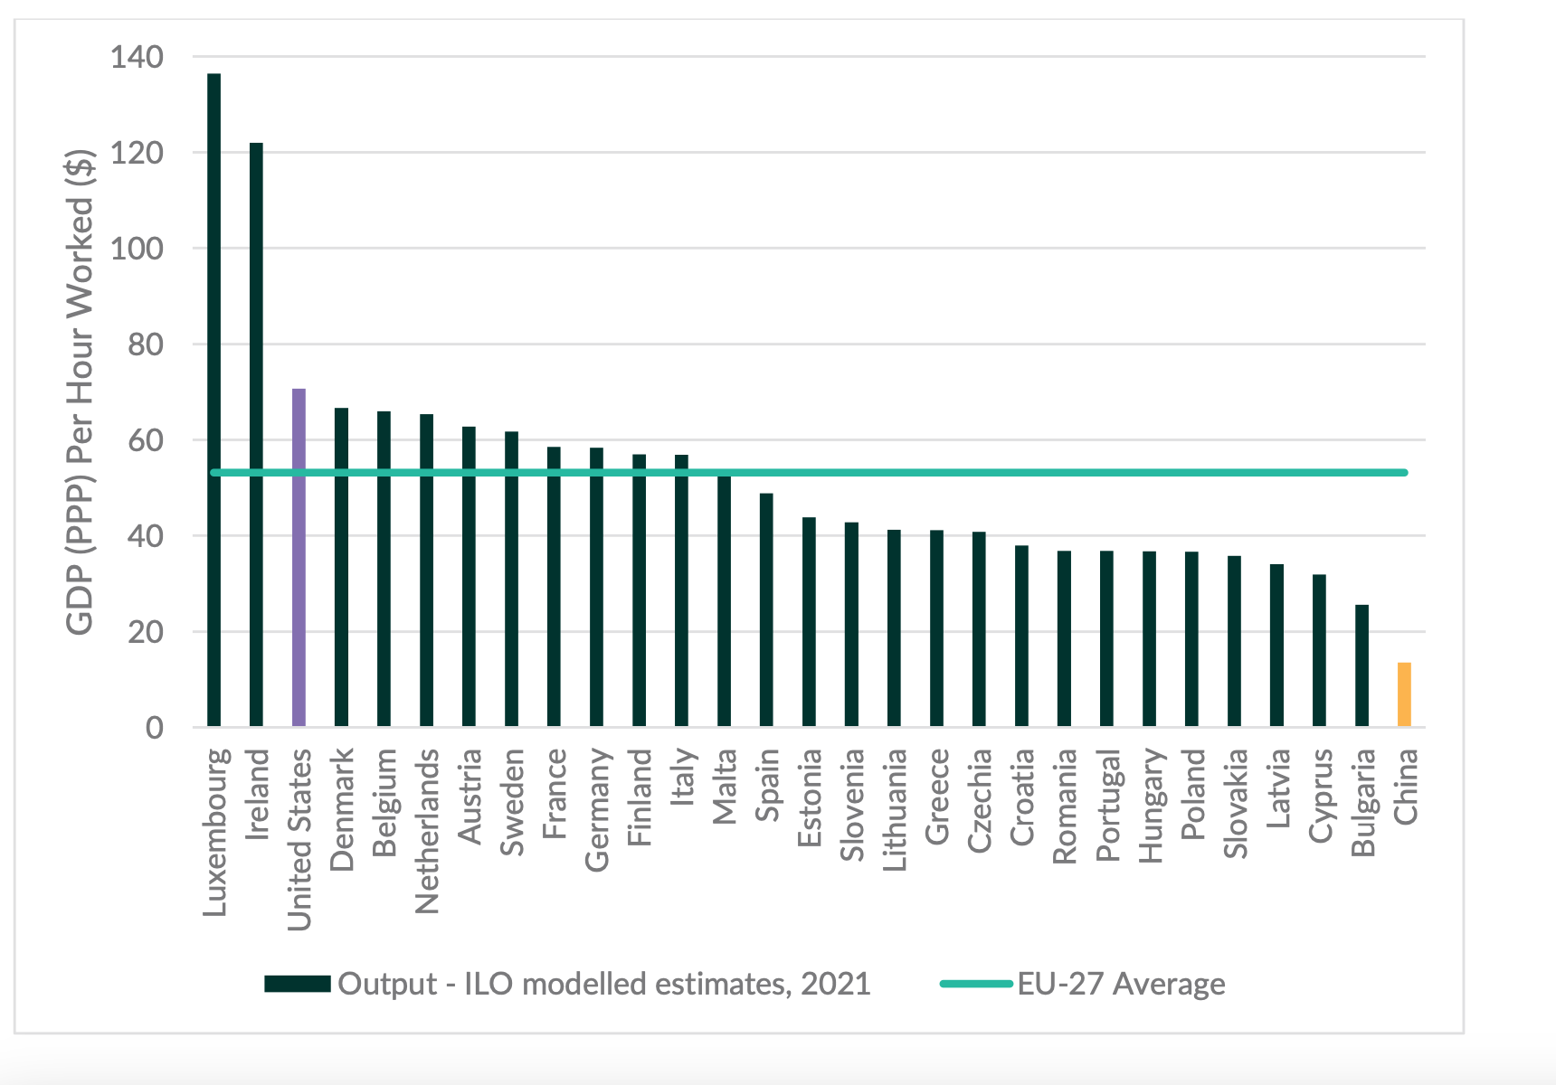
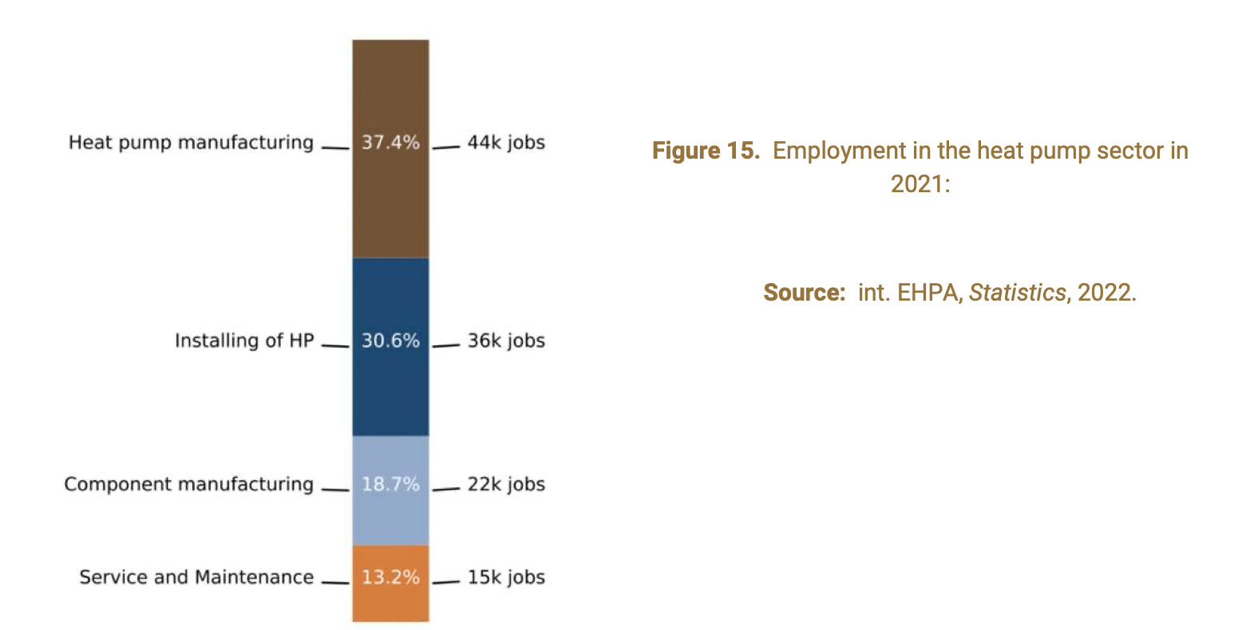
Country | Jobs | Type | Year | Source | Projected workforce 2030 | Notes | Source
Europe | 44000 | heat pump manufacturing | 2022 | EHPA 2022
Europe | 22000 | component manufacturing | 2022 | EHPA 2022
China | 100000 | Manufacturing | 2022 | IEA, Outlook Heat pump china | 200000 | extra workers in the sector | IEA, HP in China

Global | 810000 | in HP supply chain | 2022 | IEA, Outlook Heat pump china

australia | 7000 | in HP manufacturing | 2030 | https://21255462.fs1.hubspotusercontent-na1.net/hubfs/21255462/Reports%20-%20Research/BZE%202024%20-%20Make%20it%20Here%20Building%20Australias%20Clean%20Industrial%20Future%20.pdf?utm_medium=email&_hsenc=p2ANqtz-830lZIoJiepzUI-y6CKlT2VKway4PaFo_35Km9xKs-JjEI34UFgSiLcYE4S5qALQvqTJZSZ2a2d6oBJgafaoQ4Rw4QzA&_hsmi=305939647&utm_content=305939647&utm_source=hs_automation

Steel | 6 | Mio. Jobs
in europe | 330000 | jobs
australoa | 100000 | jobs

 |  |  |  |  |  |  |  | lbaor prodoctivity | https://mcusercontent.com/8dbf465d9a5cfe9f310f1464e/files/aefa3988-2475-e868-fb82-c5a0af13dbaa/EU_Hydronic_Heat_Pump_Manufacturing_Market_Assessment_Technical_Report.pdf

Demand
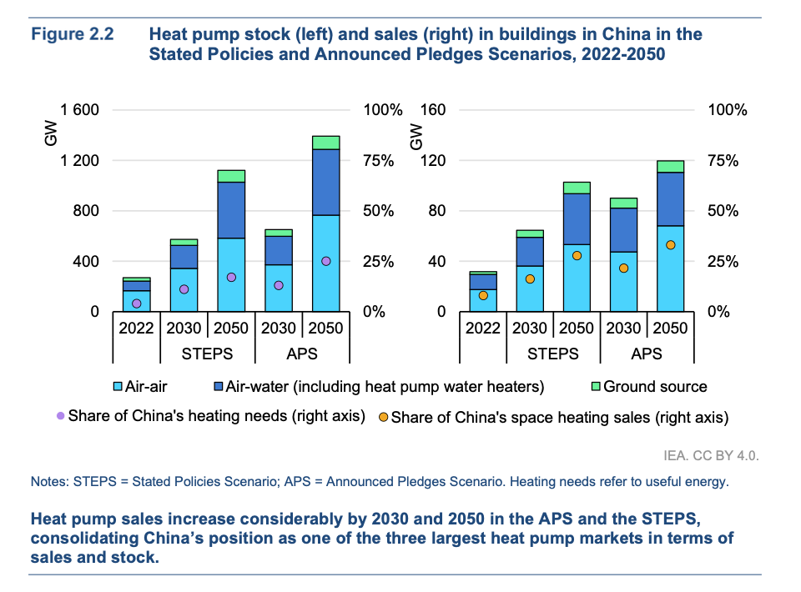
Country | Sales of heating heat pumps 2022 | Growth in sales 2021 to 2022 (% of additional heat pumps units sold) | Growth in sales 2021 to 2022 (no. of additional heat pumps units sold) | Source | https://www.ehpa.org/wp-content/uploads/2023/06/Heat-Pump-Key-Facts-May-2023_compressed.pdf | Country | Sales/value | Unit | year | Source | Annual grth rate IEA | CAGR | Sales in ASHP | Sales in GSHP | Source | Projected Value in 2030 | Pojected sales in 2050 | Source
Austria | 49,204 | 59% | 18,227 | EHPA, 2023 |  | Japan | 746,000 | units | 2021 | https://heatpumpingtechnologies.org/wp-content/uploads/2023/03/mcr-iea-hpt-presentation-japan-20230314.pdf | A
 |  |  |  |  |  | South Korea | 3,000,000,000 | USD, value | 2022 | https://heatpumpingtechnologies.org/wp-content/uploads/2022/08/iea-hpt-tcp-member-country-report-korea-2022minsung-kim.pdf | A
Belgium | 32,965 | 66% | 13,121 | EHPA, 2023 |  | USA | 4,330,000 | units | 2022 | https://heatpumpingtechnologies.org/wp-content/uploads/2023/06/us-country-report-2023.pdf | A
 |  |  |  |  |  | USA | 30 | GW | 2022 | IEA, 2024 | A |  |  |  |  | 62 |  | https://iea.blob.core.windows.net/assets/217e820f-3344-4144-9d2c-cc444e080421/FutureofHeatpumpsinChina.pdf
Czechia | 60065 | 99% | 29886 | EHPA, 2023 |  | China | 31 | GW | 2022 | https://www.iea.org/reports/the-future-of-heat-pumps-in-china/executive-summary | A | 4%
 |  |  |  |  |  | China | 1,000,000 | units | 2022 | https://www.heatpumps.london/blog/everything-you-need-to-know-about-heat-pumps | A
 |  |  |  |  |  | China | 31,000,000,000 | RMB | 2022 | http://www.chinaiol.com/download/Global%20Heat%20Pump%20Market%20Report%202024.pdf | this includes HP and AC split systems
Denmark | 88,833 | 20% | 14,892 | EHPA, 2023 |  | Australia | 1,320,000 | units | 2022 | https://iifiir.org/en/news/main-figures-for-the-australian-heat-pump-market#:~:text=Single%20split%20system%20sales%20were,commercial%20heat%20pumps%20is%20small. | 50% in Aitr to water and 20 percent in air to air |  | 1800000 |  | http://www.chinaiol.com/download/Global%20Heat%20Pump%20Market%20Report%202024.pdf | 7000000 |  | https://mcusercontent.com/8dbf465d9a5cfe9f310f1464e/files/aefa3988-2475-e868-fb82-c5a0af13dbaa/EU_Hydronic_Heat_Pump_Manufacturing_Market_Assessment_Technical_Report.pdf
 |  |  |  |  |  | Europe | 3,000,000 | units | 2022 | https://mcusercontent.com/8dbf465d9a5cfe9f310f1464e/files/aefa3988-2475-e868-fb82-c5a0af13dbaa/EU_Hydronic_Heat_Pump_Manufacturing_Market_Assessment_Technical_Report.pdf | 24 air to water and 8% in ata; 1000 GW in cumulative capacity |  |  |  |  | 25000 | 60000 | https://mcusercontent.com/8dbf465d9a5cfe9f310f1464e/files/aefa3988-2475-e868-fb82-c5a0af13dbaa/EU_Hydronic_Heat_Pump_Manufacturing_Market_Assessment_Technical_Report.pdf
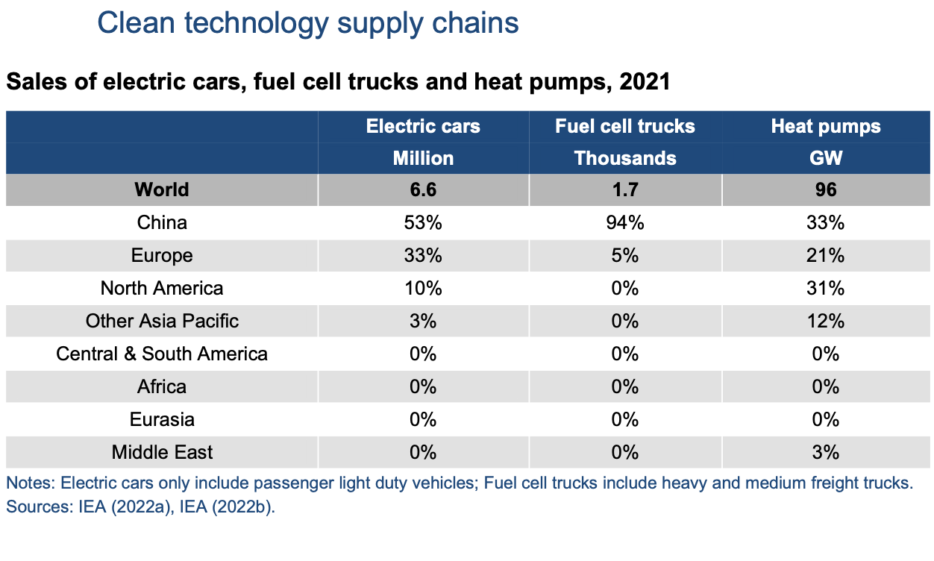
Finland | 196,359 | 52% | 66,984 | EHPA, 2023 |  | global cumulative | 1,000 | GW | 2021 | https://mcusercontent.com/8dbf465d9a5cfe9f310f1464e/files/aefa3988-2475-e868-fb82-c5a0af13dbaa/EU_Hydronic_Heat_Pump_Manufacturing_Market_Assessment_Technical_Report.pdf
 |  |  |  |  |  | global yearly | 111 | GW |  | IEA
France | 462672 | 20% | 76176 | EHPA, 2023 |  | calculated: | 13,875,000 | units sold |  | validation in https://21255462.fs1.hubspotusercontent-na1.net/hubfs/21255462/Reports%20-%20Research/BZE%202024%20-%20Heat%20Pumps%20Supply%20Chain%20Briefing%20Paper.pdf?utm_medium=email&_hsenc=p2ANqtz-9dM8q358vgTGkDybe5e7jgnidtYeyNJEe5lIx4vgFMrCjajGmjMZRA6pWnNwM3C8x8xaJyVpqTPY3p2QLWycjpnTHNBw&_hsmi=295770870&utm_content=295770870&utm_source=hs_automation
 |  |  |  |  |  | global | 8,000,000 | units sold | 2020 | lyons 2023
Germany | 236,000 | 53% | 82,000 | EHPA, 2023

Italy | 502,349 | 37% | 134,429 | EHPA, 2023
 |  |  |  |  |  |  | Growth Rate |  |  | europe is fastes growing HP market
Netherlands | 123208 | 80% | 54796 | EHPA, 2023 |  | Europe | 17% | CAGR | ( https://eur-lex.europa.eu/legal-content/EN/TXT/?uri=CELEX%3A52022DC0643&qid=1669913060946)
 |  |  |  |  |  | Oceania | 4% | CAGR | https://iifiir.org/en/news/main-figures-for-the-australian-heat-pump-market#:~:text=Single%20split%20system%20sales%20were,commercial%20heat%20pumps%20is%20small.
Norway | 156,295 | 25% | 31,267 | EHPA, 2023 |  | North America | 9% | CAGR | https://www.news.market.us/heat-pump-statistics/
 |  |  |  |  |  | Asia | 13% | YoY | http://www.chinaiol.com/download/Global%20Heat%20Pump%20Market%20Report%202024.pdf
Poland | 195,480 | 102% | 98,540 | EHPA, 2023 |  | Global | 11% | YoY | https://www.iea.org/commentaries/global-heat-pump-sales-continue-double-digit-growth
 |  |  |  |  |  | China | 3% | CAGR | calulated from data from iEA https://www.iea.org/reports/the-future-of-heat-pumps-in-china/executive-summary
Portugal | 29969 | 17% | 4357 | EHPA, 2023 |  | Global | 7% | CAGR | calulated from data from iEA https://www.iea.org/reports/the-future-of-heat-pumps-in-china/executive-summary |  |  |  |  |  |  |  |  |  |  | https://iea.blob.core.windows.net/assets/217e820f-3344-4144-9d2c-cc444e080421/FutureofHeatpumpsinChina.pdf
 |  |  |  |  |  |  |  |  |  |  |  |  |  |  |  |  |  |  |  | http://www.chinaiol.com/download/Global%20Heat%20Pump%20Market%20Report%202024.pdf
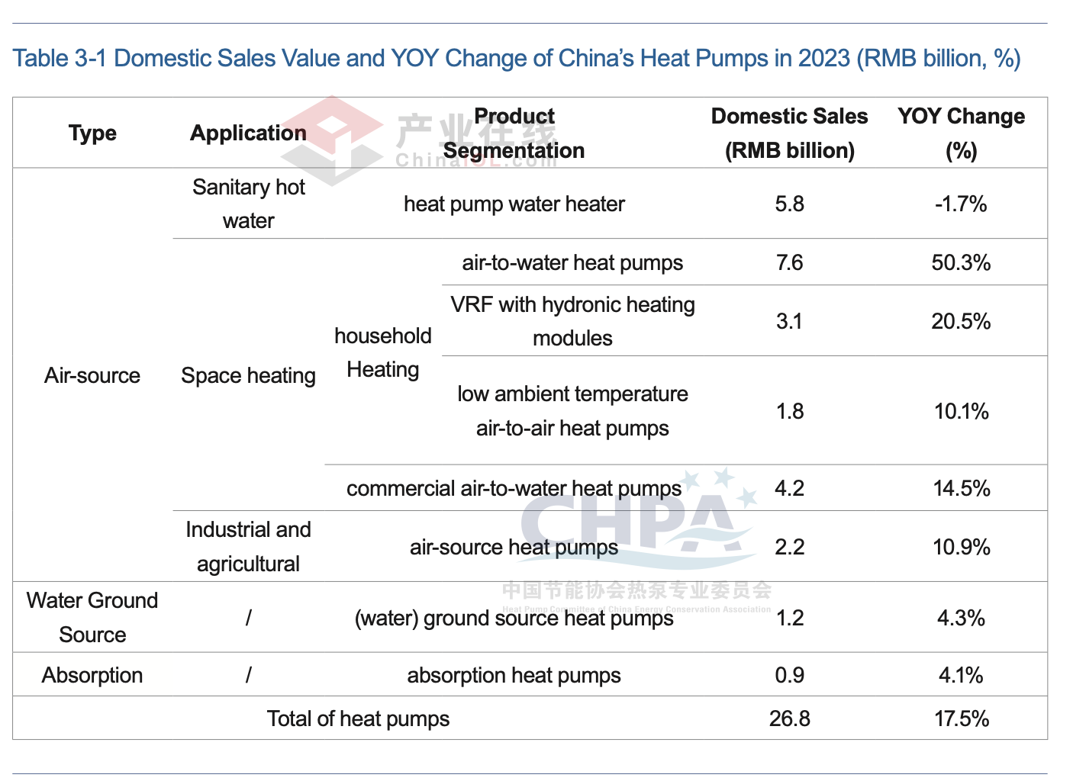
Sweden*** | 215,373 | 60% | 81,875 | EHPA, 2023

Switzerland | 41,209 | 22% | 7,505 | EHPA, 2023

Spain | 161800 | 21% | 28129 | EHPA, 2023

UK**** | 59,862 | 40% | 17,103 | EHPA, 2023
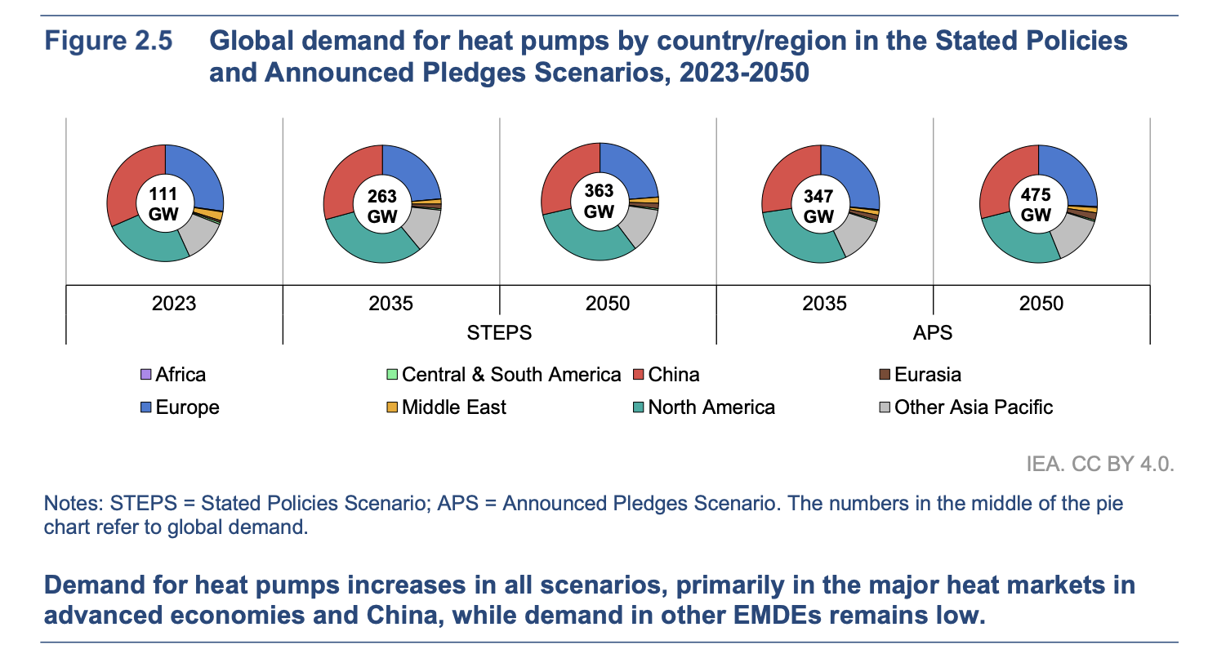
Scenario 1: continue with current growth rate in unit pcs.
year | AUS | AUT | BRA | CHN | CZE | DEU | ITA | JPN | KOR | ROE | ROW | USA | unit
2022 | 1,320,000 | 49,204 | 0 | 1,000,000 | 60,065 | 236,000 | 502,349 | 746,000 | 560,164 | 2,152,382 | 2,918,836 | 4,330,000 | pcs
2023 | 1,372,800 | 57,569 | 0 | 1,125,000 | 70,276 | 276,120 | 587,748 | 839,250 | 630,184 | 2,518,287 | 3,239,908 | 4,711,040 | pcs
2024 | 1,427,712 | 67,355 | 0 | 1,265,625 | 82,223 | 323,060 | 687,666 | 944,156 | 708,957 | 2,946,396 | 3,596,298 | 5,125,612 | pcs
2025 | 1,484,820 | 78,806 | 0 | 1,423,828 | 96,201 | 377,981 | 804,569 | 1,062,176 | 797,577 | 3,447,283 | 3,991,891 | 5,576,665 | pcs
2026 | 1,544,213 | 92,203 | 0 | 1,601,807 | 112,555 | 442,237 | 941,345 | 1,194,948 | 897,274 | 4,033,321 | 4,430,999 | 6,067,412 | pcs
2027 | 1,605,982 | 107,877 | 0 | 1,802,032 | 131,689 | 517,418 | 1,101,374 | 1,344,316 | 1,009,433 | 4,718,986 | 4,918,409 | 6,601,344 | pcs
2028 | 1,670,221 | 126,216 | 0 | 2,027,287 | 154,077 | 605,379 | 1,288,608 | 1,512,356 | 1,135,613 | 5,521,213 | 5,459,434 | 7,182,262 | pcs
2029 | 1,737,030 | 147,673 | 0 | 2,280,697 | 180,270 | 708,293 | 1,507,671 | 1,701,400 | 1,277,564 | 6,459,820 | 6,059,971 | 7,814,302 | pcs
2030 | 1,806,511 | 172,778 | 0 | 2,565,785 | 210,915 | 828,703 | 1,763,975 | 1,914,075 | 1,437,260 | 7,557,989 | 6,726,568 | 8,501,960 | pcs
2031 | 1,878,772 | 202,150 | 0 | 2,886,508 | 246,771 | 969,582 | 2,063,851 | 2,153,335 | 1,616,917 | 8,842,847 | 7,466,491 | 9,250,133 | pcs
2032 | 1,953,922 | 236,515 | 0 | 3,247,321 | 288,722 | 1,134,411 | 2,414,705 | 2,422,501 | 1,819,032 | 10,346,131 | 8,287,805 | 10,064,144 | pcs
2033 | 2,032,079 | 276,723 | 0 | 3,653,236 | 337,805 | 1,327,261 | 2,825,205 | 2,725,314 | 2,046,411 | 12,104,973 | 9,199,463 | 10,949,789 | pcs
2034 | 2,113,363 | 323,766 | 0 | 4,109,891 | 395,232 | 1,552,896 | 3,305,490 | 3,065,978 | 2,302,212 | 14,162,819 | 10,211,404 | 11,913,370 | pcs
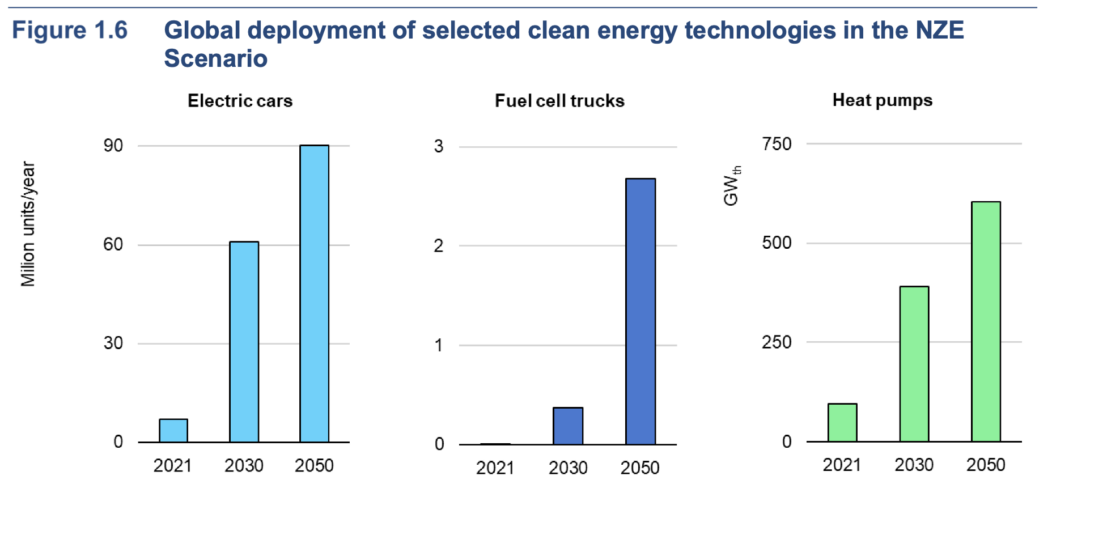
2035 | 2,197,897 | 378,806 | 0 | 4,623,627 | 462,421 | 1,816,888 | 3,867,424 | 3,449,226 | 2,589,989 | 16,570,498 | 11,334,659 | 12,961,747 | 60,253,180

year | AUS | AUT | BRA | CHN | CZE | DEU | ITA | JPN | KOR | ROE | ROW | USA
 |  |  |  |  |  |  |  |  |  |  |  |  | kW
2022 | 10,560,000 | 393,632 | 0 | 31,000,000 | 480,520 | 1,888,000 | 4,018,792 | 5,968,000 | 4,481,311 | 17,219,056 | 4,990,689 | 30,000,000 | kW
2023 | 10,982,400 | 460,549 | 0 | 31,954,960 | 562,208 | 2,208,960 | 4,701,987 | 6,398,670 | 4,804,697 | 20,146,296 | 5,350,834 | 32,640,000 | kW
2024 | 11,421,696 | 538,843 | 0 | 32,939,338 | 657,784 | 2,584,483 | 5,501,324 | 6,860,419 | 5,151,419 | 23,571,166 | 5,736,967 | 35,512,320 | kW
2025 | 11,878,564 | 630,446 | 0 | 33,954,040 | 769,607 | 3,023,845 | 6,436,550 | 7,355,490 | 5,523,162 | 27,578,264 | 6,150,966 | 38,637,404 | kW
2026 | 12,353,706 | 737,622 | 0 | 35,000,000 | 900,440 | 3,537,899 | 7,530,763 | 7,886,286 | 5,921,732 | 32,266,569 | 6,594,840 | 42,037,496 | kW
2027 | 12,847,855 | 863,018 | 0 | 36,078,181 | 1,053,515 | 4,139,342 | 8,810,993 | 8,455,386 | 6,349,063 | 37,751,886 | 7,070,745 | 45,736,795 | kW
2028 | 13,361,769 | 1,009,731 | 0 | 37,189,575 | 1,232,613 | 4,843,030 | 10,308,861 | 9,065,554 | 6,807,233 | 44,169,706 | 7,580,993 | 49,761,633 | kW
2029 | 13,896,240 | 1,181,385 | 0 | 38,335,207 | 1,442,157 | 5,666,345 | 12,061,368 | 9,719,754 | 7,298,465 | 51,678,556 | 8,128,062 | 54,140,657 | kW
2030 | 14,452,089 | 1,382,220 | 0 | 39,516,129 | 1,687,324 | 6,629,624 | 14,111,800 | 10,421,163 | 7,825,146 | 60,463,911 | 8,714,609 | 58,905,035 | kW
2031 | 15,030,173 | 1,617,198 | 0 | 40,733,430 | 1,974,169 | 7,756,660 | 16,510,806 | 11,173,188 | 8,389,834 | 70,742,775 | 9,343,484 | 64,088,678 | kW
2032 | 15,631,380 | 1,892,121 | 0 | 41,988,230 | 2,309,777 | 9,075,292 | 19,317,643 | 11,979,482 | 8,995,272 | 82,769,047 | 10,017,740 | 69,728,482 | kW
2033 | 16,256,635 | 2,213,782 | 0 | 43,281,685 | 2,702,439 | 10,618,092 | 22,601,643 | 12,843,961 | 9,644,400 | 96,839,785 | 10,740,653 | 75,864,588 | kW
2034 | 16,906,900 | 2,590,125 | 0 | 44,614,984 | 3,161,854 | 12,423,167 | 26,443,922 | 13,770,823 | 10,340,371 | 113,302,549 | 11,515,734 | 82,540,672
2035 | 17,583,176 | 3,030,446 | 0 | 45,989,357 | 3,699,369 | 14,535,106 | 30,939,389 | 14,764,570 | 11,086,566 | 132,563,982 | 12,346,747 | 89,804,251 | 376,342,959 | validated with IEA
2036 | 18,286,503 | 3,545,622 | 1 | 47,406,066 | 4,328,262 | 17,006,074 | 36,199,085 | 15,830,030 | 11,886,609 | 155,099,859 | 13,237,728 | 97,707,025
 | HEX | Com |  | HP |  |  |  |  |  |  |  |  | share us | sahre in prodcution usa currently
 | 164 | 136 | 139.00 | 111 | good |  |  |  |  |  |  |  | 0.23862343834 | 0.34
 | 177 | 150 | 147.66 | 120 | good |  |  |  | 1.888 |  |  |  | need 1400 GW in 2050 in APS scnarion in china
 | 191 | 166 | 167.25 | 130 | good |  |  | 0.10810810811
 | 206 | 185 | 177.71 | 142 | good
 | 223 | 205 | 189.13 | 155 | good
 | 241 | 228 | 201.57 | 169 | good
 | 261 | 254 | 215.12 | 185 | good
 | 283 | 284 | 229.84 | 204 | good
 | 307 | 317 | 245.81 | 224 | good |  |  |  | AUS | AUT | BRA | CHN | CZE | DEU | ITA | JPN | KOR | ROE | ROW | USA
 | 334 | 356 | 263.13 | 247 | good |  |  |  | 10.6 | 0.4 | 0.0 | 31.0 | 0.5 | 1.9 | 4.0 | 6.0 | 4.5 | 17.2 | 5.0 | 30.0
 | 363 | 399 | 281.90 | 274 | good |  |  |  | 11.0 | 0.5 | 0.0 | 32.0 | 0.6 | 2.2 | 4.7 | 6.4 | 4.8 | 20.1 | 5.4 | 32.6
 | 396 | 449 | 302.22 | 304 | problem |  |  |  | 11.4 | 0.5 | 0.0 | 32.9 | 0.7 | 2.6 | 5.5 | 6.9 | 5.2 | 23.6 | 5.7 | 35.5
 | 433 | 505 | 324.21140335 | 338 | problem |  |  |  | 11.9 | 0.6 | 0.0 | 34.0 | 0.8 | 3.0 | 6.4 | 7.4 | 5.5 | 27.6 | 6.2 | 38.6
 | 473 | 570 | 348 | 376 | problem |  |  |  | 12.4 | 0.7 | 0.0 | 35.0 | 0.9 | 3.5 | 7.5 | 7.9 | 5.9 | 32.3 | 6.6 | 42.0
 |  |  |  |  |  |  |  |  | 12.8 | 0.9 | 0.0 | 36.1 | 1.1 | 4.1 | 8.8 | 8.5 | 6.3 | 37.8 | 7.1 | 45.7
 |  |  |  |  |  |  |  |  | 13.4 | 1.0 | 0.0 | 37.2 | 1.2 | 4.8 | 10.3 | 9.1 | 6.8 | 44.2 | 7.6 | 49.8
 |  |  |  |  |  |  |  |  | 13.9 | 1.2 | 0.0 | 38.3 | 1.4 | 5.7 | 12.1 | 9.7 | 7.3 | 51.7 | 8.1 | 54.1
 |  |  |  |  |  |  |  |  | 14.5 | 1.4 | 0.0 | 39.5 | 1.7 | 6.6 | 14.1 | 10.4 | 7.8 | 60.5 | 8.7 | 58.9
 | European demand | Europea productio |  | Pacifi cemdan | Pacific production |  |  |  | 15.0 | 1.6 | 0.0 | 40.7 | 2.0 | 7.8 | 16.5 | 11.2 | 8.4 | 70.7 | 9.3 | 64.1
 | 24 | 25 | 9.6 | 21.009310638 | 18.112 |  |  |  | 15.6 | 1.9 | 0.0 | 42.0 | 2.3 | 9.1 | 19.3 | 12.0 | 9.0 | 82.8 | 10.0 | 69.7
 | 28 | 26 | 11.232 | 22.185767012 | 19.421877492 |  |  |  | 16.3 | 2.2 | 0.0 | 43.3 | 2.7 | 10.6 | 22.6 | 12.8 | 9.6 | 96.8 | 10.7 | 75.9
 | 33 | 28 | 13.14144 | 23.433534556 | 20.828984123 |  |  |  | 16.9 | 2.6 | 0.0 | 44.6 | 3.2 | 12.4 | 26.4 | 13.8 | 10.3 | 113.3 | 11.5 | 82.5
 | 38 | 30 | 15.3754848 | 24.757215887 | 22.340642778 |  |  |  | 17.6 | 3.0 | 0.0 | 46.0 | 3.7 | 14.5 | 30.9 | 14.8 | 11.1 | 132.6 | 12.3 | 89.8
 | 45 | 31 | 17.989317216 | 26.161724023 | 23.964732236
 | 53 | 33 | 21.047501143 | 27.652303916 | 25.709729551
 | 62 | 35 | 24.625576337 | 29.234555499 | 27.58475566
 | 72 | 37 | 28.811924314 | 30.914458365 | 29.599624486
 | 84 | 39 | 33.709951448 | 32.698398182 | 31.76489579
 | 99 | 42 | 39.440643194 | 34.593194984 | 34.091932058
 | 115 | 44 | 46.145552537 | 36.606133455 | 36.592959744
 | 135 | 47 | 53.990296468 | 38.744995361 | 39.281135182
 | 158 | 49 | 63.168646868 | 41.018094277 | 42.170615551 |  | 16.86824622
 | 185 | 52 | 73.907316835 | 43.434312775 | 45.276635247 |  | 18.110654099

Material demand scenarion
Region | Technology | Material | Scenario | Unit | 2020 | 2030 | 2050 | Source | for validation | share on current production (2022) | CO2 - reduction scneario
EU | Heat pumps | Cu | LDS | t/yr | 59658 | 154180.0285 | 233490.3041 | Source Carrara et al. 2024 |  |  | Country | Copper emissions reudction
EU | Heat pumps | Cu | HDS | t/yr | 59658 | 369093.991 | 584188.5989 | Source Carrara et al. 2025 |  |  |  | 2030 | 2050
EU | Heat pumps | Plastic | LDS | t/yr | 0.003779 | 0.9138384 | 1.7557812 | Source Carrara et al. 2026 |  |  | Europe | 30-40% | 90 - 97$% | https://internationalcopper.org/wp-content/uploads/2023/03/Copper_The-Pathway-to-Net-Zero_Focus-on-Europe_final.pdf
EU | Heat pumps | Plastic | HDS | t/yr | 0.003779 | 2.18268158 | 6.71550312 | Source Carrara et al. 2027 |  |  |  |  |  | https://internationalcopper.org/wp-content/uploads/2023/02/ICA-GlobalDecarbonization-202301-Final-singlepgs.pdf
EU | Heat pumps | Steel | LDS | t/yr | 0.019222 | 0.9138384 | 1.7557812 | Source Carrara et al. 2028
EU | Heat pumps | Steel | HDS | t/yr | 0.019222 | 2.18268158 | 6.71550312 | Source Carrara et al. 2029
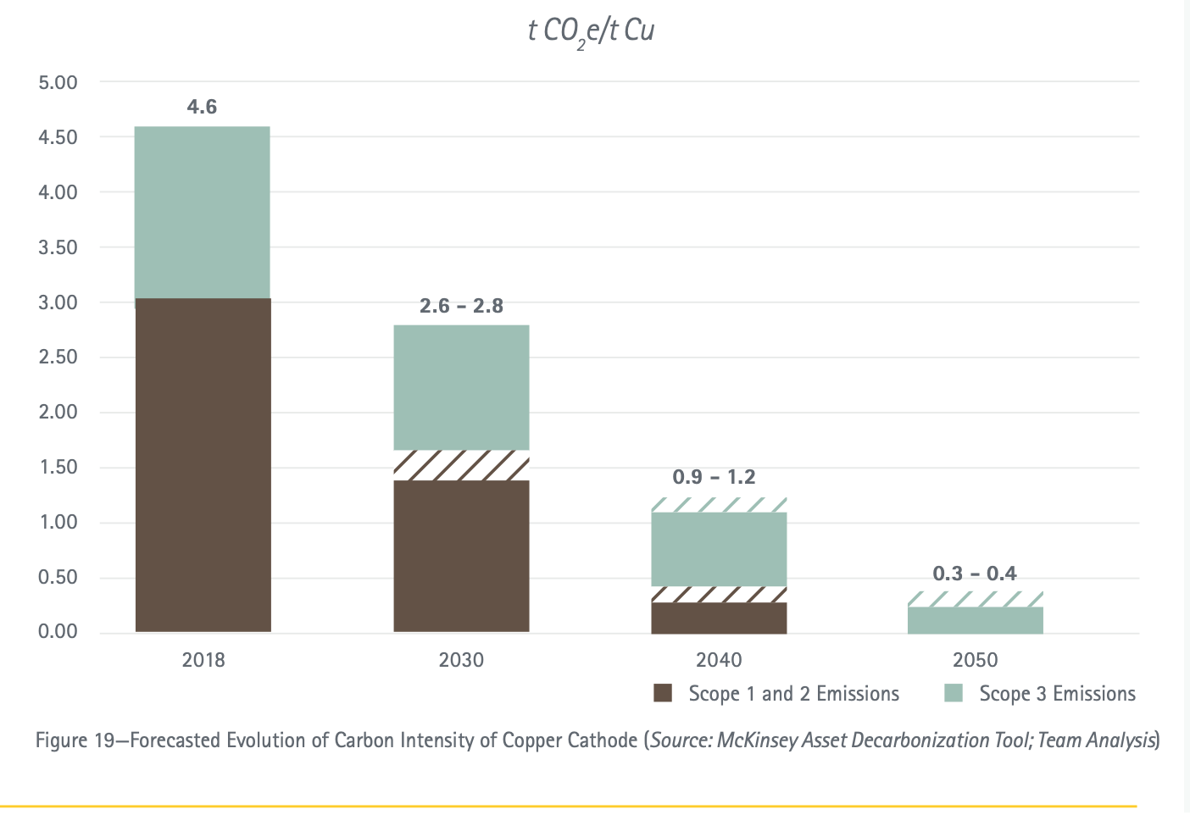
USA | Heat pumps | Cu | LDS | t/yr | 125172 | 133658.8353 | 151841.65 | Source Carrara et al. 2030
USA | Heat pumps | Cu | HDS | t/yr | 125172 | 232583.4316 | 312724.6571 | Source Carrara et al. 2031
USA | Heat pumps | Plastic | LDS | t/yr | 61902 | 66099.04151 | 75091.0892 | Source Carrara et al. 2032
USA | Heat pumps | Plastic | HDS | t/yr | 61902 | 115020.7681 | 154653.4506 | Source Carrara et al. 2033
USA | Heat pumps | Steel | LDS | t/yr | 536940 | 573345.2772 | 651342.5969 | Source Carrara et al. 2034
USA | Heat pumps | Steel | HDS | t/yr | 536940 | 997693.9553 | 1341469.158 | Source Carrara et al. 2035
China | Heat pumps | Cu | LDS | t/yr | 71004 | 81768.0743 | 85804.31934 | Source Carrara et al. 2036
China | Heat pumps | Cu | HDS | t/yr | 71004 | 136862.394 | 199519.8608 | Source Carrara et al. 2037
China | Heat pumps | Plastic | LDS | t/yr | 35114 | 40437.21707 | 42433.28361 | Source Carrara et al. 2038
China | Heat pumps | Plastic | HDS | t/yr | 35114 | 67683.31505 | 98669.65795 | Source Carrara et al. 2039
China | Heat pumps | Steel | LDS | t/yr | 304580 | 350753.7613 | 368067.7087 | Source Carrara et al. 2040
China | Heat pumps | Steel | HDS | t/yr | 304580 | 587087.3183 | 855863.8839 | Source Carrara et al. 2041
World | Heat pumps | Cu | LDS | t/yr | 329034 | 446235.9359 | 554806.2319 | Source Carrara et al. 2042
World | Heat pumps | Cu | HDS | t/yr | 329034 | 815168.8143 | 1180103.075 | Source Carrara et al. 2043
World | Heat pumps | Plastic | LDS | t/yr | 162719 | 220679.5202 | 274371.3879 | Source Carrara et al. 2044
World | Heat pumps | Plastic | HDS | t/yr | 162719 | 403129.9327 | 583602.887 | Source Carrara et al. 2045
World | Heat pumps | Steel | LDS | t/yr | 1411430 | 1914181.473 | 2379906.514 | Source Carrara et al. 2046
World | Heat pumps | Steel | HDS | t/yr | 1411430 | 3496762.4 | 5062190.788 | Source Carrara et al. 2047

World | 2020 | 2030.000 | max_laod
Copper | 1.3% | 8% | 0.09
Steel | 0.02% | 0.004 | 0.004
Iron |  | 0.002 | 0.002
Nickel |  | 0.069 | 0.08
Aluminium |  | 0.022 | 0.02
Bauxite |  | 0.016 | 0.02

Allocation OPEX CAPEX
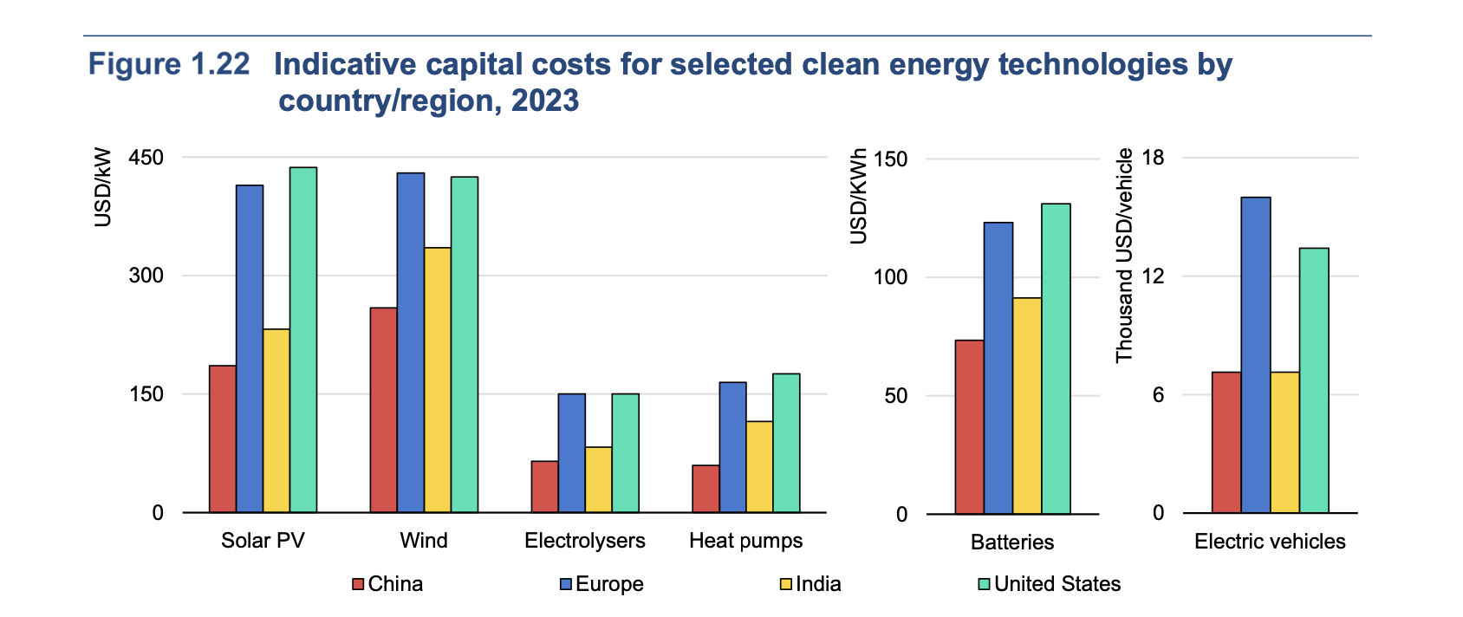
Allocation OPEX HX and Compressor

Material cost |  |  |  |  | OPEX variable for Compressor and HEX manufacturing |  |  | Assumptions |  |  |  | Allocation based on weight principle | kg/kW | %
air - air CHN | 78 | USD/kW | IEA 2024 |  |  |  |  | share material on total cost | 90% | see ENEL 2023 |  | total weight input Hx | 4.6 | 35%
air - water CHN | 91 | USD/kW | IEA 2024 |  |  |  |  | Allocation factor HX | 35% | based on weight |  | total weight input compressor | 8.6 | 65%
air - air home EU | 112 | USD/kW | IEA 2024 |  |  |  |  | Allocation Factor Compresso r | 65% | based on weight |  | total weight input materials | 13.3
air - water EU | 195 | USD/kW | IEA 2024
air - air JPN | 68 | USD/kW | IEA 2024 |  |  |  |  | Regionalized cost factors |  |  |  | Share Copper in Component/HP | 26% |  |  | Australia | 1.39 | 1.06
air - water JPN | 195 | USD/kW | IEA 2024 |  |  |  |  | For Labour | €/h | Labour adjusment factor | For countries in EU | Share Steel in Component/HP | 39% |  |  | Austria | 1.44 | 1.39
air air CHN | 55 | USD/kW | IEA 2024 |  |  |  |  | Australia | 38.19 | 1.39 |  |  |  |  |  | Brazil | 0.29 | 0.60
air air USA | 178 | USD/kW | IEA 2024 |  |  |  |  | Austria | 39.54 | 1.44 | 1.43 | Cost Copper in HP total | 14.0 | €/kW | ENEL | China | 0.48 | 0.30
air air India | 57 | USD/kW | IEA 2024 |  |  |  |  | Brazil | 7.98 | 0.29 |  | Cost Steel in HP total | 7.2 | €/kW | ENEL | Czech republic | 0.39 | 1.39
 |  |  |  |  |  |  |  | China | 13.3 | 0.48 |  |  |  |  |  | Germany | 1.57 | 1.41
average value for technologies | Material Cost | Only Component cost minus steel and copper | share affected by labor | total cost with adjusted labor cost | Assumed allocation to Compressor | Assumed allocation to HEX |  | Czech republic | 10.71 | 0.39 | 0.39 |  |  |  |  | Italy | 1.18 | 1.77
AUS | 96 | 75 | 8.3 | 86 | 56.1 | 30.2 | €/kW | Germany | 43.18 | 1.57 | 1.56 | average enrgy cost per kW |  |  |  | Japan | 0.96 | 0.86
AUT | 136 | 114 | 12.7 | 133 | 86.4 | 46.4 | €/kW | Italy | 32.49 | 1.18 | 1.18 | eu | 6.4 | €/kW | EU Hydronic report | Korea | 0.84 | 0.51
BRA | 96 | 75 | 8.3 | 77 | 50.2 | 27.0 | €/kW | Japan | 26.46 | 0.96 |  | china | 4.6 | €/kW | EU Hydronic report | Rest of Europe | 1.00 | 1.00
CHN | 63 | 41 | 4.6 | 43 | 28.3 | 15.2 | €/kW | Korea | 22.98 | 0.84 |  | usa | 2.7 | €/kW | EU Hydronic report | Rest of World | 1.00 | 1.00
CZE | 136 | 114 | 12.7 | 119 | 77.7 | 41.8 | €/kW | Rest of Europe | 27.6 | 1.00 |  |  | 4.57 |  |  | USA | 1.45 | 0.71
DEU | 136 | 114 | 12.7 | 134 | 87.4 | 47.0 | €/kW | Rest of World | 27.484545455 | 1.00
ITA | 136 | 114 | 12.7 | 130 | 84.2 | 45.3 | €/kW | USA | 39.9 | 1.45
JPN | 132 | 110 | 12.3 | 122 | 79.4 | 42.7 | €/kW |  |  | 0.29 | Brazil
KOR | 96 | 75 | 8.3 | 82 | 53.1 | 28.6 | €/kW |  |  | 1.57 | Germany | Allocation for CAPEX
ROE | 129 | 108 | 11.9 | 120 | 77.7 | 41.8 | €/kW | For Energy Cost | USD/kWh | Energy adjusment factor |  | Total OPEX | Part of HP | Share compressor | Share HEX
ROW | 96 | 75 | 8.3 | 83 | 54.0 | 29.0 | €/kW | Australia | 0.273 | 1.06 |  | 144 | 40% | 39% | 21%
USA | 150 | 128 | 14.3 | 149 | 97.0 | 52.1 | €/kW | Austria | 0.36 | 1.39 |  | 219 | 39% | 40% | 21%
 |  |  |  |  |  |  |  | Brazil | 0.154 | 0.60 |  | 129 | 40% | 39% | 21%
FIXED OPEX | only OPEX FIXED | OPEX and labor cost |  |  | OPEX fixed and variable For Heat Pump Assemble |  |  | China | 0.078 | 0.30 |  | 79 | 45% | 36% | 19%
air air CHN | 13.78 | 30 | USD/kW | IEA 2024 | 15.7541444498076 |  |  | Czech republic | 0.359 | 1.39 |  | 202 | 41% | 38% | 21%
air air CHN | 11.82 | 11.82 | USD/kW | IEA 2024 | 0.0000000000000 |  |  | Germany | 0.365 | 1.41 |  | 221 | 39% | 40% | 21%
air water CHN | 15.75 | 30 | USD/kW | IEA 2024 | 13.7848763935807 |  |  | Italy | 0.457 | 1.77 |  | 216 | 40% | 39% | 21%
air air EU | 51.20 | 77 | USD/kW | IEA 2024 | 25.6004847309380 |  |  | Japan | 0.221 | 0.86 |  | 182 | 33% | 44% | 23%
air water EU | 76.80 | 132 | USD/kW | IEA 2024 | 55.1395055743270 |  |  | Korea | 0.131 | 0.51 |  | 135 | 39% | 39% | 21%
air air USA | 33.48 | 71 | USD/kW | IEA 2024 | 37.4160930682930 |  |  | Rest of Europe | 0.2582 | 1.00 |  | 202 | 41% | 38% | 21%
air air JPN | 17.72 | 37 | USD/kW | IEA 2024 | 19.6926805622586 |  |  | Rest of World | 0.2582 | 1.00 |  | 139 | 40% | 39% | 21%
air water Jon | 59.08 | 87 | USD/kW | IEA 2024 | 27.5697527871640 |  |  | USA | 0.184 | 0.71 |  | 206 | 28% | 47% | 25%
air air India | 11.82 | 22 | USD/kW | IEA 2024 | 9.8463402811298 |  |  |  |  | 1.00 | 1.77

average value for technologies | FIXED OPEX |  | total |  |  | 0.0034426965698
AUS | 27 | €/kW | 57.309 | 57.309135521 |  | 0.0052996797324
AUT | 54 | €/kW | 85.795 | 85.795025856 |  | 0.0030784747794
BRA | 27 | €/kW | 51.951 | 51.951354743 |  | 0.0017361185806
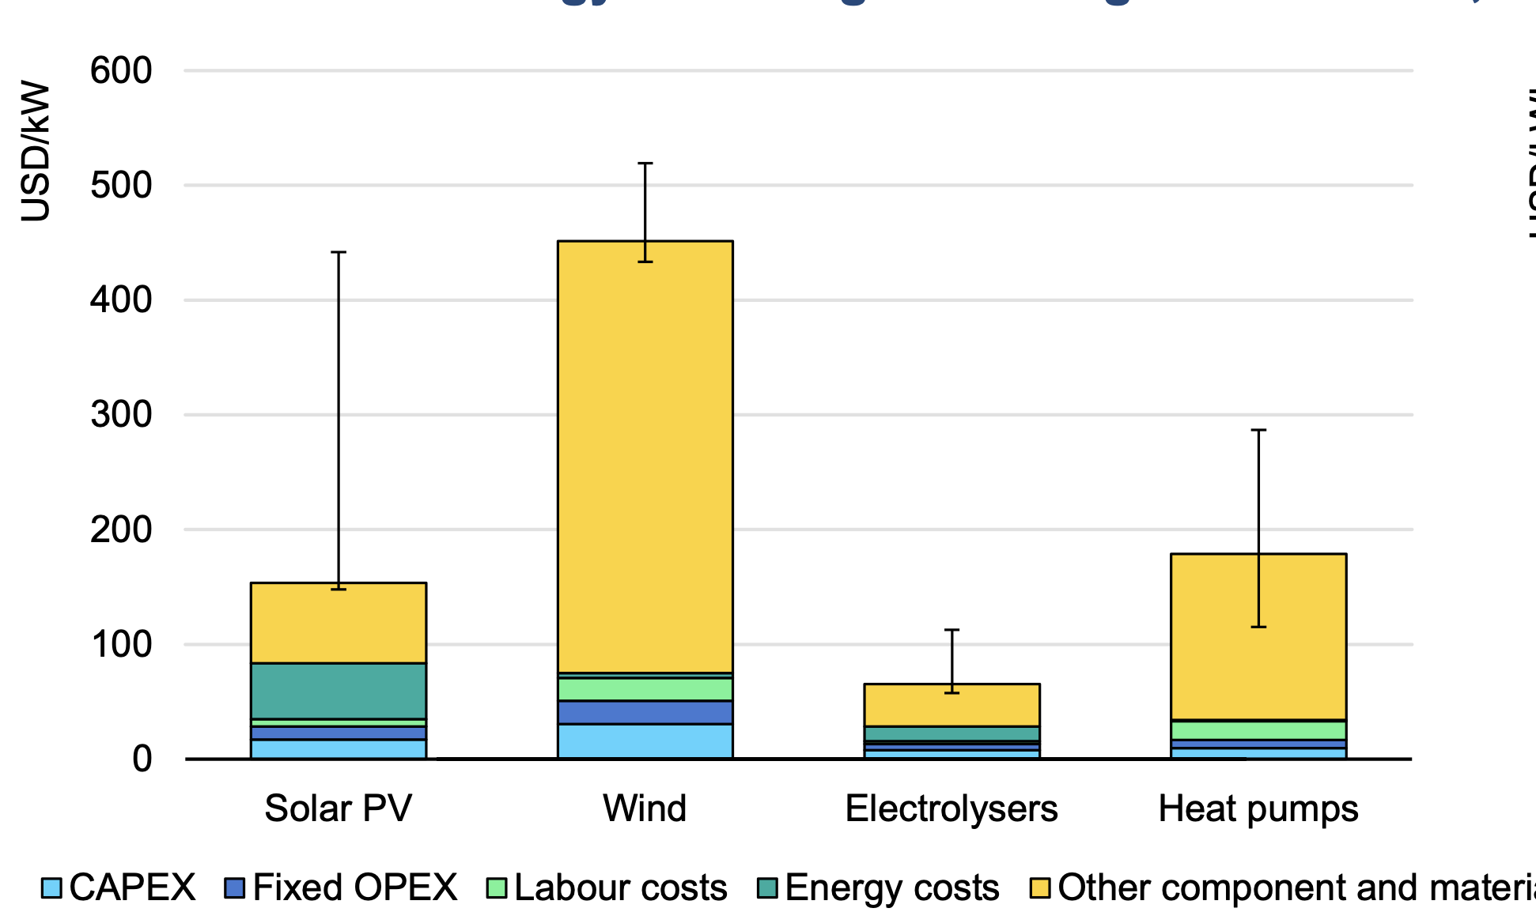
CHN | 12 | €/kW | 35.428 | 35.427690853 |  | 0.0047671273359
CZE | 54 | €/kW | 82.558 | 82.557551149 |  | 0.0053669183978 |  |  | Bar4 | 33.827893175
DEU | 54 | €/kW | 86.305 | 86.30532096 |  | 0.0051694509986 |  |  | Bar5 | 179.82195846
ITA | 54 | €/kW | 86.949 | 86.948788606 |  | 0.0048761213298 |  |  | Bar2 | 8.9020771513
JPN | 32 | €/kW | 60.109 | 60.10876084 |  | 0.0032593197597 |  |  | Bar3 | 16.023738872
KOR | 27 | €/kW | 52.961 | 52.960664522 |  | 0.0047708403692 |  |  | CAPEX | 8.90
ROE | 54 | €/kW | 82.460 | 82.460476084 |  | 0.0033136280553 |  |  | fixed OPEX | 7.12
ROW | 27 | €/kW | 55.890 | 55.889563491 |  | 0.0059504743619 |  |  | Labor cost | 24.93
USA | 28 | €/kW | 56.580 | 56.580410748 |  |  |  |  | Material Cost | 145.99
 |  |  |  |  |  | 30.1
Variable OPEX | total cost with adjusted labor cost | Cost Electricty (adjusted) | Include labor cost | total cost with adjusted labor cost |  | 32.0
AUS | 21.3 | 4.83 | 2.8978252862 | 30.11 | €/kW | 24.7
AUT | 21.252 | 6.37 | 3.0687952492 | 32.03 | €/kW | 23.8
BRA | 21.252 | 2.72 | 2.6639698195 | 24.75 | €/kW | 28.8
CHN | 21.252 | 1.38 | 2.5146167484 | 23.85 | €/kW | 32.5
CZE | 21.252 | 6.35 | 3.0668300772 | 28.80 | €/kW | 33.2
DEU | 21.252 | 6.46 | 3.0786211091 | 32.54 | €/kW | 27.9
ITA | 21.252 | 8.08 | 3.259416932 | 33.19 | €/kW | 25.8
JPN | 21.252 | 3.91 | 2.7956363428 | 27.85 | €/kW | 28.7
KOR | 21.252 | 2.32 | 2.6187708638 | 25.76 | €/kW | 28.7
ROE | 21.252 | 4.57 | 2.8687407407 | 28.70 | €/kW | 28.5
ROW | 21.252 | 4.57 | 2.8687407407 | 28.69 | €/kW
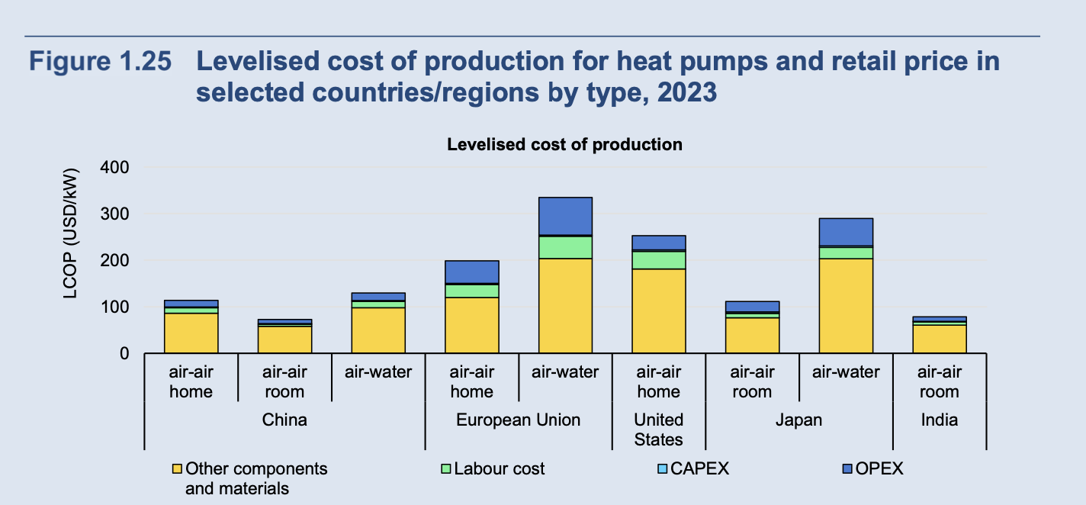
USA | 21.252 | 3.25 | 2.7229249792 | 28.46 | €/kW

CAPEX | CAPEX HP |  | Share OPEX to CAPEX | Compressor | HEX | Assumption use the same ratio OPEX/CAPEX from HP to HEX and compressor s
AUS | 113.4 | €/kW | 51% | 111 | 60
AUT | 142.8 | €/kW | 60% | 144 | 77
BRA | 113.4 | €/kW | 46% | 109 | 59
CHN | 50.4 | €/kW | 70% | 40 | 22
CZE | 143 | €/kW | 58% | 134 | 72
DEU | 142.8 | €/kW | 60% | 145 | 78
ITA | 142.8 | €/kW | 61% | 138 | 74
JPN | 113.4 | €/kW | 53% | 150 | 81
KOR | 113.4 | €/kW | 47% | 114 | 61
ROE | 142.8 | €/kW | 58% | 135 | 72
ROW | 113.4 | €/kW | 49% | 110 | 59
USA | 147 | €/kW | 38% | 252 | 135

 | 8.7635239567 |  |  | € 54,774,073
 |  |  |  | € 637,000 | € 6,252.75

refrigerants
Refrigerant type | GWP | unit | import limit |  | year | source | notes
HFC-134a | 1430 | kgCo2-eq /kg |  |  | 2030 | https://eur-lex.europa.eu/legal-content/EN/TXT/?uri=uriserv:OJ.L_.2014.150.01.0195.01.ENG | global phase ot of HFC ubntil 2030 (montreal protocol), he phase-down is being managed through an annual import quota that will gradually reduce over 18 years. The end point of the phase-down, 15% of the baseline level, will be reached on 1 January 2036.
R410A | 2088 | kgCo2-eq /kg |  |  |  | https://www.infraserv.com/de/leistungen/facility-management/expertenwissen/f-gase/kaeltemittel/spezifische-kaeltemittel/r-410a.html
R 32 | 675 | kgCo2-eq /kg |  |  |  | https://www.infraserv.com/de/leistungen/facility-management/expertenwissen/f-gase/kaeltemittel/spezifische-kaeltemittel/r-410a.html
R 290 | 3 | kgCo2-eq /kg |  |  |  | https://www.infraserv.com/de/leistungen/facility-management/expertenwissen/f-gase/kaeltemittel/spezifische-kaeltemittel/r-410a.html | Propane
CO2 | 1 | kgCo2-eq /kg

Mittelwert between most common types | 1397.6666667
Country | Production | Capacity | Units | converted to t | type | year | source | note |  | 2022 Calculated HFC Production |  | Source | https://www.epa.gov/climate-hfcs-reduction/2022-hfc-data-hub/expanded-hfc-data#2022%20Calc%20Prod
China | 811,000 | 1,683,000,000 | t | 811,000 | HFC | 2020 | https://chineseclimatepolicy.oxfordenergy.org/book-content/domestic-policies/hfcs/#:~:text=Capacity%20utilization%20in%20the%20Chinese,actual%20production%20of%20811%2C000%20tonnes. | global share 70% |  | USA: | Chemical | Total Production (MT) | Production for Feedstock (MT) | Destruction (MT) | Calculated Production (MT) | Calculated Production (MTCO2e)
China | 1,581,392,661 |  | tCO2-eq | 1,178,728 |  | 2023 | https://ozone.unep.org/countries/profile/chn
Australia | 0 | 0 |  |  | HFC | 2023 | https://ozone.unep.org/countries/profile/aus | negative production??? |  |  | HFC-32 | 17,762.0 | - | 17.7 | 17,744.3 | 11,977,387.8
USA | 55,645 |  | t |  | HFC-134a | 2022 | https://www.epa.gov/climate-hfcs-reduction/2022-hfc-data-hub/expanded-hfc-data#2022%20Calc%20Prod |  |  |  | HFC-41 | 25.4 | 1.6 | 1.8 | 22.0 | 2,027.6
USA | 133,907 |  | t | 133,907 | HFC | 2022 | https://www.epa.gov/climate-hfcs-reduction/2022-hfc-data-hub/expanded-hfc-data#2022%20Calc%20Prod |  |  |  | HFC-125 | 19,223.1 | - | 47.4 | 19,175.7 | 67,115,020.6
France | 15,518,000 |  | MT CO2-eq | 11,567 | HFC | 2022 | Global Overview of HCFC, HFC, and HFO/HCFO Production, 2022 |  |  |  | HFC-134 | 516.1 | - | 1.8 | 514.3 | 565,688.2
Germany | 6,950,000 |  | MT CO2-eq | 5,180 | HFC | 2022 | Global Overview of HCFC, HFC, and HFO/HCFO Production, 2023 |  |  |  | HFC-134a | 61,397.7 | - | 20.8 | 61,376.9 | 87,768,927.1 |  | https://wedocs.unep.org/bitstream/handle/20.500.11822/33094/CoolRep.pdf?sequence=1&isAllowed=y
Japan | 28,965,000 |  | MT CO2-eq | 21,590 | HFC | 2022 | Global Overview of HCFC, HFC, and HFO/HCFO Production, 2024 |  |  |  | HFC-143a | 42.8 | - | 48.8 | (6.1) | (27,136.9)
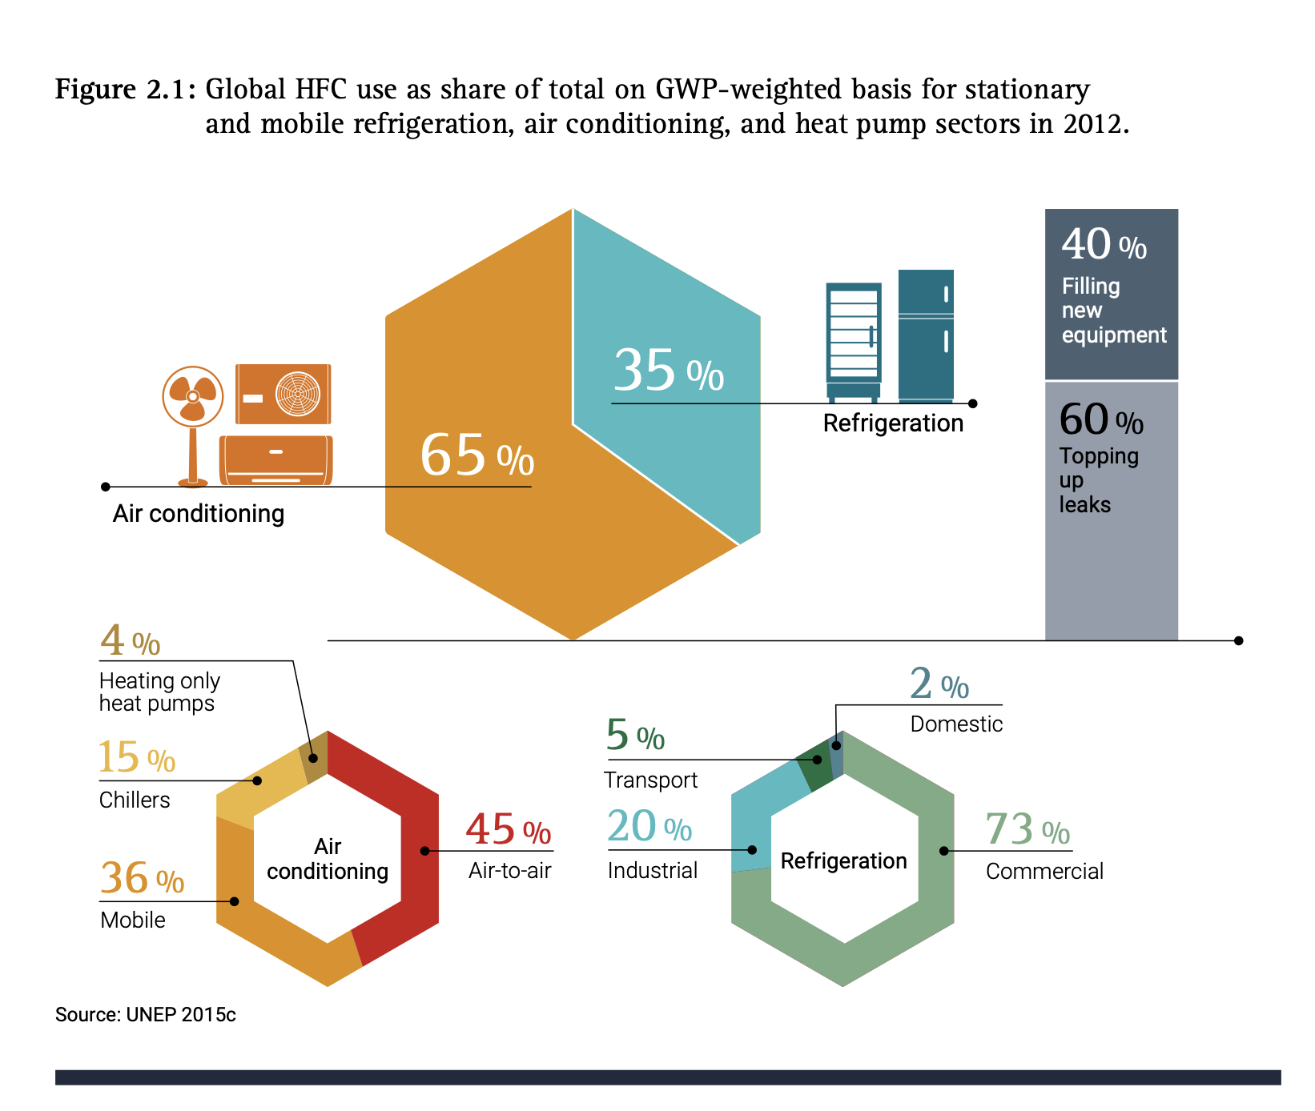
South Korea | 2,769,080 |  | MT CO2-eq | 2,064 | HFC | 2023 | https://ozone.unep.org/countries/profile/kor |  |  |  | HFC-152a | 33,453.6 | 3,797.9 | 0.8 | 29,654.9 | 3,677,202.6
Brazil | 0 |  |  | 0 | HFC | 2023 | https://ozone.unep.org/countries/profile/kor |  |  |  | HFC-227ea | 1,365.3 | - | 40.6 | 1,324.7 | 4,265,637.5
Italy | 0 |  |  | 0 | HFC | 2023 | https://ozone.unep.org/countries/profile/ita |  |  |  | HFC-236ea | 32.6 | - | - | 32.6 | 44,673.4
Czech Republic | 0 |  |  | 0 | HFC | 2023 | https://ozone.unep.org/countries/profile/cze |  |  |  | HFC-245fa | 17,416.2 | 13,350.2 | 3.3 | 4,062.7 | 4,184,584.1
Austria | 0 |  |  | 0 | HFC | 2024 | https://ozone.unep.org/countries/profile/aut |  |  | Data current as of: | HFC-23 | 745.2 | - | 740.0 | 5.2 | 77,196.8 | converison rat
Gobal | 461,000,000 |  | MT CO2-eq | 343,617 | HFC | 2019 |  |  |  | 2024-05-29 | Total | 151,980.0 | 17,149.7 | 923.0 | 133,907.2 | 179,651,209 | 1,341.609778
Scenario high GWP refrigerant |  |  |  | 1158571.4286
 | import availability |  |  |  |  |  |  |  | https://www.dcceew.gov.au/sites/default/files/documents/heat-pumps-emerging-trends-in-australian-market.pdf
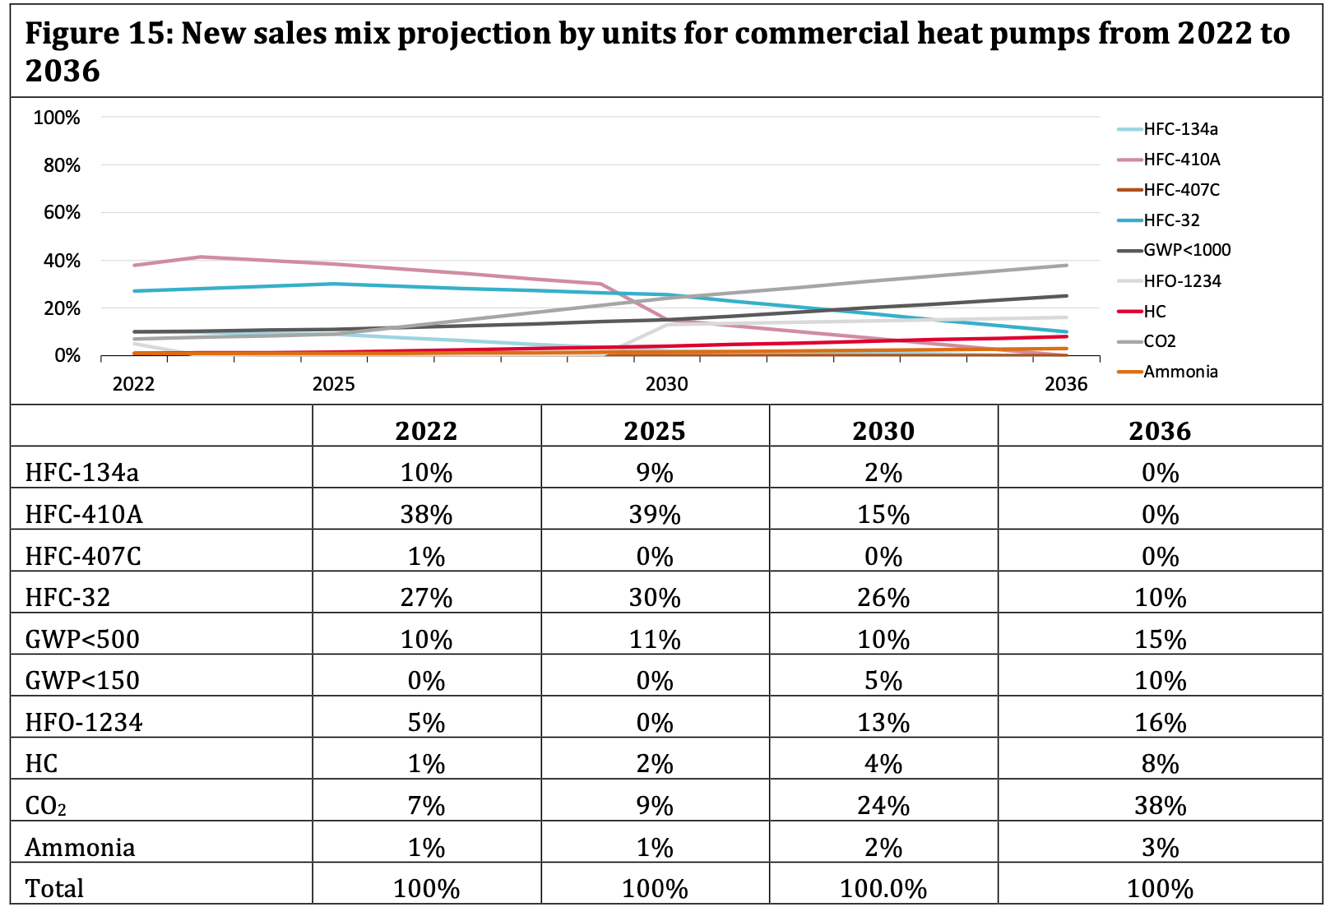
AUS | 0 | t
AUT | 0 | t
BRA | 0 | t
CHN | 811,000 | t
CZE | 0 | t
DEU | 5,180 | t
ITA | 0 | t
JPN | 21,590 | t
KOR | 2,064 | t
ROE | 11,567 | t
ROW | 1,158,571 | t
USA | 133,907 | t

Productio | Carbon foortprint | source
Europe | 1.85 | Ecoinvent
World | 1.89 | Ecoinvent

Refinement (material production
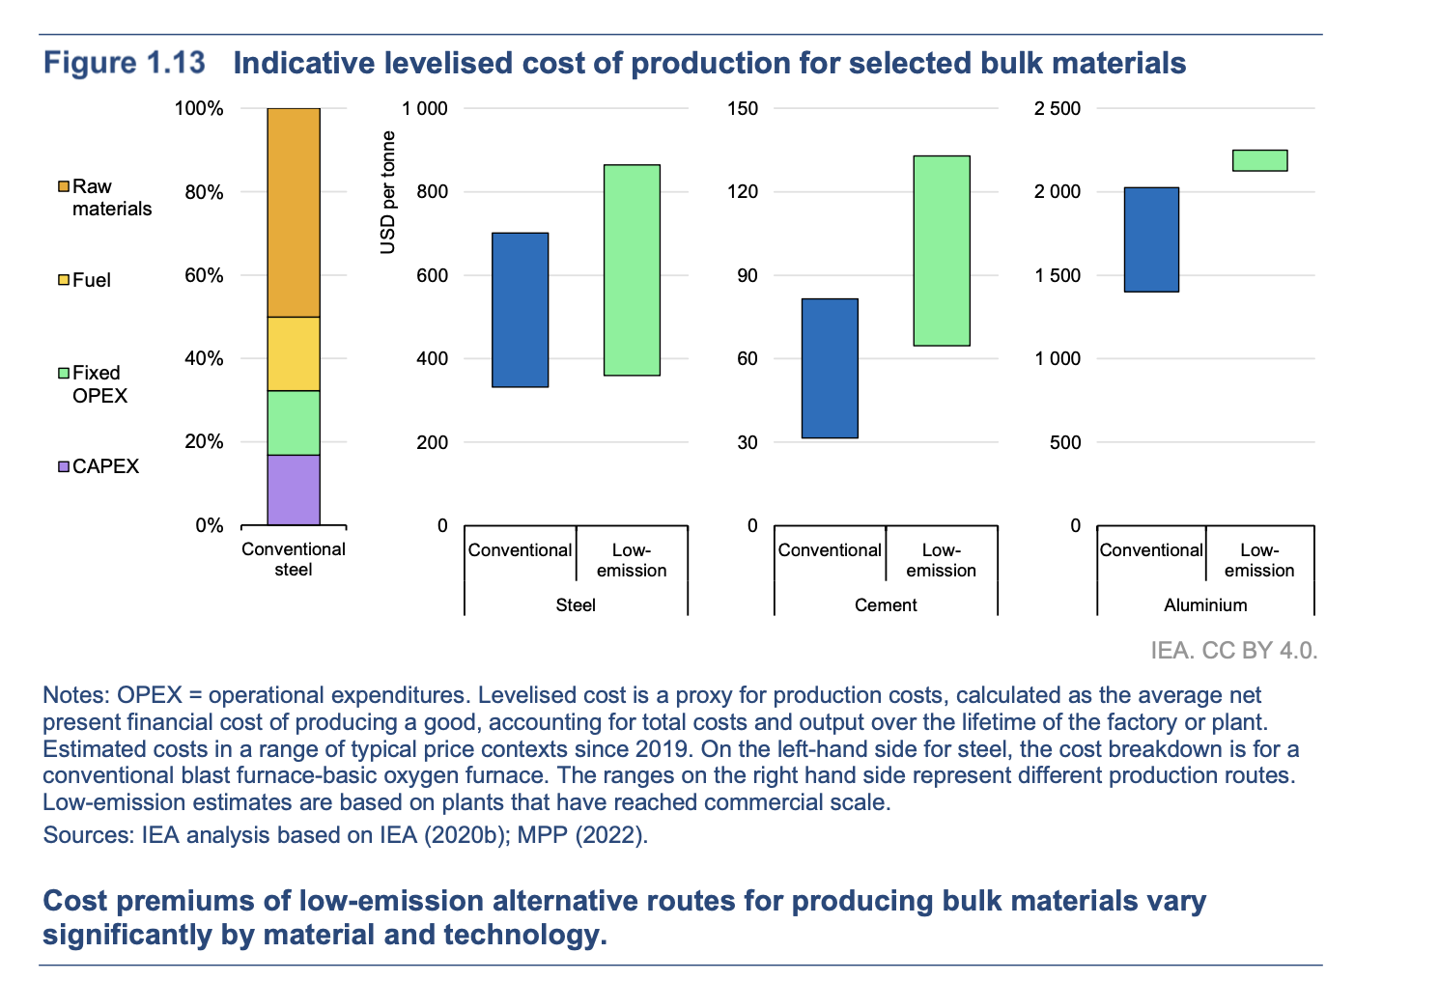
Aluminium |  |  |  |  |  |  |  |  | Copper |  |  |  |  |  |  |  |  |  |  | Raw Steel
Input | 4 |  | t | Bauxite | Source |  |  |  | Input |  |  |  | 1 | t | Copper Ore | Source |  |  |  | Input | 1.6 | t | Source
Output | 1 |  | t | Aluminium | USGS, 2023 |  |  |  | Output |  |  |  | 6 to 10 | kg | Copper | https://worldoceanreview.com/en/wor-3/mineral-resources/deposits-and-markets/how-much-metal-does-the-ore-contain/#:~:text=In%20most%20cases%20copper%20ores,to%2010%20kilograms%20of%20copper. |  |  | if data fro USGS is used 1 to 1 conversion factor as recoverable copper content in mining | Output | 1 | t | https://www.bhp.com/what-we-do/products/iron-ore#
Cost |  |  |  |  |  |  |  |  | Price |  |  |  | 8.2572 | €/kg | https://markets.businessinsider.com/commodities/copper-price |  |  |  |  | Price | 2777.88 | €/t | https://tradingeconomics.com/commodity/steel

Country | year |  | production | unit | source | Carbon Footprinz | unit | Source | Country |  |  |  | year | production | unit | source | Source carbon footprint |  |  | Country | year | production | unit | kt | source
Australia | 2022 |  | 20000 | kt | USGS 2023 | https://static1.squarespace.com/static/5877e86f9de4bb8bce72105c/t/624d11ab5a37a4341fd85a6e/1649217981897/Aluminum+benchmarking+report-+Feb2022+rev2.pdf |  |  | Australia |  |  |  | 2022 | 380 | kt | USGS 2023 |  |  |  | Australia |  |  |  | 5808 | USGS 2021
Austria | 2021 |  | 491 | kt | USGS 2021 |  |  |  | Austria |  |  |  | 2022 | 133 | kt | USGS, 2021 |  |  |  | Austria | 2021 | 7.884 | Mt | 7884 | USGs 2021
Brazil | 2022 |  | 11000 | kt | USGS 2023 | https://www3.weforum.org/docs/WEF_Decarbonizing_Brazil’s_Steel_Aluminium_and_Aviation_Sectors_2024.pdf |  |  | Brazil |  |  |  | 2021 | 133.5 | kt | USGS 2021 |  |  |  | Brazil | 2022 | 33 | Mt | 33000 | USGS 2023 | https://globalenergymonitor.org/report/forging-a-sustainable-future-brazils-opportunity-to-lead-in-steel-decarbonization/#:~:text=From%20an%20emissions%20perspective%2C%20if,tonne%20crude%20steel%20global%20average.
Canada | 2022 |  | 1300 | kt | USGS 2023 |  |  |  | Canada |  |  |  | 2022 | 310 | kt | USGS 2023 |  |  |  | China | 2022 | 990 | Mt | 990000 | USGS 2023 | https://www.sciencedirect.com/science/article/pii/S0921344916301458#:~:text=The%20results%20of%20our%20analysis,the%20U.S.%20One%20of%20the
China | 2022 |  | 76000 | kt | USGS 2023 | https://static1.squarespace.com/static/5877e86f9de4bb8bce72105c/t/624d11ab5a37a4341fd85a6e/1649217981897/Aluminum+benchmarking+report-+Feb2022+rev2.pdf |  |  | Chile |  |  |  | 2022 | 2100 | kt | USGS 2023 |  |  |  | Czechia | 2021 | 4.817 | Mt | 4817 | USGs 2021
czechia | 2021 |  | 60 | kt | USGS 2021 |  |  |  | China |  |  |  | 2022 | 11000 | kt | USGS 2023 | https://www.sciencedirect.com/science/article/pii/S0921344922001859#:~:text=According%20to%20our%20calculation%2C%20from,carbon%20emissions%20in%20those%20years. |  |  | europe | 2019 | 299.419 | Mt | 299419 | USGS,2019 | https://meg.resourcesregulator.nsw.gov.au/sites/default/files/2022-11/report-reduction-of-ghg-emissions-in-steel-industries.pdf
Europe | 2019 |  | 8589 | kt | USGS 2022 | https://static1.squarespace.com/static/5877e86f9de4bb8bce72105c/t/624d11ab5a37a4341fd85a6e/1649217981897/Aluminum+benchmarking+report-+Feb2022+rev2.pdf |  |  | Congo (Kinshasa) |  |  |  | 2022 | 1700 | kt | USGS 2023 |  |  |  | Germany | 2022 | 38 | Mt | 38000 | USGS 2023 | https://www.sciencedirect.com/science/article/pii/S0921344916301458#:~:text=The%20results%20of%20our%20analysis,the%20U.S.%20One%20of%20the
Germany | 2022 |  | 750 | kt | USGS 2023 |  |  |  | czechia |  |  |  |  | NA |  |  |  |  |  | India | 2022 | 130 | Mt | 130000 | USGS 2023
Guinea | 2022 |  | 440 | kt | USGS 2023 |  |  |  | Europe |  |  |  | 2019 | 3429 | kt | USGS, 2019 | ecoinvent |  |  | Iran | 2022 | 29 | Mt | 29000 | USGS 2023
India | 2022 |  | 7400 | kt | USGS 2023 |  |  |  | Germany |  |  |  | 2022 | 620 | kt | USGS 2023 |  |  |  | Italy | 2022 | 24 | Mt | 24000 | USGS 2023 | https://www.climate-transparency.org/wp-content/uploads/2019/11/B2G_2019_Italy.pdf
Indonesia | 2022 |  | 1100 | kt | USGS 2023 |  |  |  | Indonesia |  |  |  | 2022 | 300 | kt | USGS 2023 |  |  |  | italy | 2021 | 24.4 | Mt | 24400 | USGs 2021
Ireland | 2022 |  | 1800 | kt | USGS 2023 |  |  |  | italy |  |  |  | 2021 | 15.4 | kt | https://rmis.jrc.ec.europa.eu/rmp/Copper |  |  |  | Japan | 2022 | 97 | Mt | 97000 | USGS 2023
Italy | 2021 |  |  | kt | USGS 2021 |  |  |  | Japan |  |  |  | 2022 | 1600 | kt | USGS 2023 |  |  |  | Korea, Republic of | 2022 | 69 | Mt | 69000 | USGS 2023
Jamaica | 2022 |  | 480 | kt | USGS 2023 |  |  |  | Japan |  |  |  | 2021 | 1119 | kt | USGS 2021 | https://www.sciencedirect.com/science/article/pii/S2352550922003037 |  |  | Mexico | 2022 | 17 | Mt | 17000 | USGS 2023
Japan | 2021 |  | 30 | kt | USGS 2021 |  |  |  | Kazakhstan |  |  |  | 2022 | 510 | kt | USGS 2023 |  |  |  | Other countries | 2022 | 230 | Mt | 230000 | USGS 2023
Kazakhstan | 2022 |  | 1400 | kt | USGS 2023 |  |  |  | Korea, Republic of |  |  |  | 2022 | 660 | kt | USGS 2023 |  |  |  | Russia | 2022 | 71 | Mt | 71000 | USGS 2023
Russia | 2022 |  | 3100 | kt | USGS 2023 |  |  |  | Mexico |  |  |  | 2022 | 470 | kt | USGS 2023 |  |  |  | south korwa | 2021 | 70.556 | Mt | 70556 | USGS,2021 | https://netzerosteel.org/wp-content/uploads/factsheets/south_korea_summary_profile_netzerosteel_project.pdf
Saudi Arabia | 2022 |  | 2000 | kt | USGS 2023 |  |  |  | Peru |  |  |  | 2022 | 290 | kt | USGS 2023 |  |  |  | Taiwan | 2022 | 23 | Mt | 23000 | USGS 2023
Spain | 2022 |  | 1700 | kt | USGS 2023 |  |  |  | Poland |  |  |  | 2022 | 590 | kt | USGS 2023 |  |  |  | Turkey | 2022 | 39 | Mt | 39000 | USGS 2023
Ukraine | 2022 |  | 740 | kt | USGS 2023 |  |  |  | Russia |  |  |  | 2022 | 1100 | kt | USGS 2023 |  |  |  | Ukraine | 2022 | 19 | Mt | 19000 | USGS 2023
United Arab Emirates | 2022 |  | 2300 | kt | USGS 2023 |  |  |  | United States |  |  |  | 2022 | 1000 | kt | USGS 2023 |  |  |  | United States | 2022 | 82 | Mt | 82000 | USGS 2023 | https://www.sciencedirect.com/science/article/pii/S0921344916301458#:~:text=The%20results%20of%20our%20analysis,the%20U.S.%20One%20of%20the
United States | 2022 |  | 1200 | kt | USGS 2023 | https://static1.squarespace.com/static/5877e86f9de4bb8bce72105c/t/624d11ab5a37a4341fd85a6e/1649217981897/Aluminum+benchmarking+report-+Feb2022+rev2.pdf |  |  | Zambia |  |  |  | 2022 | 350 | kt | USGS 2023 |  |  |  | Vietnam | 2022 | 23 | Mt | 23000 | USGS 2023
Vietnam | 2022 |  | 1500 | kt | USGS 2023 |  |  |  | World |  |  |  | 2022 | 26000 | kt | USGS 2023 | ecoinvent |  |  | World total (rounded) | 2022 | 1900 | Mt | 1900000 | USGS 2023 | https://www.statista.com/statistics/1446826/steel-emissions-intensity-worldwide/
world | 2022 |  | 68400 | kt | USGS 2024 | https://www.enplusgroup.com/en/media/news/press/low-carbon-aluminium-a-key-ingredient-to-deliver-japan-s-green-growth-strategy/
south kora |  |  |  |  |  | https://enplusgroup.com/upload/iblock/5b8/Toward-Zero-Carbon-for-Korean-industry-_-ENG.pdf |  |  |  |  |  |  |  |  |  |  |  |  |  | https://www.google.com/url?sa=t&source=web&rct=j&opi=89978449&url=https://publications.jrc.ec.europa.eu/repository/bitstream/JRC129297/JRC129297_01.pdf&ved=2ahUKEwiesvq-6I2JAxWg2wIHHcChN1wQFnoECEEQAQ&usg=AOvVaw2fK4Q1YS9OcRGHpLWYkvm6

 |  |  |  |  |  |  |  |  |  |  |  |  |  |  |  |  |  |  |  | Node | OPEX av |  |  |  | Raw Steel |  | Carbon Footprint | CAGR historical | Auslastung at around 70% | https://one.oecd.org/document/DSTI/SC(2024)3/FINAL/en/pdf
Country | Aluminium | OPEX | Aluminium capacity | Carbon footprint | OPEX adjusted |  |  |  | Node | Copper | Carbon footprint t/t cu | OPEX data given | adjusted for missing nodes (30% labor, 30% energy) | Share labor | share energy |  |  |  |  | AUS | 495.6 |  |  | €/t | 6 | Mt | 1.91 | 0% |  |  | 0.0565753424658
Australia | 1500 | 1614.48 | 1700 | 11.5 |  | 0.18430136986 | k€/kt |  | AUS | 380 | 3.44 |  | 319.3 | 50% | 30% | 0.036455346787 |  |  |  | AUT | 495.6 |  | https://www.ewi.uni-koeln.de/cms/wp-content/uploads/2022/12/221209_EWI_H2-Steel_Low-carbon-steel.pdf | €/t | 8 | Mt | 1.15 | -4% |  |  | 0.0565753424658
Austria | 491 | 1714.44 |  | 5.6 |  | 0.19571232877 |  |  | AUT | 133 | 2.77 |  | 352.5 | 50% | 30% | 0.040234697421 |  |  |  | BRA | 423.36 | 2024 | https://transitionasia.org/green-steel-economics-brazil-factsheet/ | €/t | 33 | Mt | 1.55 | -5% |  |  | 0.0483287671233
Brazil | 811 | 1667.148 |  | 5.5 |  | 0.19031369863 |  |  | BRA | 133.5 | 3.44 |  | 175.5 | 30% | 30% | 0.020034258661 |  |  |  | CHN | 478.8 | 2022 | https://www.ewi.uni-koeln.de/cms/wp-content/uploads/2022/12/221209_EWI_H2-Steel_Low-carbon-steel.pdf | €/t | 990 | Mt | 1.7 | 2% |  |  | 0.0546575342466
China | 40000 | 1622.88 | 44000 | 12.75 |  | 0.18526027397 |  |  | CHN | 11000 | 1.98 | 203 | 167.5 | 30% | 30% | 0.019124803356 |  |  |  | CZE | 495.6 | 2022 | https://www.ewi.uni-koeln.de/cms/wp-content/uploads/2022/12/221209_EWI_H2-Steel_Low-carbon-steel.pdf | €/t | 5 | Mt | 1.15 | -4% |  |  | 0.0565753424658
Czech Republic | 60 | 1714.44 |  | 5.6 |  | 0.19571232877 |  |  | CZE | 0 | 2.77 | 324 | 246.1 | 30% | 30% | 0.02809525355 |  |  |  | DEU | 495.6 | 2022 | https://www.ewi.uni-koeln.de/cms/wp-content/uploads/2022/12/221209_EWI_H2-Steel_Low-carbon-steel.pdf | €/t | 38 | Mt | 1.708 | -4% |  |  | 0.0565753424658
Germany | 550 | 1714.44 | 750 | 5.6 |  | 0.19571232877 |  |  | DEU | 620 | 2.77 | 324 | 371.4 | 50% | 30% | 0.042401307589 |  |  |  | ITA | 495.6 | 2022 | https://www.ewi.uni-koeln.de/cms/wp-content/uploads/2022/12/221209_EWI_H2-Steel_Low-carbon-steel.pdf | €/t | 24 | Mt | 0.6 | -4% |  |  | 0.0565753424658
Italy | 0 | 1714.44 |  | 5.6 |  | 0.19571232877 |  |  | ITA | 15.4 | 2.77 | 324 | 348.4 | 50% | 30% | 0.039766937876 |  |  |  | JPN | 520.8 | 2022 | https://www.ewi.uni-koeln.de/cms/wp-content/uploads/2022/12/221209_EWI_H2-Steel_Low-carbon-steel.pdf | €/t | 97 | Mt | 1.65 | 2% |  |  | 0.0594520547945
Japan | 30 | 1614.48 |  | 12.6 |  | 0.18430136986 |  |  | JPN | 1119 | 0.92 |  | 247.2 | 50% | 30% | 0.028219138994 |  |  |  | KOR | 508.2 | 2024 | https://transitionasia.org/green-steel-economics-south-korea-factsheet/#:~:text=In%20South%20Korea%2C%20the%20analysis,BF%2DBOF%20cost%20of%20%24605. | €/t | 69 | Mt | 1.5 | 2% |  |  | 0.0580136986301
South Korea | 0 | 1614.48 |  | 11.4 |  | 0.18430136986 |  |  | KOR | 660 | 3.44 |  | 203.0 | 50% | 30% | 0.023169371867 |  |  |  | ROE | 495.6 | 2022 | https://www.ewi.uni-koeln.de/cms/wp-content/uploads/2022/12/221209_EWI_H2-Steel_Low-carbon-steel.pdf | €/t | 225 | Mt | 1.15 | -4% |  |  | 0.0565753424658
RoE | 7488 | 1714.44 |  | 5.6 |  | 0.19571232877 |  |  | ROE | 2676 | 2.77 | 324 | 263.8 | 30% | 30% | 0.030117815748 |  |  |  | ROW | 490.17818182 |  |  | €/t | 324 | Mt | 1.91 | 2% |  |  | 0.0559564134496
RoW | 16610 | 1667.148 | 28950 | 12.6 |  | 0.19031369863 |  |  | ROW | 8278.5 | 3.44 |  | 263.5 | 30% | 30% | 0.030079908676 |  |  |  | USA | 487.2 |  | https://www.ewi.uni-koeln.de/cms/wp-content/uploads/2022/12/221209_EWI_H2-Steel_Low-carbon-steel.pdf | €/t | 82 | Mt | 0.9 | 4% |  |  | 0.0556164383562
USA | 860 | 1632.96 | 1600 | 9.5 |  | 0.1864109589 |  |  | USA | 1000 | 3.44 |  | 300.3 | 50% | 30% | 0.034280574828
 |  |  |  |  |  |  |  |  |  |  |  |  |  |  |  |  |  |  |  | Year | AUS | AUT | BRA | CHN | CZE | DEU | ITA | JPN | KOR | ROE | ROW | USA
 |  |  |  |  |  |  |  |  | Country | CAPEX |  | unit | Source | OPEX | unit | Source | Supply 2050 |  |  | 2022 | 5.808 | 7.884 | 33 | 990 | 4.817 | 38 | 24 | 97 | 69 | 224.718 | 323.773 | 82
 |  |  |  |  |  |  |  |  | Europe Copper | 5000 |  | Eur/t | https://internationalcopper.org/wp-content/uploads/2023/03/Copper_The-Pathway-to-Net-Zero_Focus-on-Europe_final.pdf |  |  |  |  |  |  | 2023 | 5.81 | 7.58 | 31.32 | 1006.83 | 4.63 | 36.52 | 23.06 | 99.04 | 70.45 | 215.95 | 331.22 | 84.87
 |  |  |  |  |  |  |  |  | LatAm Copper | 5000 |  | Eur/t | https://internationalcopper.org/wp-content/uploads/2023/04/20230419-Pathway-to-Net-Zero-LatAm-ENGLISH.pdf |  |  |  | 4.23 | Mio. t Cu |  | 2024 | 5.81 | 7.28 | 29.72 | 1023.95 | 4.45 | 35.09 | 22.16 | 101.12 | 71.93 | 207.53 | 338.84 | 87.84
 |  |  |  |  |  |  |  |  | Global Copper investemnt | 28.5 |  | Bio USD | Technology perpsective, 2023 | needed investemnt for NZE scenario until 2030 |  |  |  |  |  | 2025 | 5.81 | 7.00 | 28.20 | 1041.35 | 4.28 | 33.73 | 21.30 | 103.24 | 73.44 | 199.44 | 346.63 | 90.91
 |  |  |  |  |  |  |  |  | Global nickel investment | 82.5 |  | Bio USD | Technology perpsective, 2024 | needed investemnt for NZE scenario until 2031 |  |  |  |  |  | 2026 | 5.81 | 6.72 | 26.77 | 1059.06 | 4.11 | 32.41 | 20.47 | 105.41 | 74.98 | 191.66 | 354.60 | 94.10
 |  |  |  |  |  |  |  |  | Anticipated investemnt | 70 - 160 |  | Bio USD | Technology perpsective, 2025 |  |  |  |  |  |  | 2027 | 5.81 | 6.46 | 25.40 | 1077.06 | 3.95 | 31.15 | 19.67 | 107.62 | 76.56 | 184.19 | 362.76 | 97.39
 |  |  |  |  |  |  |  |  | pf which is in China | 80.5 |  | Bio USD | Technology perpsective, 2026 |  |  |  |  |  |  | 2028 | 5.81 | 6.21 | 24.11 | 1095.37 | 3.79 | 29.93 | 18.90 | 109.88 | 78.16 | 177.00 | 371.10 | 100.80
 |  |  |  |  |  |  |  |  |  |  |  |  |  |  |  |  |  |  |  | 2029 | 5.81 | 5.97 | 22.88 | 1113.99 | 3.65 | 28.76 | 18.17 | 112.19 | 79.80 | 170.10 | 379.64 | 104.33
 |  |  |  |  |  |  |  |  |  |  |  |  |  |  |  |  |  |  |  | 2030 | 5.81 | 5.74 | 21.71 | 1132.93 | 3.50 | 27.64 | 17.46 | 114.55 | 81.48 | 163.47 | 388.37 | 107.98
 |  |  |  |  |  |  |  |  |  |  |  |  |  |  |  |  |  |  |  | 2031 | 5.81 | 5.51 | 20.60 | 1152.19 | 3.37 | 26.56 | 16.78 | 116.95 | 83.19 | 157.09 | 397.30 | 111.76
 |  |  |  |  |  |  |  |  |  |  |  |  |  |  |  |  |  |  |  | 2032 | 5.81 | 5.30 | 19.55 | 1171.78 | 3.24 | 25.53 | 16.12 | 119.41 | 84.94 | 150.96 | 406.44 | 115.67
 |  |  |  |  |  |  |  |  |  |  |  |  |  |  |  |  |  |  |  | 2033 | 5.81 | 5.09 | 18.55 | 1191.70 | 3.11 | 24.53 | 15.49 | 121.91 | 86.72 | 145.08 | 415.79 | 119.72
 |  |  |  |  |  |  |  |  |  |  |  |  |  |  |  |  |  |  |  | 2034 | 5.81 | 4.89 | 17.61 | 1211.96 | 2.99 | 23.58 | 14.89 | 124.47 | 88.54 | 139.42 | 425.35 | 123.91
 |  |  |  |  |  |  |  |  |  |  |  |  |  |  |  |  |  |  |  | 2035 | 5.81 | 4.70 | 16.71 | 1232.56 | 2.87 | 22.66 | 14.31 | 127.09 | 90.40 | 133.98 | 435.13 | 128.24

 | CAPEX | unit | OPEX |  | unit
Aluminium | 5800 | USD / tyr | 1500 |  | USD/t | https://documents1.worldbank.org/curated/en/099222003082337952/pdf/P1740030ce87ae0650ad6c0f93f0b5f9c91.pdf
 | 4872 | €/(t/yr) | 1260 |  | €/t | Electricity costs are a key part of OPEX – e.g., approx. 30% of costs of Chinese production (S&P Global, 2021)
Steel | 100 | €/(t/yr) | 415 |  | €/t | https://www.sciencedirect.com/science/article/pii/S0959652618335224
Copper |  |  | 0.4 | €/kg |  | https://www.teck.com/media/CESL-Publication-Copper-On-Site-vs-Cu-Con-Sales-Alta-2005.pdf
EU |  |  | 324 | €/t Cu |  | https://www.sciencedirect.com/science/article/pii/S0301420716300824
china |  |  | 203 | €/t Cu
Average |  |  | 263.5
Prices per material |  |  |  |  |  | per kg
Copper | 16.7 | USD/kW | Enel 2023 | 14.028 | Euro/kW |  | €/kt
Nickel | 6.8 | USD/kW | Enel 2024 | 5.712 | Euro/kW
Steel | 4.1 | USD/kW | Enel 2025 | 3.444 | Euro/kW
Aluminium | 2.2 | USD/kW | Enel 2026 | 1.848 | Euro/kW | 2351 | k€/kt | https://markets.businessinsider.com/commodities/aluminum-price/euro

converion factor USD in Euro | 0.84 | EURO/USD | Source: IEA 2023 energy technology perspectives

