Test1_experiment1
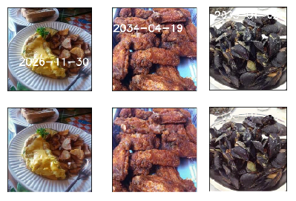
Denoising Autoencoder

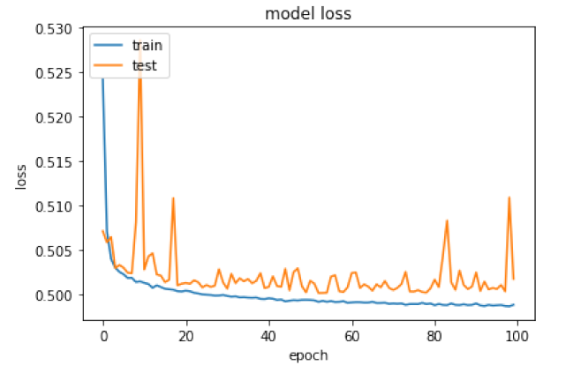
 | Information about this Test

 | PSNR=77.7
 | Trained for 100 epochs
 | Binary Cross Entropy Optimization function
 | Overcomplete Network Architecture

 | Visual Samples

Test2_experiment1
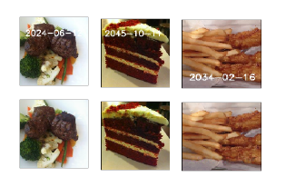
Denoising Autoencoder

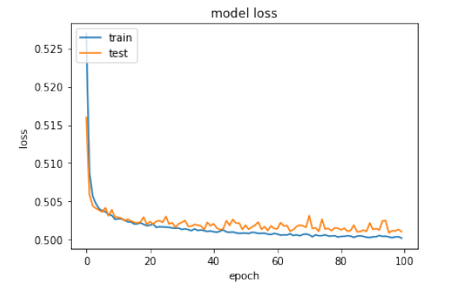
 | Information about this Test
 | PSNR = 78.9
 | Trained for 100 epochs
 | Binary Cross Entropy Optimization function
 | Overcomplete Network Architecture

 | Visual Samples

Test3_experiment1
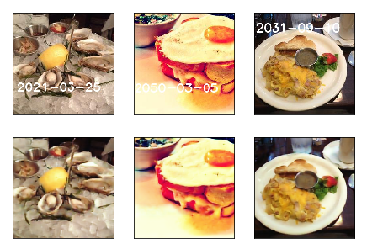
Denoising Autoencoder

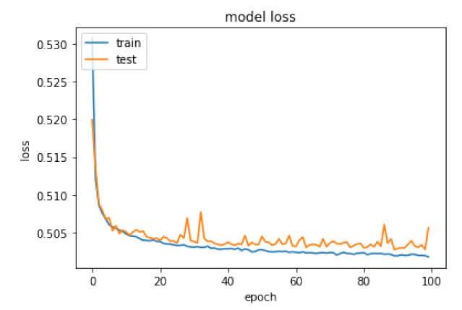
 | Information about this Test
 | PSNR = 75.1
 | Trained for 100 epochs
 | Binary Cross Entropy Optimization function
 | Undercomplete Network Architecture

 | Visual Samples

Text4_experiment1
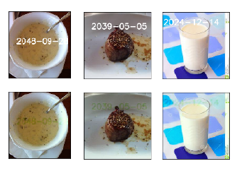
Denoising Autoencoder

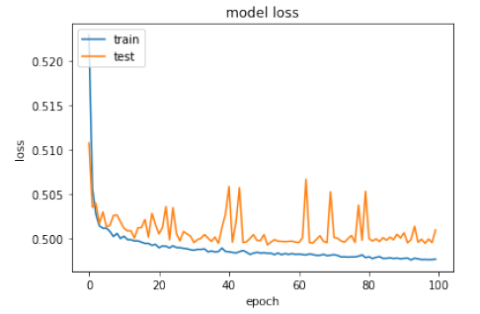
 | Information about this Test
 | PSNR = 78.8
 | Trained for 100 epochs
 | Binary Cross Entropy Optimization Function
 | Overcomplete Network Architecture

 | Visual Samples

Test5_experiment1
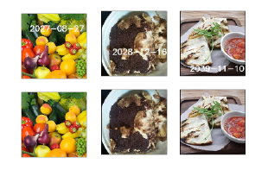
Denoising Autoencoder

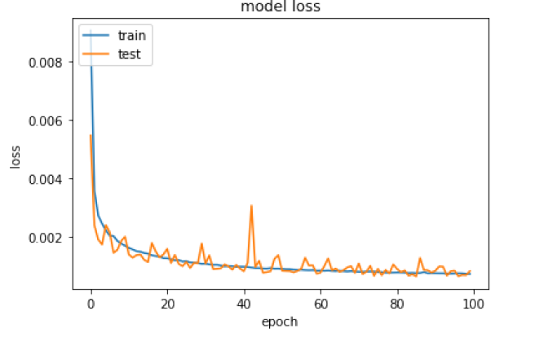
 | Information about this Test
 | PSNR = 79.6
 | Trained for 100 epochs
 | Mean Squared Error Optimization Function
 | Overcomplete Network Architecture

 | Visual Samples

Test6_experiment1
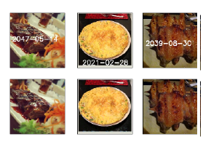
Denoising Autoencoder

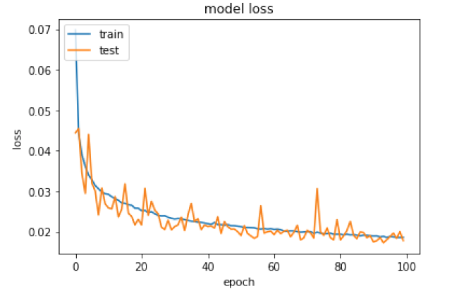
 | Information about this Test
 | PSNR = 79.7
 | Trained for 100 epochs
 | Mean Absolute Error Optimization Function
 | Overcomplete Network Architecture

 | Visual Samples

Experiment_2
 |  | DCGAN with date stamp

Epoch | Generator Loss |  | Epoch | Discriminator Loss
1 | 0.38049883619 |  | 1 | 0.42148039
2 | 1.2292810673 |  | 2 | 0.4155995
Generator loss with each epoch
3 | 0.52335018196 |  | 3 | 0.3924855
4 | 1.1574295674 |  | 4 | 0.43563044
5 | 1.5287793651 |  | 5 | 0.45902255
6 | 0.97763080526 |  | 6 | 0.41304892
7 | 0.88663768878 |  | 7 | 0.38768604
8 | 0.85778726387 |  | 8 | 0.36251664
9 | 1.2505801265 |  | 9 | 0.41085532
10 | 1.1735712388 |  | 10 | 0.39129677
11 | 1.0509099309 |  | 11 | 0.38653687
12 | 0.91373435101 |  | 12 | 0.38506678
13 | 0.74642772879 |  | 13 | 0.38211769
14 | 1.2286341781 |  | 14 | 0.39359552
15 | 1.3852926161 |  | 15 | 0.41517881
16 | 1.2459847873 |  | 16 | 0.41884255
17 | 1.4317697996 |  | 17 | 0.40567338
Discriminator loss with each epoch
18 | 1.0163888172 |  | 18 | 0.39242056
19 | 1.2422187039 |  | 19 | 0.39460814
20 | 0.87026926524 |  | 20 | 0.39312157
21 | 1.4779906754 |  | 21 | 0.39704937
22 | 1.8142118923 |  | 22 | 0.48104194
23 | 1.5412249173 |  | 23 | 0.38836578
24 | 1.0946721352 |  | 24 | 0.37972018
25 | 0.93630989244 |  | 25 | 0.35212013
26 | 1.0219540429 |  | 26 | 0.36838242
27 | 0.94254636298 |  | 27 | 0.35932118
28 | 1.3103005538 |  | 28 | 0.36074436
29 | 1.2971357842 |  | 29 | 0.3437598
30 | 2.0734958689 |  | 30 | 0.37132165
31 | 1.6311747836 |  | 31 | 0.35047951
32 | 1.2379341318 |  | 32 | 0.33898023
33 | 1.0758253191 |  | 33 | 0.35117146
34 | 1.0810789494 |  | 34 | 0.32546377
35 | 1.7046740236 |  | 35 | 0.35152212
36 | 1.6960085105 |  | 36 | 0.3423574
37 | 1.3172272166 |  | 37 | 0.33048248
38 | 1.7082489794 |  | 38 | 0.34302473
39 | 1.5435037128 |  | 39 | 0.34273383
40 | 1.9624509025 |  | 40 | 0.34244594
41 | 1.4632986005 |  | 41 | 0.33833638
42 | 1.0819084385 |  | 42 | 0.32254931
43 | 0.99839289351 |  | 43 | 0.34855399
44 | 1.9547626905 |  | 44 | 0.3548159
45 | 1.7430461279 |  | 45 | 0.32909733
46 | 1.8292473664 |  | 46 | 0.34395128
47 | 1.9024128607 |  | 47 | 0.32570055
48 | 1.7194153084 |  | 48 | 0.33368236
49 | 2.0710762775 |  | 49 | 0.31394318
50 | 2.2799106419 |  | 50 | 0.31806305
51 | 2.10907869 |  | 51 | 0.34471837
52 | 1.8926156422 |  | 52 | 0.33995843
53 | 2.1420505434 |  | 53 | 0.33373082
54 | 1.936678814 |  | 54 | 0.32943889
55 | 2.0097908901 |  | 55 | 0.3405664
56 | 1.9875186414 |  | 56 | 0.34402788
57 | 2.0544546677 |  | 57 | 0.33127138
58 | 1.8421201839 |  | 58 | 0.31293866
59 | 1.6822663596 |  | 59 | 0.33081225
60 | 1.570660853 |  | 60 | 0.32917732
61 | 1.7386001641 |  | 61 | 0.32444414
62 | 2.5722674159 |  | 62 | 0.33050126
63 | 1.1876354598 |  | 63 | 0.31876978
64 | 1.6097601482 |  | 64 | 0.34339517
65 | 1.8742304937 |  | 65 | 0.32446998
66 | 1.7810182395 |  | 66 | 0.33264557
67 | 2.3317573522 |  | 67 | 0.32298842
68 | 1.7356117287 |  | 68 | 0.31870276
69 | 2.1558872436 |  | 69 | 0.31790692
70 | 1.7230139339 |  | 70 | 0.33739275
71 | 1.8280306282 |  | 71 | 0.31890067
72 | 2.207716475 |  | 72 | 0.31783617
73 | 2.0339389104 |  | 73 | 0.3218047
74 | 2.0087941921 |  | 74 | 0.32575721
75 | 2.2398562668 |  | 75 | 0.32432503
76 | 2.2038235113 |  | 76 | 0.31671712
77 | 2.3332578033 |  | 77 | 0.32017711
78 | 2.2706434835 |  | 78 | 0.319989
79 | 2.3039179546 |  | 79 | 0.31557417
80 | 2.05241366 |  | 80 | 0.31829205
81 | 1.9171960889 |  | 81 | 0.33019692
82 | 2.0015786531 |  | 82 | 0.32318929
83 | 1.6586913602 |  | 83 | 0.30906442
84 | 2.2197960314 |  | 84 | 0.31959829
85 | 1.7010195059 |  | 85 | 0.31555218
86 | 2.2383984467 |  | 86 | 0.31307399
87 | 2.0977308296 |  | 87 | 0.3136462
88 | 1.9150434877 |  | 88 | 0.32450891
89 | 2.1872279599 |  | 89 | 0.31197682
90 | 2.1014087426 |  | 90 | 0.30792314
91 | 2.1097346145 |  | 91 | 0.31553599
92 | 2.0840797906 |  | 92 | 0.32183644
93 | 2.3983679213 |  | 93 | 0.32347199
94 | 2.2015090223 |  | 94 | 0.32392377
95 | 2.120156578 |  | 95 | 0.32540801
96 | 1.7859873943 |  | 96 | 0.32054725
97 | 2.3329651517 |  | 97 | 0.32051682
98 | 2.2357419339 |  | 98 | 0.3379792
99 | 2.2236307904 |  | 99 | 0.30316609
100 | 2.027589284 |  | 100 | 0.31455198
 |  |  |  | ​

Experiment_3
 |  | DCGAN without date stamp

Generator loss with each epoch
Epoch | Generator Loss |  | Epoch | Discriminator Loss
1 | 0.52586249908 |  | 1 | 0.43041942
2 | 1.2997802393 |  | 2 | 0.42826158
3 | 1.6020371467 |  | 3 | 0.40167657
4 | 0.70141500172 |  | 4 | 0.40098354
5 | 1.2410452936 |  | 5 | 0.41872573
6 | 1.3857763735 |  | 6 | 0.43226552
7 | 0.95430257927 |  | 7 | 0.41064486
8 | 0.80048279306 |  | 8 | 0.43091196
9 | 1.6267818738 |  | 9 | 0.41739348
10 | 1.6842035722 |  | 10 | 0.47053948
11 | 1.2940493525 |  | 11 | 0.47320813
12 | 1.270917201 |  | 12 | 0.47382465
13 | 1.072763605 |  | 13 | 0.49071467
14 | 1.515434292 |  | 14 | 0.49787191
15 | 1.0921016836 |  | 15 | 0.43472129
Discriminator loss with each epoch
16 | 1.2034164759 |  | 16 | 0.46210515
17 | 0.82614841424 |  | 17 | 0.4167428
18 | 0.76441288207 |  | 18 | 0.40642944
19 | 0.870614452 |  | 19 | 0.41253608
20 | 1.1005455469 |  | 20 | 0.39497176
21 | 0.64981119495 |  | 21 | 0.39725178
22 | 0.792610465 |  | 22 | 0.39133868
23 | 0.8325903642 |  | 23 | 0.37559548
24 | 0.90382497269 |  | 24 | 0.39507416
25 | 1.1944774938 |  | 25 | 0.41224924
26 | 0.99387347577 |  | 26 | 0.41448012
27 | 1.2892506614 |  | 27 | 0.37169158
28 | 0.8770181458 |  | 28 | 0.43030712
29 | 0.75760129082 |  | 29 | 0.4129535
30 | 1.4556169238 |  | 30 | 0.41249552
31 | 0.79389242053 |  | 31 | 0.41431701
32 | 0.6425458605 |  | 32 | 0.35224491
33 | 0.66412921946 |  | 33 | 0.34836295
34 | 0.96513685689 |  | 34 | 0.39245746
35 | 0.89203218237 |  | 35 | 0.37803063
36 | 0.80188754276 |  | 36 | 0.37047619
37 | 1.2148844308 |  | 37 | 0.38648385
38 | 1.023814688 |  | 38 | 0.40632251
39 | 1.0600325158 |  | 39 | 0.41306379
40 | 0.75532730603 |  | 40 | 0.3751263
41 | 1.076472433 |  | 41 | 0.36903259
42 | 0.9975966282 |  | 42 | 0.39325354
43 | 0.86866219634 |  | 43 | 0.40045476
44 | 0.69897721722 |  | 44 | 0.38808882
45 | 0.7224563379 |  | 45 | 0.36857307
46 | 0.64060628313 |  | 46 | 0.3628518
47 | 0.73634137394 |  | 47 | 0.37720478
48 | 0.70377905233 |  | 48 | 0.37660995
49 | 1.0890675629 |  | 49 | 0.39497262
50 | 0.95388933578 |  | 50 | 0.38985741
51 | 1.0584250028 |  | 51 | 0.40015689
52 | 0.79327606786 |  | 52 | 0.39438504
53 | 1.0850876976 |  | 53 | 0.38725388
54 | 1.5651608208 |  | 54 | 0.37667435
55 | 1.225785364 |  | 55 | 0.39708513
56 | 1.3521795674 |  | 56 | 0.38853252
57 | 1.0968561592 |  | 57 | 0.37059152
58 | 1.4422643956 |  | 58 | 0.39847887
59 | 1.3271018636 |  | 59 | 0.3862465
60 | 1.2334178969 |  | 60 | 0.41462526
61 | 1.5719105328 |  | 61 | 0.38513127
62 | 1.07896518 |  | 62 | 0.37299195
63 | 0.86233604024 |  | 63 | 0.37915596
64 | 1.0194938827 |  | 64 | 0.39220896
65 | 1.5592890451 |  | 65 | 0.41262078
66 | 1.1894377484 |  | 66 | 0.40586382
67 | 1.1854054826 |  | 67 | 0.43602201
68 | 1.1876727705 |  | 68 | 0.39765787
69 | 1.3321522659 |  | 69 | 0.41225654
70 | 1.0939153796 |  | 70 | 0.4132762
71 | 1.1393489701 |  | 71 | 0.40579662
72 | 1.0302848908 |  | 72 | 0.41260886
73 | 0.89920509363 |  | 73 | 0.43102264
74 | 1.2082435647 |  | 74 | 0.41284785
75 | 1.0872048564 |  | 75 | 0.43624529
76 | 1.0182518162 |  | 76 | 0.41662592
77 | 1.1699926972 |  | 77 | 0.45208526
78 | 1.4337007293 |  | 78 | 0.46266672
79 | 1.5442604796 |  | 79 | 0.48162594
80 | 1.4272181477 |  | 80 | 0.46379602
81 | 1.3193294594 |  | 81 | 0.46519357
82 | 1.1441268307 |  | 82 | 0.43070906
83 | 1.2762985526 |  | 83 | 0.50644422
84 | 1.2448896849 |  | 84 | 0.47146237
85 | 1.3959037035 |  | 85 | 0.47915924
86 | 1.7878361985 |  | 86 | 0.49100861
87 | 1.2722190598 |  | 87 | 0.50430417
88 | 1.5785632033 |  | 88 | 0.52483052
89 | 1.4173476033 |  | 89 | 0.50135851
90 | 1.426925355 |  | 90 | 0.44799989
91 | 1.469798573 |  | 91 | 0.46608284
92 | 1.3614145999 |  | 92 | 0.45532355
93 | 1.2642956858 |  | 93 | 0.45875475
94 | 1.5081079786 |  | 94 | 0.46258131
95 | 1.4645763892 |  | 95 | 0.46952981
96 | 1.39159866 |  | 96 | 0.46489257
97 | 1.4676294813 |  | 97 | 0.45550463
98 | 1.5342326313 |  | 98 | 0.45805839
99 | 1.5487463498 |  | 99 | 0.46900833
100 | 1.7172682408 |  | 100 | 0.45601478

Experiment_4
 |  | DAE - Discriminator
Epoch | Generator Loss |  | Epoch | Discriminator loss
1 | 0.51334307544 |  | 1 | 0.42879894
Discriminator loss with each epoch
1 | 0.42879894
2 | 0.34469938
3 | 0.31041962
4 | 0.26307529
5 | 0.26593265
6 | 0.2398899
7 | 0.2415535
8 | 0.23142064
9 | 0.25507757
10 | 0.22871637
11 | 0.22803327
12 | 0.26206866
13 | 0.30059856
14 | 0.24747874
15 | 0.24072154
16 | 0.24505618
17 | 0.25328681
18 | 0.35973978
19 | 0.44773406
20 | 0.35180616
21 | 0.31773928
22 | 0.28292519
23 | 0.22085242
24 | 0.26924676
25 | 0.27297884
26 | 0.34202507
27 | 0.25524482
28 | 0.22156787
29 | 0.21842249
30 | 0.27929384
31 | 0.26373148
32 | 0.27820522
33 | 0.31926888
34 | 0.23359071
35 | 0.28731364
36 | 0.39190972
37 | 0.26222774
38 | 0.21417743
39 | 0.23557195
40 | 0.24527957
41 | 0.27786112
42 | 0.23987457
43 | 0.22842565
44 | 0.21201104
45 | 0.2561087
46 | 0.23478708
47 | 0.24376738
48 | 0.34567949
49 | 0.27143267
50 | 0.224233
...
2 | 0.43721341606 |  | 2 | 0.34469938
3 | 0.33959441029 |  | 3 | 0.31041962
4 | 0.19294916029 |  | 4 | 0.26307529
5 | 0.13270095814 |  | 5 | 0.26593265
6 | 0.20848334324 |  | 6 | 0.2398899
7 | 0.10153184003 |  | 7 | 0.2415535
8 | 0.098967094003 |  | 8 | 0.23142064
9 | 0.14321262879 |  | 9 | 0.25507757
10 | 0.14195794362 |  | 10 | 0.22871637
11 | 0.17562895411 |  | 11 | 0.22803327
12 | 0.13255580775 |  | 12 | 0.26206866
13 | 0.28908990788 |  | 13 | 0.30059856
14 | 0.31613125324 |  | 14 | 0.24747874
15 | 0.25519983263 |  | 15 | 0.24072154
16 | 0.2103783874 |  | 16 | 0.24505618
17 | 0.36281690904 |  | 17 | 0.25328681
18 | 0.3748912802 |  | 18 | 0.35973978
DAE loss with each epoch
1 | 0.51334307544
2 | 0.43721341606
3 | 0.33959441029
4 | 0.19294916029
5 | 0.13270095814
6 | 0.20848334324
7 | 0.10153184003
8 | 0.098967094003
9 | 0.14321262879
10 | 0.14195794362
11 | 0.17562895411
12 | 0.13255580775
13 | 0.28908990788
14 | 0.31613125324
15 | 0.25519983263
16 | 0.2103783874
17 | 0.36281690904
18 | 0.3748912802
19 | 0.36495346715
20 | 0.46191630383
21 | 0.29183052959
22 | 0.62385233795
23 | 1.2143810563
24 | 0.41288482164
25 | 0.29514122388
26 | 0.25516971925
27 | 0.57385751295
28 | 0.85799702488
29 | 1.6204922297
30 | 0.27671121185
31 | 0.2176932176
32 | 0.25266571955
33 | 0.24823671068
34 | 0.83187990288
35 | 0.40070973711
36 | 0.22296610356
37 | 0.25891538644
38 | 2.2535161081
39 | 0.88246333365
40 | 0.65590056541
41 | 0.55790462054
42 | 0.3403989002
43 | 0.55883387695
44 | 1.6444277594
45 | 0.45126394384
46 | 0.66996058307
47 | 0.7716593948
48 | 0.39687861733
49 | 0.75694323387
50 | 1.2906589941
...
19 | 0.36495346715 |  | 19 | 0.44773406
20 | 0.46191630383 |  | 20 | 0.35180616
21 | 0.29183052959 |  | 21 | 0.31773928
22 | 0.62385233795 |  | 22 | 0.28292519
23 | 1.2143810563 |  | 23 | 0.22085242
24 | 0.41288482164 |  | 24 | 0.26924676
25 | 0.29514122388 |  | 25 | 0.27297884
26 | 0.25516971925 |  | 26 | 0.34202507
27 | 0.57385751295 |  | 27 | 0.25524482
28 | 0.85799702488 |  | 28 | 0.22156787
29 | 1.6204922297 |  | 29 | 0.21842249
30 | 0.27671121185 |  | 30 | 0.27929384
31 | 0.2176932176 |  | 31 | 0.26373148
32 | 0.25266571955 |  | 32 | 0.27820522
33 | 0.24823671068 |  | 33 | 0.31926888
34 | 0.83187990288 |  | 34 | 0.23359071
35 | 0.40070973711 |  | 35 | 0.28731364
36 | 0.22296610356 |  | 36 | 0.39190972
37 | 0.25891538644 |  | 37 | 0.26222774
38 | 2.2535161081 |  | 38 | 0.21417743
39 | 0.88246333365 |  | 39 | 0.23557195
40 | 0.65590056541 |  | 40 | 0.24527957
41 | 0.55790462054 |  | 41 | 0.27786112
42 | 0.3403989002 |  | 42 | 0.23987457
43 | 0.55883387695 |  | 43 | 0.22842565
44 | 1.6444277594 |  | 44 | 0.21201104
45 | 0.45126394384 |  | 45 | 0.2561087
46 | 0.66996058307 |  | 46 | 0.23478708
47 | 0.7716593948 |  | 47 | 0.24376738
48 | 0.39687861733 |  | 48 | 0.34567949
49 | 0.75694323387 |  | 49 | 0.27143267
50 | 1.2906589941 |  | 50 | 0.224233
51 | 0.94191550374 |  | 51 | 0.22655573
52 | 0.81316862083 |  | 52 | 0.25096029
53 | 0.56091358679 |  | 53 | 0.29687527
54 | 0.47302337713 |  | 54 | 0.30632067
55 | 0.44184924841 |  | 55 | 0.31608832
56 | 1.069367127 |  | 56 | 0.22508766
57 | 0.93586440995 |  | 57 | 0.22886749
58 | 1.9825670957 |  | 58 | 0.20874456
59 | 1.8849877102 |  | 59 | 0.20708045
60 | 1.4705269766 |  | 60 | 0.22016801
61 | 0.65191902599 |  | 61 | 0.24766865
62 | 0.82686408971 |  | 62 | 0.26556107
63 | 0.79046721459 |  | 63 | 0.22431108
64 | 1.3163959452 |  | 64 | 0.21204452
65 | 2.0621110707 |  | 65 | 0.20419976
66 | 0.81975095727 |  | 66 | 0.22192153
67 | 0.95245929544 |  | 67 | 0.23348126
68 | 0.86418394042 |  | 68 | 0.24614419
69 | 0.84476674727 |  | 69 | 0.25296912
70 | 0.53235385031 |  | 70 | 0.27080342
71 | 0.55123004322 |  | 71 | 0.32438073
72 | 0.32219082024 |  | 72 | 0.30997184
73 | 0.32567640634 |  | 73 | 0.28521916
74 | 0.39366999211 |  | 74 | 0.32022682
75 | 0.51939937509 |  | 75 | 0.25873628
76 | 0.66352821056 |  | 76 | 0.2361522
77 | 0.8232886403 |  | 77 | 0.22809531
78 | 1.7170099345 |  | 78 | 0.20801847
79 | 1.0834440504 |  | 79 | 0.24374112
80 | 1.190480569 |  | 80 | 0.31337693
81 | 0.58128054282 |  | 81 | 0.25973761
82 | 0.60167249497 |  | 82 | 0.29141802
83 | 0.56365374986 |  | 83 | 0.26536497
84 | 0.55063481759 |  | 84 | 0.26162699
85 | 0.42795485771 |  | 85 | 0.29482782
86 | 0.43292701851 |  | 86 | 0.2860975
87 | 0.60470005107 |  | 87 | 0.25218904
88 | 0.80750962794 |  | 88 | 0.28571796
89 | 1.5544365589 |  | 89 | 0.21926942
90 | 0.58342227848 |  | 90 | 0.23940787
91 | 0.8148908138 |  | 91 | 0.25548139
92 | 0.50756663389 |  | 92 | 0.27148166
93 | 0.56303637219 |  | 93 | 0.30146864
94 | 0.53184575728 |  | 94 | 0.28450677
95 | 0.56299132657 |  | 95 | 0.31092608
96 | 0.59671813071 |  | 96 | 0.27291843
97 | 0.37047133685 |  | 97 | 0.26549029
98 | 0.66403860913 |  | 98 | 0.26491079
99 | 0.73929466923 |  | 99 | 0.23421745
100 | 0.79775422774 |  | 100 | 0.22688749

