Inicio
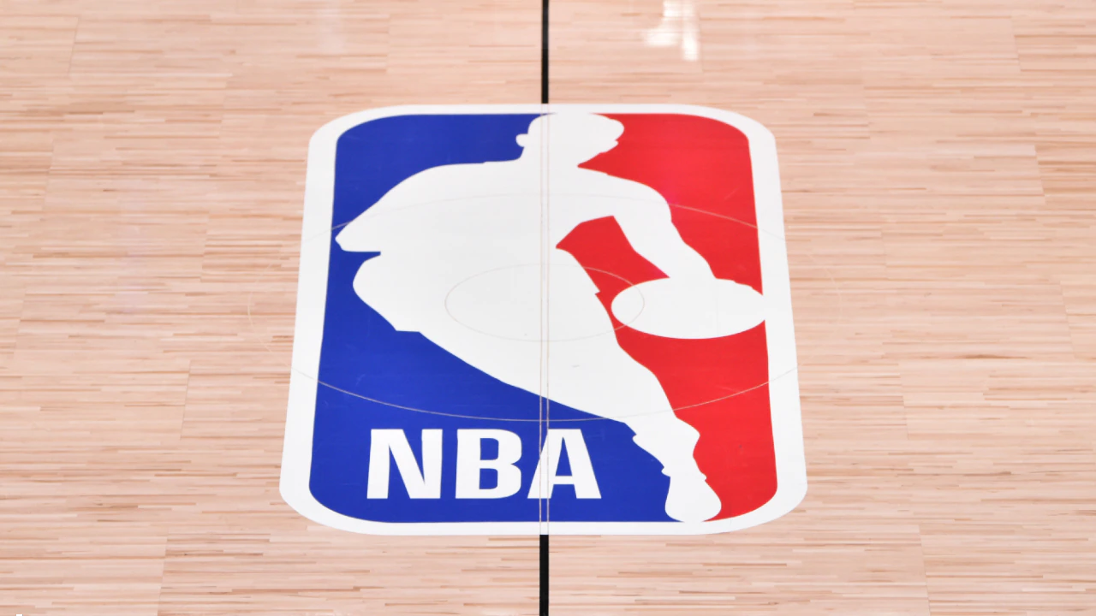
Equipos
Conferencias

Jugadores
Universidades

País
Historial

