Hoja 1
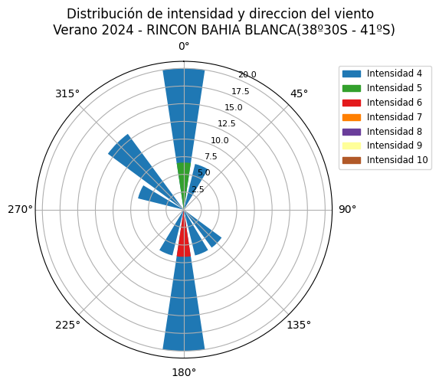
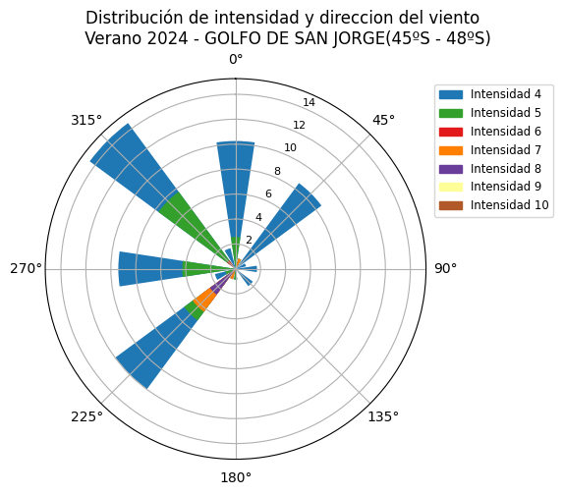
Cantidad en bruto | 615 |  |  | Embarcación que mas reporto: |  |  | N°Reportes
Cantidad >= 4 Beaufort | 270 |  |  | SAN ARAWA II |  | 2098 | 34
ZONA | Cantidad de reportes con viento mayor o igual a 4 Beaufort | Cantidad de reportes con viento mayor o igual a 4 Beaufort e igual dirección que el pronóstico | Subestimación por 1 o más | Misma Intensidad | Sobrestimación por 1 | Sobrestimación por 2 | Sobrestimación por 3 | ZONA | Aciertos
RIO DE LA PLATA | 0.0 | 0.0 | 0.0 | #DIV/0! | #DIV/0! | #DIV/0! | #DIV/0! | Río de la plata | #DIV/0!
COSTA MAR DEL PLATA(36º17S - 38º30S) | 6.0 | 3.0 | 50.0 | 0.0 | 0.0 | 0.0 | 0.0 | Mar del Plata | 0.0
RINCON BAHIA BLANCA(38º30S - 41ºS) | 15.0 | 10.0 | 6.7 | 26.7 | 26.7 | 6.7 | 0.0 | Bahía Blanca | 53.3
COSTA PENINSULA DE VALDES(41ºS - 45ºS) | 55.0 | 33.0 | 5.5 | 20.0 | 16.4 | 14.5 | 3.6 | Península de Valdes | 36.4
GOLFO DE SAN JORGE(45ºS - 48ºS) | 117.0 | 80.0 | 7.7 | 22.2 | 23.1 | 11.1 | 3.4 | Golfo San Jorge | 45.3
COSTA PATAGONIA SUR(48ºS - 54ºS) | 51.0 | 26.0 | 9.8 | 11.8 | 15.7 | 9.8 | 3.9 | Patagonia Sur | 27.5
COSTA FIN DEL MUNDO(54ºS - 55ºS) | 59.0 | 43.0 | 5.1 | 15.3 | 25.4 | 18.6 | 6.8 | Fin del mundo | 40.7

Cantidad de reportes Verano2024 DEF

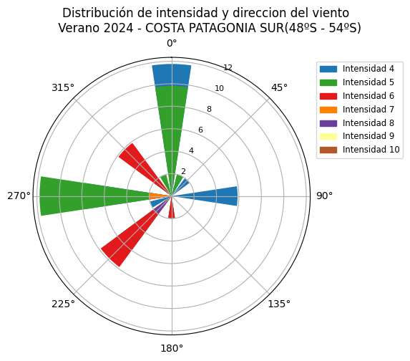
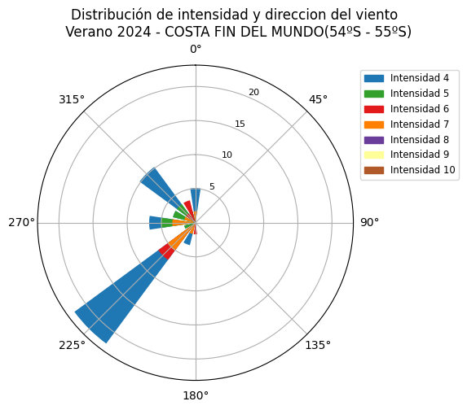

Diferencia pronóstico vs reportes y Aciertos - Verano 2024 - DEF

