Sheet1
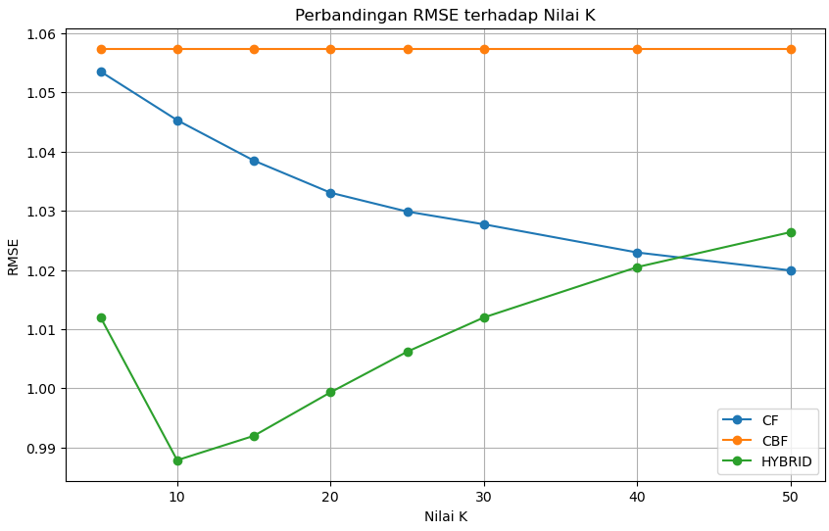
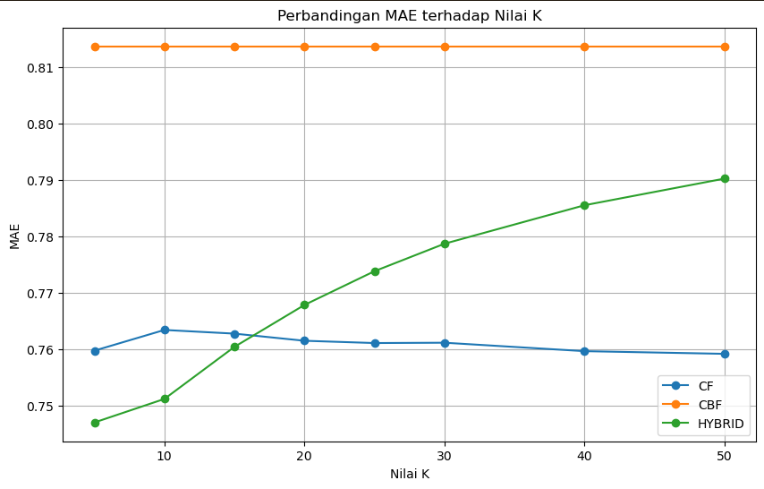
K | MAE_CF | RMSE_CF | MAE_CBF | RMSE_CBF | MAE_HYBRID | RMSE_HYBRID
5 | 0.75972011047 | 1.0535164411 | 0.81375544222 | 1.0573583882 | 0.74697136202 | 1.0120318745
10 | 0.76339873972 | 1.0452883503 | 0.81375544222 | 1.0573583882 | 0.75115104001 | 0.98786483509
15 | 0.76274574788 | 1.038462106 | 0.81375544222 | 1.0573583882 | 0.76039807423 | 0.9919778239
20 | 0.7614802502 | 1.0330369021 | 0.81375544222 | 1.0573583882 | 0.76784123935 | 0.99933284874
25 | 0.76107385611 | 1.0298509385 | 0.81375544222 | 1.0573583882 | 0.77383354836 | 1.00619358
30 | 0.76113156413 | 1.0276999234 | 0.81375544222 | 1.0573583882 | 0.77871183962 | 1.0119790772
40 | 0.75963233318 | 1.0229381809 | 0.81375544222 | 1.0573583882 | 0.78554554938 | 1.0204865536
50 | 0.75915921044 | 1.0199067132 | 0.81375544222 | 1.0573583882 | 0.79027586654 | 1.026389875

