Sheet1
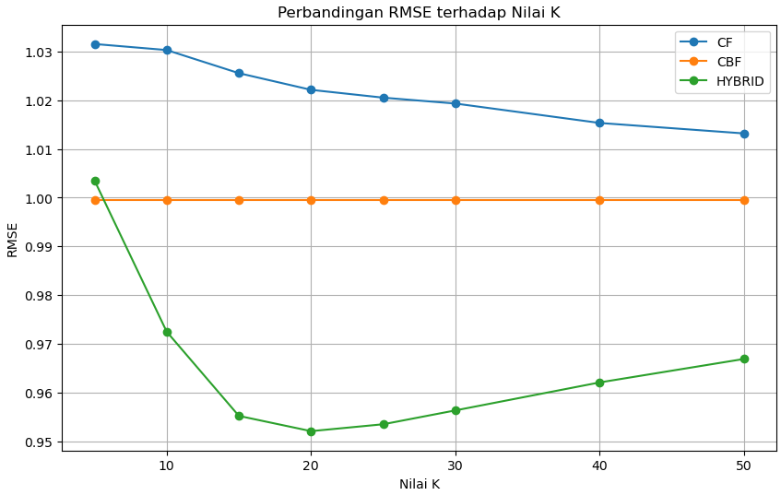
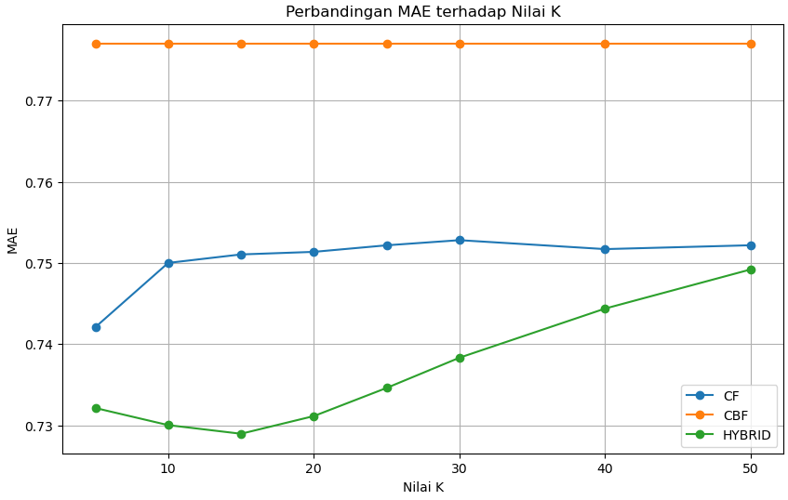
K | MAE_CF | RMSE_CF | MAE_CBF | RMSE_CBF | MAE_HYBRID | RMSE_HYBRID
5 | 0.742091857 | 1.031539187 | 0.777032984 | 0.999537769 | 0.732133873 | 1.003535149
10 | 0.750004788 | 1.030296352 | 0.777032984 | 0.999537769 | 0.730028901 | 0.972493901
15 | 0.751048339 | 1.025550961 | 0.777032984 | 0.999537769 | 0.728963409 | 0.95521464
20 | 0.751365157 | 1.022129344 | 0.777032984 | 0.999537769 | 0.731141817 | 0.9520868
25 | 0.752171714 | 1.020525913 | 0.777032984 | 0.999537769 | 0.73461079 | 0.953502288
30 | 0.752804062 | 1.019318366 | 0.777032984 | 0.999537769 | 0.738331144 | 0.956345667
40 | 0.751702483 | 1.015331175 | 0.777032984 | 0.999537769 | 0.744384291 | 0.962090211
50 | 0.752177719 | 1.013182265 | 0.777032984 | 0.999537769 | 0.749204351 | 0.966906307

