Foglio1
Different evaluations and learning curves
CNN | BATCH SIZE | IMAGE SIZE | OPTIMIZER | ACCURACY | COLOR | DATA AUGMENTATION | FINE TUNING | LEARNING CURVES
EfficientNetB0 | 16 | 200 | RMSprop | 0.94 | RGB | FLIP ROTATION | YES | 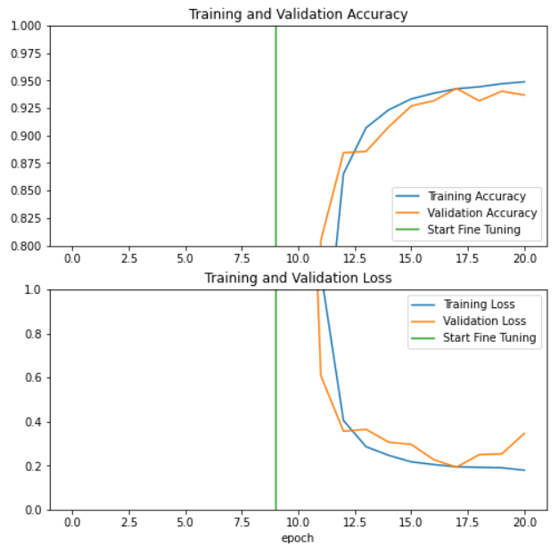
EfficientNetB0 | 16 | 200 | Adam | 0.97 | RGB | FLIP ROTATION | YES | 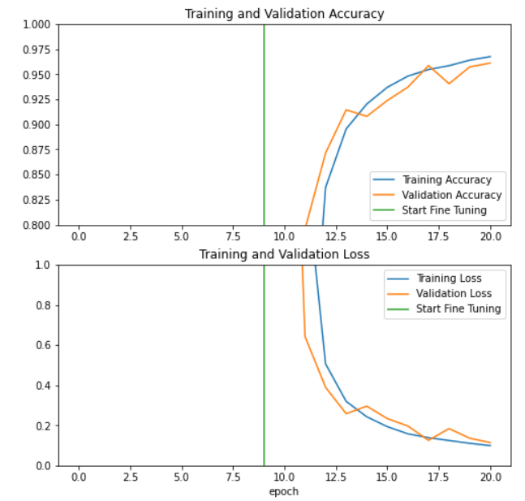
MobileNet | 16 | 128 | RMSprop | 0.11 | RGB | FLIP ROTATION | YES | 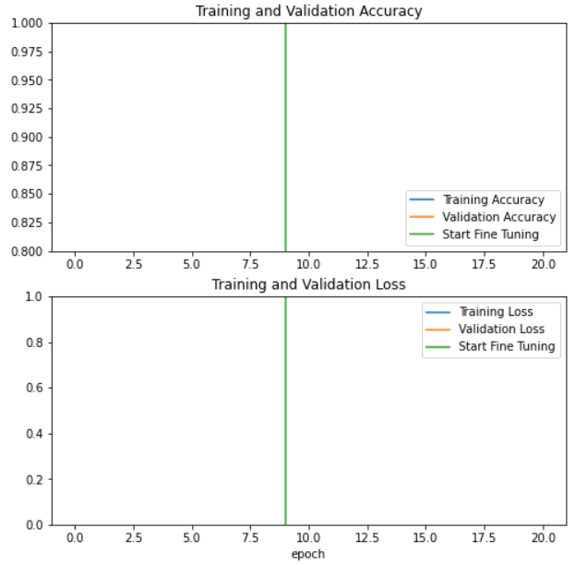
MobileNetV2 | 16 | 128 | RMSprop | 0.031 | RGB | FLIP ROTATION | YES | 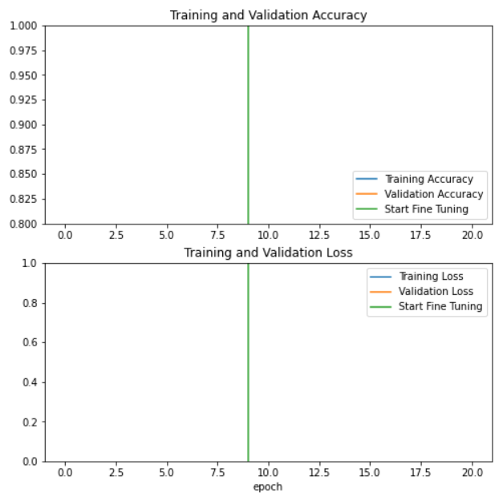
EfficientNetB0 | 8 | 32 | Adam | 0.972 | RGB | FLIP ROTATION | YES | 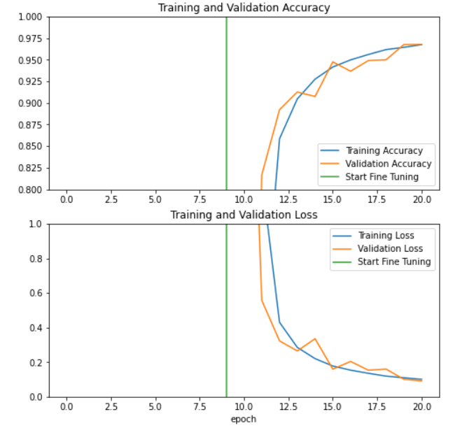
EfficientNetB0 | 8 | 64 | Adam | 0.9945 | RGB | FLIP ROTATION | YES | 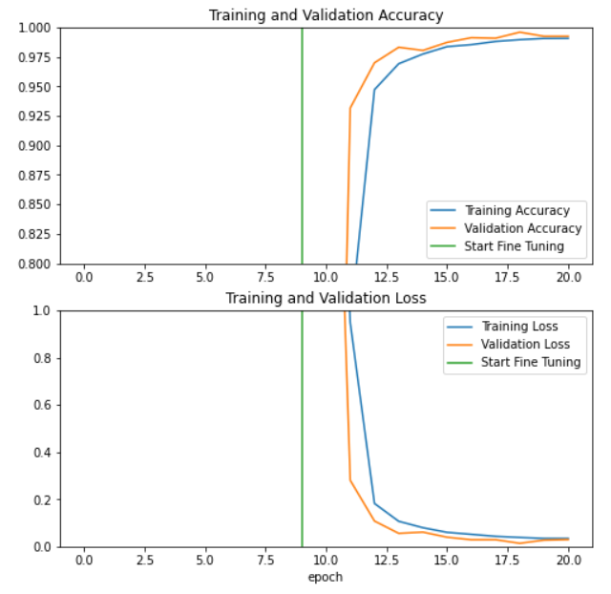
EfficientNetB0 | 8 | 64 | Adam | 0.989 | Grayscale | FLIP ROTATION | YES | 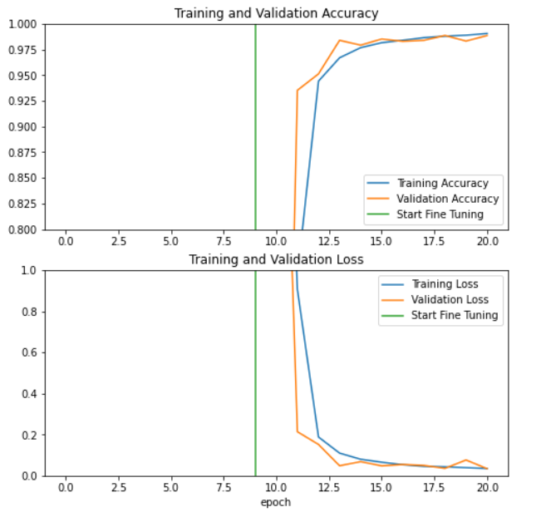
EfficientNetB0 | 8 | 64 | Adam | 0.98 | RGB | FLIP ROTATION CROP CONTRAST ZOOM | NO | 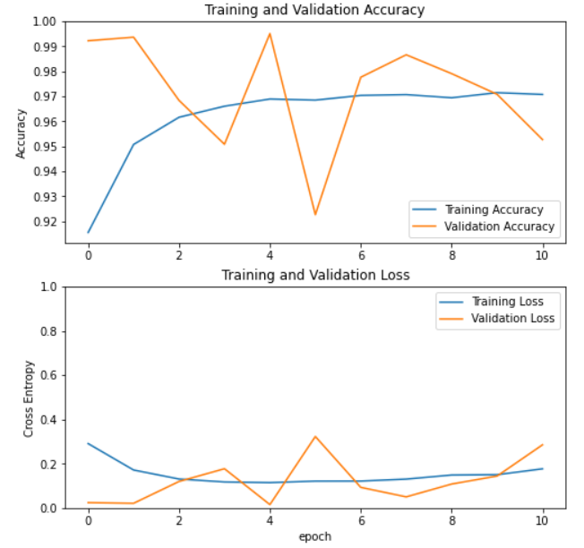
EfficientNetB0 | 8 | 64 | Adam | 0.9826 | RGB | FLIP ROTATION CROP CONTRAST ZOOM | YES | 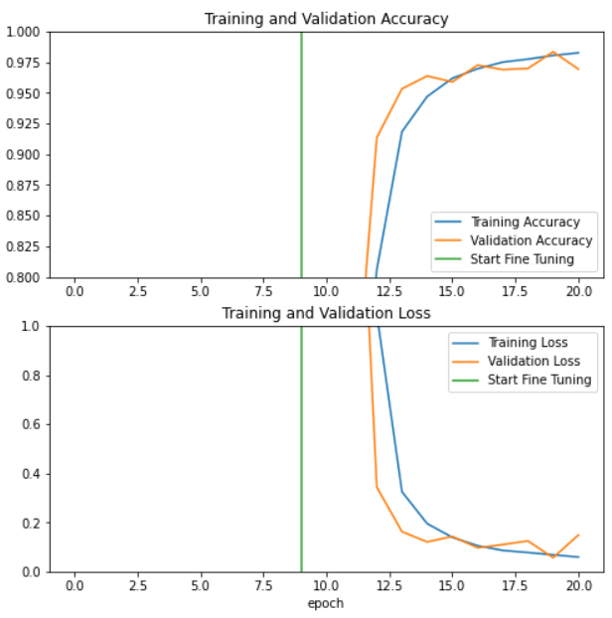
InceptionV3 | 8 | 75 | Adam | 0.9457 | RGB | FLIP ROTATION CROP CONTRAST ZOOM | YES | 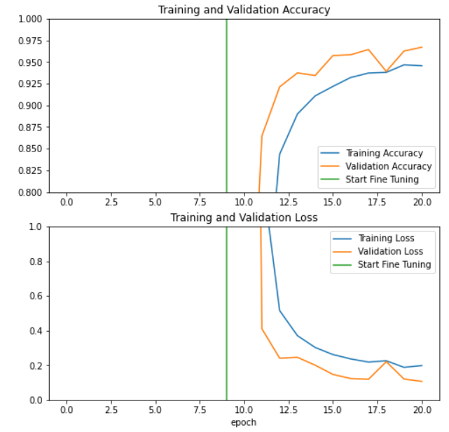
InceptionV3 | 8 | 128 | Adam | 0.9751 | RGB | FLIP ROTATION CROP CONTRAST ZOOM | YES | 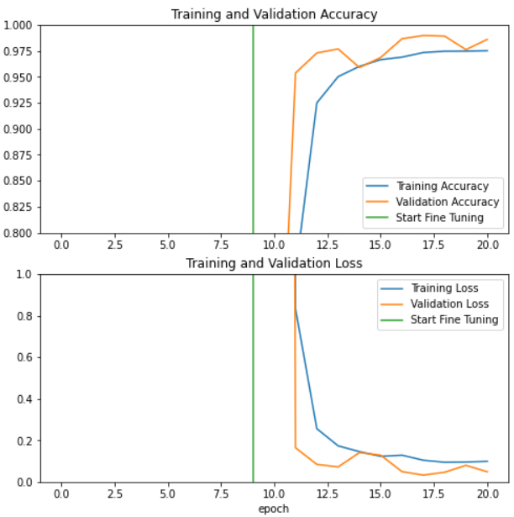
InceptionV3 | 8 | 75 | Adam | 0.9706 | RGB | FLIP ROTATION CONTRAST ZOOM | YES | 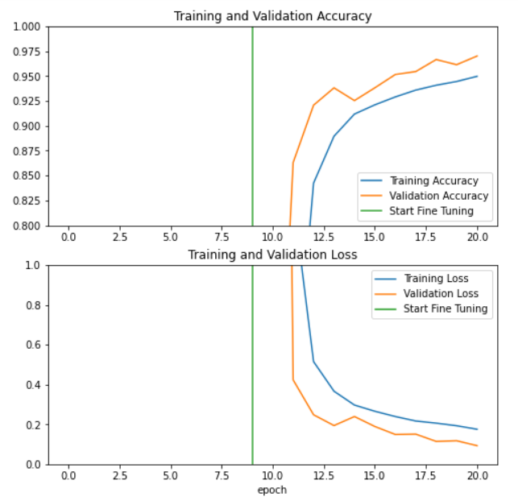
InceptionV3 | 8 | 75 | Adam | 0.043 | Grayscale | FLIP ROTATION CROP CONTRAST ZOOM | NO | 