Example Employee Forecast
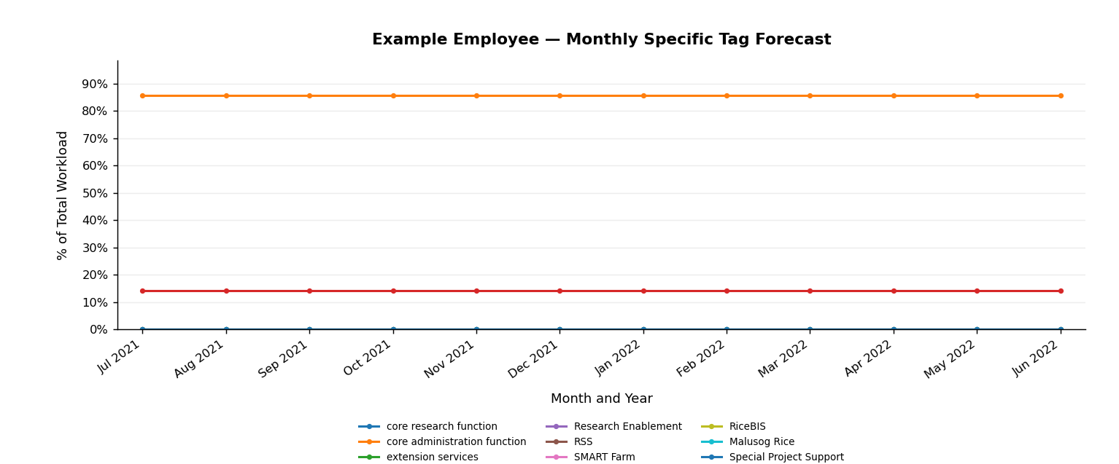
Forecast — Example Employee
Month | core research function | core administration function | extension services | ad hoc | Research Enablement | RSS | SMART Farm | RCEF | RiceBIS | Malusog Rice | Special Project Support
Jul 2021 | 0.0% | 85.7% | 0.0% | 14.3% | 0.0% | 0.0% | 0.0% | 0.0% | 0.0% | 0.0% | 0.0%
Aug 2021 | 0.0% | 85.7% | 0.0% | 14.3% | 0.0% | 0.0% | 0.0% | 0.0% | 0.0% | 0.0% | 0.0%
Sep 2021 | 0.0% | 85.7% | 0.0% | 14.3% | 0.0% | 0.0% | 0.0% | 0.0% | 0.0% | 0.0% | 0.0%
Oct 2021 | 0.0% | 85.7% | 0.0% | 14.3% | 0.0% | 0.0% | 0.0% | 0.0% | 0.0% | 0.0% | 0.0%
Nov 2021 | 0.0% | 85.7% | 0.0% | 14.3% | 0.0% | 0.0% | 0.0% | 0.0% | 0.0% | 0.0% | 0.0%
Dec 2021 | 0.0% | 85.7% | 0.0% | 14.3% | 0.0% | 0.0% | 0.0% | 0.0% | 0.0% | 0.0% | 0.0%
Jan 2022 | 0.0% | 85.7% | 0.0% | 14.3% | 0.0% | 0.0% | 0.0% | 0.0% | 0.0% | 0.0% | 0.0%
Feb 2022 | 0.0% | 85.7% | 0.0% | 14.3% | 0.0% | 0.0% | 0.0% | 0.0% | 0.0% | 0.0% | 0.0%
Mar 2022 | 0.0% | 85.7% | 0.0% | 14.3% | 0.0% | 0.0% | 0.0% | 0.0% | 0.0% | 0.0% | 0.0%
Apr 2022 | 0.0% | 85.7% | 0.0% | 14.3% | 0.0% | 0.0% | 0.0% | 0.0% | 0.0% | 0.0% | 0.0%
May 2022 | 0.0% | 85.7% | 0.0% | 14.3% | 0.0% | 0.0% | 0.0% | 0.0% | 0.0% | 0.0% | 0.0%
Jun 2022 | 0.0% | 85.7% | 0.0% | 14.3% | 0.0% | 0.0% | 0.0% | 0.0% | 0.0% | 0.0% | 0.0%

Example Employee Validation
Historical actual vs rolling forecast — Example Employee
Specific Tag | Month | Actual | Validation Forecast | Selected Model | Raw RMSE
core research function | 2021-05-01 | 0.0% | 0.0% | Holt's Trend | 0.0000000000
core research function | 2021-06-01 | 0.0% | 0.0% | Holt's Trend | 0.0000000000
core administration function | 2021-05-01 | 85.7% | 83.3% | ARIMA (0, 1, 0) | 0.0168291414
core administration function | 2021-06-01 | 85.7% | 85.7% | ARIMA (0, 1, 0) | 0.0168291414
extension services | 2021-05-01 | 0.0% | 0.0% | Holt's Trend | 0.0000000000
extension services | 2021-06-01 | 0.0% | 0.0% | Holt's Trend | 0.0000000000
ad hoc | 2021-05-01 | 14.3% | 16.7% | ARIMA (0, 1, 0) | 0.0168291414
ad hoc | 2021-06-01 | 14.3% | 14.3% | ARIMA (0, 1, 0) | 0.0168291414
Research Enablement | 2021-05-01 | 0.0% | 0.0% | Holt's Trend | 0.0000000000
Research Enablement | 2021-06-01 | 0.0% | 0.0% | Holt's Trend | 0.0000000000
RSS | 2021-05-01 | 0.0% | 0.0% | Holt's Trend | 0.0000000000
RSS | 2021-06-01 | 0.0% | 0.0% | Holt's Trend | 0.0000000000
SMART Farm | 2021-05-01 | 0.0% | 0.0% | Holt's Trend | 0.0000000000
SMART Farm | 2021-06-01 | 0.0% | 0.0% | Holt's Trend | 0.0000000000
RCEF | 2021-05-01 | 0.0% | 0.0% | Holt's Trend | 0.0000000000
RCEF | 2021-06-01 | 0.0% | 0.0% | Holt's Trend | 0.0000000000
RiceBIS | 2021-05-01 | 0.0% | 0.0% | Holt's Trend | 0.0000000000
RiceBIS | 2021-06-01 | 0.0% | 0.0% | Holt's Trend | 0.0000000000
Malusog Rice | 2021-05-01 | 0.0% | 0.0% | Holt's Trend | 0.0000000000
Malusog Rice | 2021-06-01 | 0.0% | 0.0% | Holt's Trend | 0.0000000000
Special Project Support | 2021-05-01 | 0.0% | 0.0% | Holt's Trend | 0.0000000000
Special Project Support | 2021-06-01 | 0.0% | 0.0% | Holt's Trend | 0.0000000000

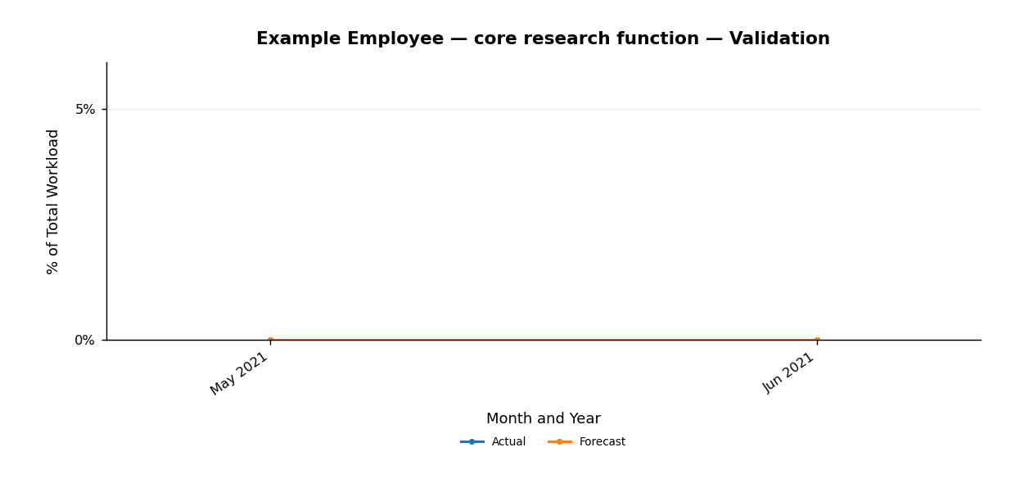
Validation Chart — core research function (including zero-series)
Month | Actual | Forecast
May 2021 | 0.0% | 0.0%
Jun 2021 | 0.0% | 0.0%

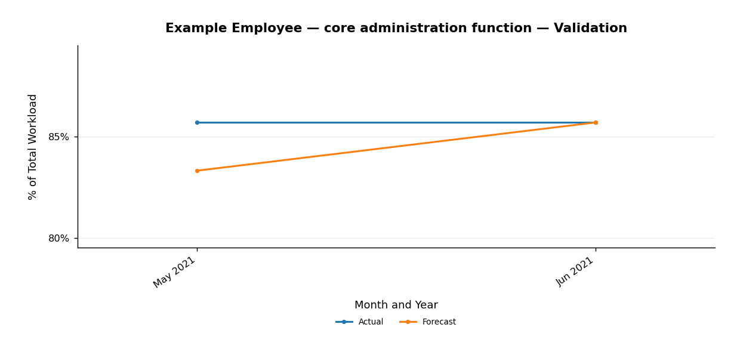
Validation Chart — core administration function (including zero-series)
Month | Actual | Forecast
May 2021 | 85.7% | 83.3%
Jun 2021 | 85.7% | 85.7%


Validation Chart — extension services (including zero-series)
Month | Actual | Forecast
May 2021 | 0.0% | 0.0%
Jun 2021 | 0.0% | 0.0%

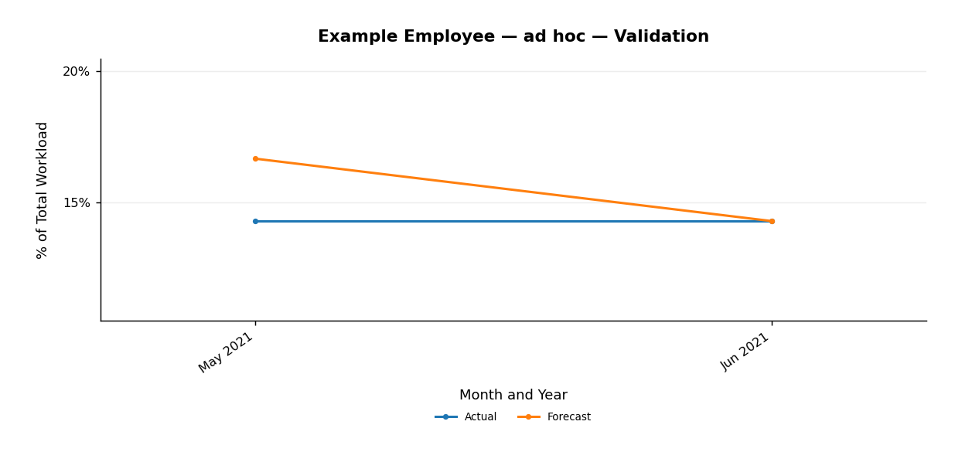
Validation Chart — ad hoc (including zero-series)
Month | Actual | Forecast
May 2021 | 14.3% | 16.7%
Jun 2021 | 14.3% | 14.3%

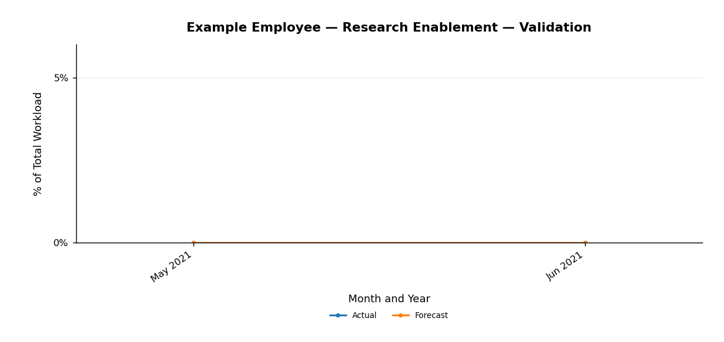
Validation Chart — Research Enablement (including zero-series)
Month | Actual | Forecast
May 2021 | 0.0% | 0.0%
Jun 2021 | 0.0% | 0.0%

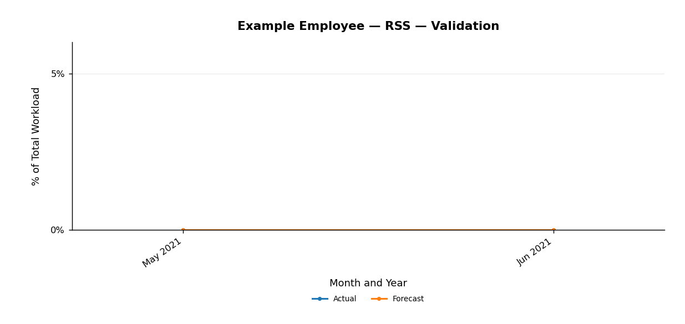
Validation Chart — RSS (including zero-series)
Month | Actual | Forecast
May 2021 | 0.0% | 0.0%
Jun 2021 | 0.0% | 0.0%

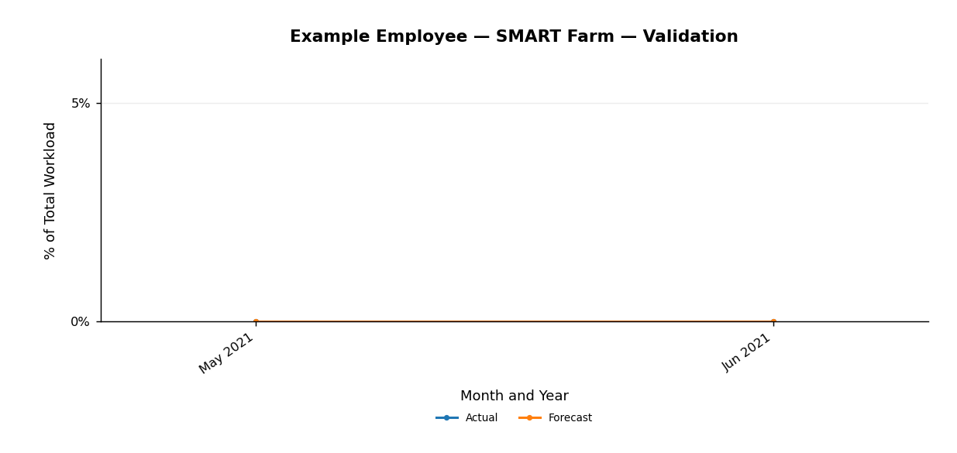
Validation Chart — SMART Farm (including zero-series)
Month | Actual | Forecast
May 2021 | 0.0% | 0.0%
Jun 2021 | 0.0% | 0.0%


Validation Chart — RCEF (including zero-series)
Month | Actual | Forecast
May 2021 | 0.0% | 0.0%
Jun 2021 | 0.0% | 0.0%


Validation Chart — RiceBIS (including zero-series)
Month | Actual | Forecast
May 2021 | 0.0% | 0.0%
Jun 2021 | 0.0% | 0.0%


Validation Chart — Malusog Rice (including zero-series)
Month | Actual | Forecast
May 2021 | 0.0% | 0.0%
Jun 2021 | 0.0% | 0.0%


Validation Chart — Special Project Support (including zero-series)
Month | Actual | Forecast
May 2021 | 0.0% | 0.0%
Jun 2021 | 0.0% | 0.0%

