Joselito A. Kalaw Forecast
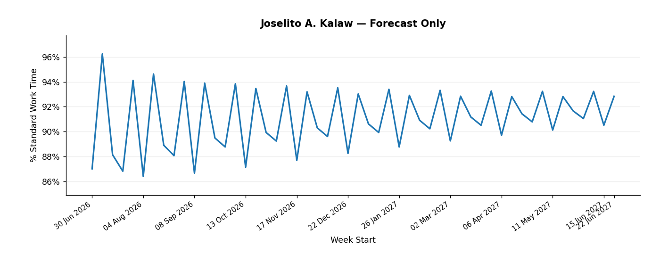
Weekly % Standard Work Time Forecast — Joselito A. Kalaw
Week Start | Forecast % Standard Work Time
2026-06-30 | 87.0%
2026-07-07 | 96.2%
2026-07-14 | 88.1%
2026-07-21 | 86.8%
2026-07-28 | 94.1%
2026-08-04 | 86.4%
2026-08-11 | 94.6%
2026-08-18 | 88.9%
2026-08-25 | 88.1%
2026-09-01 | 94.0%
2026-09-08 | 86.7%
2026-09-15 | 93.9%
2026-09-22 | 89.5%
2026-09-29 | 88.8%
2026-10-06 | 93.8%
2026-10-13 | 87.1%
2026-10-20 | 93.5%
2026-10-27 | 89.9%
2026-11-03 | 89.2%
2026-11-10 | 93.7%
2026-11-17 | 87.7%
2026-11-24 | 93.2%
2026-12-01 | 90.3%
2026-12-08 | 89.6%
2026-12-15 | 93.5%
2026-12-22 | 88.2%
2026-12-29 | 93.0%
2027-01-05 | 90.6%
2027-01-12 | 89.9%
2027-01-19 | 93.4%
2027-01-26 | 88.8%
2027-02-02 | 92.9%
2027-02-09 | 90.9%
2027-02-16 | 90.2%
2027-02-23 | 93.3%
2027-03-02 | 89.3%
2027-03-09 | 92.8%
2027-03-16 | 91.2%
2027-03-23 | 90.5%
2027-03-30 | 93.3%
2027-04-06 | 89.7%
2027-04-13 | 92.8%
2027-04-20 | 91.4%
2027-04-27 | 90.8%
2027-05-04 | 93.2%
2027-05-11 | 90.1%
2027-05-18 | 92.8%
2027-05-25 | 91.7%
2027-06-01 | 91.0%
2027-06-08 | 93.2%
2027-06-15 | 90.5%
2027-06-22 | 92.8%

Joselito A. Kalaw Validation
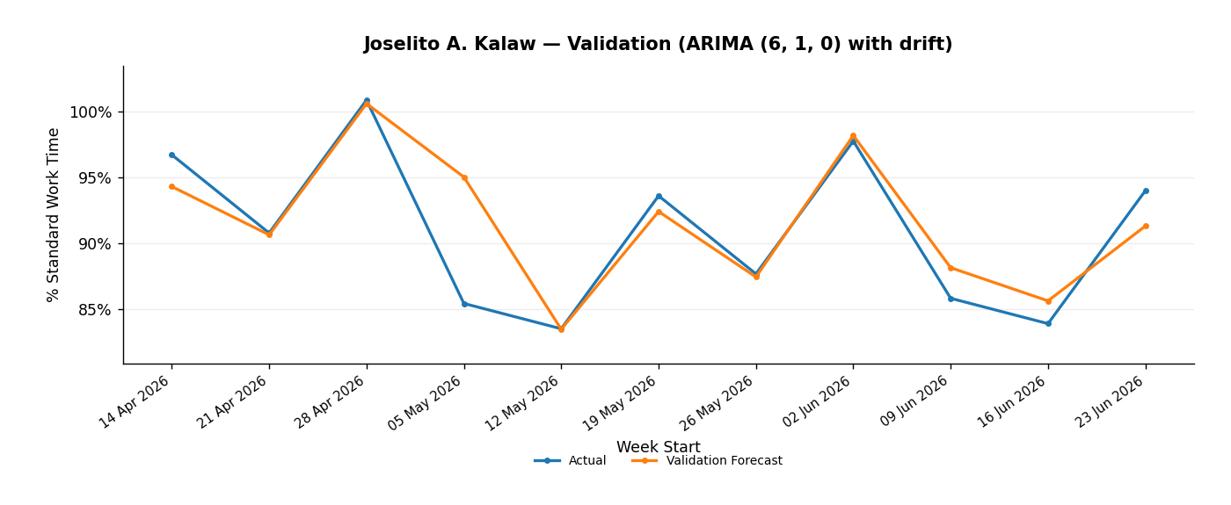
Rolling Validation — Joselito A. Kalaw
Week Start | Actual | Validation Forecast | Selected Model | Selected Raw RMSE
2026-04-14 | 96.7% | 94.3% | ARIMA (6, 1, 0) with drift | 0.0323215627
2026-04-21 | 90.8% | 90.7% | ARIMA (6, 1, 0) with drift | 0.0323215627
2026-04-28 | 100.9% | 100.6% | ARIMA (6, 1, 0) with drift | 0.0323215627
2026-05-05 | 85.5% | 95.0% | ARIMA (6, 1, 0) with drift | 0.0323215627
2026-05-12 | 83.5% | 83.5% | ARIMA (6, 1, 0) with drift | 0.0323215627
2026-05-19 | 93.6% | 92.4% | ARIMA (6, 1, 0) with drift | 0.0323215627
2026-05-26 | 87.7% | 87.5% | ARIMA (6, 1, 0) with drift | 0.0323215627
2026-06-02 | 97.8% | 98.2% | ARIMA (6, 1, 0) with drift | 0.0323215627
2026-06-09 | 85.8% | 88.2% | ARIMA (6, 1, 0) with drift | 0.0323215627
2026-06-16 | 83.9% | 85.6% | ARIMA (6, 1, 0) with drift | 0.0323215627
2026-06-23 | 94.0% | 91.3% | ARIMA (6, 1, 0) with drift | 0.0323215627

Laarnie L. Mandia Forecast
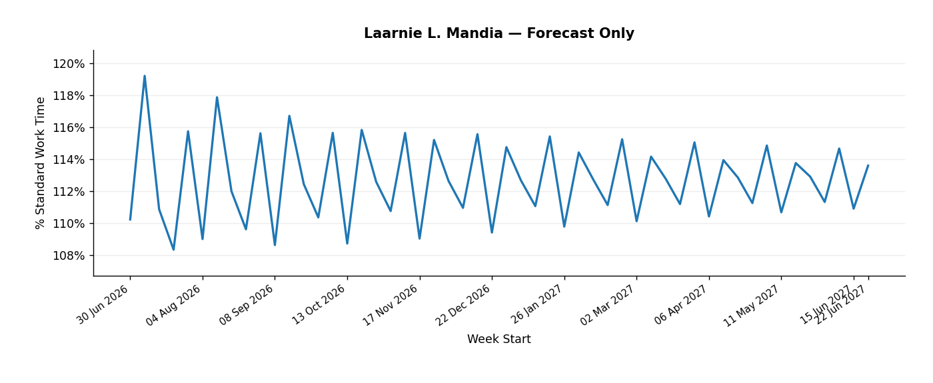
Weekly % Standard Work Time Forecast — Laarnie L. Mandia
Week Start | Forecast % Standard Work Time
2026-06-30 | 110.2%
2026-07-07 | 119.2%
2026-07-14 | 110.9%
2026-07-21 | 108.3%
2026-07-28 | 115.7%
2026-08-04 | 109.0%
2026-08-11 | 117.9%
2026-08-18 | 112.0%
2026-08-25 | 109.6%
2026-09-01 | 115.6%
2026-09-08 | 108.6%
2026-09-15 | 116.7%
2026-09-22 | 112.4%
2026-09-29 | 110.3%
2026-10-06 | 115.6%
2026-10-13 | 108.7%
2026-10-20 | 115.8%
2026-10-27 | 112.6%
2026-11-03 | 110.7%
2026-11-10 | 115.6%
2026-11-17 | 109.0%
2026-11-24 | 115.2%
2026-12-01 | 112.6%
2026-12-08 | 110.9%
2026-12-15 | 115.6%
2026-12-22 | 109.4%
2026-12-29 | 114.7%
2027-01-05 | 112.7%
2027-01-12 | 111.1%
2027-01-19 | 115.4%
2027-01-26 | 109.8%
2027-02-02 | 114.4%
2027-02-09 | 112.7%
2027-02-16 | 111.1%
2027-02-23 | 115.2%
2027-03-02 | 110.1%
2027-03-09 | 114.1%
2027-03-16 | 112.8%
2027-03-23 | 111.2%
2027-03-30 | 115.0%
2027-04-06 | 110.4%
2027-04-13 | 113.9%
2027-04-20 | 112.8%
2027-04-27 | 111.2%
2027-05-04 | 114.8%
2027-05-11 | 110.7%
2027-05-18 | 113.7%
2027-05-25 | 112.9%
2027-06-01 | 111.3%
2027-06-08 | 114.7%
2027-06-15 | 110.9%
2027-06-22 | 113.6%

Laarnie L. Mandia Validation
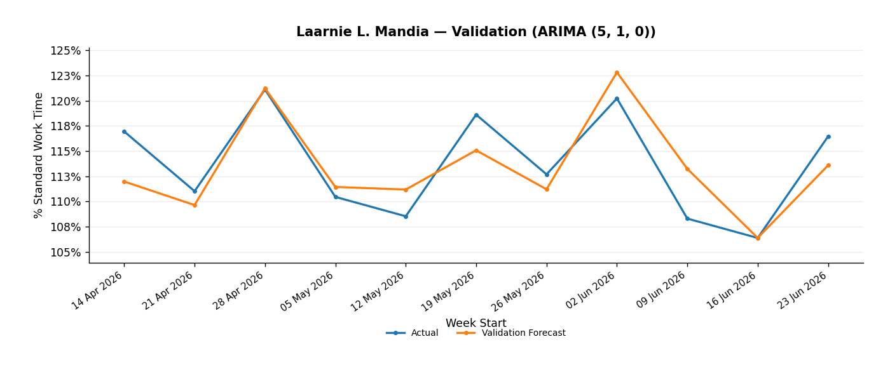
Rolling Validation — Laarnie L. Mandia
Week Start | Actual | Validation Forecast | Selected Model | Selected Raw RMSE
2026-04-14 | 116.9% | 112.0% | ARIMA (5, 1, 0) | 0.0283754276
2026-04-21 | 111.0% | 109.6% | ARIMA (5, 1, 0) | 0.0283754276
2026-04-28 | 121.1% | 121.2% | ARIMA (5, 1, 0) | 0.0283754276
2026-05-05 | 110.5% | 111.4% | ARIMA (5, 1, 0) | 0.0283754276
2026-05-12 | 108.5% | 111.2% | ARIMA (5, 1, 0) | 0.0283754276
2026-05-19 | 118.6% | 115.1% | ARIMA (5, 1, 0) | 0.0283754276
2026-05-26 | 112.7% | 111.2% | ARIMA (5, 1, 0) | 0.0283754276
2026-06-02 | 120.2% | 122.8% | ARIMA (5, 1, 0) | 0.0283754276
2026-06-09 | 108.3% | 113.2% | ARIMA (5, 1, 0) | 0.0283754276
2026-06-16 | 106.4% | 106.4% | ARIMA (5, 1, 0) | 0.0283754276
2026-06-23 | 116.5% | 113.6% | ARIMA (5, 1, 0) | 0.0283754276

Malvin D. Duldulao Forecast
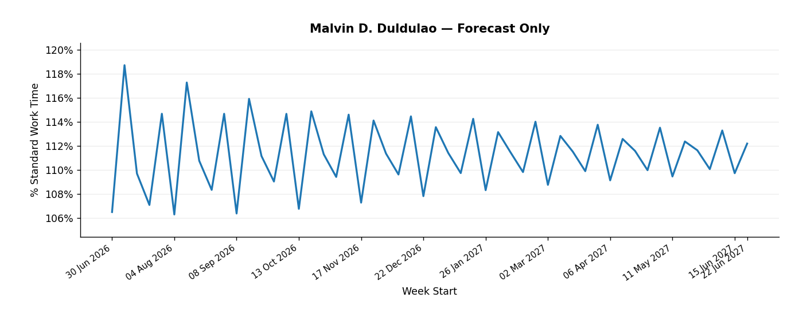
Weekly % Standard Work Time Forecast — Malvin D. Duldulao
Week Start | Forecast % Standard Work Time
2026-06-30 | 106.5%
2026-07-07 | 118.7%
2026-07-14 | 109.7%
2026-07-21 | 107.1%
2026-07-28 | 114.7%
2026-08-04 | 106.3%
2026-08-11 | 117.3%
2026-08-18 | 110.8%
2026-08-25 | 108.4%
2026-09-01 | 114.7%
2026-09-08 | 106.4%
2026-09-15 | 115.9%
2026-09-22 | 111.2%
2026-09-29 | 109.1%
2026-10-06 | 114.7%
2026-10-13 | 106.8%
2026-10-20 | 114.9%
2026-10-27 | 111.3%
2026-11-03 | 109.4%
2026-11-10 | 114.6%
2026-11-17 | 107.3%
2026-11-24 | 114.1%
2026-12-01 | 111.4%
2026-12-08 | 109.6%
2026-12-15 | 114.5%
2026-12-22 | 107.8%
2026-12-29 | 113.6%
2027-01-05 | 111.4%
2027-01-12 | 109.8%
2027-01-19 | 114.3%
2027-01-26 | 108.3%
2027-02-02 | 113.2%
2027-02-09 | 111.5%
2027-02-16 | 109.8%
2027-02-23 | 114.0%
2027-03-02 | 108.8%
2027-03-09 | 112.8%
2027-03-16 | 111.5%
2027-03-23 | 109.9%
2027-03-30 | 113.8%
2027-04-06 | 109.2%
2027-04-13 | 112.6%
2027-04-20 | 111.6%
2027-04-27 | 110.0%
2027-05-04 | 113.5%
2027-05-11 | 109.5%
2027-05-18 | 112.4%
2027-05-25 | 111.6%
2027-06-01 | 110.1%
2027-06-08 | 113.3%
2027-06-15 | 109.7%
2027-06-22 | 112.2%

Malvin D. Duldulao Validation
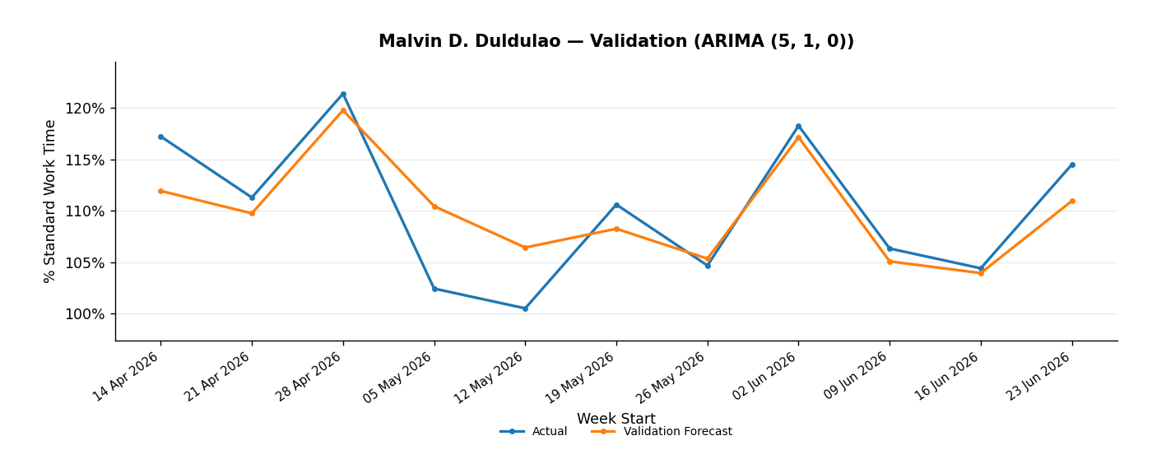
Rolling Validation — Malvin D. Duldulao
Week Start | Actual | Validation Forecast | Selected Model | Selected Raw RMSE
2026-04-14 | 117.2% | 111.9% | ARIMA (5, 1, 0) | 0.0373312804
2026-04-21 | 111.3% | 109.8% | ARIMA (5, 1, 0) | 0.0373312804
2026-04-28 | 121.4% | 119.8% | ARIMA (5, 1, 0) | 0.0373312804
2026-05-05 | 102.5% | 110.4% | ARIMA (5, 1, 0) | 0.0373312804
2026-05-12 | 100.5% | 106.4% | ARIMA (5, 1, 0) | 0.0373312804
2026-05-19 | 110.6% | 108.3% | ARIMA (5, 1, 0) | 0.0373312804
2026-05-26 | 104.7% | 105.4% | ARIMA (5, 1, 0) | 0.0373312804
2026-06-02 | 118.3% | 117.1% | ARIMA (5, 1, 0) | 0.0373312804
2026-06-09 | 106.3% | 105.1% | ARIMA (5, 1, 0) | 0.0373312804
2026-06-16 | 104.4% | 104.0% | ARIMA (5, 1, 0) | 0.0373312804
2026-06-23 | 114.5% | 111.0% | ARIMA (5, 1, 0) | 0.0373312804

Marilyn C. Ferrer Forecast
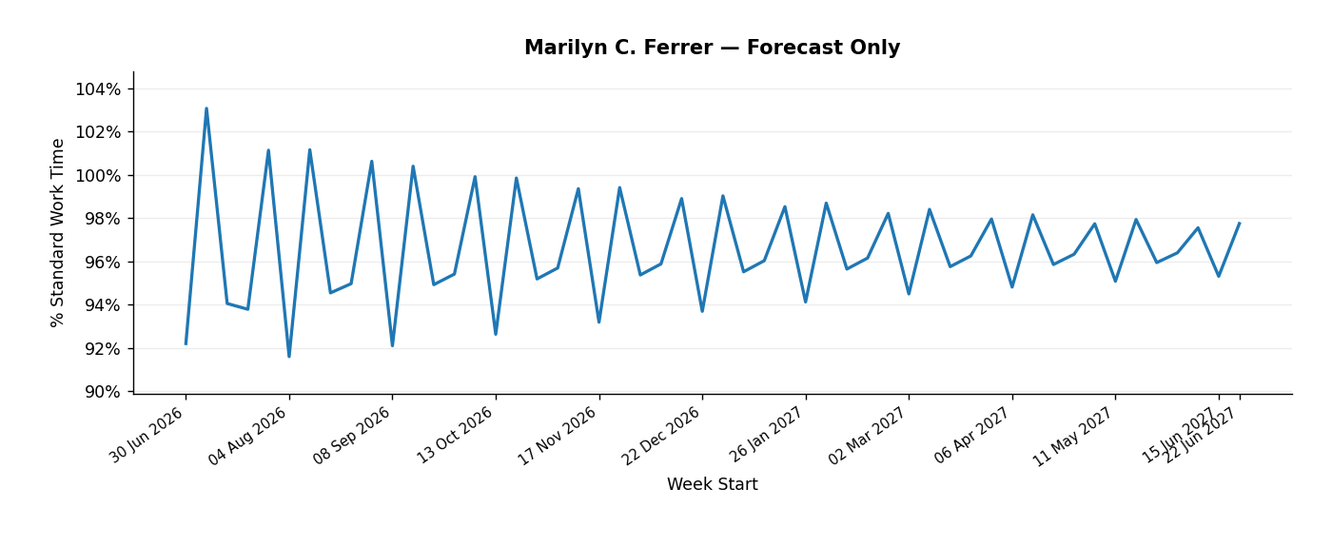
Weekly % Standard Work Time Forecast — Marilyn C. Ferrer
Week Start | Forecast % Standard Work Time
2026-06-30 | 92.2%
2026-07-07 | 103.1%
2026-07-14 | 94.1%
2026-07-21 | 93.8%
2026-07-28 | 101.1%
2026-08-04 | 91.6%
2026-08-11 | 101.2%
2026-08-18 | 94.6%
2026-08-25 | 95.0%
2026-09-01 | 100.6%
2026-09-08 | 92.1%
2026-09-15 | 100.4%
2026-09-22 | 94.9%
2026-09-29 | 95.4%
2026-10-06 | 99.9%
2026-10-13 | 92.6%
2026-10-20 | 99.9%
2026-10-27 | 95.2%
2026-11-03 | 95.7%
2026-11-10 | 99.4%
2026-11-17 | 93.2%
2026-11-24 | 99.4%
2026-12-01 | 95.4%
2026-12-08 | 95.9%
2026-12-15 | 98.9%
2026-12-22 | 93.7%
2026-12-29 | 99.0%
2027-01-05 | 95.5%
2027-01-12 | 96.0%
2027-01-19 | 98.5%
2027-01-26 | 94.1%
2027-02-02 | 98.7%
2027-02-09 | 95.7%
2027-02-16 | 96.2%
2027-02-23 | 98.2%
2027-03-02 | 94.5%
2027-03-09 | 98.4%
2027-03-16 | 95.8%
2027-03-23 | 96.3%
2027-03-30 | 98.0%
2027-04-06 | 94.8%
2027-04-13 | 98.2%
2027-04-20 | 95.9%
2027-04-27 | 96.3%
2027-05-04 | 97.7%
2027-05-11 | 95.1%
2027-05-18 | 97.9%
2027-05-25 | 95.9%
2027-06-01 | 96.4%
2027-06-08 | 97.6%
2027-06-15 | 95.3%
2027-06-22 | 97.8%

Marilyn C. Ferrer Validation
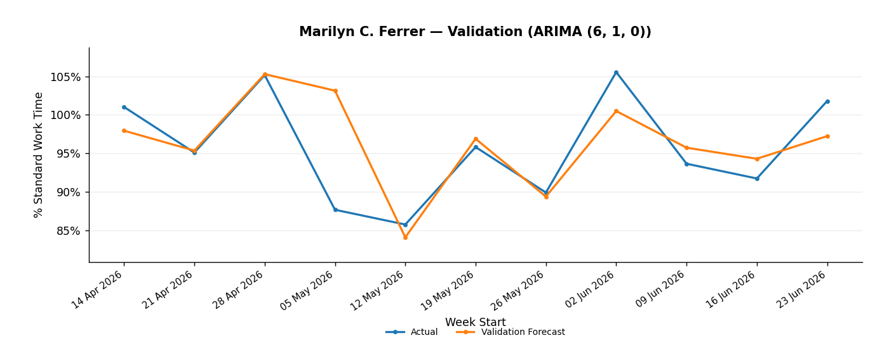
Rolling Validation — Marilyn C. Ferrer
Week Start | Actual | Validation Forecast | Selected Model | Selected Raw RMSE
2026-04-14 | 101.0% | 97.9% | ARIMA (6, 1, 0) | 0.0531994441
2026-04-21 | 95.1% | 95.3% | ARIMA (6, 1, 0) | 0.0531994441
2026-04-28 | 105.2% | 105.3% | ARIMA (6, 1, 0) | 0.0531994441
2026-05-05 | 87.7% | 103.1% | ARIMA (6, 1, 0) | 0.0531994441
2026-05-12 | 85.7% | 84.1% | ARIMA (6, 1, 0) | 0.0531994441
2026-05-19 | 95.8% | 96.9% | ARIMA (6, 1, 0) | 0.0531994441
2026-05-26 | 89.9% | 89.4% | ARIMA (6, 1, 0) | 0.0531994441
2026-06-02 | 105.6% | 100.5% | ARIMA (6, 1, 0) | 0.0531994441
2026-06-09 | 93.6% | 95.7% | ARIMA (6, 1, 0) | 0.0531994441
2026-06-16 | 91.7% | 94.3% | ARIMA (6, 1, 0) | 0.0531994441
2026-06-23 | 101.8% | 97.2% | ARIMA (6, 1, 0) | 0.0531994441

Recille G. Aquino Forecast
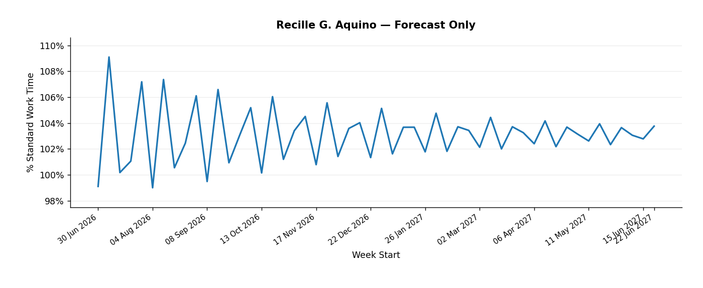
Weekly % Standard Work Time Forecast — Recille G. Aquino
Week Start | Forecast % Standard Work Time
2026-06-30 | 99.1%
2026-07-07 | 109.1%
2026-07-14 | 100.2%
2026-07-21 | 101.1%
2026-07-28 | 107.2%
2026-08-04 | 99.0%
2026-08-11 | 107.4%
2026-08-18 | 100.6%
2026-08-25 | 102.4%
2026-09-01 | 106.1%
2026-09-08 | 99.5%
2026-09-15 | 106.6%
2026-09-22 | 100.9%
2026-09-29 | 103.1%
2026-10-06 | 105.2%
2026-10-13 | 100.2%
2026-10-20 | 106.0%
2026-10-27 | 101.2%
2026-11-03 | 103.4%
2026-11-10 | 104.5%
2026-11-17 | 100.8%
2026-11-24 | 105.6%
2026-12-01 | 101.4%
2026-12-08 | 103.6%
2026-12-15 | 104.0%
2026-12-22 | 101.3%
2026-12-29 | 105.1%
2027-01-05 | 101.6%
2027-01-12 | 103.7%
2027-01-19 | 103.7%
2027-01-26 | 101.8%
2027-02-02 | 104.8%
2027-02-09 | 101.8%
2027-02-16 | 103.7%
2027-02-23 | 103.4%
2027-03-02 | 102.1%
2027-03-09 | 104.4%
2027-03-16 | 102.0%
2027-03-23 | 103.7%
2027-03-30 | 103.3%
2027-04-06 | 102.4%
2027-04-13 | 104.2%
2027-04-20 | 102.2%
2027-04-27 | 103.7%
2027-05-04 | 103.1%
2027-05-11 | 102.6%
2027-05-18 | 103.9%
2027-05-25 | 102.3%
2027-06-01 | 103.7%
2027-06-08 | 103.1%
2027-06-15 | 102.8%
2027-06-22 | 103.8%

Recille G. Aquino Validation
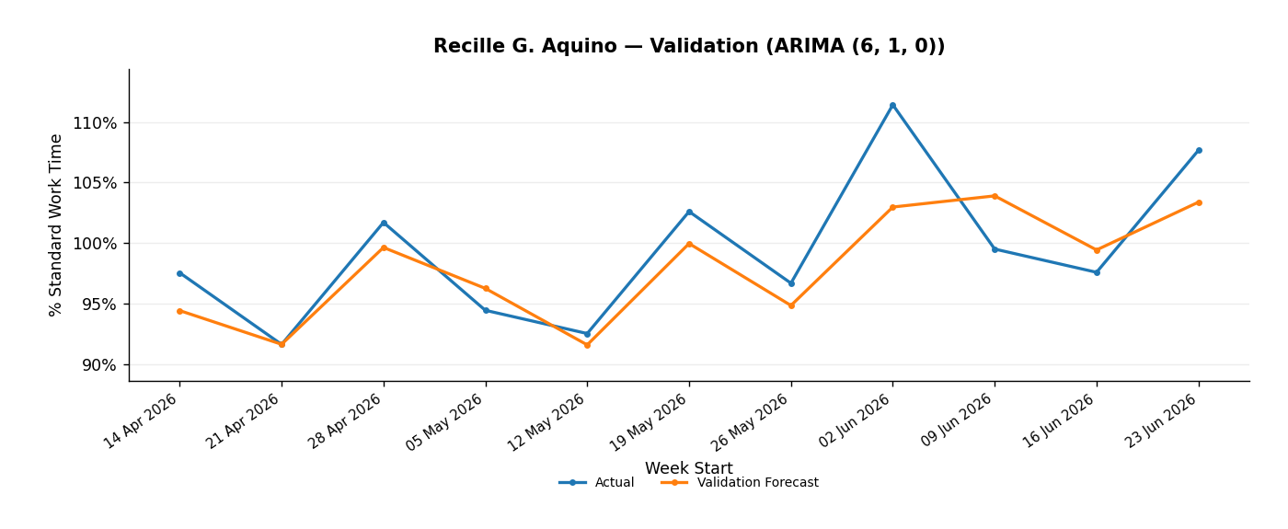
Rolling Validation — Recille G. Aquino
Week Start | Actual | Validation Forecast | Selected Model | Selected Raw RMSE
2026-04-14 | 97.6% | 94.4% | ARIMA (6, 1, 0) | 0.0358047455
2026-04-21 | 91.6% | 91.6% | ARIMA (6, 1, 0) | 0.0358047455
2026-04-28 | 101.7% | 99.6% | ARIMA (6, 1, 0) | 0.0358047455
2026-05-05 | 94.5% | 96.3% | ARIMA (6, 1, 0) | 0.0358047455
2026-05-12 | 92.5% | 91.6% | ARIMA (6, 1, 0) | 0.0358047455
2026-05-19 | 102.6% | 100.0% | ARIMA (6, 1, 0) | 0.0358047455
2026-05-26 | 96.7% | 94.9% | ARIMA (6, 1, 0) | 0.0358047455
2026-06-02 | 111.4% | 103.0% | ARIMA (6, 1, 0) | 0.0358047455
2026-06-09 | 99.5% | 103.9% | ARIMA (6, 1, 0) | 0.0358047455
2026-06-16 | 97.6% | 99.4% | ARIMA (6, 1, 0) | 0.0358047455
2026-06-23 | 107.7% | 103.4% | ARIMA (6, 1, 0) | 0.0358047455

