Introduction
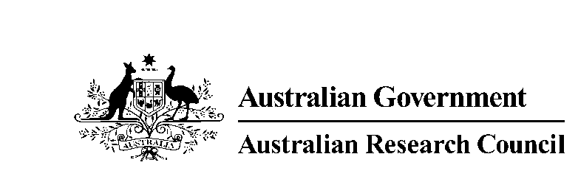 | Australian Research Council GPO Box 2702, Canberra, ACT 2601, Australia www.arc.gov.au ERA@arc.gov.au
 | ERA 2018 Journal List

 | This file contains the ERA 2018 Journal List. There are 25,017 journals included in the list. For each journal, the list includes: • ERA ID (unique to each Journal) • Journal title • Foreign title (where relevant) • Up to three Field of Research (FoR) codes or ‘MD’ for multidisciplinary journals • ISSN(s) The ERA 2018 Journal List was developed for the sole purpose of supporting the ERA 2018 evaluation. It was released to eligible Australian universities in August 2017 to support their submission process. The list is avaialble at https://www.arc.gov.au/excellence-research-australia

 | © Commonwealth of Australia 2019

