Original_Idea
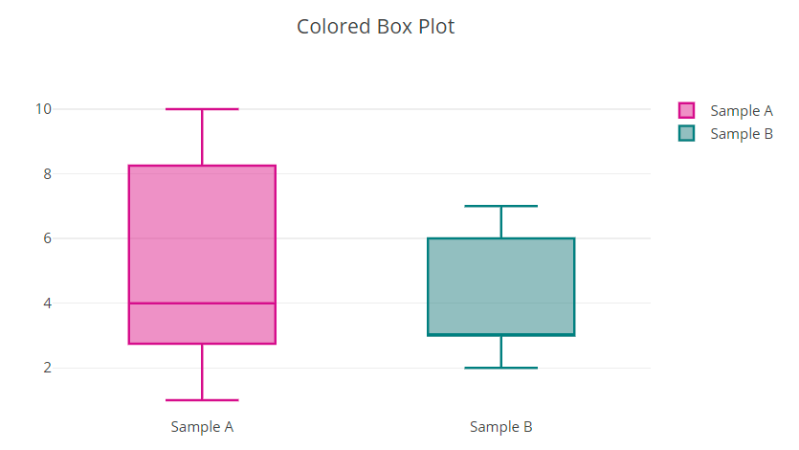

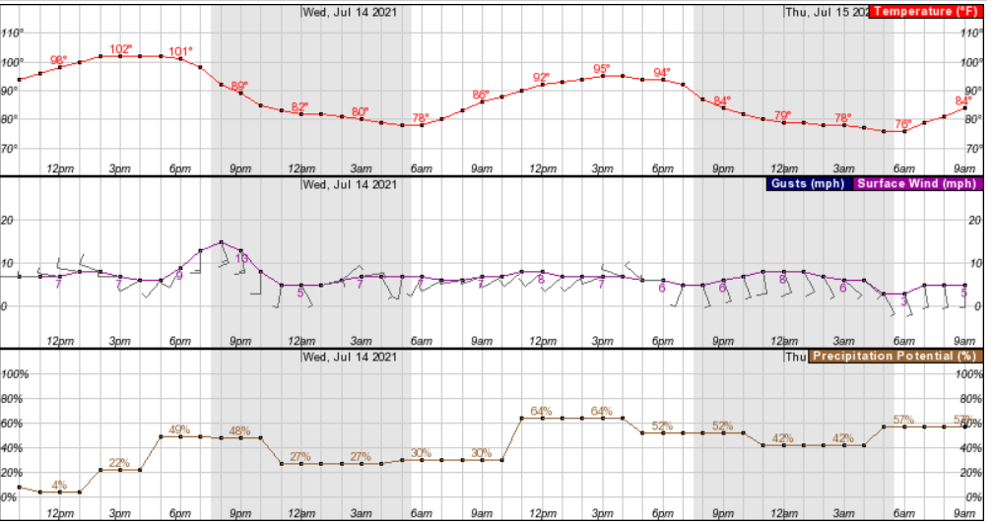
Camp Weather

Update Forecast Button

Dashboard_Idea
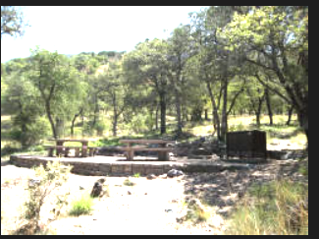
Camp Weather

Update Forecast Button

All Campgrounds 3-Day Temperature Forecast Summary

Show Low Lake Campground Details

Campground Drop Down Menu

Current Fire Conditions
Fire Danger Level

Relevant Links
Forest Service Link

