Sheet1
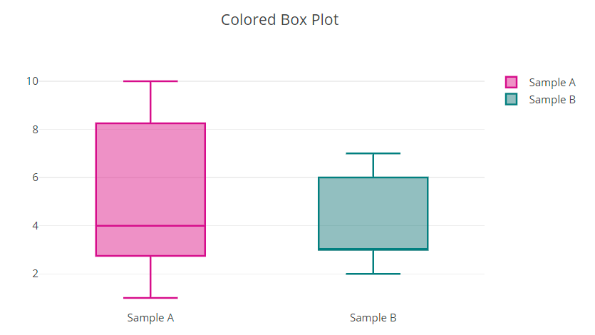

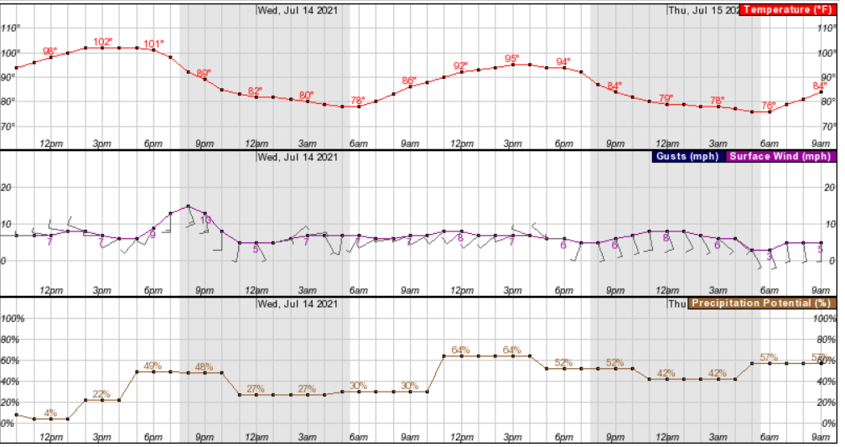
Camp Weather

Update Forecast Button

Sheet2
Camp Weather

Update Forecast Button

Drop Down Menu

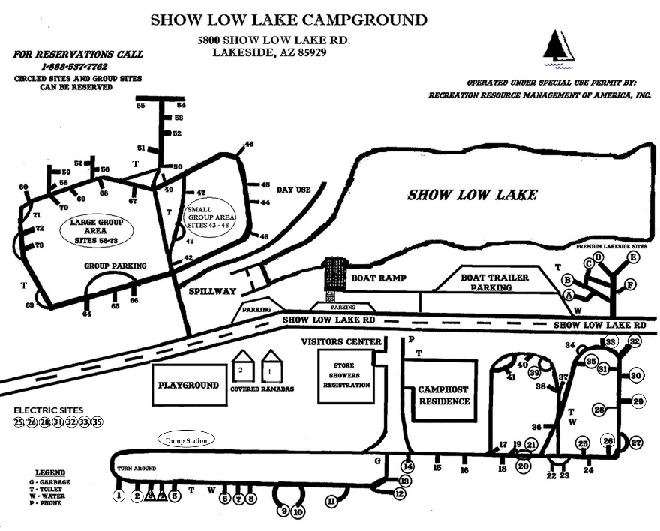
Current Conditions
Temp | 3 pictures on carousel
Winds | Campground Map
Precip | Campsite Picture
Etc. | Google map of campground wrt AZ

 | <iframe src="https://www.google.com/maps/embed?pb=!1m18!1m12!1m3!1d3300.1659429704255!2d-110.00855468358141!3d34.19323628056787!2m3!1f0!2f0!3f0!3m2!1i1024!2i768!4f13.1!3m3!1m2!1s0x8728cb078988acf3%3A0x2ef0c1759f686bae!2sShow%20Low%20Lake%20Campground!5e0!3m2!1sen!2sus!4v1626551145359!5m2!1sen!2sus" width="600" height="450" style="border:0;" allowfullscreen="" loading="lazy"></iframe>

Relevant Links
Full size map
Reservation link

