Dashboard
Spotify Taste Analysis

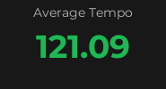
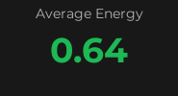
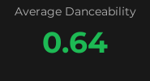
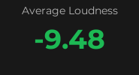
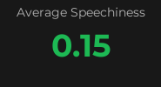
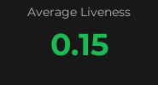

Audio Features by Liked Status
Energy vs Danceability

 | Metric | Average | Max | Min
 | Tempo | 121.1 | 180.0 | 60.2
 | Duration (ms) | 213,409 | 655,213 | 77,203

Valence vs Energy
Advanced Features by Liked Status
Acousticness vs Instrumentalness

