Sheet1
LGA NAME | LGA | WARD NAME | WARD CODE
 | CODE
ABA NORTH | 1 | EZIAMA | 1
 |  | INDUSTRIAL AREA | 2
 |  | OSUSU I | 3
 |  | OSUSU II | 4
 |  | ST. EUGENES BY OKIGWE RD | 5
 |  | URATTA | 6
 |  | OLD ABA GRA | 7
 |  | UMUOLA | 8
 |  | ARIARIA MARKET | 9
 |  | OGBOR I | 10
 |  | OGBOR II | 11
 |  | UMUOGOR | 12

ABA SOUTH | 2 | EZIUKWU | 1
 |  | ASA | 2
 |  | ENYIAMA | 3
 |  | NGWA | 4
 |  | OHAZU I | 5
 |  | OHAZU II | 6
 |  | IGWEBUIKE | 7
 |  | EKEOHA | 8
 |  | GLOUCHESTER | 9
 |  | MOSQUE | 10
 |  | ABA RIVER | 11
 |  | ABA TOWN HALL | 12

AROCHUKWU | 3 | OVUKWU | 1
 |  | OHAEKE | 2
 |  | OHAFOR I | 3
 |  | OHAFOR II | 4
 |  | AROCHUKWU I | 5
 |  | AROCHUKWU II | 6
 |  | IKWUN IHECHIOWA | 7
 |  | ELEOHA IHECHIOWA | 8
 |  | UTUTU | 9
 |  | ISU | 10
 |  | AROCHUKWU III | 11

BENDE | 4 | AMINKALU/AKOLIUFU | 1
 |  | BENDE | 2
 |  | UGWUEKE/EZEUKWU | 3
 |  | IGBERE ‘A’ | 4
 |  | IGBERE ‘B’ | 5
 |  | ITEM ‘A’ | 6

 |  | ITEM ‘B’ | 7
 |  | ITEM ‘C’ | 8
 |  | ITUMBAUZO | 9
 |  | OZUITEM | 10
 |  | UMUHU/EZECHI | 11
 |  | UMU-IMENYI | 12
 |  | UZUAKOLI | 13

IKWUANO | 5 | OLOKO I | 1
 |  | OLOKO II | 2
 |  | IBERE I | 3
 |  | IBERE II | 4
 |  | OBORO I | 5
 |  | OBORO II | 6
 |  | OBORO III | 7
 |  | OBORO IV | 8
 |  | ARIAM | 9
 |  | USAKA | 10

ISIALA NGWA NORTH | 6 | AMASAA NSULU | 1
 |  | UMUNNA NSULU | 2
 |  | ISIALA NSULU | 3
 |  | NGWA UKWU II | 4
 |  | NGWA UKWU I | 5
 |  | IJIE | 6
 |  | AMASAA NTIGHA | 7
 |  | AMAPU NTIGHA | 8
 |  | UMUOHA | 9
 |  | MBAWSI/UMUOMA INTA | 10

ISIALA NGWA SOUTH | 7 | AMAISE/AMAISE AIYABA | 1
 |  | NGWAOBI | 2
 |  | MBUTU UKWU | 3
 |  | MBUTU NGWA | 4
 |  | EHI NA GURU OSOKWA | 5
 |  | AKUNEKPU EZIAMA | 6
 |  | NA OBUBA | 7
 |  | OVUNGWU | 8
 |  | OVUOKWU | 9
 |  | OKPORO AHABA | 10

ISUIKWUATO | 8 | IMENYI | 1
 |  | EZERE | 2
 |  | ISIALA-AMAWU | 3

 |  | ISU-AMAWU | 4
 |  | OGUDUASA | 5
 |  | UMUNNEKWU | 6
 |  | ACHARA/MBAUGWU | 7
 |  | IKEAGHA I | 8
 |  | IKEAGHA II | 9
 |  | UMUANYI/ABSU | 10

OBINGWA | 9 | ABAYI I | 1
 |  | ABAYI II | 2
 |  | MGBOKO UMUANUNU | 3
 |  | MGBOKO ITUN GWA | 4
 |  | AHIABA | 5
 |  | MGBOKO AMAIRI | 6
 |  | ALAUKWU OHANZE | 7
 |  | AKUMAIMO | 8
 |  | NDIAKATA/AMAIRINABUA | 9
 |  | NTIGHAUZO AMAIRI | 10
 |  | IBEME | 11

OHAFIA | 10 | ISAMA OHAFIA | 1
 |  | EBEM OHAFIA | 2
 |  | NDI ELU NKPORO | 3
 |  | NDI ETITI NKPORO | 4
 |  | AMAEKE ABIRIBA | 5
 |  | AMAOGUDU ABIRIBA | 6
 |  | AGBOJI ABIRIBA | 7
 |  | OHAFOR OHAFIA | 8
 |  | OKAMU OHAFIA | 9
 |  | ANIA OHAFIA | 10
 |  | NDI AGBO NKPORO | 11

OSISIOMA NGWA | 11 | AMAVO | 1
 |  | AMAITOLU-MBUTU UMUOJIMA | 2
 |  | AMASATOR | 3
 |  | ARO-NGWA | 4
 |  | AMA-ASAA | 5
 |  | OSO-OKWA | 6
 |  | URATTA | 7
 |  | AMATOR | 8
 |  | UMUNNEISE | 9
 |  | OKPU-UMUOBO | 10

UGWUNAGBO | 12 | WARD ONE | 1
 |  | WARD TWO | 2
 |  | WARD THREE | 3

 |  | WARD FOUR |  | 4
 |  | WARD FIVE |  | 5
 |  | WARD SIX |  | 6
 |  | WARD SEVEN |  | 7
 |  | WARD EIGHT |  | 8
 |  | WARD NINE |  | 9
 |  | WARD TEN |  | 10

UKWA EAST | 13 | IKWURIATOR EAST |  | 1
 |  | IKURIATOR WEST |  | 2
 |  | AZUMINI |  | 3
 |  | UMUIGUBE ACHARA |  | 4
 |  | AKWETE |  | 5
 |  | OBOHIA |  | 6
 |  | IKWUEKE EAST |  | 7
 |  | IKWUEKE WEST |  | 8
 |  | NKPOROBE/OHURU |  | 9
 |  | IKWUORIE |  | 10

UKWA WEST | 14 | ASA NORTH |  | 1
 |  | OBOKWE |  | 2
 |  | OGWE |  | 3
 |  | ASA SOUTH |  | 4
 |  | OBUZOR |  | 5
 |  | IPU WEST |  | 6
 |  | IPU EAST |  | 7
 |  | IPU SOUTH |  | 8
 |  | OZAA UKWU |  | 9
 |  | OZAA WEST |  | 10

UMUAHIA NORTH | 15 | IBEKU EAST I |  | 1
 |  | IBEKU EAST II |  | 2
 |  | NDUME |  | 3
 |  | IBEKU WEST |  | 4
 |  | UMUAHIA URBAN I |  | 5
 |  | UMUAHIA URBAN II |  | 6
 |  | UMUAHIA URBAN III |  | 7
 |  | NKWOACHARA |  | 8
 |  | NKWOEGWU |  | 9
 |  | AFUGIRI |  | 10
 |  | UMUHU |  | 11
 |  | ISINGWU |  | 12

UMUAHIA SOUTH | 16 | EZELEKE/OGBO DIUKWU |  | 1
 |  | OMAEGWU |  | 2
 |  | OHIAOCHA |  | 3
 |  | AMIAUKWU I |  | 4
 |  | AMIAUKWU II |  | 5
 |  | OLD UMUAHIA |  | 6
 |  | AMAKAMA |  | 7
 |  | UBAKALA ‘A’ |  | 8
 |  | NSIRIMO |  | 9
 |  | UBAKALA ‘B’ |  | 10

UMU-NNEOCHI | 17 | AMUDA |  | 1
 |  | UMUAKU |  | 2
 |  | MBALA/ACHARA |  | 3
 |  | EZIN GODO |  | 4
 |  | NDIAWA/UMUELEM/IHIE/AMORIE |  | 5
 |  | EZIAMA-UGWU |  | 6
 |  | EZIAMA-AGBO |  | 7
 |  | UBAHU/AKAWA/AROIKPA |  | 8
 |  | UMUCHIEZE I |  | 9
 |  | UMUCHIEZE II |  | 10
 |  | UMUCHIEZE III |  | 11
 |  | OBINOLU/OBIAGU/LOMARA |  | 12

ADAMAWA STATE

LGA NAME | LGA | WARD NAME | WARD CODE
 | CODE
DEMSA | 1 | BILLE | 1
 |  | BORRONG | 2
 |  | DEMSA | 3
 |  | DILLI | 4
 |  | DONG | 5
 |  | DWAM | 6
 |  | GWAMBA | 7
 |  | KPASHAM | 8
 |  | MBULA-KULI | 9
 |  | NASSARAWO DEMSA | 10

FURORE | 2 | BETI | 1
 |  | FARANG | 2
 |  | FURORE | 3
 |  | GURIN | 4
 |  | KARLAHI | 5
 |  | MAYO-INE | 6
 |  | PARIYA | 7
 |  | RIBADU | 8
 |  | UKI TUKI | 9
 |  | WURO BOKKI | 10
 |  | YADIM | 11

GANYE | 3 | BAKARI GUSO | 1
 |  | GAMU | 2
 |  | GANYE I | 3
 |  | GANYE II | 4
 |  | GURUM | 5
 |  | JAGGU | 6
 |  | SAGASUMI | 7
 |  | SUGU | 8
 |  | TIMDORE | 9
 |  | YEBBI | 10

GEREI | 4 | DAKRI | 1
 |  | DAMARE | 2
 |  | GEREI I | 3
 |  | GEREI II | 4
 |  | GERENG | 5

 |  | JERA BAKARI | 6
 |  | JERA BONYO | 7
 |  | MODIRE/VINIKILANG | 8
 |  | TAMBO | 9
 |  | WURO DOLE | 10

GOMBI | 5 | BOGA | 1
 |  | DUWA | 2
 |  | GA’ANDA | 3
 |  | GABUN | 4
 |  | GARKIDA | 5
 |  | GOMBI NORTH | 6
 |  | GOMBI SOUTH | 7
 |  | GUYAKU | 8
 |  | TAWA | 9
 |  | YANG | 10

GUYUK | 6 | BANJIRAM | 1
 |  | BOBINI | 2
 |  | BODENO | 3
 |  | CHIKILA | 4
 |  | DUKUL | 5
 |  | DUMNA | 6
 |  | GUYUK | 7
 |  | KOLA | 8
 |  | LOKORO | 9
 |  | PUROKAYO | 10

HONG | 7 | BANGSHIKA | 1
 |  | DAKSIRI | 2
 |  | GARAHA | 3
 |  | GAYA SILKAMI | 4
 |  | HILDI | 5
 |  | HONG | 6
 |  | HUSHEREZUM | 7
 |  | KWARHI | 8
 |  | MAYO LOPE | 9
 |  | SHANGUI | 10
 |  | THILBANG | 11
 |  | UBA | 12

JADA | 8 | DANABA | 1
 |  | JADA I | 2
 |  | JABA II | 3
 |  | KOMA I | 4
 |  | KOMA II | 5

 |  | LEKO | 6
 |  | MAPEO | 7
 |  | MAYOKALAYE | 8
 |  | MBULO | 9
 |  | NYIBANGO | 10
 |  | YELLI | 11

LAMURDE | 9 | DUBWANGUN | 1
 |  | GYWANA | 2
 |  | LAFIYA | 3
 |  | LAMURDE | 4
 |  | NGBAKOWO | 5
 |  | NGBEBONGUN | 6
 |  | OPALO | 7
 |  | RIGANGE | 8
 |  | SUWA | 9
 |  | WADUKU | 10

MADAGALI | 10 | BEBEL | 1
 |  | DUHU/SHUWA | 2
 |  | GULAK | 3
 |  | HYAMBULA | 4
 |  | K/WURO NGAYANDI | 5
 |  | MADAGALI | 6
 |  | PALLAM | 7
 |  | SHELMI/VAPURA | 8
 |  | WAGGA | 9
 |  | WULA | 10

MAIHA | 11 | BEBEL | 1
 |  | HUMBUTUDI | 2
 |  | KONKOL | 3
 |  | MAIHA GARI | 4
 |  | MANJEKIN | 5
 |  | MAYO NGULI | 6
 |  | PAKKA | 7
 |  | SORAU ‘U’ | 8
 |  | SORAU ‘B’ | 9
 |  | TAMBAJAM | 10

MAYO-BELWA | 12 | BAJAMA | 1
 |  | BINYERI | 2
 |  | GANGFADA | 3
 |  | GENGLE | 4
 |  | GOROBI | 5

 |  | MAYO-BELWA | 6
 |  | MAYO-FARANG | 7
 |  | NASSARAWO JERENG | 8
 |  | NDIKONG | 9
 |  | RIBADU | 10
 |  | TOLA | 11
 |  | YOFFO | 12

MICHIKA | 13 | BAZZA MARGI | 1
 |  | FUTUDOU/FUTULES | 2
 |  | GARTA/GHUNCHI | 3
 |  | JIGALAMBU | 4
 |  | MADZI | 5
 |  | MICHIKA I | 6
 |  | MICHIKA II | 7
 |  | MINKISI/WURO NGIKI | 8
 |  | MODA/DLAKA/GHENJUWA | 9
 |  | MUNKA VICITA | 10
 |  | SINA KWANDE | 11
 |  | THUKUDOU/SUFUKU/ZAH | 12
 |  | TSUKUMU/TILLIJO | 13
 |  | TUMBARA NGABILI | 14
 |  | VI/BOKA | 15
 |  | WAMBLIMI/TILLI | 16

MUBI NORTH | 14 | BAHULI | 1
 |  | BETSO | 2
 |  | DIGIL | 3
 |  | KOLERE | 4
 |  | LOKUWA | 5
 |  | MAYO-BANI | 6
 |  | MIJILU | 7
 |  | MUCHALA | 8
 |  | SABON-LAYI | 9
 |  | VITIM | 10
 |  | YELWA | 11

MUBI SOUTH | 15 | DIRBISHI/GANDIRA | 1
 |  | DUVU/CHABA/GIRBURUM | 2
 |  | GELLA | 3
 |  | GUDE | 4
 |  | KWAJA | 5
 |  | LAMORDE | 6
 |  | MUJARA | 7
 |  | MUGULBU/YADAFA | 8
 |  | NASSARAWO | 9

 |  | NDUKU |  |  | 10

NUMAN | 16 | BARE |  |  | 1
 |  | BOLKI |  |  | 2
 |  | GAMADIO |  |  | 3
 |  | IMBURU |  |  | 4
 |  | KODOMTI |  |  | 5
 |  | NUMAN I |  |  | 6
 |  | NUMAN II |  |  | 7
 |  | NUMAN II |  |  | 8
 |  | SABON PEGI |  |  | 9
 |  | VULPI |  |  | 10

SHELLENG | 17 | BAKTA |  |  | 1
 |  | BODWAI |  |  | 2
 |  | GUNDO |  |  | 3
 |  | GWAPOPOLOK |  |  | 4
 |  | JUMBUL |  |  | 5
 |  | KETEMBERE |  |  | 6
 |  | KIRI |  |  | 7
 |  | LIBBO |  |  | 8
 |  | SHELLENG |  |  | 9
 |  | TALLUM |  |  | 10

SONG | 18 | DIRMA |  |  | 1
 |  | DUMNE |  |  | 2
 |  | GUDU MBOI |  |  | 3
 |  | KILANGE FUNA |  |  | 4
 |  | KILANGE HIRNA |  |  | 5
 |  | SIGIRE |  |  | 6
 |  | SUKTU |  |  | 7
 |  | SONG GARI |  |  | 8
 |  | SONG WAJE |  |  | 9
 |  | WALTANDI |  |  | 10
 |  | ZUMO |  |  | 11

TOUNGO | 19 | DAWO I |  |  | 1
 |  | DAWO II |  |  | 2
 |  | GUMTI |  |  | 3
 |  | KIRI I |  |  | 4
 |  | KIRI II |  |  | 5
 |  | KOGIN BABA I |  |  | 6
 |  | KOGIN BABA II |  |  | 7
 |  | TOUNGO I |  |  | 8
 |  | TOUNGO II |  |  | 9
 |  | TOUNGO III |  |  | 10

YOLA NORTH | 20 | ALKALAWA |  |  | 1
 |  | AJIYA |  |  | 2
 |  | DOUBELI |  |  | 3
 |  | GWADABAWA |  |  | 4
 |  | JAMBUTU |  |  | 5
 |  | KAREWA |  |  | 6
 |  | LIMAWA |  |  | 7
 |  | LUGGERE |  |  | 8
 |  | NASSARAWO |  |  | 9
 |  | RUMDE |  |  | 10
 |  | YELWA |  |  | 11

YOLA SOUTH | 21 | ADARAWO |  |  | 1
 |  | BAKO |  |  | 2
 |  | BOLE/YOLDE PATE |  |  | 3
 |  | NAMTARI |  |  | 4
 |  | NGURORE |  |  | 5
 |  | MAKAMA ‘A’ |  |  | 6
 |  | MAKAMA ‘B’ |  |  | 7
 |  | MBAMBA |  |  | 8
 |  | MBAMOI |  |  | 9
 |  | TOUNGO |  |  | 10
 |  | YOLDE KOHI |  |  | 11

AKWA IBOM STATE

LGA NAME | LGA | WARD NAME | WARD CODE
 | CODE
ABAK | 1 | ABAK URBAN I | 1
 |  | ABAK URBAN II | 2
 |  | ABAK URBAN III | 3
 |  | ABAK URBAN IV | 4
 |  | AFAHA OBONG I | 5
 |  | AFAHA OBONG II | 6
 |  | MIDIM I | 7
 |  | MIDIM II | 8
 |  | OTORO I | 9
 |  | OTORO II | 10
 |  | OTORO III | 11

EASTERN OBOLO | 2 | EASTERN OBOLO I | 1
 |  | EASTERN OBOLO II | 2
 |  | EASTERN OBOLO | 3
 |  | III
 |  | EASTERN OBOLO | 4
 |  | IV
 |  | EASTERN OBOLO V | 5
 |  | EASTERN OBOLO | 6
 |  | VI
 |  | EASTERN OBOLO | 7
 |  | VII
 |  | EASTERN OBOLO | 8
 |  | VIII
 |  | EASTERN OBOLO | 9
 |  | IX
 |  | EASTERN OBOLO X | 10

EKET | 3 | EKET URBAN I | 1
 |  | EKET URBAN II | 2
 |  | EKET URBAN III | 3
 |  | EKET URBAN IV | 4
 |  | EKET CENTRAL I | 5
 |  | EKET CENTRAL II | 6
 |  | EKET CENTRAL III | 7
 |  | EKET CENTRAL IV | 8
 |  | EKET CENTRAL V | 9
 |  | OKON I | 10
 |  | OKON II | 11

ESIT EKET (UQUO) | 4 | EKPENE OBO | 1
 |  | EDOR | 2
 |  | EBE EKPI | 3
 |  | IKPA | 4
 |  | UQUO | 5
 |  | EBIGHI OKPONO | 6
 |  | ETEBI IDUNG ASSAN | 7
 |  | ETEBI AKWATA | 8
 |  | AKPAUTONG | 9
 |  | NTAK INYANG | 10

ESSIEN UDIM | 5 | ADIASIM | 1
 |  | AFAHA | 2
 |  | EKPENEYONG I | 3
 |  | EKPENYONG II | 4
 |  | IKPE ANNANG | 5
 |  | ODORO IKO I | 6
 |  | ODORO IKOT II | 7
 |  | OKON | 8
 |  | UKANA EAST | 9
 |  | UKANA WEST I | 10
 |  | UKANA WEST II | 11

ETIM EKPO | 6 | ETIM EKPO I | 1
 |  | ETIM EKPO II | 2
 |  | ETIM EKPO III | 3
 |  | ETIM EKPO IV | 4
 |  | ETIM EKPO V | 5
 |  | ETIM EKPO VI | 6
 |  | ETIM EKPO VII | 7
 |  | ETIM EKPO VIII | 8
 |  | ETIM EKPO IX | 9
 |  | ETIM EKPO X | 10

ETINAN | 7 | ETINAN URBAN I | 1
 |  | ETINAN URBAN II | 2
 |  | ETINAN URBAN III | 3
 |  | ETINAN URBAN IV | 4
 |  | ETINAN URBAN V | 5
 |  | SOUTHERN IMAN I | 6
 |  | SOUTHERN IMAN II | 7
 |  | SOUTHERN IMAN | 8
 |  | III
 |  | SOUTHERN IMAN | 9
 |  | IV

 |  | NORTHERN IMAN I | 10
 |  | NORTHERN IMAN | 11
 |  | II

IBENO | 8 | IBENO I | 1
 |  | IBENO I | 2
 |  | IBENO I | 3
 |  | IBENO I | 4
 |  | IBENO I | 5
 |  | IBENO I | 6
 |  | IBENO I | 7
 |  | IBENO I | 8
 |  | IBENO I | 9
 |  | IBENO I | 10

IBESIKPO ASUTAN | 9 | IBESIKPO I | 1
 |  | IBESIKPO II | 2
 |  | IBESIKPO III | 3
 |  | IBESIKPO IV | 4
 |  | IBESIKPO V | 5
 |  | AUSTAN I | 6
 |  | AUSTAN II | 7
 |  | AUSTAN III | 8
 |  | AUSTAN IV | 9
 |  | AUSTAN V | 10

IBIONO IBOM | 10 | IBIONO EASTERN I | 1
 |  | IBIONO EASTERN II | 2
 |  | IBIONO WESTERN I | 3
 |  | IBIONO WESTERN | 4
 |  | II
 |  | IBIONO SOUTHERN | 5
 |  | I
 |  | IBIONO | 6
 |  | SOURTHERN II
 |  | IBIONO NORTHERN | 7
 |  | I
 |  | IBIONO NORTHERN | 8
 |  | II
 |  | IBIONO CENTRAL I | 9
 |  | IBIONO CENTRAL | 10
 |  | II
 |  | IKPANYA | 11

IKA | 11 | IKA URBAN | 1
 |  | IKA URBAN | 2
 |  | ACHAN I | 3

 |  | ACHAN II | 4
 |  | ACHAN III | 5
 |  | ITIO I | 6
 |  | ITIO II | 7
 |  | ITIO III | 8
 |  | ODORO I | 9
 |  | ODORO II | 10

IKONO | 12 | IKONO MIDDLE I | 1
 |  | IKONO MIDDLE II | 2
 |  | IKONO MIDDLE III | 3
 |  | IKONO MIDDLE IV | 4
 |  | IKONO SOUTH | 5
 |  | NKWO I | 6
 |  | NKWO II | 7
 |  | NDIYA/IKOT IDANA | 8
 |  | EDIENE I | 9
 |  | EDIENE II | 10
 |  | ITAK | 11

IKOT ABASI | 13 | IKPA EBEKWE I | 1
 |  | IKPA EBEKWE II | 2
 |  | UKPUM ETE I | 3
 |  | UKPUM ETE II | 4
 |  | UKPUM OKON | 5
 |  | EDEMAYA I | 6
 |  | EDEMAYA II | 7
 |  | EDEMAYA III | 8
 |  | IKPA NUNG ASANG | 9
 |  | I
 |  | IKPA NUNG ASANG | 10
 |  | II

IKOT EKPENE | 14 | IKOT EKPENE I | 1
 |  | IKOT EKPENE II | 2
 |  | IKOT EKPENE III | 3
 |  | IKOT EKPENE IV | 4
 |  | IKOT EKPENE V | 5
 |  | IKOT EKPENE VI | 6
 |  | IKOT EKPENE VII | 7
 |  | IKOT EKPENE VIII | 8
 |  | IKOT EKPENE IX | 9
 |  | IKOT EKPENE X | 10
 |  | IKOT EKPENE XI | 11

INI | 15 | IKPE I | 1

 |  | IKPE II |  | 2
 |  | ITU MBONUSO |  | 3
 |  | NKARI |  | 4
 |  | IWERRE |  | 5
 |  | IKONO NORTH I |  | 6
 |  | IKONO NORTH II |  | 7
 |  | IKONO NORTH III |  | 8
 |  | ODORO UKWOK |  | 9
 |  | USUK UKWOK |  | 10

ITU | 16 | OKU IBOKU |  | 1
 |  | MBIABO/AYADEHE |  | 2
 |  | EAST IAM I |  | 3
 |  | EAST ITAM II |  | 4
 |  | EAST ITAM III |  | 5
 |  | EAST ITAM IV |  | 6
 |  | EAST ITAM V |  | 7
 |  | WEST ITAM I |  | 8
 |  | WEST ITAM II |  | 9
 |  | WEST ITAM III |  | 10

MBO | 17 | ENWANG I |  | 1
 |  | EWANG II |  | 2
 |  | EBUCHU I |  | 3
 |  | EBUCHU II |  | 4
 |  | UDESI |  | 5
 |  | EFFIAT I |  | 6
 |  | EFFIAT II |  | 7
 |  | IBAKA |  | 8
 |  | UDA I |  | 9
 |  | UDA II |  | 10

MKPAT ENIN | 18 | UKPUM MINYA I |  | 1
 |  | UKPUM MINYA II |  | 2
 |  | UKPUM MINYA III |  | 3
 |  | UKPUM IV |  | 4
 |  | IKPA IBOM I |  | 5
 |  | IKPA IBOM II |  | 6
 |  | IKPA IBOM III |  | 7
 |  | IKPA IBOM IV |  | 8
 |  | IBIAKU I |  | 9
 |  | IBIAKU II |  | 10
 |  | IBIAKU III |  | 11
 |  | IKPA IKONO I |  | 12
 |  | IKPA IKONO II |  | 13
 |  | IKPA IKONO III |  | 14

NSIT ATAI | 19 | EASTERN NSIT I | 1
 |  | EASTERN NSIT II | 2
 |  | EASTERN NSIT III | 3
 |  | EASTERN NSIT IV | 4
 |  | EASTERN NSIT V | 5
 |  | EASTERN NSIT VI | 6
 |  | EASTERN NSIT VII | 7
 |  | EASTERN NSIT VIII | 8
 |  | EASTERN NSIT IX | 9
 |  | EASTERN NSIT X | 10

NSIT IBOM | 20 | ASANG I | 1
 |  | ASANG II | 2
 |  | ASANG III | 3
 |  | ASANG IV | 4
 |  | ASANG V | 5
 |  | MBIASO I | 6
 |  | MBIASO II | 7
 |  | MBIASO III | 8
 |  | MBIASO IV | 9
 |  | MBIASO V | 10

NSIT UBIUM | 21 | IBIAKPAN/OBOTIM I | 1
 |  | IBIAKPAN/OBOTIM II | 2
 |  | ITRETO | 3
 |  | NDIYA | 4
 |  | UBIUM NORTH I | 5
 |  | UBIUM NORTH II | 6
 |  | UBIUM NORTH III | 7
 |  | UBIUM SOUTH I | 8
 |  | UBIUM SOUTH II | 9
 |  | UBIUM SOUTH III | 10

OBOT AKARA | 22 | IKOT ABIA I | 1
 |  | IKOT ABIA II | 2
 |  | IKOT ABIA III | 3
 |  | OBOT AKARA I | 4
 |  | OBOT AKARA II | 5
 |  | OBOT AKARA III | 6
 |  | NTO EDINO I | 7
 |  | NTO EDINO II | 8
 |  | NTO EDINO III | 9
 |  | NTO EDINO IV | 10

OKOBO | 23 | OKOPEDI I | 1

 |  | OKOPEDI II | 2
 |  | NUNG ATI/UBE I | 3
 |  | NUNG ATAI/UBE II | 4
 |  | AKAI/MBOKPU/UDUNG | 5
 |  | EWEME I | 6
 |  | EWEME II | 7
 |  | OFFI I | 8
 |  | OFFI II | 9
 |  | EKEYA | 10

ONNA | 24 | AWA I | 1
 |  | AWA II | 2
 |  | AWA III | 3
 |  | AWA IV | 4
 |  | NUNG UDEM I | 5
 |  | NUNG UDEM II | 6
 |  | ONIONG EAST I | 7
 |  | ONIONG EAST II | 8
 |  | ONIONG EAST III | 9
 |  | ONIONG WEST I | 10
 |  | ONIONG WEST II | 11
 |  | ONIONG EAST III | 12

ORON | 25 | ORON URBAN I | 1
 |  | ORON URBAN II | 2
 |  | ORON URBAN III | 3
 |  | ORON URBAN IV | 4
 |  | ORON URBAN V | 5
 |  | ORON URBAN VI | 6
 |  | ORON URBAN VII | 7
 |  | ORON URBAN VIII | 8
 |  | ORON URBAN IX | 9
 |  | ORON URBAN X | 10

ORUK ANAM | 26 | IKOT IBRITAM I | 1
 |  | IKOT IBRITAM II | 2
 |  | NDOT/IK.OKORO I | 3
 |  | NDOT/IK. OKORO II | 4
 |  | NDOT/IK. OKORO III | 5
 |  | IBESIT | 6
 |  | EKPARAKWA | 7
 |  | ABAK MIDIM I | 8
 |  | ABAK MIDIM II | 9
 |  | ABAK MIDIM III | 10
 |  | ABAK MIDIMI IV | 11
 |  | IBESIT/NUNG IKOT I | 12

 |  | IBESIT/NUNG IKOT II | 13

UDUNG UKO | 27 | UDUNG UKO I | 1
 |  | UDUNG UKO II | 2
 |  | UDUNG UKO III | 3
 |  | UDUNG UKO IV | 4
 |  | UDUNG UKO V | 5
 |  | UDUNG UKO VI | 6
 |  | UDUNG UKO VII | 7
 |  | UDUNG UKO VIII | 8
 |  | UDUNG UKO IX | 9
 |  | UDUNG UKO X | 10

UKANAFUN | 28 | UKANAFUN URBAN | 1
 |  | SOUTHERN UKANAFUN I | 2
 |  | SOUTHERN UKANAFUN II | 3
 |  | NORTHERN UKANAFUN I | 4
 |  | NORTHERN UKANAFUN II | 5
 |  | NORTHERN AFAHA I | 6
 |  | NORTHERN AFAHA | 7
 |  | II
 |  | SOUTHERN AFAHA | 8
 |  | ADAT IFANG I
 |  | SOUTHERN AFAHA | 9
 |  | ADAT IFANG II
 |  | SOUTHERN AFAHA | 10
 |  | ADAT IFANG III
 |  | SOUTHERN AFAHA ADAT IFANG IV | 11

URUAN | 29 | CENTRAL URUAN I | 1
 |  | CENTRAL URUAN II | 2
 |  | CENTRAL URUAN III | 3
 |  | NORTHERN URUAN I | 4
 |  | NORTHERN URUAN | 5
 |  | II
 |  | SOUTHERN URUAN | 6
 |  | III
 |  | SOUTHERN URUAN | 7
 |  | IV
 |  | SOUTHERN URUAN V | 8
 |  | SOUTHERN URUAN | 9
 |  | VI
 |  | SOUTHERN URUAN | 10
 |  | VII
 |  | SOUTHERN URUAN | 11
 |  | VIII

URUE OFFONG/ ORUKO | 30 | URUE OFFONG I | 1
 |  | URUE OFFONG II | 2
 |  | URUE OFFONG III | 3
 |  | URUE OFFONG IV | 4
 |  | URUE OFFONG V | 5
 |  | ORUKU I | 6
 |  | ORUKU II | 7
 |  | ORUKU III | 8
 |  | ORUKU IV | 9
 |  | ORUKU V | 10

UYO | 31 | UYO URBAN I | 1
 |  | UYO URBAN II | 2
 |  | UYO URBAN III | 3
 |  | ETOI I | 4
 |  | ETOI II | 5
 |  | OFFOT I | 6
 |  | OFFOT II | 7
 |  | IKONO I | 8
 |  | IKONO II | 9
 |  | OKU I | 10
 |  | OKU II | 11

ANAMBRA STATE

LGA NAME | LGA | WARD NAME | WARD CODE
 | CODE
AGUATA | 1 | AKPO | 1
 |  | ACHINA I | 2
 |  | ACHINA II | 3
 |  | AGULUEZE CHUKWU | 4
 |  | AMESI | 5
 |  | EKWULOBIA I | 6
...
 |  | EKPASHI | 8
 |  | KAKWAGOM/BAWOP | 9
 |  | OGEP/OSOKOM | 10
 |  | OKUM/BORUM/NJUA | 11

CALABAR | 8 | I | 1
MUNICIPALITY
 |  | II | 2
 |  | III | 3
 |  | IV | 4
 |  | V | 5
 |  | VI | 6
 |  | VII | 7
 |  | VIII | 8
 |  | IX | 9
 |  | X | 10

CALABAR SOUTH | 9 | ONE (I) | 1
 |  | TWO (2) | 2
 |  | THREE (3) | 3
 |  | FOUR (4) | 4
 |  | FIVE (5) | 5
 |  | SIX (6) | 6
 |  | SEVEN (7) | 7
 |  | EIGHT (8) | 8
 |  | NINE (9) | 9
 |  | TEN (10) | 10
 |  | ELEVEN (11) | 11
 |  | TWELVE (12) | 12

ETUNG | 10 | ABIA | 1
 |  | ABIJANG | 2
 |  | AGBOKIM | 3
 |  | AJASSOR | 4
 |  | BENDEGHE EKIEM | 5
 |  | EFFRAYA | 6
 |  | ETOMI | 7
 |  | ITAKA | 8
 |  | MKPOT/AYUKABA | 9
 |  | NSOFANG | 10

IKOM | 11 | ABANYUM | 1
 |  | AKPARABONG | 2
 |  | IKOM URBAN I | 3
 |  | IKOM URBAN II | 4
 |  | NDE | 5
 |  | NNAM | 6
 |  | NTA/NSELLE | 7
 |  | OFUTOP I | 8
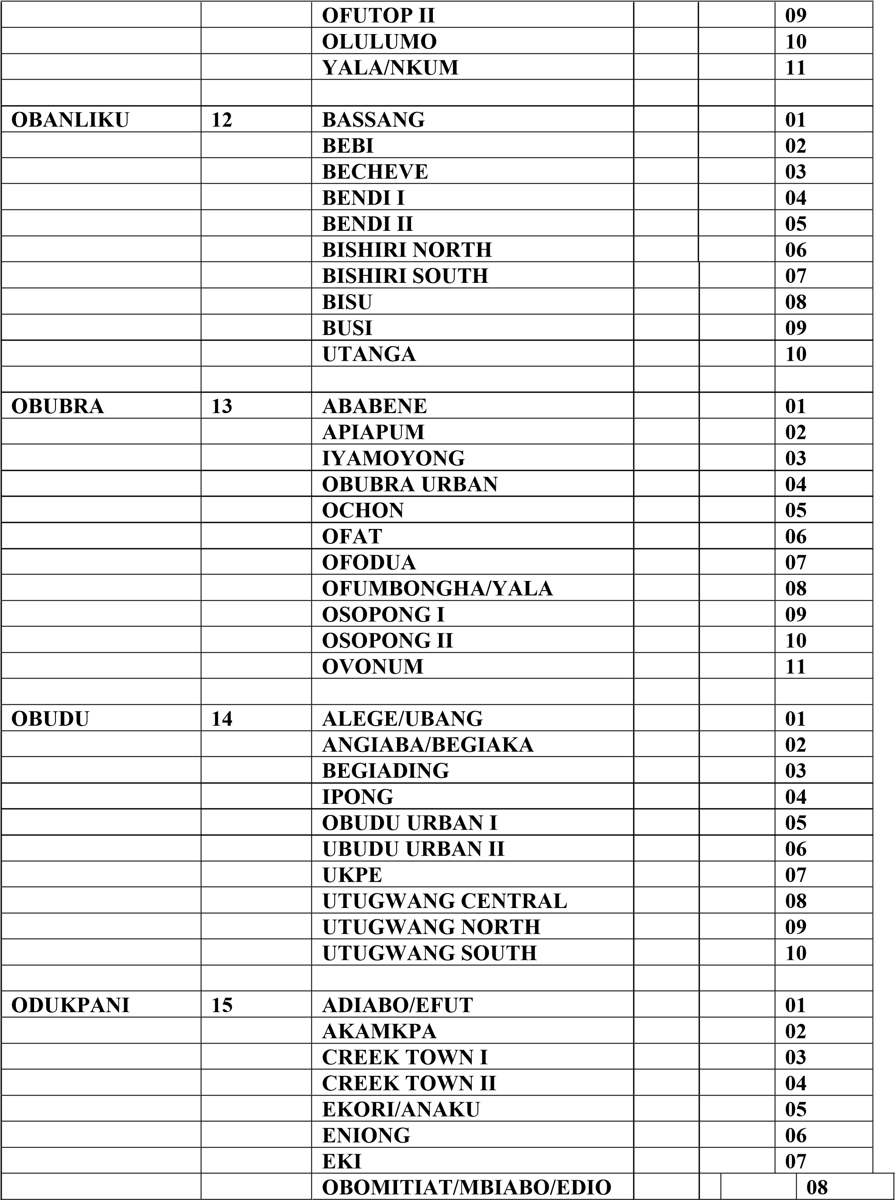
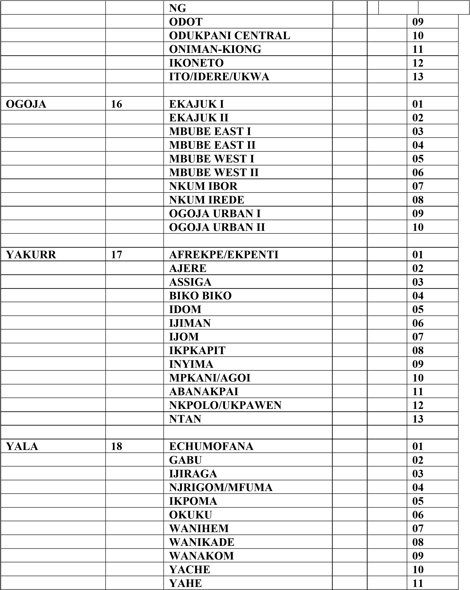

DELTA STATE

LGA NAME | LGA | WARD NAME | WAR
 | CODE |  | D
 |  |  | CODE
ANIOCHA NORTH | 1 | OBIOR | 1
 |  | ONICHA-UGBO | 2
 |  | OBAMKPA | 3
 |  | ONICHA-OLONA | 4
 |  | ISSELE-AZAGBA | 5
 |  | ISSELE-UKU I | 6
 |  | ISSELE-UKU II | 7
 |  | IDUMUJE-UNOR | 8
 |  | UKWU-NZU | 9
 |  | EZI | 10

ANIOCHA SOUTH | 2 | OGWASHI-UKU VILLAGE | 1
 |  | OGWASHI-UKU I | 2
 |  | OGWASHI-UKU II | 3
 |  | UBULU-KU I | 4
 |  | UBULU-KU II | 5
 |  | UBULU-UNOR | 6
 |  | NSUKWA | 7
 |  | EJEME | 8
 |  | ISHEAGU/EWULU | 9
 |  | ABA-UNOR | 10
 |  | UBULU OKITI | 11

BOMADI | 3 | BOMADI | 1
 |  | KPAKIAMA | 2
 |  | SYAMA | 3
 |  | OGRIAGBENE | 4

 |  | KOLOFIOGBENE/EKEMET AGBENE | 5
 |  | OGBEINAMA/OKOLOBA | 6
 |  | AKUGBENE I | 7
 |  | AKUGBENE II | 8
 |  | AKUGBENE III | 9
 |  | OGO-EZE | 10

BURUTU | 4 | TORUGBENE | 1
 |  | TAMIGBE | 2
 |  | TUOMO | 3
 |  | SEIBIRI | 4
 |  | OJOBO | 5
 |  | BULOU-NDORO | 6
 |  | NGBILEBIRI I | 7
 |  | NGBILEBIRI II | 8
 |  | OGBOLUBIRI | 9
 |  | OBOTEBE | 10
 |  | OGULAGHA | 11

ETHIOPEEAST | 5 | ABRAKA I | 1
 |  | ABRAKA II | 2
 |  | ABRAKA III | 3
 |  | AGBON I | 4
 |  | AGBON II | 5
 |  | AGBON III | 6
 |  | AGBON IV | 7
 |  | AGBON V | 8
 |  | AGBON VI | 9
 |  | AGBON VII | 10
 |  | AGBON VIII | 11

ETHIOPEWEST | 6 | MOSOGAR I | 1
 |  | MOSOGAR II | 2
 |  | JESSE I | 3
 |  | JESSE II | 4
 |  | JESSE III | 5
 |  | JESSE IV | 6
 |  | OGHARA I | 7
...

