Bank Nifty Futures
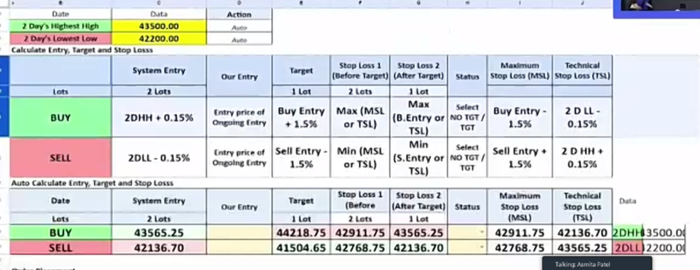
Bank Nifty Futures
2 Days Higher High | 2 days lower low
43500 | 42200

Buy |  | Stop Loss which ever is highesh
Entry point(2DHH+0.15%) | Target(Entry point+1.5%) | Stop loss(Entry point -1.5%) | Stop Loss(2DLL-0.15%)
43565.25 | 44218.72875 | 42911.77125 | 42136.7

Sell |  | Stop Loss which ever is lowest
Entry point(2DLL-0.15%) | Target(Entry point-1.5%) | Stop loss(Entry point +1.5%) | Stop Loss(2DHH+0.15%)
42136.7 | 41504.6495 | 42768.7505 | 43565.25

