Sheet1
WonderZon Retailer
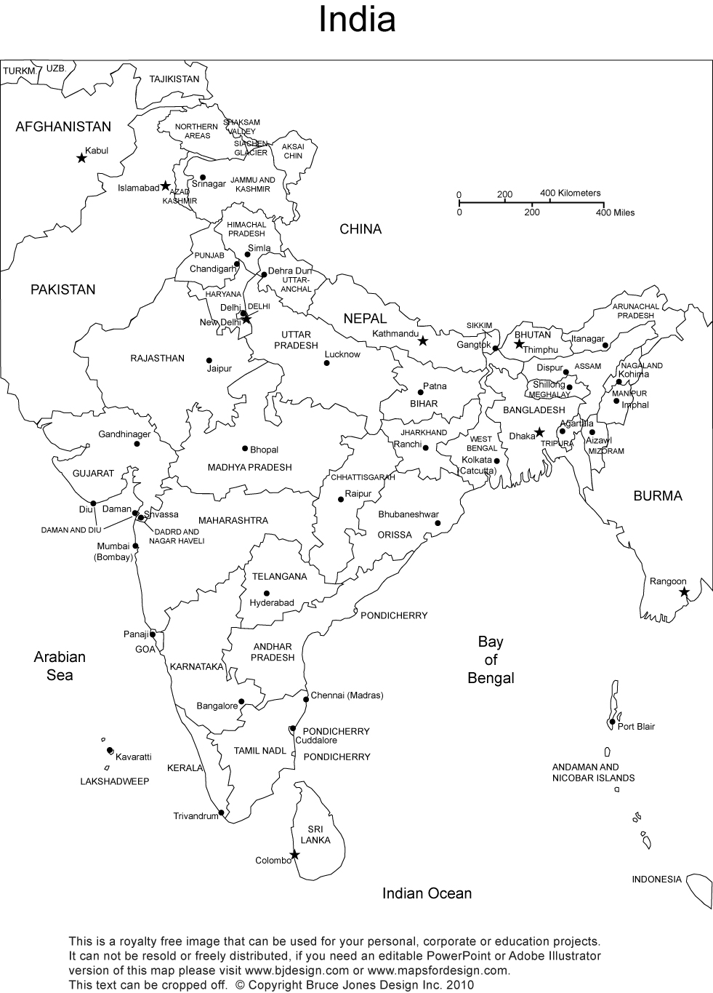

G(25)
 |  | Delivery Centers
 | From / To | Bengaluru (B) | Hyderabad (H) | Chennai (C)
Warehouses | Gurgoan (G) | 116 | 106 | 115
 | Mumbai (M) | 110 | 95 | 112

Delivery Centers | Minimum Quantity |  | Warehouses | Max Shipment capacity (Quanity)
Bengaluru (B) | 20 |  | Gurgoan | 25
Hyderbad(H) | 25 |  | Mumbai | 50
Chennai(C) | 15

M(50)
H(>10)
 |  | Route | Quantity | Cost
Gurgoan (G) Shipping | 30 | G->B | 10 | 1160
Mumbai (M) Shipping | 60 | G->H | 10 | 1060
 |  | G->C | 10 | 1150
Bangalore(B) receive | 30 | M->B | 20 | 2200
Hyderabad(H) receive | 30 | M->H | 20 | 1900
B(>20)
C(>15)
Chennai(C) receive | 30 | M->C | 20 | 2240
 |  |  | Total Cost | 9710

