OutputForces
 | Scenario | F_0x | F_0y | F_0z | F_1x | F_front_upper - rod end | F_rear_upper - rod end | F_front_lower - rod end | F_rear_lower - rod end | F_damper | F_steering | UBJ - spherical | LBJ - spherical
0 | Self weight | 0 | 0 | 750 | 0 | 59.135406112 | -200.25132491 | 182.59114944 | 743.21278157 | -1068.1737277 | -9.16E-12 | 165.04510306 | 903.80193476
1 | Brake | -237 | 0 | 95 | 0 | 236.22534404 | -142.99594353 | -719.61598574 | 529.99458248 | -135.33643368 | 62.869027352 | 172.01667145 | 386.12406655
2 | Corner Outside | 0 | 3909 | 1563 | 0 | 1115.0150617 | -3775.7962291 | -3810.4123247 | 11605.818879 | -2569.2846428 | -2.32E-10 | 3111.9728075 | 8595.729809
3 | Corner Outside Brake | -3774 | 3774 | 1774 | 0 | 4739.7856074 | -5589.3048767 | -15441.802839 | 18408.151159 | -2858.4927406 | 1001.1295748 | 4136.5921312 | 9649.8735794
4 | Corner + Accelerate | 4493 | 4001 | 1780 | 0 | -3180.8442639 | -1682.7572951 | 10224.582328 | 3794.7089173 | -2885.7678347 | -1191.8588181 | 4510.3399355 | 13602.616566
5 | Max compression | -3774 | 0 | 95 | 0 | -3180.8442639 | -5589.3048767 | -15441.802839 | 529.99458248 | -2885.7678347 | -1191.8588181 | 165.04510306 | 386.12406655
6 | Max tension | 4493 | 4001 | 1780 | 0 | 4739.7856074 | -142.99594353 | 10224.582328 | 18408.151159 | -135.33643368 | 1001.1295748 | 4510.3399355 | 13602.616566
 |  |  |  |  |  | ^ Forces go here ^
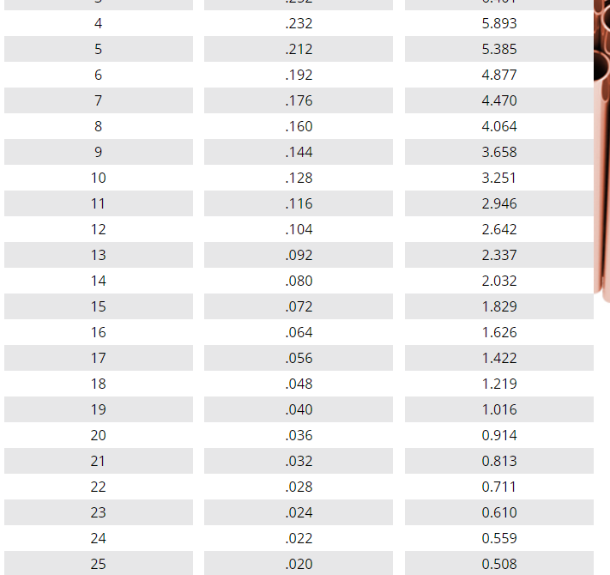
 | E / Pa | 2.10E+11
 | Yield Stress / Pa | 2.40E+08 |  |  |  | Upper |  | Lower |  | Damper | Track rod |  | Key
 |  |  |  |  | Length/mm | 427 | 212 | 512 | 340 | 366 | 394 |  | Input
 |  |  |  |  | Outer diameter/in | 0.5 | 0.5 | 0.75 | 0.75 | 0.5 | 0.5 |  | Intermediate
 |  |  |  |  | Outer diameter/mm | 12.7 | 12.7 | 19.05 | 19.05 | 12.7 | 12.7 |  | Output
 | Buckle safety factor | 2 |  |  | Outer radius/m | 0.00635 | 0.00635 | 0.009525 | 0.009525 | 0.00635 | 0.00635
 | Tensile yield safety factor | 2 |  | Buckle | Required I/m^4 | 5.60E-10 | 2.42E-10 | 3.91E-09 | -5.91E-11 | 3.73E-10 | 1.79E-10
 | Bearing safety factor | 2 |  |  | Required thickness/mm | 0.85 | 0.33 | 1.97 | Tension only | 0.53 | 0.23
 |  |  |  | Tension | Required area/m^2 | 3.95E-05 | -1.19E-06 | 8.52E-05 | 1.53E-04 | -1.13E-06 | 8.34E-06
 |  |  |  |  | Required thickness/mm | 1.08 | -0.03 | 1.55 | 3.05 | -0.03 | 0.21
 |  |  |  | Overall | Critical Thickness/mm | 1.08 | 0.33 | 1.97 | 3.05 | 0.53 | 0.23
 |  |  |  |  | Critical Thickness/in | 0.043 | 0.013 | 0.078 | 0.120 | 0.021 | 0.009

 |  |  |  |  |  | Rod ends and spherical bearings - load requirements
 |  |  |  |  |  | 9479.5712148 | 11178.609753 | 30883.605679 | 36816.302317 | 5771.5356695 | 2383.7176362 | 9020.679871 | 27205.233131
 |  |  |  |  |  |  | 3/8" 16SWG |  |  |  | 3/8" 16SWG |  |  |  | Thickness
 |  |  |  |  | lighter than 3/8" | 1/2" 20SWG | 1/2" 20SWG |  |  |  | 1/2" 20SWG |  |  | 20SWG | .036"
 |  |  |  |  |  |  |  | 3/4" 16SWG | 3/4" 16SWG |  |  |  |  | 16SWG | .064"

