in
Model without other hyperparameters |  |  |  |  | Visualisation of best Model
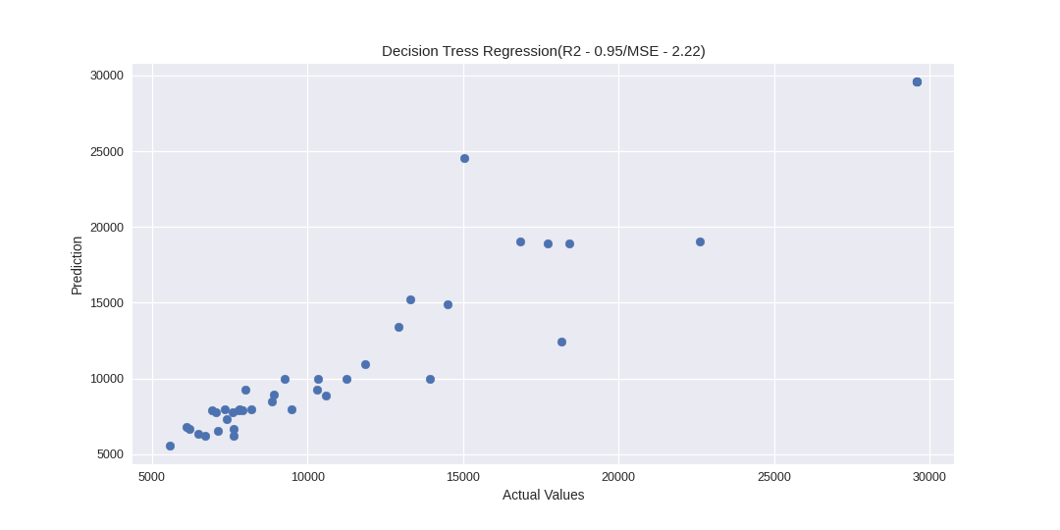
model | MSE | R2 Score
DecisionTreeRegressor() | 2220156.3902 | 0.95383580664
LGBMRegressor() | 2798638.4304 | 0.94180730411
Lasso() | 2859092.6966 | 0.94055026544
LinearRegression() | 2869755.5715 | 0.94032854997
Ridge() | 3228738.898 | 0.9328641318
ElasticNet() | 5079259.884 | 0.89438584757
KNeighborsRegressor() | 5562557.0765 | 0.88433654422

Features Scaling
Label_Encoding

Model with other hyperparameters and their best score

model | MSE | R2 Score | best_score | best_params
DecisionTreeRegressor | 5144555.1021 | 0.8772 | 0.7961748498 | {'criterion': 'mae', 'splitter': 'random'}
LGBMRegressor | 5808575.9252 | 0.8613 | 0.73829782736 | {'learning_rate': 0.2, 'max_depth': -1, 'n_estimators': 100}
ElasticNet | 7327911.834 | 0.8251 | 0.73884535187 | {'alpha': 0.001, 'selection': 'random'}
Lasso Regression | 7337883.152 | 0.8248 | 0.73988729066 | {'alpha': 1, 'selection': 'random'}
Linear Regression | 7342617.3735 | 0.8247 | 0.73981482704 | {'fit_intercept': True, 'normalize': True}
Ridge Regression | 7342325.519 | 0.8247 | 0.73980060011 | {'alpha': 0.001, 'solver': 'auto'}
KNeighborsRegeressor | 11112054.942 | 0.7348 | 0.77413137212 | {'algorithm': 'ball_tree', 'n_neighbors': 5, 'weights': 'distance'}

