Q1
Exploratory Data Analysis (EDA) & Visualization

Explain top 3 key analysis performed on the data as part of EDA & the interesting insights drawn from them. We encourage you to provide charts / plots that will depict your findings better. Weightage will be given on data visualization aspect as well.

Please provide your answers below :
1. Visualization of null value

 | Representation of Null values as yellow colur using seaborns heatmap | Representation of Null values as yellow colur using seaborns heatmap for Delhi only

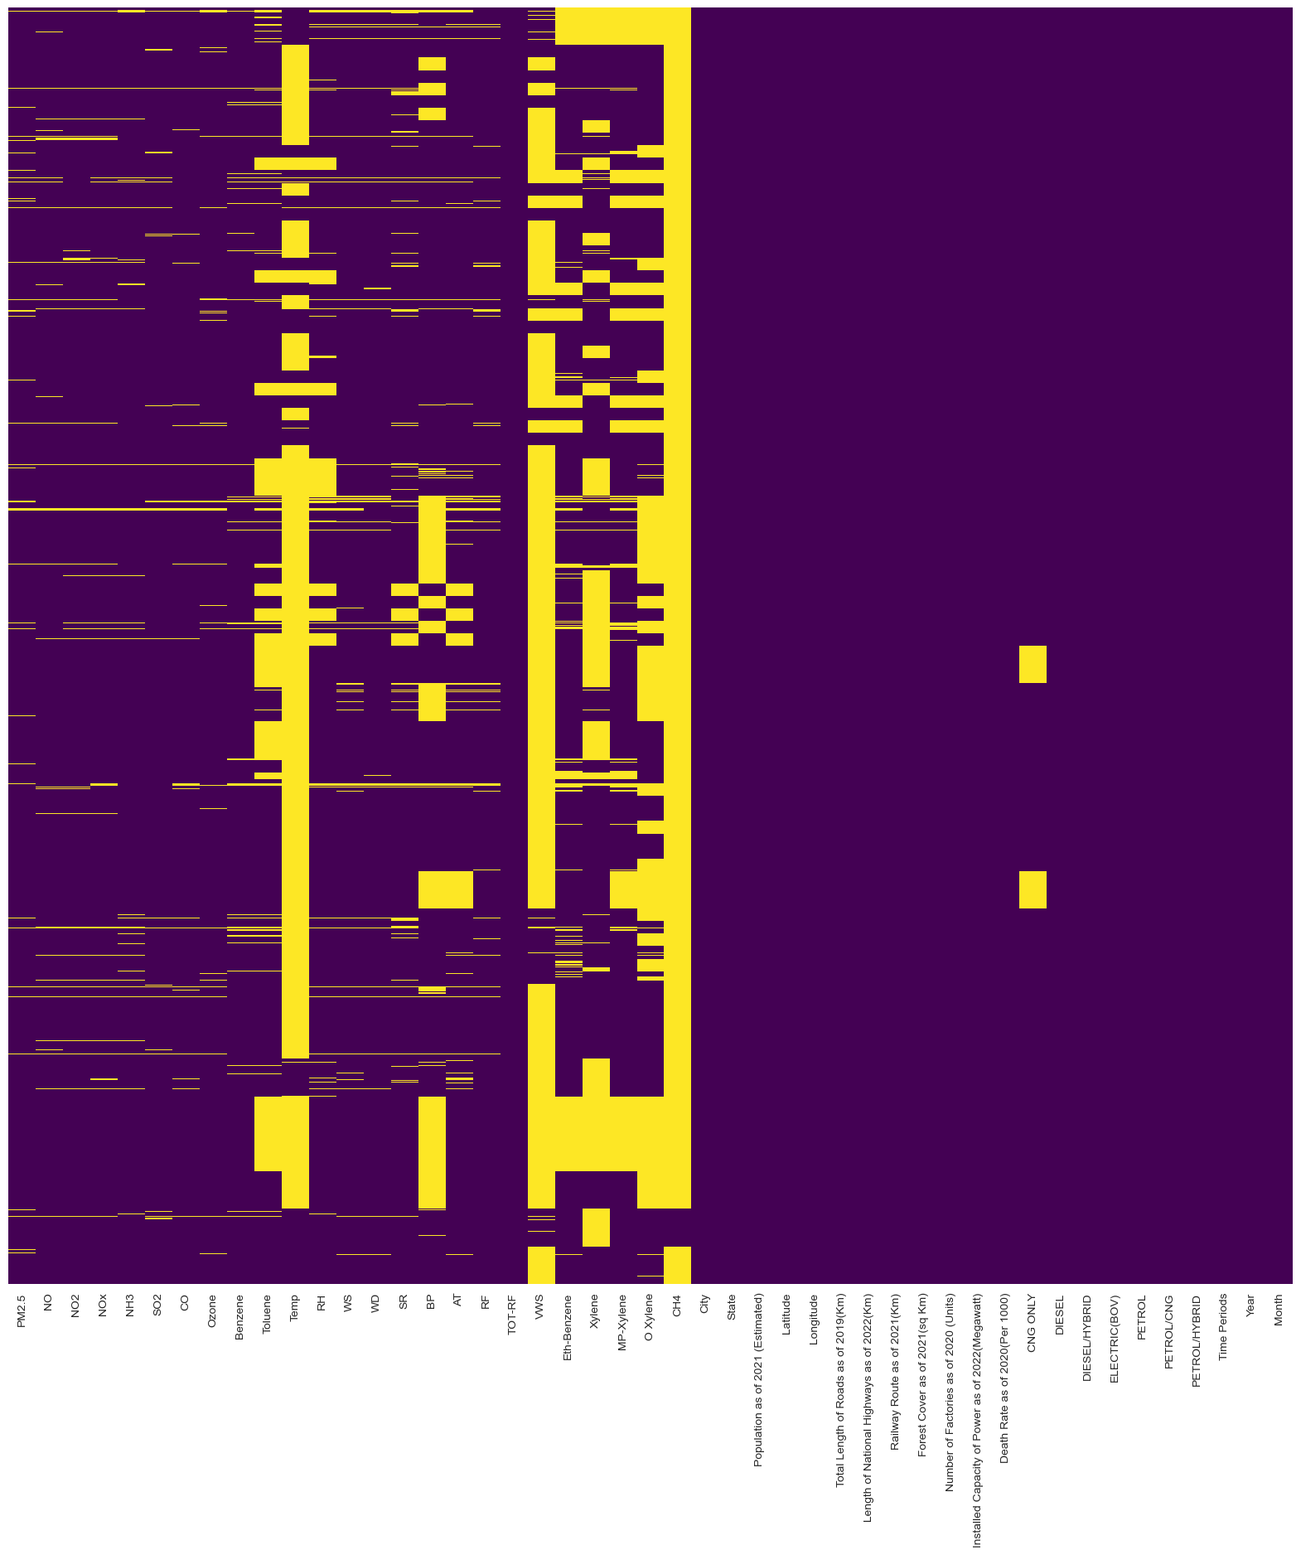
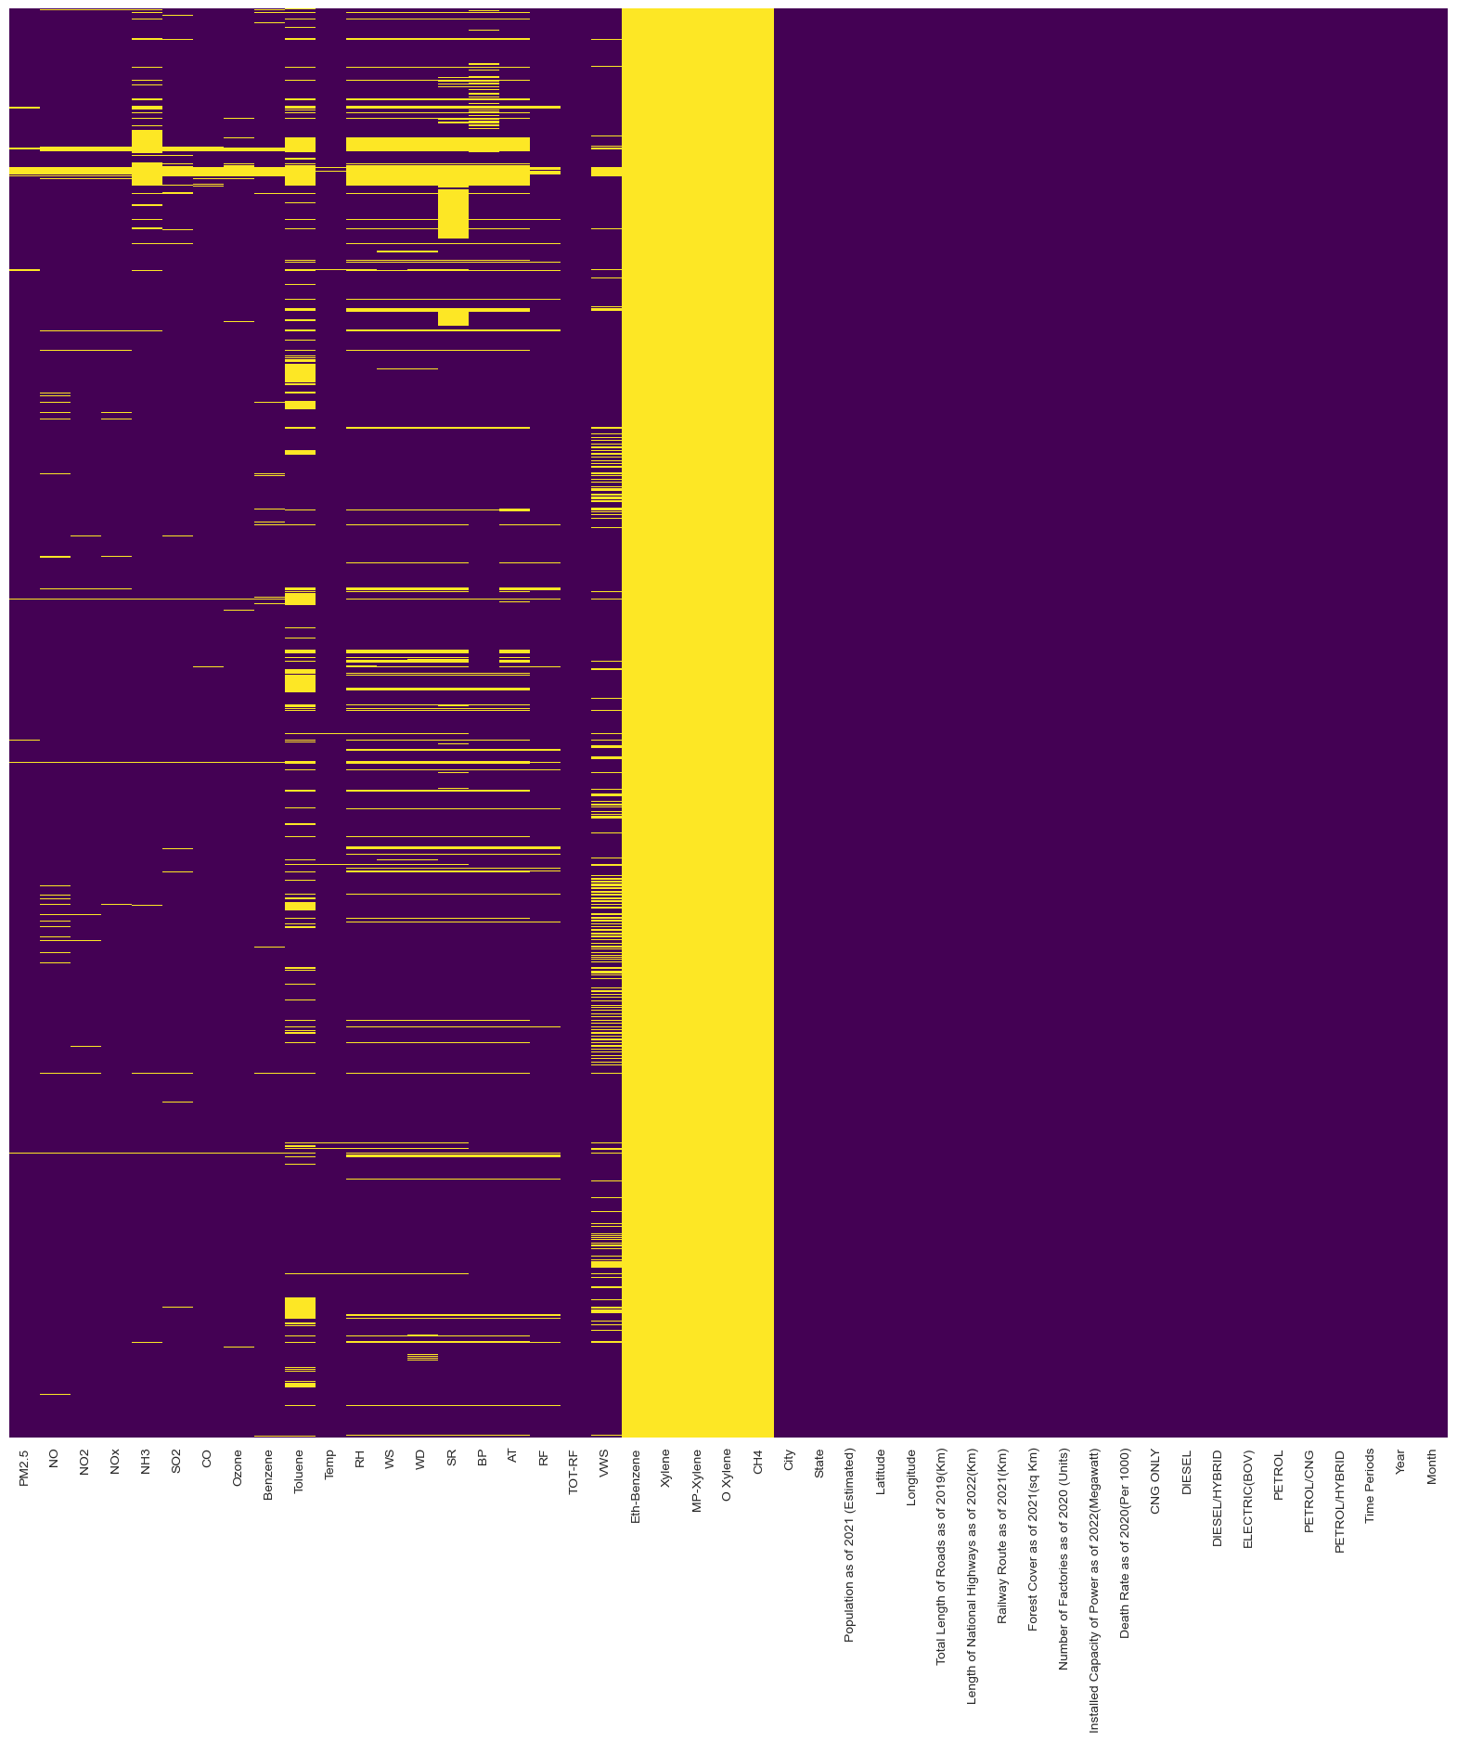

After looking on the heatmap it was comfirmed to treat null value is a important as a small drop of row on the main dataset would raise to deleting a large chunk of data on a specific city.

2 . Box ploting

 | By month
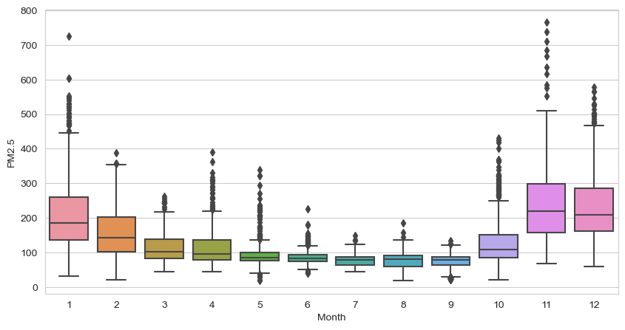

 | By year
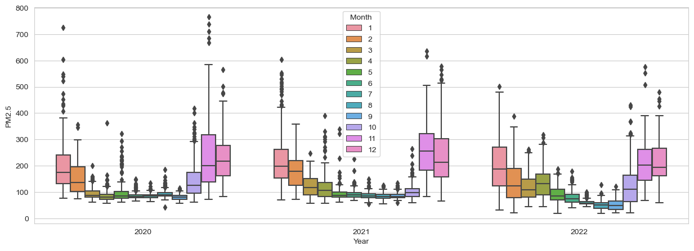

 | As we have to forecast the data so it is very important to see the seasonal behavior and after lookin tht data it is confirmed that it follows a seasonal pattern

3. Correlation plots using pairplot from seaborn and correlation heatmap

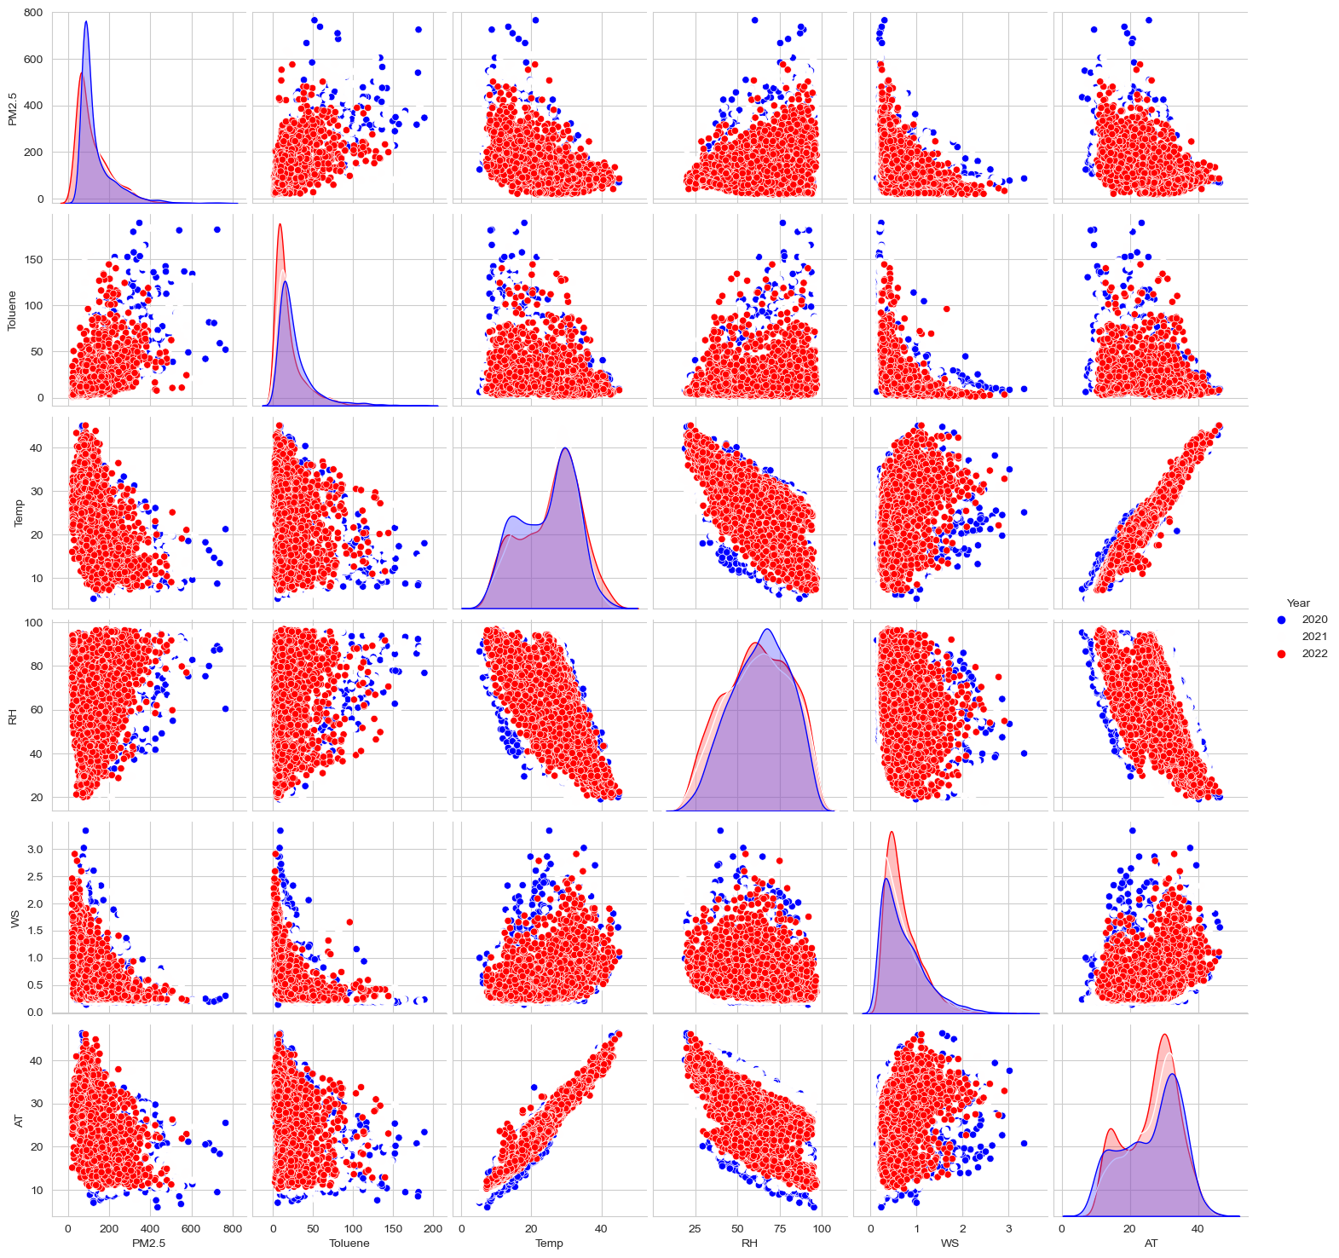
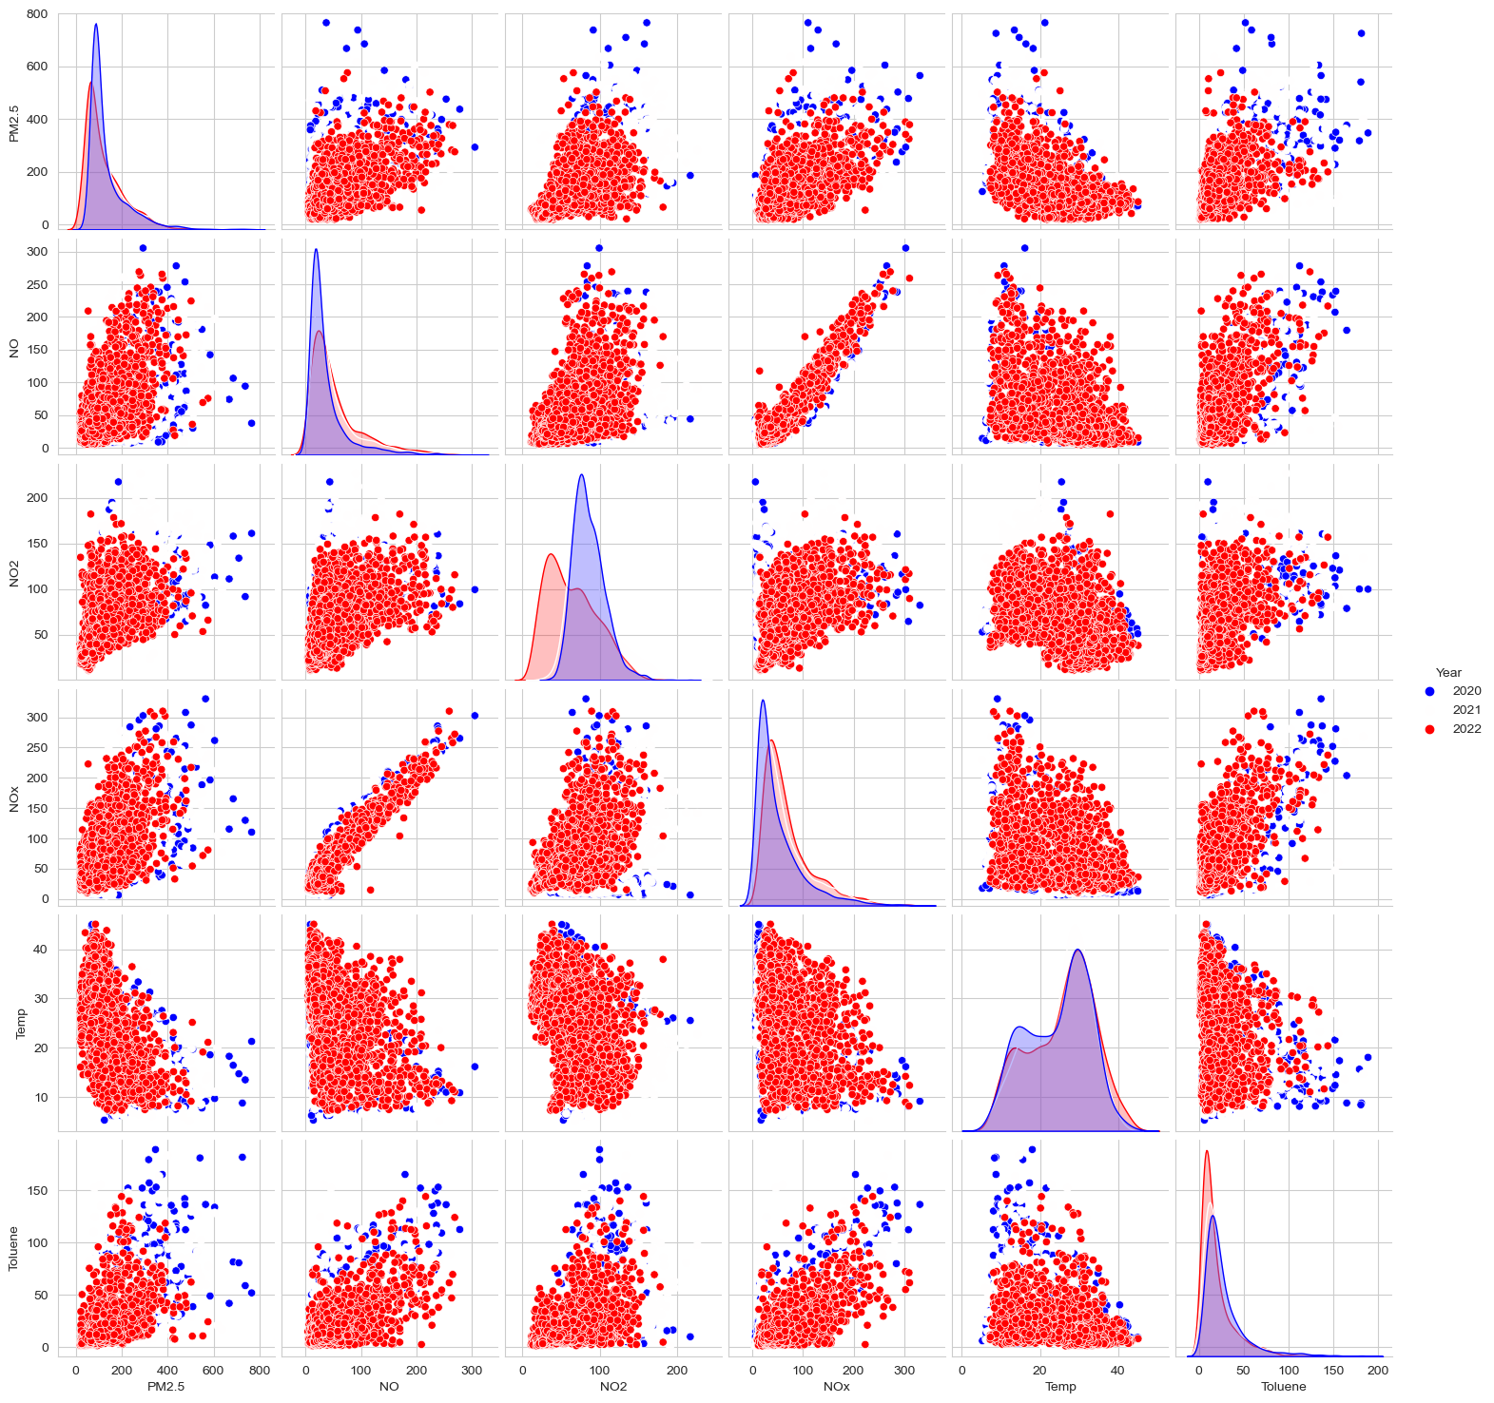

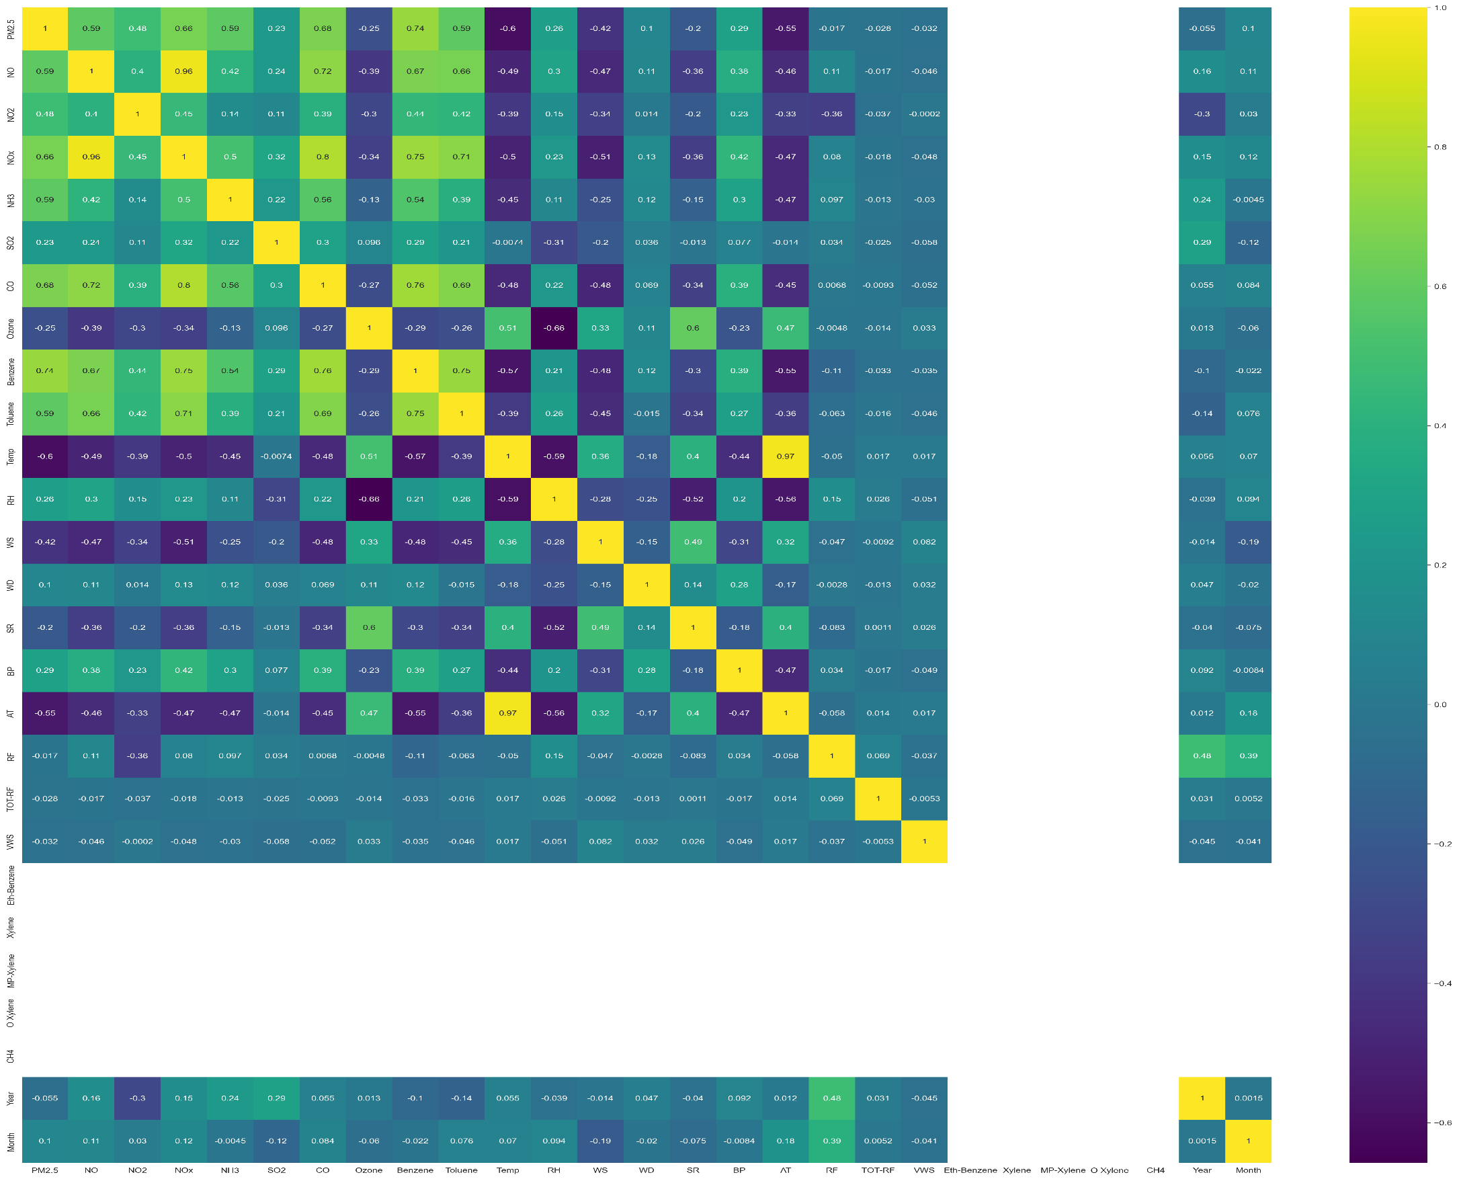

 | To check the dependency of the variables of the dataset it is important check the correlation of the variables for future variable selection.
 | As it is forecast model so with respect to the year

Q2
 | Data Treatments

 | Explain data treatements you have performed in model development process (e.g. Missing Value Imputation, Outlier Treatment etc.)

 | Please provide your answers below :
 | Imputaion Method
code =
 |  | from sklearn.impute import SimpleImputer from sklearn.impute import KNNImputer from sklearn.experimental import enable_iterative_imputer from sklearn.impute import IterativeImputer imp_mean = SimpleImputer(strategy='mean') e_Delhi[['WS','VWS','NH3','Benzene','RH','WD','Temp','SO2']] = imp_mean.fit_transform(e_Delhi[['WS','VWS','NH3','Benzene','RH','WD','Temp','SO2']]) imp_KNN = KNNImputer(n_neighbors=5) e_Delhi[['RF','BP','SR','Ozone','NO2','NOx']] = imp_KNN.fit_transform(e_Delhi[['RF','BP','SR','Ozone','NO2','NOx']]) imp_II = IterativeImputer() e_Delhi[['PM2.5','Toluene']] = imp_II.fit_transform(e_Delhi[['PM2.5','Toluene']])

 |  | First step -- Divided the dataframe by city dataset. Secondstep -- finding the null values by percentage and sorting them in descending order so as to select the columns to drop by having very high percentage i.e close to 100% Third step -- checking the correlation value and visualizing by heatmap for fast approach then making pairplot for the high correlated value and visualizing using year trend . i.e 0.8 or higher Forth step -- the highly correlated variable is choosed on basis of having low null as compared. Or having some variational trend in pairplot.
 |  | Fifth_step --- then imputing using the sklearn impute function using unvariate appraoch then multivariate imputaion using K nearest neighbour and iterative imputer.

 |  | After all the process the distribution of the imputed value is checked by mean and standardistribution from the previous not imputed data to the new data set

 | NO row is compromised



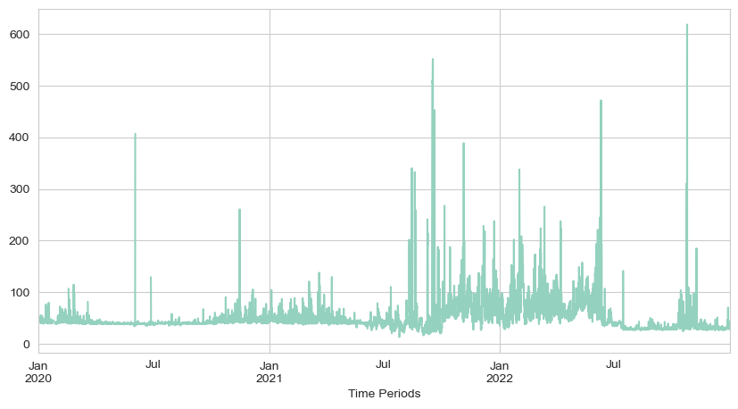


 |  |  | After
 | Before

Q3
Feature Engineering & Feature Selection

Explain the Feature Engineering & Feature Selection techniques used in the model development.

Please provide your answers below :



 | The vechile variables are remaining constant for a long period of time so instead of keeping a large set of data only which remaing constant for a long period we have just omit it and make a new variable of year and month are created from the date time .So that it replicate the feature linearly.

 | As it is a time series prediction multiple feature selection is very important so as to use multivarte imputation so we don't have to delete any row. Deleting of row will difficut in follow the trend.

Q4
Model Training Exercise

- Describe the process / techniques used for in-sample validation of your model . Provide in-sample model validation results. - Explain multiple modeling techniques explored to predict PM2.5 concentration. Give rationale behind selection of the final modeling methodology. - Briefly explain any model parameter configurations exercise performed during Model Development.

Please provide your answers below :
 | Time series model for forcasting
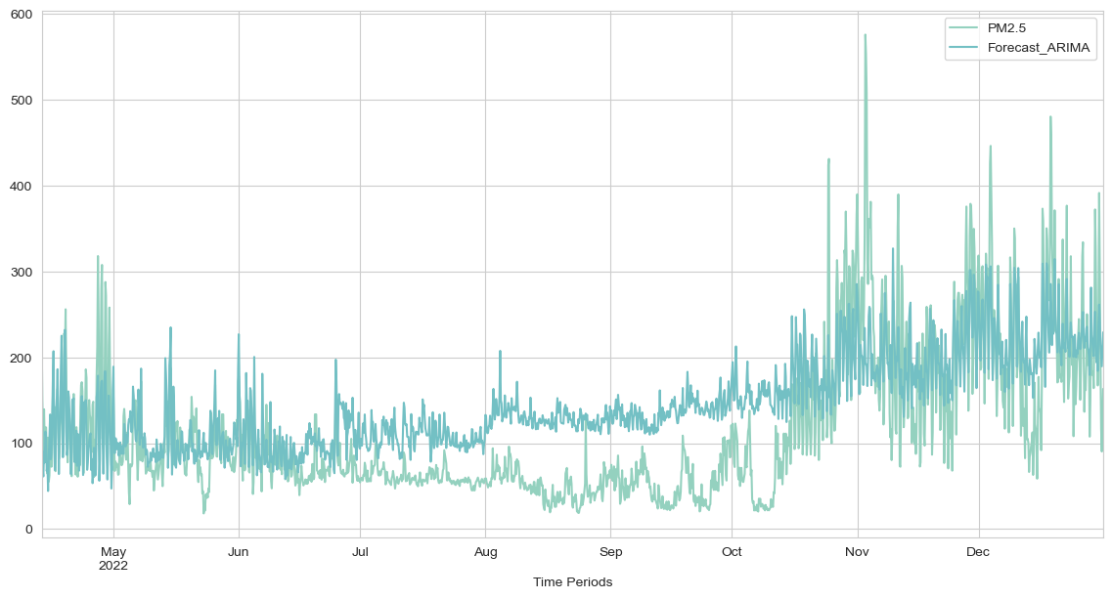

 |  | Arima model--------'mae'=64

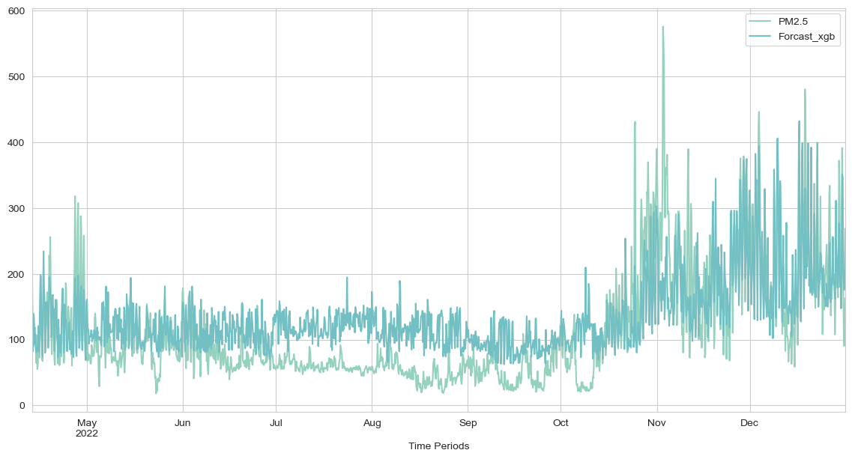

 |  | Xgbooster model-----'mae'=50

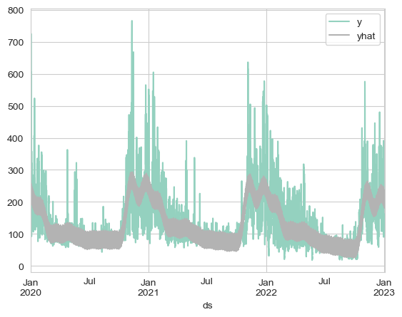

 |  | fbprophet model----'mae'=39

 | The multiple modelling techniqes improvised are first multivariate approach i.e xgboost and autoarima model which take mutilpe featue to predict the problem faced are without hyperparameter tuning the error are very high.But in the univariant approach i.e using Prophet model it is very easy to setup the data and no hyperparameter tuning is reqired as it is seasonal based model.

 | Instead of spliting the data for traing and testing data set we used the whole data set for training and used to predict future dataset according to our reqiuement.

 | There are four hyperparameters that are suitable to be tuned automatically using grid search: changepoint_prior_scale, seasonality_prior_scale, holidays_prior_scale, and seasonality_mode. the best parameters are changepoint_prior_scale equals 0.01, seasonality_prior_scale equals 1, and seasonality_mode equals additive.

Q5
Model Findings

List the 5 most polluted Indian Cties & its top predictors wrt. highest PM2.5 prediction (on Submission Template). Any specific findings across cities or states?

Please provide your answers below :
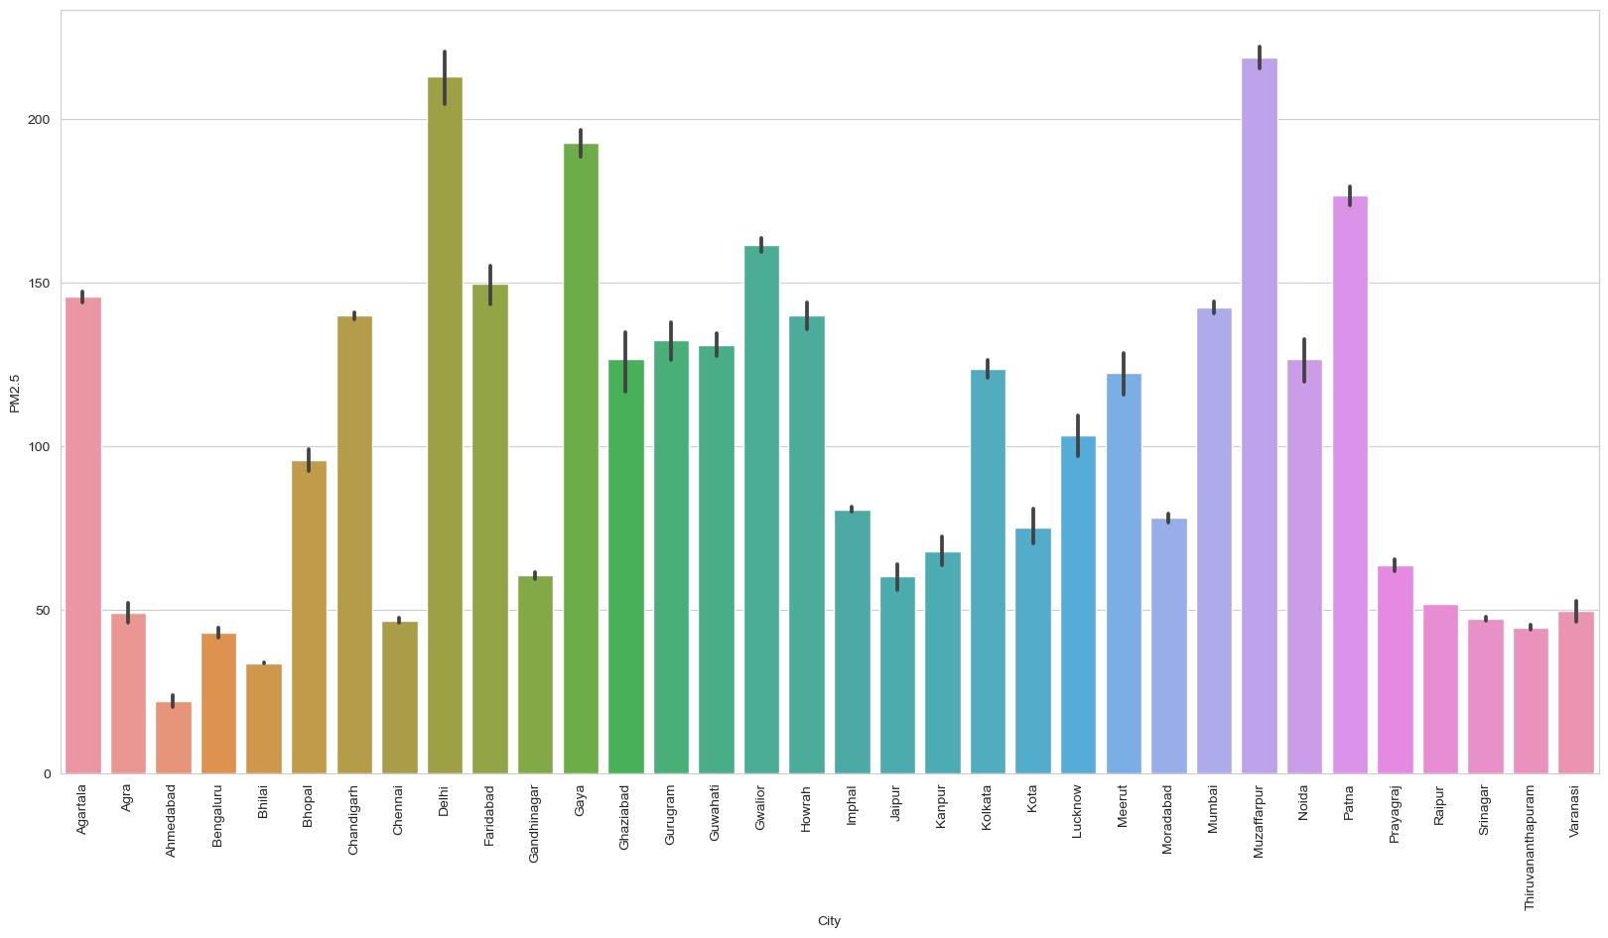

 |  | PM2.5 Prediction bar plot

 | The 5 most polluted Indian Cties are

 | 1. Muzaffarpur= 231.91 AQI
 | 2.DELHI = 234.18 AQI
 | 3.Gaya= 207.92 AQI
 | 4.Patna= 186.60 AQI
 | 5.Gwalior= 169.21 AQI

 | Observed that even if Delhi has the touched heighest PM2.5 level but Muzaffarpur has very consistent high pm2.5 emmision so that’s why it is most polluted according to our prediction

 | Vehicular emissions consistently emerge as a significant predictor of PM2.5 pollution across multiple cities, indicating the need for stricter vehicle emissions standards and better public transportation infrastructure.

